TOTAL REVENUE PER COUNTRY
Month | (All)

TOTAL REVENUE PER COUNTRY
Sum of Revenue | Column Labels
Row Labels | 2015.0 | 2016.0 | Grand Total
France | 824730 | 945636 | 1770366
Germany | 843705 | 1219080 | 2062785
United Kingdom | 936858 | 1262677 | 2199535
United States | 2290942 | 3088314 | 5379256
Grand Total | 4896235 | 6515707 | 11411942

TOTAL REVENUE PER STATE
Month | (All)

TOTAL REVENUE PER STATE
Sum of Revenue | Column Labels
Row Labels | 2015.0 | 2016.0 | Grand Total
California | 1368699 | 1756846 | 3125545
England | 936858 | 1262677 | 2199535
Washington | 627745 | 909717 | 1537462
Oregon | 281012 | 409434 | 690446
Saarland | 230716 | 282511 | 513227
Nordrhein-Westfalen | 178370 | 307758 | 486128
Hessen | 179757 | 255842 | 435599
Seine (Paris) | 201598 | 180014 | 381612
Hamburg | 142237 | 174623 | 316860
Nord | 148002 | 114221 | 262223
Grand Total | 4294994 | 5653643 | 9948637

TOTAL REVENUE PER SUB CATEGORY
Year | (All)

Sum of Revenue | Column Labels
Row Labels | January | February | March | April | May | June | July | August | September | October | November | December | Grand Total
Bike Racks | 3798 | 10458 | 6358 | 10535 | 19866 | 20218 | 14561 |  |  |  |  |  | 85794
Bike Stands | 5019 | 6210 | 4336 | 13577 | 7243 | 3047 | 2056 | 1328 | 2472 | 7352 | 9280 | 11218 | 73138
Bottles and Cages | 32384 | 31798 | 35935 | 36881 | 38732 | 40517 | 19071 | 19317 | 23045 | 27369 | 22873 | 36432 | 364354
Caps | 9204 | 11921 | 11815 | 13664 | 11824 | 14372 | 9004 | 9081 | 9275 | 7940 | 9260 | 14266 | 131626
Cleaners | 3610 | 4991 | 2667 | 3929 | 4267 | 3770 | 1951 | 2210 | 3307 | 3041 | 2977 | 3361 | 40081
Fenders | 29199 | 22476 | 29123 | 28737 | 32802 | 29898 | 15346 |  |  |  |  |  | 187581
Gloves | 17438 | 11634 | 19604 | 19445 | 29321 | 29119 | 9835 |  |  |  |  |  | 136396
Helmets | 107722 | 116035 | 153436 | 145272 | 153565 | 143503 | 87283 | 90175 | 98966 | 83359 | 89954 | 139580 | 1408850
Hydration Packs | 17890 | 13819 | 25529 | 16503 | 20961 | 23108 | 10188 | 13146 | 15964 | 14681 | 13793 | 17133 | 202715
Jerseys | 88342 | 79916 | 93103 | 90869 | 90160 | 116673 | 55567 | 59809 | 63575 | 65763 | 67537 | 98490 | 969804
Mountain Bikes | 208822 | 243954 | 259561 | 251254 | 332981 | 353325 | 86887 | 136058 | 117345 | 121273 | 137259 | 261083 | 2509802
Road Bikes | 187885 | 218809 | 215732 | 227740 | 270135 | 267094 | 120664 | 84782 | 104217 | 95525 | 105646 | 160022 | 2058251
Shorts | 26418 | 23931 | 31136 | 25326 | 29686 | 32494 | 26412 | 27700 | 30130 | 24994 | 30513 | 38427 | 347167
Socks | 2833 | 1987 | 2730 | 2816 | 5142 | 3238 | 2621 | 2012 | 1862 | 2009 | 2612 | 2480 | 32342
Tires and Tubes | 131600 | 141474 | 128371 | 131741 | 142357 | 148219 | 91517 | 95365 | 102352 | 112412 | 115712 | 133473 | 1474593
Touring Bikes | 105516 | 115404 | 120518 | 95195 | 162043 | 145564 | 48462 | 44342 | 61572 | 69163 | 79195 | 142547 | 1189521
Vests | 16090 | 15233 | 14433 | 21416 | 15286 | 15612 | 17310 | 19943 | 6718 | 22438 | 19475 | 15973 | 199927
Grand Total | 993770 | 1070050 | 1154387 | 1134900 | 1366371 | 1389771 | 618735 | 605268 | 640800 | 657319 | 706086 | 1074485 | 11411942

TOTAL REVENUE PER SUB CATEGORY
 | January | February | March | April | May | June | July | August | September | October | November | December
Bike Racks | 3798 | 10458 | 6358 | 10535 | 19866 | 20218 | 14561
Bike Stands | 5019 | 6210 | 4336 | 13577 | 7243 | 3047 | 2056 | 1328 | 2472 | 7352 | 9280 | 11218
Bottles and Cages | 32384 | 31798 | 35935 | 36881 | 38732 | 40517 | 19071 | 19317 | 23045 | 27369 | 22873 | 36432
Caps | 9204 | 11921 | 11815 | 13664 | 11824 | 14372 | 9004 | 9081 | 9275 | 7940 | 9260 | 14266
Cleaners | 3610 | 4991 | 2667 | 3929 | 4267 | 3770 | 1951 | 2210 | 3307 | 3041 | 2977 | 3361
Fenders | 29199 | 22476 | 29123 | 28737 | 32802 | 29898 | 15346
Gloves | 17438 | 11634 | 19604 | 19445 | 29321 | 29119 | 9835
Helmets | 107722 | 116035 | 153436 | 145272 | 153565 | 143503 | 87283 | 90175 | 98966 | 83359 | 89954 | 139580
Hydration Packs | 17890 | 13819 | 25529 | 16503 | 20961 | 23108 | 10188 | 13146 | 15964 | 14681 | 13793 | 17133
Jerseys | 88342 | 79916 | 93103 | 90869 | 90160 | 116673 | 55567 | 59809 | 63575 | 65763 | 67537 | 98490
Mountain Bikes | 208822 | 243954 | 259561 | 251254 | 332981 | 353325 | 86887 | 136058 | 117345 | 121273 | 137259 | 261083
Road Bikes | 187885 | 218809 | 215732 | 227740 | 270135 | 267094 | 120664 | 84782 | 104217 | 95525 | 105646 | 160022
Shorts | 26418 | 23931 | 31136 | 25326 | 29686 | 32494 | 26412 | 27700 | 30130 | 24994 | 30513 | 38427
Socks | 2833 | 1987 | 2730 | 2816 | 5142 | 3238 | 2621 | 2012 | 1862 | 2009 | 2612 | 2480
Tires and Tubes | 131600 | 141474 | 128371 | 131741 | 142357 | 148219 | 91517 | 95365 | 102352 | 112412 | 115712 | 133473
Touring Bikes | 105516 | 115404 | 120518 | 95195 | 162043 | 145564 | 48462 | 44342 | 61572 | 69163 | 79195 | 142547
Vests | 16090 | 15233 | 14433 | 21416 | 15286 | 15612 | 17310 | 19943 | 6718 | 22438 | 19475 | 15973

TOTAL REVENUE PER CATEGORY
Month | (All)

TOTAL REVENUE PER CATEGORY
Sum of Revenue | Column Labels
Row Labels | 2015.0 | 2016.0 | Grand Total
Accessories | 1375865 | 2461241 | 3837106
Bikes | 2830885 | 2926689 | 5757574
Clothing | 689485 | 1127777 | 1817262
Grand Total | 4896235 | 6515707 | 11411942

DASHBOARD
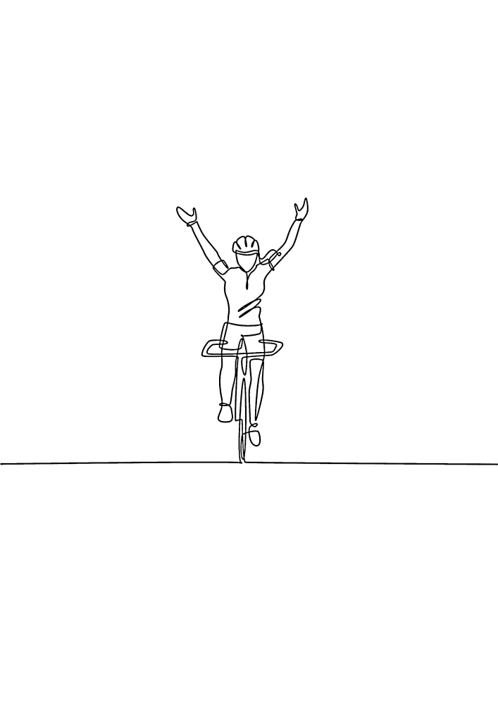


TOTAL REVENUE PER SUB CATEGORY
 | January | February | March | April | May | June | July | August | September | October | November | December
Bike Racks | 3798 | 10458 | 6358 | 10535 | 19866 | 20218 | 14561
Bike Stands | 5019 | 6210 | 4336 | 13577 | 7243 | 3047 | 2056 | 1328 | 2472 | 7352 | 9280 | 11218
Bottles and Cages | 32384 | 31798 | 35935 | 36881 | 38732 | 40517 | 19071 | 19317 | 23045 | 27369 | 22873 | 36432
Caps | 9204 | 11921 | 11815 | 13664 | 11824 | 14372 | 9004 | 9081 | 9275 | 7940 | 9260 | 14266
Cleaners | 3610 | 4991 | 2667 | 3929 | 4267 | 3770 | 1951 | 2210 | 3307 | 3041 | 2977 | 3361
Fenders | 29199 | 22476 | 29123 | 28737 | 32802 | 29898 | 15346
Gloves | 17438 | 11634 | 19604 | 19445 | 29321 | 29119 | 9835
Helmets | 107722 | 116035 | 153436 | 145272 | 153565 | 143503 | 87283 | 90175 | 98966 | 83359 | 89954 | 139580
Hydration Packs | 17890 | 13819 | 25529 | 16503 | 20961 | 23108 | 10188 | 13146 | 15964 | 14681 | 13793 | 17133
Jerseys | 88342 | 79916 | 93103 | 90869 | 90160 | 116673 | 55567 | 59809 | 63575 | 65763 | 67537 | 98490
Mountain Bikes | 208822 | 243954 | 259561 | 251254 | 332981 | 353325 | 86887 | 136058 | 117345 | 121273 | 137259 | 261083
Road Bikes | 187885 | 218809 | 215732 | 227740 | 270135 | 267094 | 120664 | 84782 | 104217 | 95525 | 105646 | 160022
Shorts | 26418 | 23931 | 31136 | 25326 | 29686 | 32494 | 26412 | 27700 | 30130 | 24994 | 30513 | 38427
Socks | 2833 | 1987 | 2730 | 2816 | 5142 | 3238 | 2621 | 2012 | 1862 | 2009 | 2612 | 2480
Tires and Tubes | 131600 | 141474 | 128371 | 131741 | 142357 | 148219 | 91517 | 95365 | 102352 | 112412 | 115712 | 133473
Touring Bikes | 105516 | 115404 | 120518 | 95195 | 162043 | 145564 | 48462 | 44342 | 61572 | 69163 | 79195 | 142547
Vests | 16090 | 15233 | 14433 | 21416 | 15286 | 15612 | 17310 | 19943 | 6718 | 22438 | 19475 | 15973

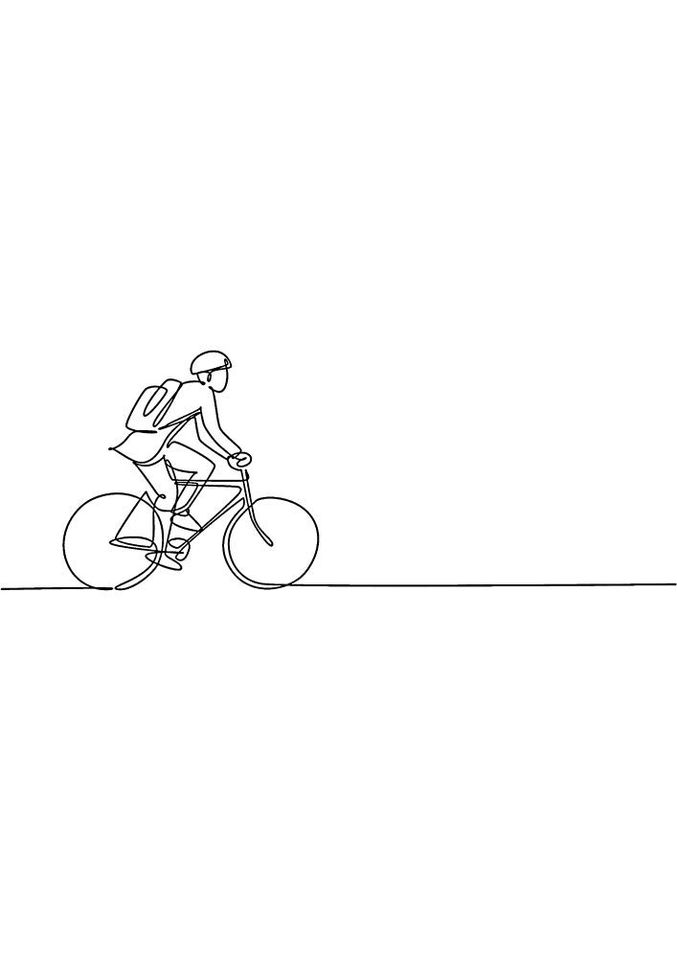

TOTAL REVENUE PER COUNTRY
 | 2015.0 | 2016.0
France | 824730 | 945636
Germany | 843705 | 1219080
United Kingdom | 936858 | 1262677
United States | 2290942 | 3088314
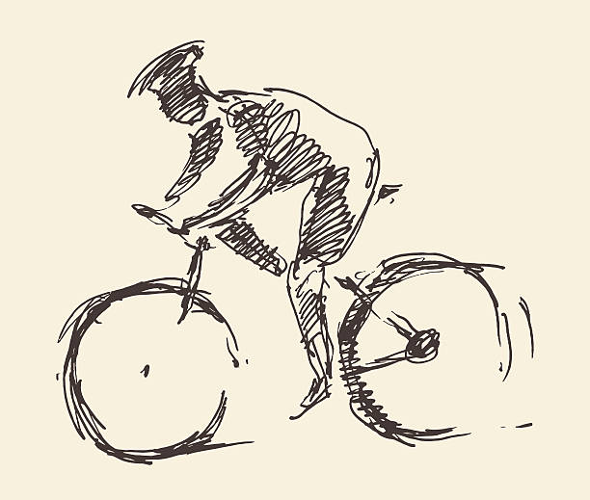

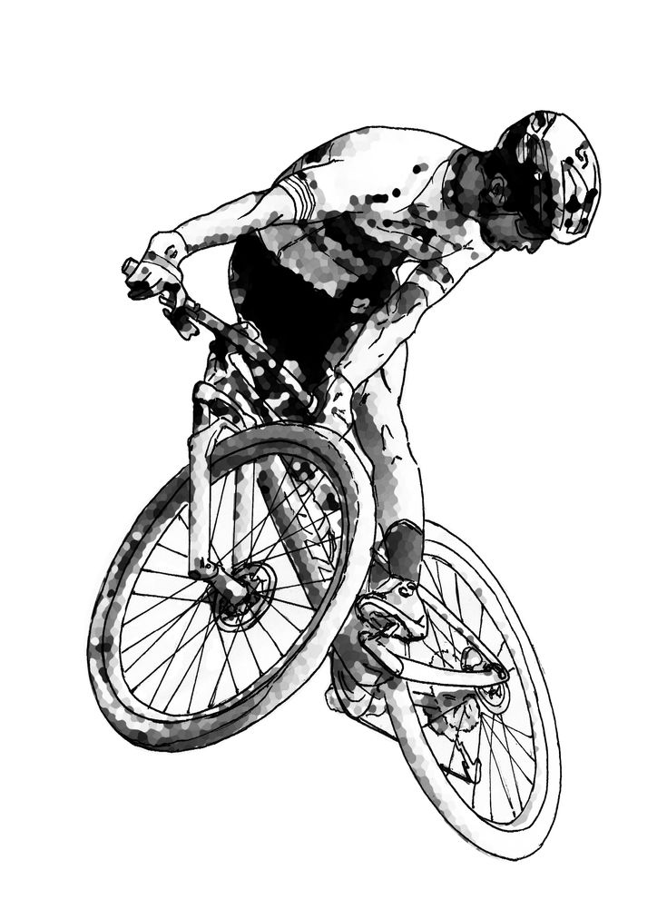
TOTAL REVENUE PER STATE
 | 2015.0 | 2016.0
California | 1368699 | 1756846
England | 936858 | 1262677
Washington | 627745 | 909717
Oregon | 281012 | 409434
Saarland | 230716 | 282511
Nordrhein-Westfalen | 178370 | 307758
Hessen | 179757 | 255842
Seine (Paris) | 201598 | 180014
Hamburg | 142237 | 174623
Nord | 148002 | 114221

TOTAL REVENUE PER CATEGORY
 | 2015.0 | 2016.0
Accessories | 1375865 | 2461241
Bikes | 2830885 | 2926689
Clothing | 689485 | 1127777

