1.2 Function_explain
Detailed Judgment and Calculation Logic (Original Siemens Program)
(Original Siemens Control Program for Flow Coater – AFT MIRROR Line)

1. Overview
The original Siemens PLC program controls glass movement through the painting room (Flow Coater) using one photoelectric Entry Sensor and two encoders:

 | Encoder | Location | Resolution | Function | Speed Range | Conversion
 | Slow Encoder | Outside painting room (chain roller) | 32 ppr | Measures base conveyor movement and glass size | Single speed Base speed = 105 mm/s | 1 pulse = 0.3125 inch
 | High Encoder | Inside painting room (belt drive) | 68 ppr | Monitors belt movement during coating (base / high speed) | Two speed Base speed = 105 mm/s High speed = 1240 mm/s | 1 pulse = 0.265 inch

Remark: This simple graphic is for explanation purposes only. For accurate dimensions or roller quantities, please refer to the official drawing.
 | 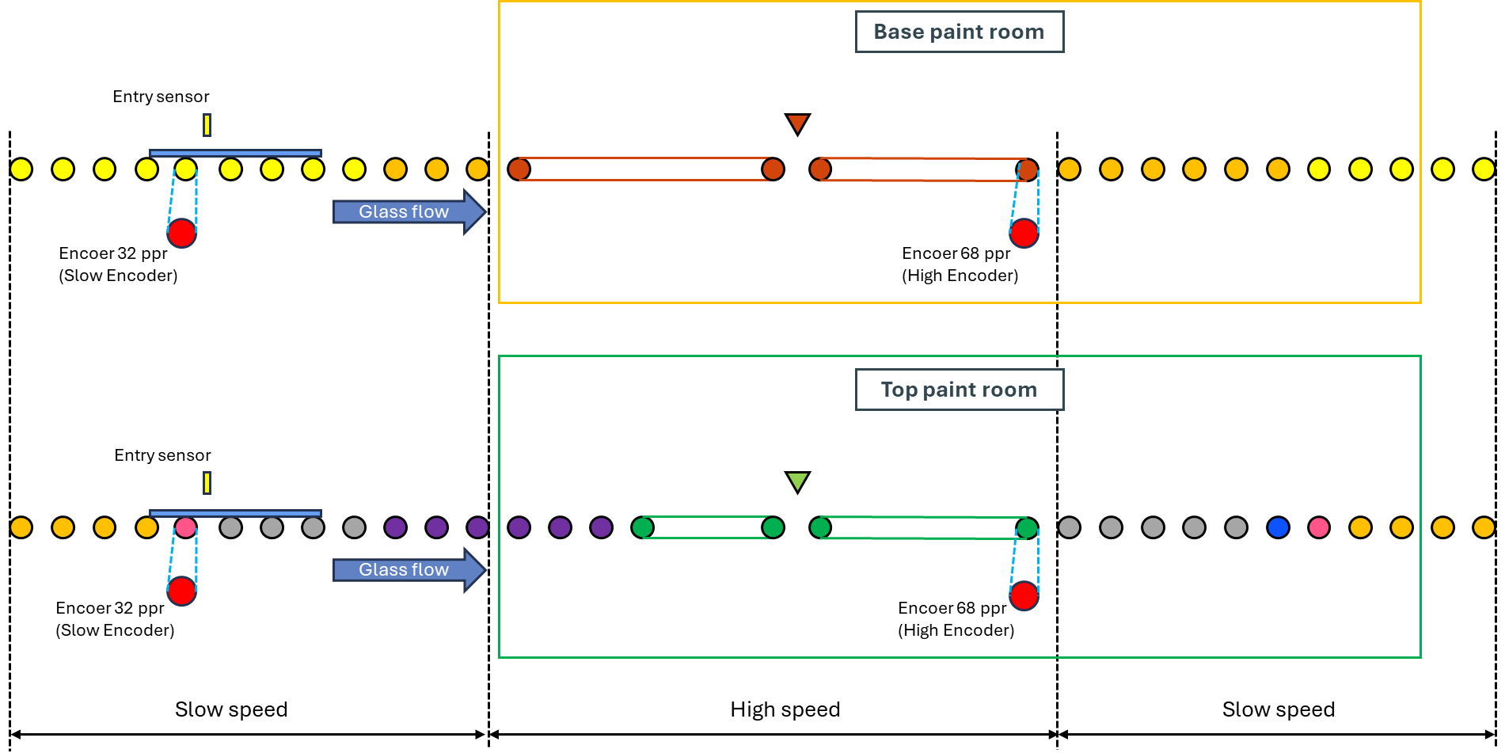
Both encoders count positive pulses only.
Each load’s pulse count is stored in memory once complete (Entry ON → OFF), then the counter resets for the next load.

2. Glass Classification Logic
2.1 Counting Principle
 | • The number of slow pulses between Entry ON and Entry OFF represents one sheet length.
 | • No scaling factor is applied; the PLC uses raw encoder pulses.

2.2 Single vs Batch Logic

Single Loading
Batch Loading
Remark: This simple graphic is for explanation purposes only. For accurate dimensions or roller quantities, please refer to the official drawing.
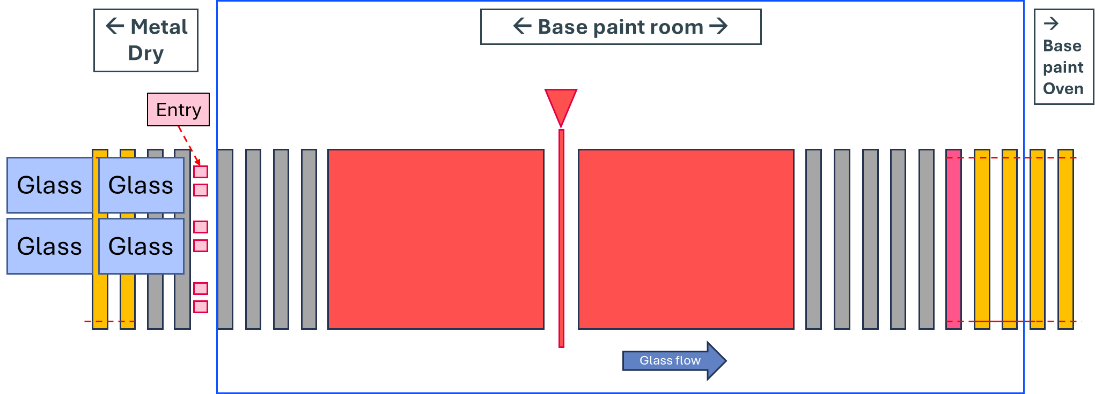 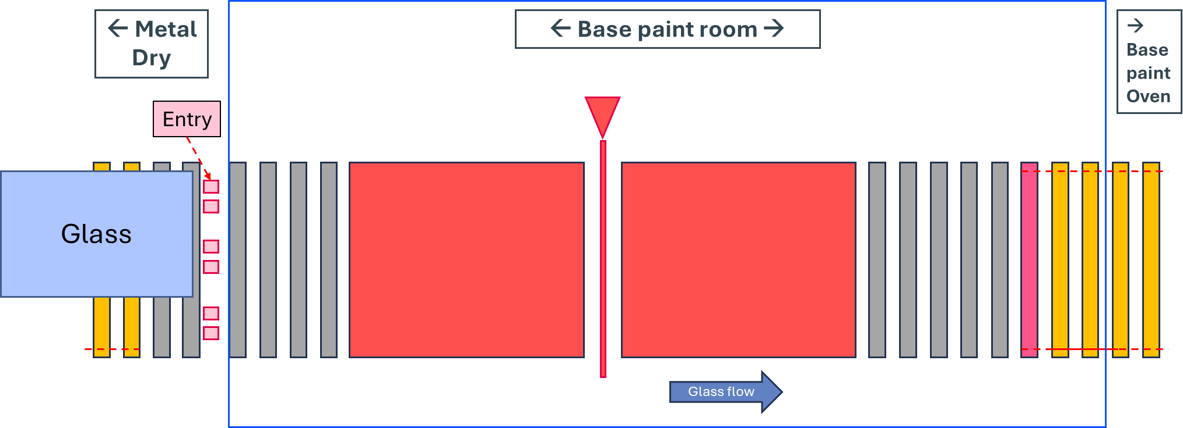

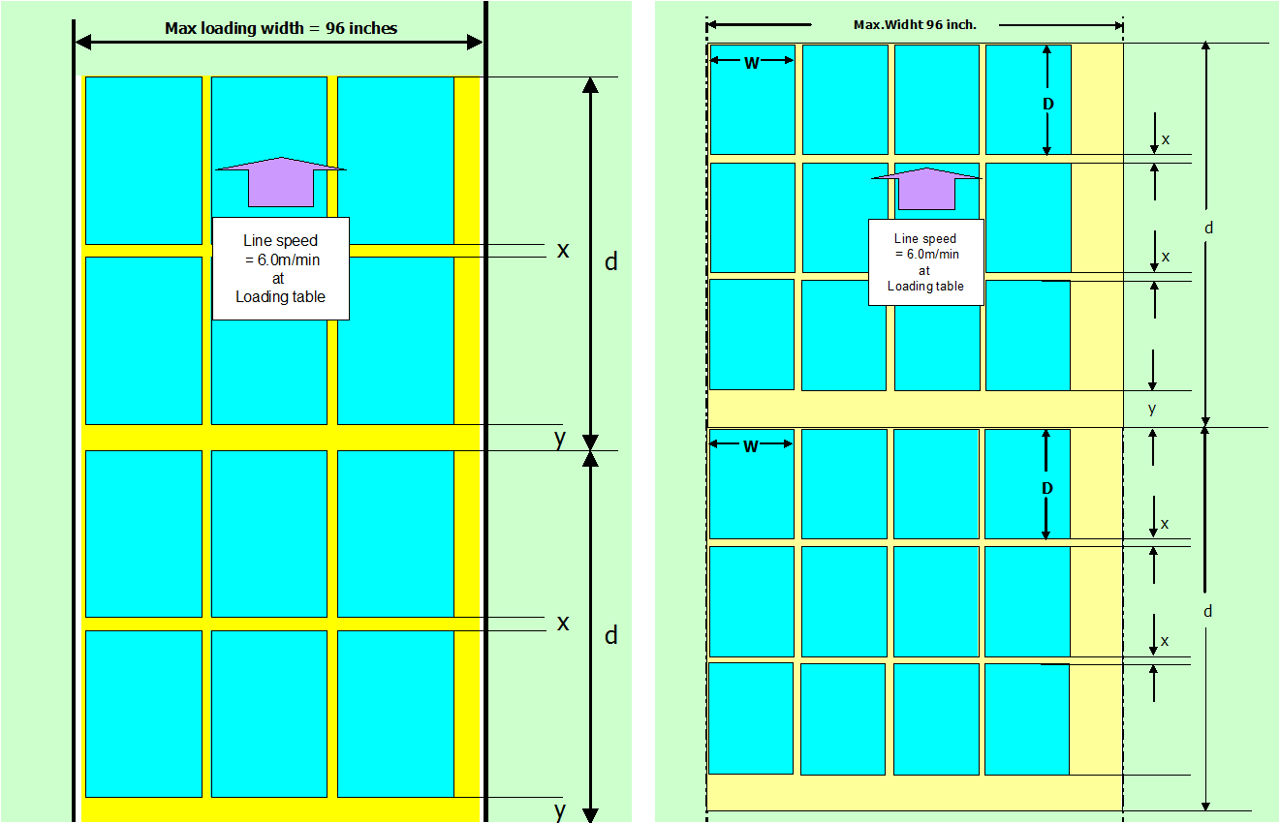
 | Condition | Description | Classification
 | Glass Size ≥ 170 pulses | Large sheet | Single Loading
 | Glass Size < 170 pulses and no new sheet detected within 30 pulses after Entry OFF | Small but isolated sheet | Single Loading
 | Glass Size < 170 pulses and new sheet detected within 30 pulses | Consecutive sheets | Batch Loading
 | 4th sheet detected within 30 pulses after 3rd | Exceeds batch capacity | Next Load

 | 1 pulse = 0.3125 inch, therefore:
 | • 170 pulses ≈ 53.13 inch = border between Single / Batch
 | • 30 pulses ≈ 9.38 inch = gap limit within the same batch

Batch constraints:
 | • Maximum 3 sheets in length direction (front-to-back) per load.
 | • Width direction (Left-Center-Right) not judged in this original system.
 | • Overall batch envelope ≤ 144 × 96 inch (including gaps).

Typical Gaps
 | • Single → Gap between loads: 2–4 inch
 | • Batch → Gap between sheets x = 2–3 inch; between loads y = 10 inch

3. Speed-Up / Slow-Down Control
Remark: This simple graphic is for explanation purposes only. For accurate dimensions or roller quantities, please refer to the official drawing.
Deceleration Reference X
3.1 Position References
 | • Acceleration Reference (configurable on HMI – Siemens)
 | The system creates a configurable acceleration trigger position located downstream from the Entry sensor.
 | This position is set from the HMI and stored in slow-pulse units.
 | • Default (if not adjusted): Accel_Pos_slow = 146 slow pulses (≈ 45.625 inch) downstream from Entry Sensor.
 | • Operators or engineers can modify this value to fine-tune the coating process according to glass size or paint condition.
 | • Example: If the operator increases the acceleration offset from 146 → 160 pulses, the speed-up will start approximately (160 × 0.3125) = 50 inch downstream from the Entry Sensor.

 | • Deceleration Reference (X) (calculated by PLC)
 | The deceleration reference is calculated to determine where the system returns to base speed. |  |  |  | Distance | Distance formula (inch)
 | X = (1110 − Gₛ) + (Gₛ × ⅔) − K |  |  |  | Entry - Accel | A = 45.625
 | where |  |  |  | Accel - Decel | X
 | Symbol | Meaning | Unit |  | Accel - Inlet | 80.085
 | Gₛ | Glass length in slow pulses | High-pulse |  | Inlet - Decel | X - 80.085
 | K | Correction constant for size | - |  | Inlet - Exit | 250

 | K-values for Single Loading | for Base paint | for Top paint
 | Glass Size (high-pulses) | K | K
 | ≥ 320 | 155 | 155
 | 280 – 319 | 125 | 105
 | 240 – 279 | 115 | 90
 | 205 – 239 | 90 | 80
 | 172 – 204 | 70 | 55
 | 0 < 172 | 115 | 115

 | K-value for Batch Loading | for both room
 | Glass Size (high-pulses) | K
 | > 0 | 155

No. | Type | Net Length (inch) | Gₛ (High-pulse) | K_Base | K_Top
1 | Batch 36×3 (+2) | 110 | 415.09 | 155 | 155
2 | Batch 42×2 (+1) | 85 | 320.75 | 155 | 155
3 | Batch 48×3 (+2) | 146 | 550.94 | 155 | 155
4 | Batch 49×2 (+1) | 99 | 373.58 | 155 | 155
5 | Batch 50×2 (+1) | 101 | 381.13 | 155 | 155
6 | Single 60 | 60 | 226.42 | 90 | 80
7 | Single 65 | 65 | 245.28 | 115 | 90
8 | Single 72 | 72 | 271.70 | 115 | 90
9 | Single 84 | 84 | 316.98 | 125 | 105
10 | Single 96 | 96 | 362.26 | 155 | 155
11 | Single 120 | 120 | 452.83 | 155 | 155
12 | Single 144 | 144 | 543.40 | 155 | 155

Remark: This simple graphic is for explanation purposes only. For accurate dimensions or roller quantities, please refer to the official drawing.
3.2 Timing Logic
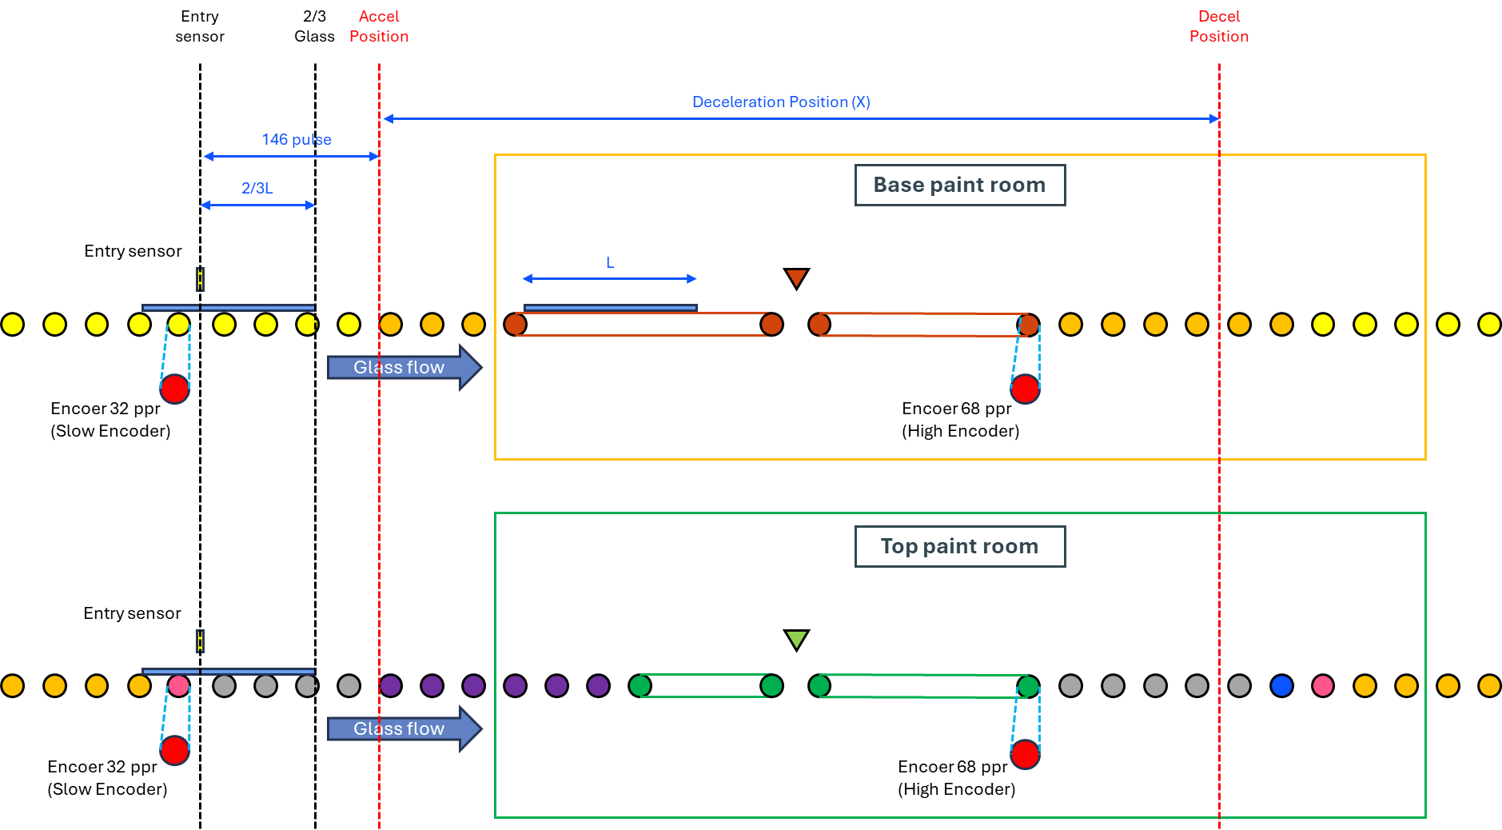
Single Loading
 | • Start High Speed: When the sheet passes the Accel Position (146 pulses) + 2⁄3 of its length.
 | • Return to Base Speed: When the sheet passes Reference X + 2⁄3 of its length.
Batch Loading
 | • Start High Speed: When the last sheet in the batch passes the Accel Position + 2⁄3 of its length.
 | • Return to Base Speed: When the first sheet in the batch passes Reference X + 2⁄3 of its length.
The high-speed encoder (68 ppr) tracks the belt position during this phase only for calculating the distance to X and verifying motion feedback.

Example Calculation (Single sheet = 320 pulses)
 | X = (1110−320)+(320×0.667)−155 = 790+213.33−155 = 848.33 pulses (high)
 | The program expects roughly 848.33 high-pulses (≈ 224.8 inch) from the start of acceleration until deceleration trigger.

4. Alarm and Interlock Logic

No. | Alarm Name | Trigger Condition | Action Taken
1 | Charge Too Long | Total Length ≥ 470 slow pulses (~146.875 inch) | Alarm + Buzzer + Interlock ON (stop conveyor + stop heater)
2 | Run-Up False | PLC commanded High Speed but no feedback from 68 ppr encoder | Alarm + Buzzer + Interlock ON
3 | Retardation False | PLC commanded Base Speed but feedback still High | Alarm + Buzzer (+ interlock as defined)

5. Emergency Stop Behavior
 | • Pressing any Emergency Button → Interlock ON.
 | • If glass is already in the high-speed zone:
 | The PLC allows the glass to finish its cycle (continue until high-speed logic completes),
 | then stops the conveyor and turns off the heater.

6. Summary of Conversion Factors
 | Parameter | Value | Equivalent in inch
 | 1 pulse (slow) | 0.3125 inch | —
 | 1 pulse (high) | 0.265 inch | —
 | 170 pulses | ≈ 53.13 inch | Single / Batch boundary
 | 30 pulses | ≈ 9.38 inch | Batch gap limit
 | 470 pulses | ≈ 146.875 inch | Charge-too-long alarm
 | 146 pulses | ≈ 45.63 inch | Accel Position distance

Operational Summary
1. Single/Batch distinction is based solely on Entry sensor pulse length and 30-pulse gap rule (longitudinal direction only).
2. Speed control depends on measured glass length and fixed geometric offsets (146 pulses + formula X).
3. Alarms and interlocks ensure abnormal size, motion, or speed feedback immediately halt conveyor + heater.
4. Emergency stop prioritizes finishing high-speed motion before full shutdown.

New Programming
Glass Measuring and Speed-Up Interlock System (Mitsubishi Program)

1. Sensor Layout and Redundancy
Scope: New safety layer implemented on PLC Mitsubishi (independent of Siemens main control).
Each paint room (Base / Top) has 18 sensors arranged at three longitudinal positions:
• Positions: Entry, Inlet, Exit
• Per position: 6 sensors → Left / Center / Right, each with A/B redundancy (2 sensors per section)
• Total per room: 3 positions × 6 sensors = 18
• Legacy feed-through: Entry-Left pair (2 existing sensors) signal is fed from Siemens to Mitsubishi; all other 16 (per room) are new and wired to Mitsubishi.
 | The system consists of 36 sensors in total: 32 newly installed and 4 existing sensors.
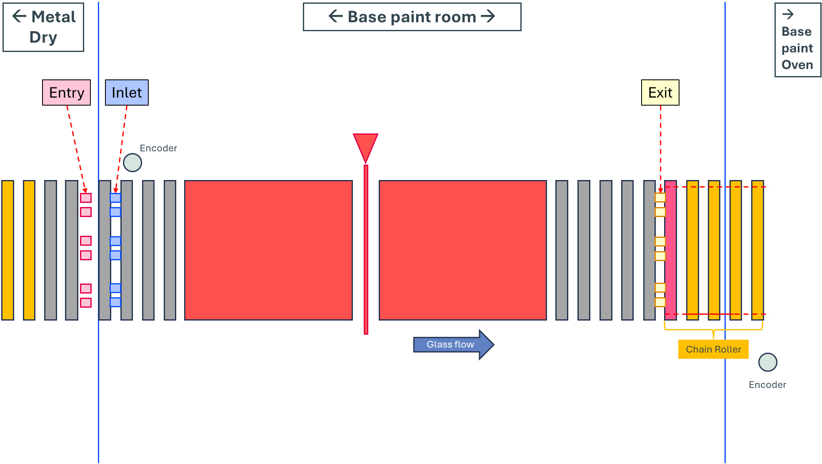 |  |  | 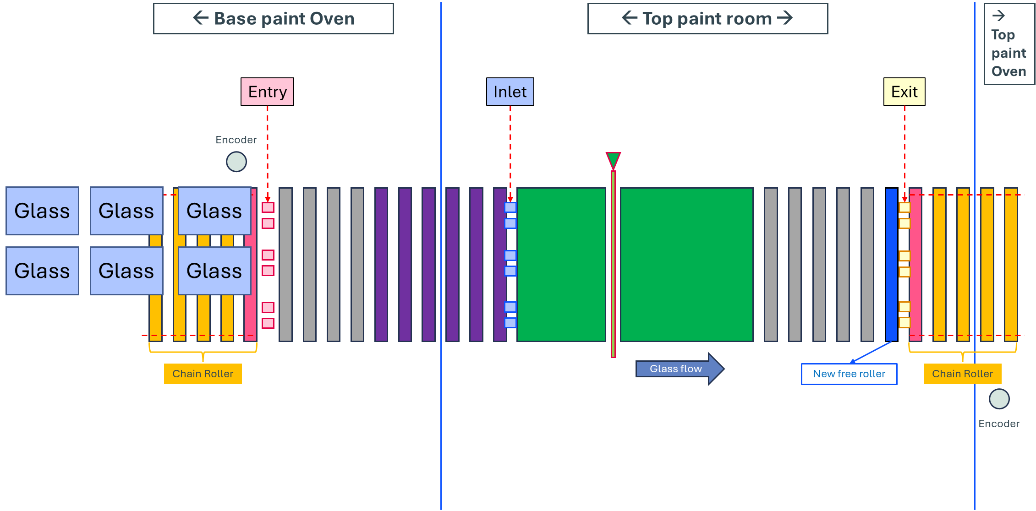
Redundancy behavior:
• Alarm UI: Alarms are displayed on the GOT HMI with position labeling:
 | → [Position]-[Section]-[UNIT] (e.g., INLET-LEFT-A).

• Soft Alarm: line continues; alarm recorded/displayed
 | N/A

• Hard Alarm: Interlocking System immediately ON (stop all conveyors, turn off heaters). Rationale: likely broken/parked glass.
 | → Measurement comparison, Speed-up check, Encoder malfunction, Gap control check, Charge too long and all sensor alarm.

2. Production Size Input (HMI) and Security Levels
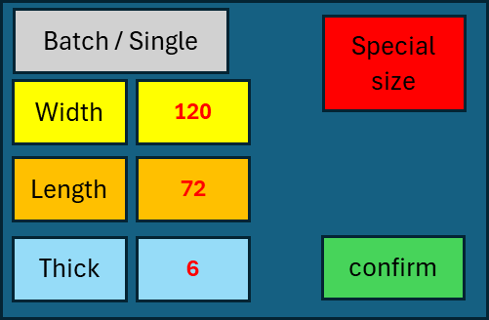 |  | 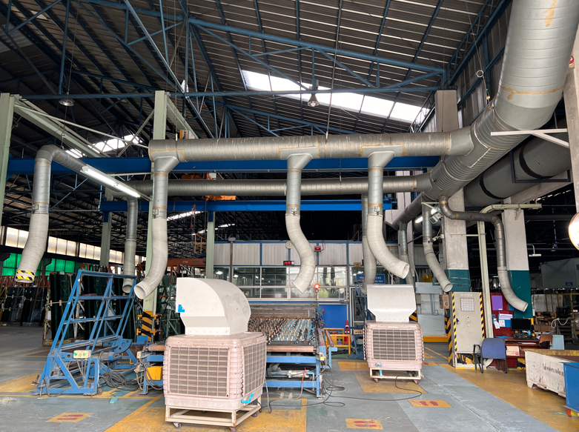 |  |  | 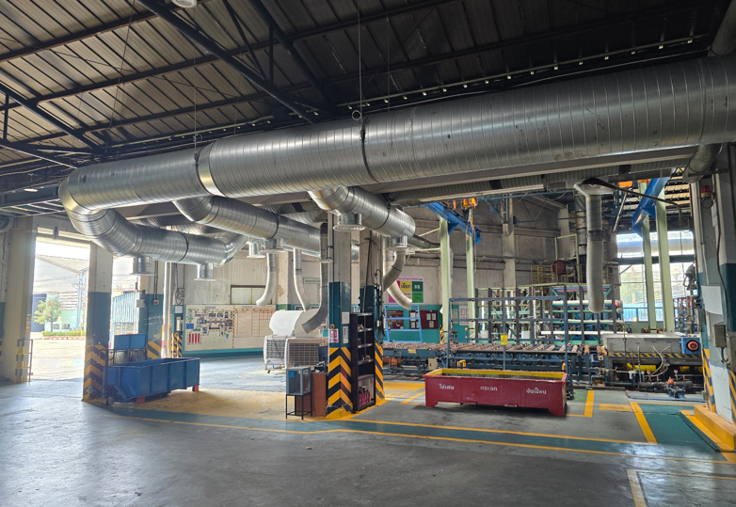
HMI panel items:
1. Mode selection: Batch / Single
2. Width (dropdown)
3. Length (dropdown)
4. Thickness (dropdown)
5. Confirm (press-and-hold ≈ 2 s)
6. Special Page includes: (password-protected)
 | - Special size production – allows production of any glass size.
 | - New button: forces immediate size update to the PLC.
 | - Timer setting modification – adjust the timer used in the high-speed measurement function.
Data handling: The Input Size (length) is stored in inch and used by Mitsubishi for comparison after conversion to pulses (see Item 4.4).

3. Encoders and Unit Conversions
 | We have two types of encoders:
• Slow encoder (Two units per room before and after painting room, base speed):
Resolution: 32 ppr → 1 slow pulse = 0.3125 inch

• High encoder (only one unit in the painting room, high speed):
Resolution: 68 ppr → 1 high pulse = 0.265 inch

Both encoders count positive only. Counters are independent; PLC selects the appropriate counter per function.

4. Glass Size Measurement Function (Breakage/Overlap Protection)
Purpose:
 | To detect abnormal changes in glass length caused by breakage or overlapping during painting.
 | If any abnormality is found, the system activates the Interlocking System immediately.

Reference Signals:
• Input Size from HMI (unit = inch)
• Entry Sensor ON → OFF (pulse count from slow encoder#1)
• Exit Sensor ON → OFF (pulse count from slow encoder#2)

Conversions: 1 slow pulse = 0.3125 inch

Formula Examples
1. Convert input length from inch to slow pulses:
Input_slow = Input_length / 0.3125
Example: 40 inch → 40 / 0.3125 = 128 pulses

Three Mandatory Comparisons:
1. Recipe vs Entry (length difference)
2. Recipe vs Exit (length difference)
3. Entry vs Exit (length difference)
If any one comparison fails (even one out of three), the system triggers Hard Alarm → Interlocking System ON.

Tolerance:
To be defined after testing.

Example:
Input length = 40 inch
Entry measured = 127 slow pulses
Exit measured = 128 slow pulses

Converted input = 128 slow
→ Recipe vs Entry = 127 ≠ 128 Fail
→ Recipe vs Exit = 128 = 128 Pass
→ Entry vs Exit = 127 ≠ 128 Fail
→ Because one comparison fails → Hard Alarm + Interlock ON

5. Speed-Up Confirmation Function (Timer)
Purpose: Ensure each glass passes the painting zone under high speed to prevent thick coating and Xylene accumulation.

 | 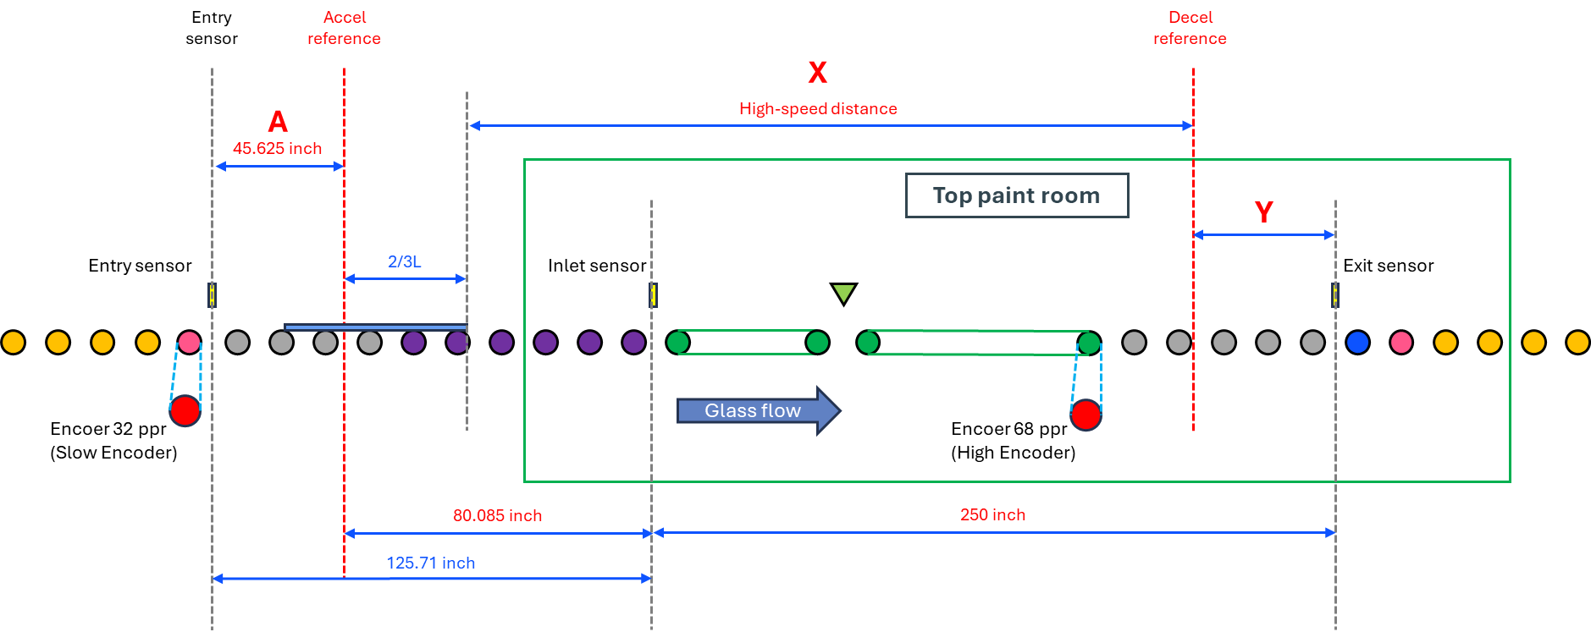
where:
• A (inch) = Acceleration Reference (configurable on HMI – Siemens), default set to 146 slow-pulse ~ 45.625 inch
• 125.71 inch = distance from Entry to Inlet sensor
• 80.085 inch = distance from Accel reference to Inlet sensor
• 250 inch = total distance from Inlet to Exit sensor
• X (inch) = High speed distance = Deceleration reference position converted from pulses by PLC
• Y (inch) = Base2 = remaining distance at base speed
Determination of the Acceleration (Speed-Up) Start Position
To determine when the conveyor begins acceleration relative to the Inlet sensor, we use the relationship between the glass length (L) and the known spacing between reference points.
Given data
• Distance from Acceleration reference (A) → Inlet sensor = 80.085 inch
• Condition for start of acceleration:
 | (2/3)L = 80.085
Calculation
$L=80.085×\frac{3}{2}$ = 120.1275 inch
Interpretation
• For any glass length ≤ 120.13 inch, the term (2/3)L is less than 80.085 inch, meaning the 2⁄3-length point is before reaching the Inlet sensor.
→ These glasses begin to accelerate before the Inlet sensor.
→ Therefore, within the Inlet → Exit section (250 inch), the conveyor already runs at high speed for the entire distance.

• For longer glass (e.g., 144 inch), the 2⁄3-length point lies beyond the Inlet position:
 | (2/3) x 144 = 96 inch
Excess distance after Inlet before acceleration begins:
 | 96-80.085 = 15.915 inch
Hence, a 144-inch sheet starts to accelerate about 15.915 inch after the Inlet sensor, whereas all sizes ≤ 120 inch are already at high speed upon entering the Inlet–Exit zone.

Speed-Up Timing Calculation
$$Head Time (thead)$$
The time taken for the "front edge" of a glass sheet to travel from the Inlet sensor to the Exit sensor inside the paint room.
• It represents how long the front of the glass stays in the room.
• It does not include the tail portion of the glass.

1) Fixed Parameters
• Distance Entry → Inlet = 125.71 inch
• Distance Inlet → Exit = 250.0 inch
• Distance Entry → Exit = 357.71 inch
Line speeds:
• Base speed = 105 mm/s = 4.1339 inch/s
• High speed = 1240 mm/s = 48.8189 inch/s
• Deceleration reference X (in slow-pulses) computed per PLC:
 | X = (1110 − Gₛ) + (⅔ × Gₛ) − K
where Gs = glass length in high pulses and K = pulse from the size table.
*high-pulses → inches by 1 pulse = 0.265 inch.

2) Start/Stop of high speed for one load
Let L be the single-sheet flow length (inch).
The control logic defines two reference positions that determine when the conveyor switches between base and high speed.
 | Acceleration position (Pstart) = A + 2/3L (when the sheet is 2/3 past A)
(when the glass sheet is two-thirds past the acceleration reference A)

 | Deceleration position (Pslow) = X + 2/3L (when the sheet is 2/3 past X)
(when the glass sheet is two-thirds past the deceleration reference X)

To evaluate the actual travel segments within the paint room (Inlet → Exit window),
these positions are clamped to the range [I, E]:

 | Segment | Description | Formula
 | Before High Speed | Distance from Inlet to start of acceleration | Base₁ = max(0, ⅔L − 80.085)
 | High Speed | Distance under high-speed operation | High = 250 − Base1 − Base2
 | After High Speed (Y) | Distance at base speed before Exit | Base₂ = max(0, 250 − (X − 80.085) − ⅔L)

These represent the three segments (in inches) the glass front edge travels at base → high → base speed within the Inlet–Exit region.

3) Head-time (Inlet → Exit)
$$thead=\frac{Base1}{vB}+\frac{High}{vH}+\frac{Base2}{vB}$$
 | where:
 | vB = base-speed conveyor velocity (4.1339 in/s)
 | vH = high-speed conveyor velocity (48.8189 in/s)

Notes:
• For normal sizes (≤ 120 in), Base1 = 0 and Base2 is small, therefore
$$thead=\frac{High}{vH}+\frac{Base2}{vB}$$
$$thead=\frac{250−(\text{250} \text{−} \text{(X} \text{−} \text{80.085)} \text{−} \frac{2}{3}L)}{48.8189}+\frac{\text{250 − (X − 80.085) − }\frac{2}{3}L}{4.1339}$$
$$thead=\frac{(X−80.085+\frac{2}{3}L)}{48.8189}+\frac{Y}{4.1339}$$
• For larger sizes (e.g., 144 in), Base1 > 0 and Base2 is longer, so
$$thead=\frac{Base1}{vB}+\frac{High}{vH}+\frac{Base2}{vB}$$
$$thead=\frac{15.915}{4.1339}+\frac{250−(\text{250} \text{−} \text{(X} \text{−} \text{80.085)} \text{−} \frac{2}{3}L)}{48.8189}+\frac{\text{250 − (X − 80.085) − }\frac{2}{3}L}{4.1339}$$
$$thead=82.07−0.221X−0.148L$$

Then, the Base2 or Y — the remaining base-speed distance before Exit — is computed as:
 | Y = 330.085 − X − (2/3)L
where:
• 80.085 inch = distance from Accel reference to Inlet sensor
• 250 inch = total distance from Inlet to Exit sensor
• X (inch) = Deceleration reference position converted from pulses by PLC
• Y (inch) = Base2 = remaining distance at base speed

This shows that Base2 is not constant across different glass sizes.
Since X varies depending on glass length pulse (Gₛ) and correction factor (K),
the start of the deceleration phase shifts accordingly, resulting in different Base2 distances.
• If X is positioned closer to the Exit, the Base₂ distance becomes shorter.
• Conversely, if X is located nearer to the Inlet, the Base₂ region becomes longer.

 | Refer to this table.
No. | Type | Net Length (inch) | Gₛ (High-pulse) | K_Base | X_Base (pulse) | X_Base (inch) | K_Top | X_Top (pulse) | X_Top (inch)
1 | Batch 36×3 (+2) | 110 | 415.09 | 155 | 816.64 | 216.41 | 155 | 816.64 | 216.41
2 | Batch 42×2 (+1) | 85 | 320.75 | 155 | 848.08 | 224.74 | 155 | 848.08 | 224.74
3 | Batch 48×3 (+2) | 146 | 550.94 | 155 | 771.35 | 204.41 | 155 | 771.35 | 204.41
4 | Batch 49×2 (+1) | 99 | 373.58 | 155 | 830.47 | 220.08 | 155 | 830.47 | 220.08
5 | Batch 50×2 (+1) | 101 | 381.13 | 155 | 827.96 | 219.41 | 155 | 827.96 | 219.41
6 | Single 60 | 60 | 226.42 | 90 | 944.53 | 250.30 | 80 | 954.53 | 252.95
7 | Single 65 | 65 | 245.28 | 115 | 913.24 | 242.01 | 90 | 938.24 | 248.63
8 | Single 72 | 72 | 271.70 | 115 | 904.43 | 239.68 | 90 | 929.43 | 246.30
9 | Single 84 | 84 | 316.98 | 125 | 879.34 | 233.03 | 105 | 899.34 | 238.33
10 | Single 96 | 96 | 362.26 | 155 | 834.25 | 221.08 | 155 | 834.25 | 221.08
11 | Single 120 | 120 | 452.83 | 155 | 804.06 | 213.08 | 155 | 804.06 | 213.08
12 | Single 144 | 144 | 543.40 | 155 | 773.87 | 205.08 | 155 | 773.87 | 205.08

No. | Type | X_Base (inch) | Y_Base (inch) | thead (sec)
1 | Batch 36×3 (+2) | 216.41
2 | Batch 42×2 (+1) | 224.74
3 | Batch 48×3 (+2) | 204.41
4 | Batch 49×2 (+1) | 220.08
5 | Batch 50×2 (+1) | 219.41
6 | Single 60 | 250.30
7 | Single 65 | 242.01
8 | Single 72 | 239.68
9 | Single 84 | 233.03
10 | Single 96 | 221.08
11 | Single 120 | 213.08
12 | Single 144 | 205.08

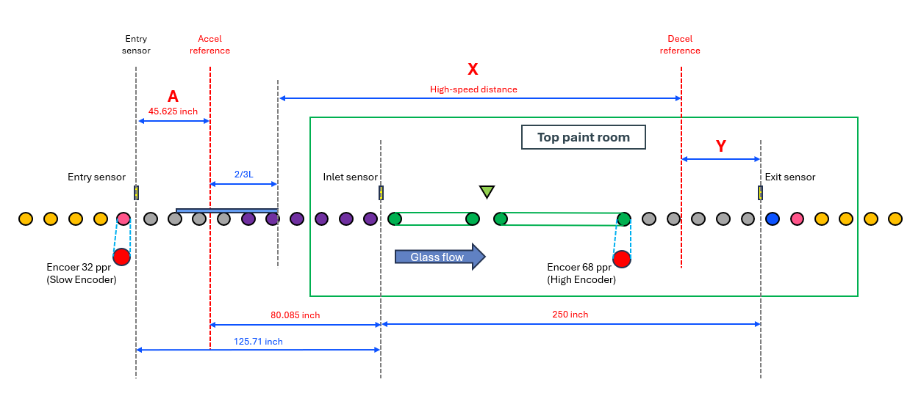
No. | Type | X_Top (inch) | Y_Top (inch) | thead (sec)
1 | Batch 36×3 (+2) | 216.41 | 40.34 | 12.55
2 | Batch 42×2 (+1) | 224.74 | 48.68 | 14.74
3 | Batch 48×3 (+2) | 204.41 | 28.34 | 9.40
4 | Batch 49×2 (+1) | 220.08 | 44.01 | 13.51
5 | Batch 50×2 (+1) | 219.41 | 43.34 | 13.34
6 | Single 60 | 252.95 | 37.13 | 12.52
7 | Single 65 | 248.63 | 38.12 | 12.67
8 | Single 72 | 246.30 | 35.78 | 12.06
9 | Single 84 | 238.33 | 35.76 | 11.89
10 | Single 96 | 221.08 | 45.01 | 13.78
11 | Single 120 | 213.08 | 37.01 | 11.68
12 | Single 144 | 205.08 | 29.01 | 15.44

6. Interlocking Response and System Integration
• On Hard Alarm from either function (Item 4.4, Item 4.5) or redundancy loss (Item 4.1):
• Mitsubishi sets Hard Alarm Output (dry contact).
• Output is hard-wired into the line’s Emergency loop → stop all conveyors, turn off heaters (full Interlocking System action), without relying on network signaling to Siemens.

• Soft Alarm (single sensor failure in a pair): line keeps running; event logged & shown on GOT HMI for maintenance.

Summary (one-screen recap)
• 18 sensors per room (Left/Center/Right × A/B at Entry, Inlet, Exit), redundant pairs with soft/hard alarm rules.
• Three mandatory length checks (Recipe–Entry, Recipe–Exit, Entry–Exit). Any one mismatch ⇒ Hard Alarm.
• Speed-Up confirmation: Inlet→Exit ≤ 10.0 s, or ≤ 1842 high pulses at 1240 mm/s.
• Hard-wired interlock output from Mitsubishi → emergency loop (fail-safe).
• Tolerance to be defined after testing; conversions and formulas provided for direct PLC implementation.

