Images
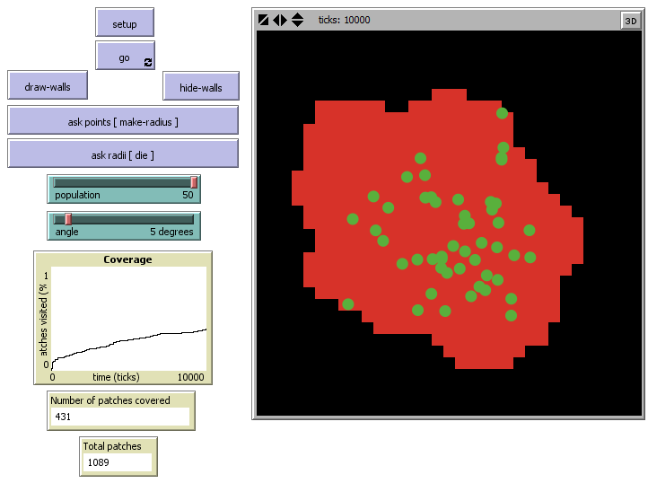
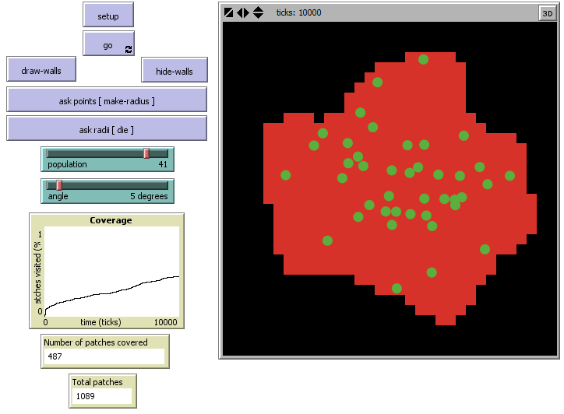
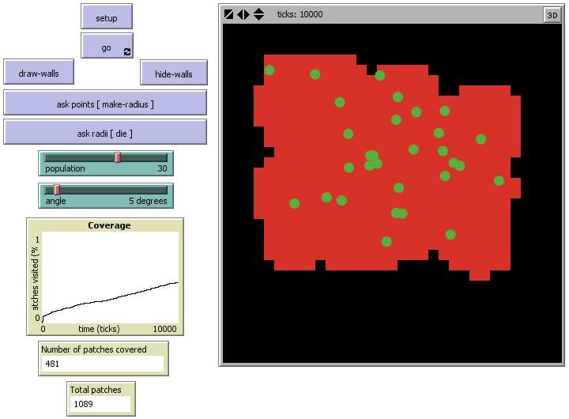
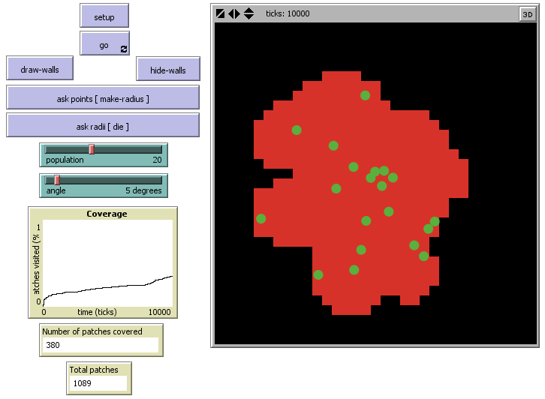
Stico | pop-50 | pop-40 | pop-30 | pop-20

BeePCo | pop-50 | pop-40 | pop-30 | pop-20

RW | pop-50 | pop-40 | pop-30 | pop-20

