Chart 4

Ice Cream Sales vs Temperature |  |  | Objectives:
 |  |  | Create Scatter plot
 |  |  | Add Axes titles
 | Temperature °C | Ice Cream Sales | Center the plot data
 | 14.20 | $215.00 | Amend the Title
 | 16.40 | $325.00 | Add Trend line
 | 11.90 | $185.00
 | 15.20 | $332.00
 | 18.50 | $406.00
 | 22.10 | $522.00
 | 19.40 | $412.00
 | 25.10 | $614.00
 | 23.40 | $544.00
 | 18.10 | $421.00
 | 22.60 | $445.00
 | 17.20 | $408.00

Chart 6
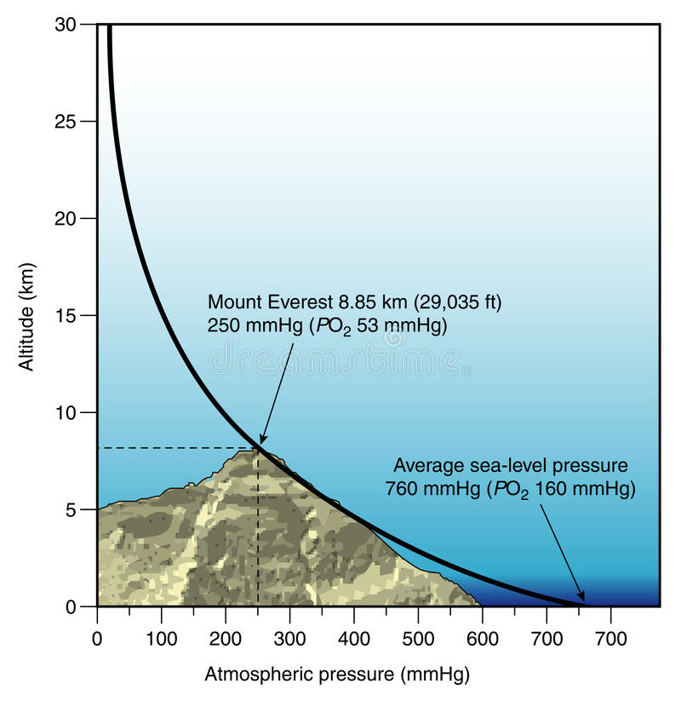
Atmospheric Pressure as a function of Altitude |  |  | Objectives:
 |  |  | Create Scatter plot
 | Altitude (km) | Pressure (mb) | Show the exponential data as linear
 | 0 | 1013.25
 | 0.5 | 954.61
 | 1 | 898.76
 | 1.5 | 845.59
 | 2 | 795.01 | Does this remind you of something?
 | 2.5 | 746.91
 | 3 | 701.21
 | 3.5 | 657.8
 | 4 | 616.6
 | 4.5 | 577.52
 | 5 | 540.48
 | 5.5 | 505.39
 | 6 | 472.17
 | 6.5 | 440.75
 | 7 | 411.05
 | 7.5 | 382.99
 | 8 | 356.51
 | 8.5 | 331.54
 | 9 | 308
 | 9.5 | 285.84
 | 10 | 264.99
 | 11 | 226.99
 | 12 | 193.99
 | 13 | 165.79
 | 14 | 141.7
 | 15 | 121.11
 | 16 | 103.52
 | 17 | 88.49
 | 18 | 75.65
 | 19 | 64.67
 | 20 | 55.29
 | 25 | 25.49
 | 30 | 11.97
 | 35 | 5.75
 | 40 | 2.87
 | 50 | 0.8

