Sample Station Information
Double-click a column header to see associated codes
For each row, enter only UTMs or only Long-Lats; not both.
Study Area Name | Study Area Photos | Sample Station Label | UTM Zone Sample Station | Easting Sample Station | Northing Sample Station | Longitude Sample Station (DD) | Latitude Sample Station (DD) | Number of Cameras | Sample Station Comments | Sample Station Photos | Site Description Comments | Site Description Date

Sample Stations containing Multiple Cameras
Only use this worksheet if you have deployed multiple cameras in a non-independant array at a sample station (see Figure 1, at right). If you have deployed one camera per sample station, skip ahead to worksheet Camera Information.
Indicate the Sample Station Label at which the cameras were deployed, as well as corresponding information such as the number of cameras. Details about the individual cameras are recorded in the next worksheet 'Camera Information'.
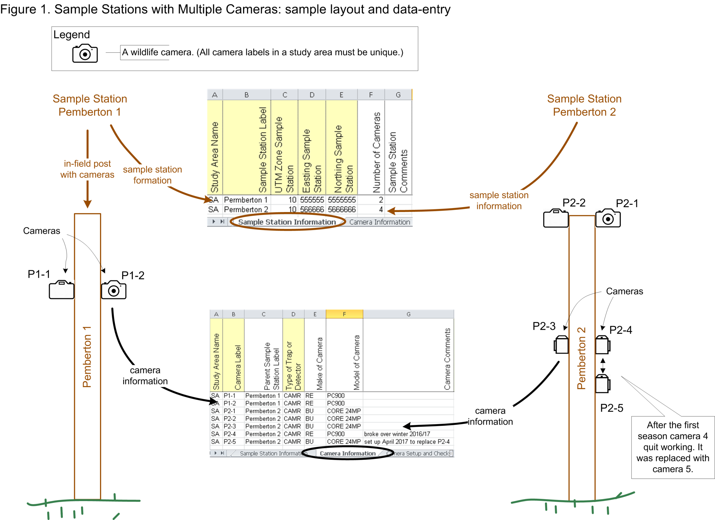

General Instructions
- You must use valid codes. - To automatically access the codes and definitions by double-clicking, you must ENABLE MACROS
- To manually access the codes and definitions, go to the worksheet named 'Predefined Columns and Codes'
- You can print the worksheet named 'Predefined Columns and Codes'
- Do not combine multiple codes or numbers in one cell
- Do not combine codes or numbers with any other characters such as commas, hyphens, etc.
- To remove this information box, right-click on its border and select 'Cut'
- Yellow columns are mandatory
- Column headings must not be changed.
- You may delete or hide non-yellow columns that you don't need

Camera Information
Double-click a column header to see associated codes
For each row, enter only UTMs or only Long-Lats; not both.
Study Area Name | Camera Label | Parent Sample Station Label | UTM Zone Camera | Easting Camera | Northing Camera | Longitude Camera (DD) | Latitude Camera (DD) | Make of Camera Code | Model of Camera | Camera Comments | Site Description Comments | Site Description Date

Camera Information
Enter one record (row) for each individual camera. Each camera must be given a unique 'Camera Label'.
Multiple Cameras at Sample Station
Only use column 'Parent Sample Station Label' if you have multiple cameras at a single sample station (i.e., all cameras have the same geographic coordinates) . In that case, enter coordinates in worksheet 'Sample Station Information' . You do not need to enter coordinates here if you have indicated the Parent Sample Station and you entered coordinates into worksheet 'Sample Station Information'. See Figure 1 in worksheet 'Sample Station Information'.
Single Camera at Sample Station
If each sample station consists of a single camera you can enter all camera information into this worksheet as shown in Figure 2 at right.
If you replace a camera during a survey, and the Label, Make, or Model has changed, then the new camera must be entered as a separate row.
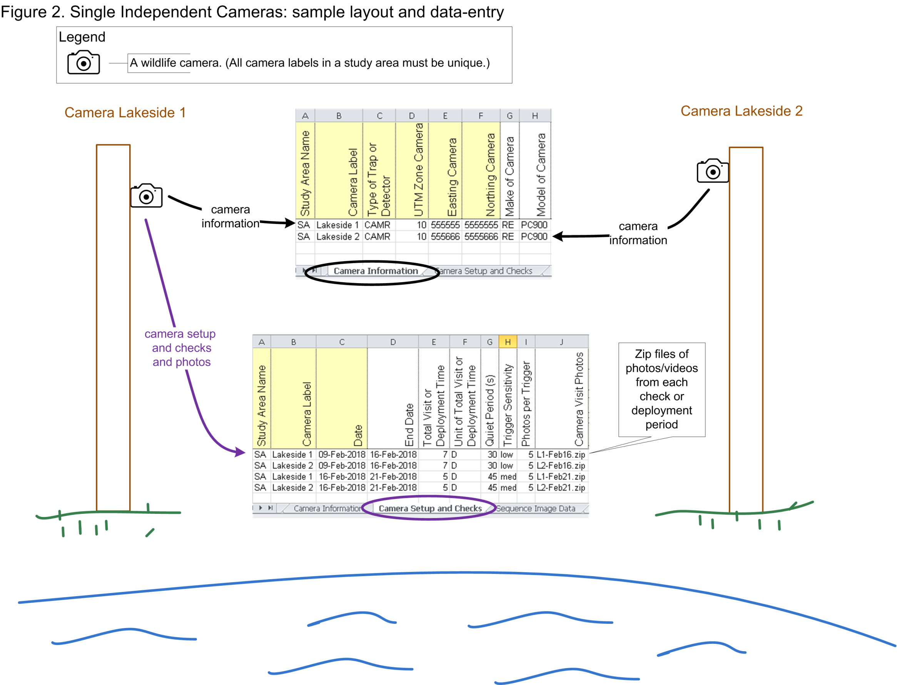

General Instructions
- You must use valid codes. - To automatically access the codes and definitions by double-clicking, you must ENABLE MACROS
- To manually access the codes and definitions, go to the worksheet named 'Predefined Columns and Codes'
- You can print the worksheet named 'Predefined Columns and Codes'
- Do not combine multiple codes or numbers in one cell
- Do not combine codes or numbers with any other characters such as commas, hyphens, etc.
- To remove this information box, right-click on its border and select 'Cut'
- Yellow columns are mandatory
- Column headings must not be changed.
- You may delete or hide non-yellow columns that you don't need

Camera Setup and Checks
Double-click a column header to see associated codes
Study Area Name | Camera Label | Date | Time | Visit End Date | End Time | Total Visit or Deployment Time | Unit of Total Time Code | Quiet Period (s) | Trigger Sensitivity | Trigger Timing (s) | Photos per Trigger | Video Length per Trigger (s) | Bait Lure Type | Camera Visit Comments | Camera Visit Photos | Insert Predefined Camera Visit Column

Camera Setup and Checks
Enter one record (row) for each camera-specific deployment period, including start and end dates, number of camera days (i.e., 'Total Visit or Deployment Time'), and camera settings. See Figure 2 in worksheet 'Camera Information'.

General Instructions
- You must use valid codes. - To automatically access the codes and definitions by double-clicking, you must ENABLE MACROS
- To manually access the codes and definitions, go to the worksheet named 'Predefined Columns and Codes'
- You can print the worksheet named 'Predefined Columns and Codes'
- Do not combine multiple codes or numbers in one cell
- Do not combine codes or numbers with any other characters such as commas, hyphens, etc.
- To remove this information box, right-click on its border and select 'Cut'
- Yellow columns are mandatory
- Column headings must not be changed.
- You may delete or hide non-yellow columns that you don't need

Sequence Image Data
Study Area Name | Camera Label | Detection Date | Detection Time | Air Temperature (C) | Sequence Definition (s) | Species Code | Count | Life Stage Code | Sex Code | Adult Males | Adult Females | Adults - Unclassified Sex | Juvenile Males | Juvenile Females | Juveniles - Unclassified Sex | Yearling Males | Yearling Females | Yearlings - Unclassified Sex | Males - Unclassified Life Stage | Females - Unclassified Life Stage | Unclassified Life Stage and Sex | Activity Code | Animal ID | Human Transport Mode Code | Human Use Type Code | Survey Observation Photos | Surveyor | Comments | Add your new column here

Sequence Image Data. This worksheet is for collecting information on the species and number of animals detected on a wildlife camera. Each row of information tends to be photo- or sequence- specific; that is each row can record information about the number, age, and sex of animals seen in a single photo , sequence of photos, or video frame or clip. The specific activities of the animals may also be recorded here.
Photos/Video Frames/Video Clips. Individual photos or video clips may accompany each row. Do so by entering the names of photos, video frames, or video clips into column 'Survey Observation Photos' and ensure that you submit those files. See Figure 3, at right.
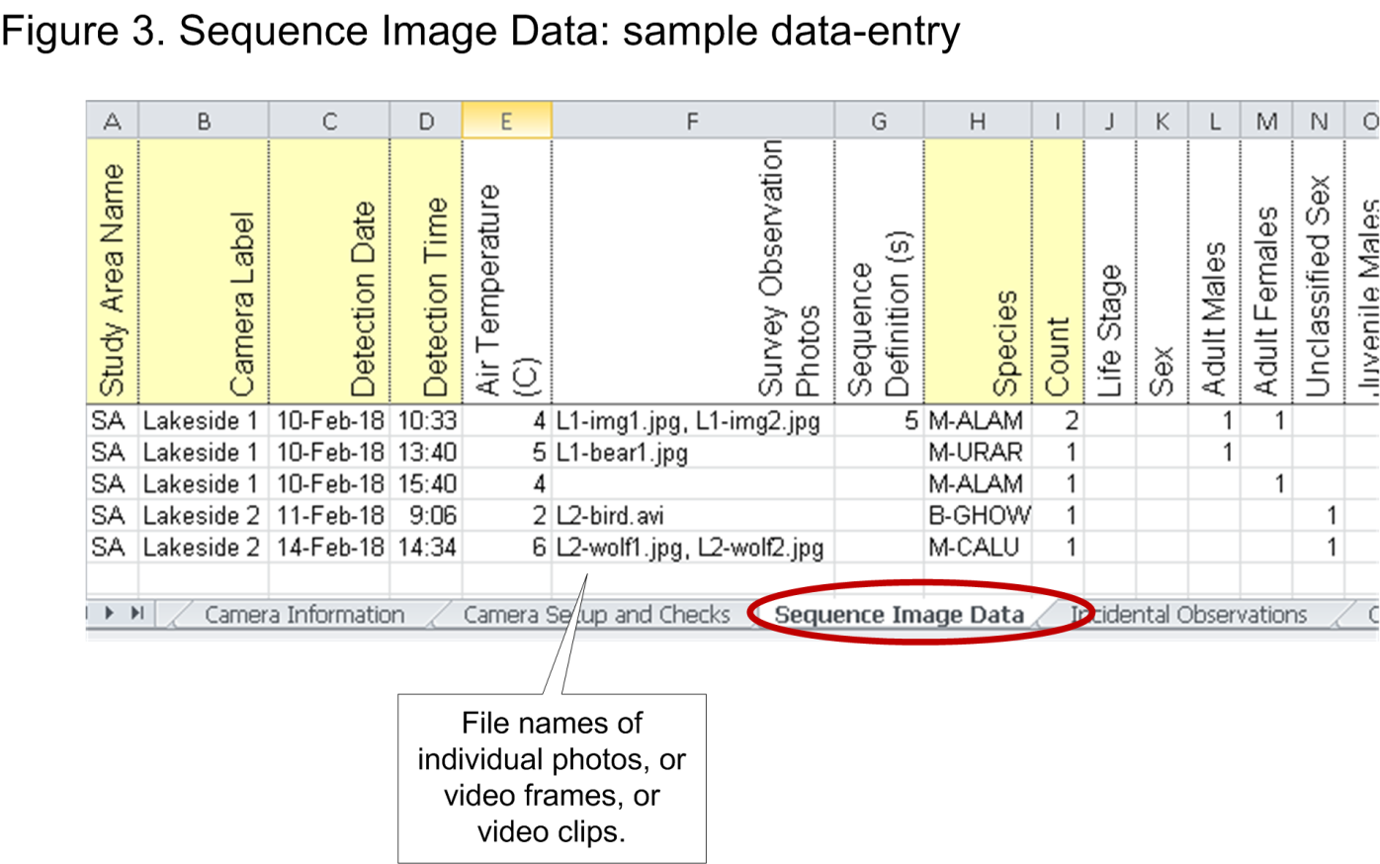

General Instructions
- You must use valid codes. - To automatically access the codes and definitions by double-clicking, you must ENABLE MACROS
- To manually access the codes and definitions, go to the worksheet named 'Predefined Columns and Codes'
- You can print the worksheet named 'Predefined Columns and Codes'
- Do not combine multiple codes or numbers in one cell
- Do not combine codes or numbers with any other characters such as commas, hyphens, etc.
- To remove this information box, right-click on its border and select 'Cut'
- Yellow columns are mandatory
- Column headings must not be changed.
- You may delete or hide non-yellow columns that you don't need

