Sheet1
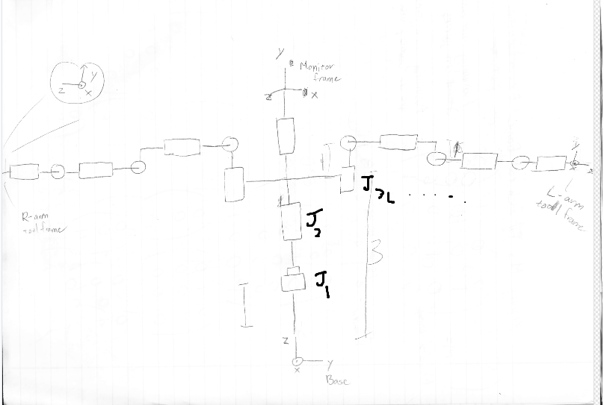
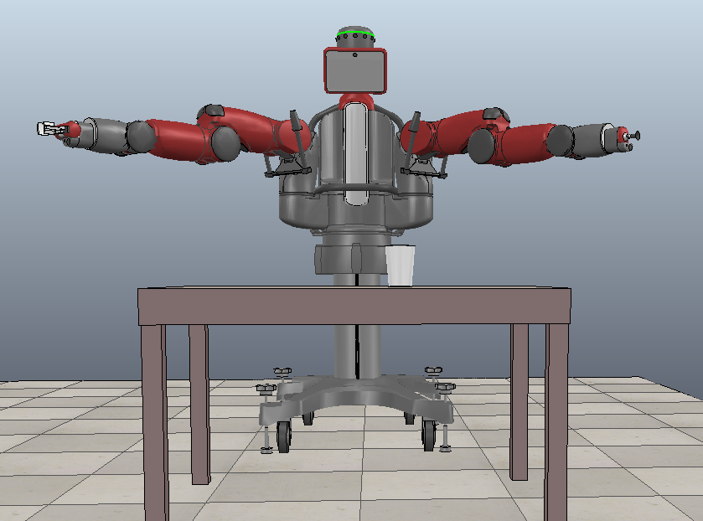
 |  |  |  |  | Joint | Joint Type | X (m) | Y (m) | Z (m) | Axis of rotation
 |  |  |  |  | J_1 | Prismatic | 0.25 | 0.475 | 0.5527 | Z
 |  |  |  |  | J_2 | Revolute | 0.25 | 0.475 | 0.8777 | Z
 |  |  |  |  | J_3L | Revolute | 0.3138 | 0.7341 | 1.054 | Z
 |  |  |  |  | J_4L | Revolute | 0.3626 | 0.7828 | 1.3244 | X
 |  |  |  |  | J_5L | Revolute | 0.4347 | 0.855 | 1.3244 | Y
 |  |  |  |  | J_6L | Revolute | 0.6203 | 1.0405 | 1.2554 | X
 |  |  |  |  | J_7L | Revolute | 0.6935 | 1.1138 | 1.2554 | Y
 |  |  |  |  | J_8L | Revolute | 0.8849 | 1.3052 | 1.2454 | X
 |  |  |  |  | J_9L | Revolute | 0.9669 | 1.3872 | 1.2454 | Y
 |  |  |  |  | end_effectorL | Frame | 1.0363 | 1.456 | 1.237
 |  |  |  |  | J_3R | Revolute | 0.3142 | 0.216 | 1.054 | Z
 |  |  |  |  | J_4R | Revolute | 0.3629 | 0.1672 | 1.3244 | "-X"
 |  |  |  |  | J_5R | Revolute | 0.4351 | 0.0951 | 1.3244 | "-Y"
 |  |  |  |  | J_6R | Revolute | 0.6206 | -0.0904 | 1.2554 | "-X"
 |  |  |  |  | J_7R | Revolute | 0.6939 | -0.1637 | 1.2554 | "-Y"
 |  |  |  |  | J_8R | Revolute | 0.8853 | -0.3551 | 1.2454 | "-X"
 |  |  |  |  | J_9R | Revolute | 0.9673 | -0.4371 | 1.2454 | "-Y"
 |  |  |  |  | end_effectorR | Frame | 1.0361 | -0.5065 | 1.237
 |  |  |  |  | Monitor_joint | Revolute | 0.3101 | 0.4751 | 1.6104 | Z
 |  |  |  |  | Monitor_frame | Frame | 0.4113 | 0.4751 | 1.6004

M_L | 1 | 0 | 0 | 1.0363
 | 0 | 0 | 1 | 1.456
 | 0 | 1 | 0 | 1.237
 | 0 | 0 | 0 | 1

M_R | 1 | 0 | 0 | 1.0361
 | 0 | 0 | -1 | -0.5065
 | 0 | 1 | 0 | 1.237
 | 0 | 0 | 0 | 1

M_monitor | 0 | 0 | 1 | 0.4113
 | 1 | 0 | 0 | 0.4751
 | 0 | 1 | 0 | 1.6004
 | 0 | 0 | 0 | 1

