Foglio1
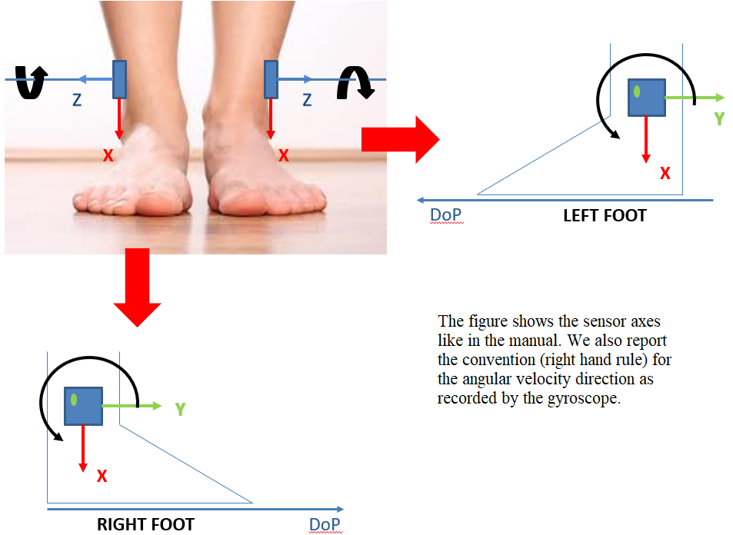
IMU placement and orientation
A) ORIGINAL ORIENTATION | B) STANDARDIZED ORIENTATION
 |  |  |  |  |  | Changes to agree with the standardized orientation B)
 |  |  | Original orientation A)

 |  | IMU position | X | Y | Z | V(X) | ML(Y) | AP(Z)
 |  | LowerBack | downward | right | backwards | -X | Y | -Z
 |  | LeftLowerShank | downward | backwards | left | -X | -Z | -Y
 |  | RightLowerShank | downward | forward | right | -X | Z | Y

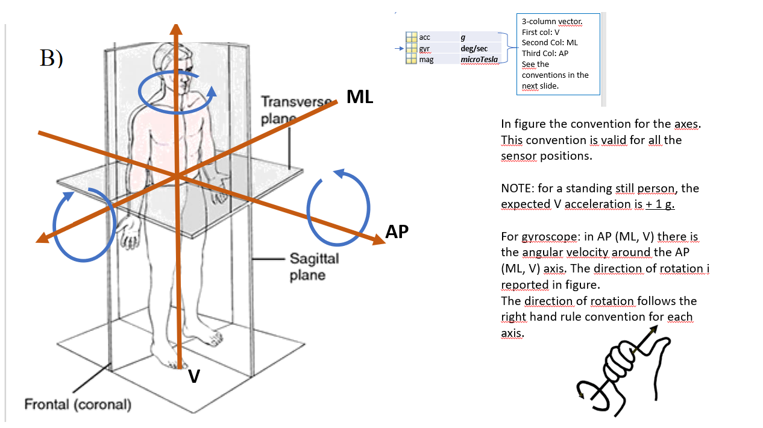

A)

