Tabelle1
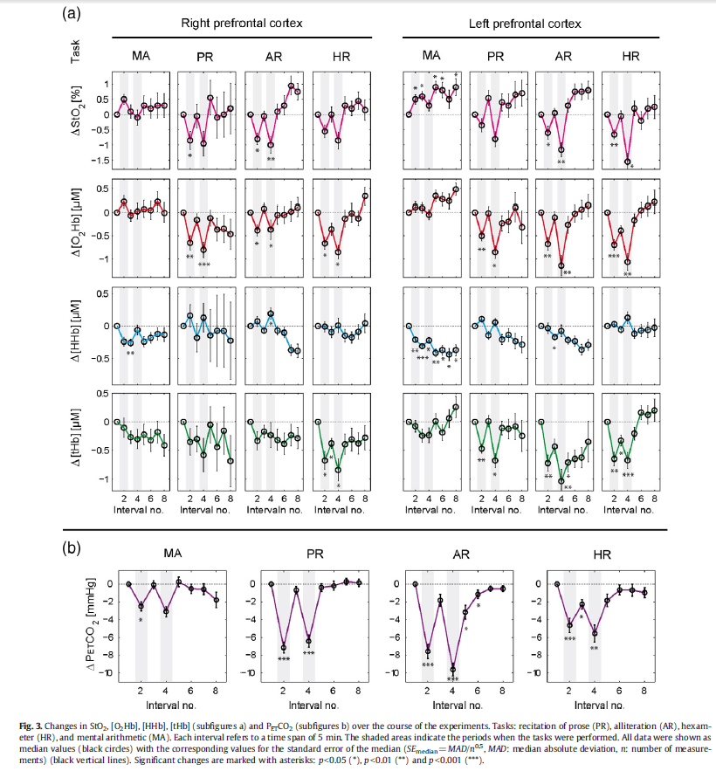
Data from the paper "End-tidal CO2: An important parameter for a correct interpretation in functional brain studies using speech tasks", NeuroImage, 2013, 66, 71-79
 | Sampling (delta T) = 5 min |  |  |  |  |  |  |  |  |  |  |  |  | Sampling (delta T) = 1 min

 |  | Right PFC |  |  |  | Left PFC |  |  |  | Mean (left + right PFC) |  |  |  |  | Mean (left + right PFC)
 | Task | MA | PR | AR | HR | MA | PR | AR | HR | MA | PR | AR | HR | Task | MA | PR | AR | HR

 | StO2 [%] |  |  |  |  |  |  |  |  |  |  |  |  | StO2 [%]
 | Time |  |  |  |  |  |  |  |  |  |  |  |  | Time
 | 0 | 0 | 0 | 0 | 0 | 0 | 0 | 0 | 0 | 0 | 0 | 0 | 0 | 0 | 0 | 0 | 0 | 0
 | 5 | 0.50842696629 | -0.83988764045 | -0.75561797753 | -0.5308988764 | 0.49438202247 | -0.3202247191 | -0.57303370787 | -0.61516853933 | 0.50140449438 | -0.58005617978 | -0.6643258427 | -0.57303370787 | 1 | 0.15785393246 | -0.22473033718 | -0.24023595519 | -0.20422471914
 | 10 | 0.11516853933 | -0.039325842697 | -0.025280898876 | 0.002808988764 | 0.59269662921 | 0.53651685393 | 0.058988764045 | -0.067415730337 | 0.35393258427 | 0.24859550562 | 0.016853932584 | -0.032303370787 | 2 | 0.29541573011 | -0.38913483163 | -0.4263820227 | -0.36441573041
 | 15 | -0.067415730337 | -0.92415730337 | -0.96629213483 | -0.83988764045 | 0.31179775281 | -0.76966292135 | -1.1348314607 | -1.5280898876 | 0.12219101124 | -0.84691011236 | -1.0505617978 | -1.183988764 | 3 | 0.40419101093 | -0.49917977549 | -0.5588426969 | -0.47979775291
 | 20 | 0.31179775281 | 0.55056179775 | 0.11516853933 | 0.29775280899 | 0.91573033708 | 0.39606741573 | 0.31179775281 | 0.19943820225 | 0.61376404494 | 0.47331460674 | 0.21348314607 | 0.24859550562 | 4 | 0.4756853929 | -0.5608314609 | -0.63802247221 | -0.54959550574
 | 25 | 0.22752808989 | -0.067415730337 | 0.31179775281 | 0.21348314607 | 0.80337078652 | 0.31179775281 | 0.73314606742 | -0.1797752809 | 0.5154494382 | 0.12219101124 | 0.52247191011 | 0.016853932584 | 5 | 0.501404494 | -0.58005618 | -0.664325843 | -0.573033708
 | 30 | 0.31179775281 | 0.016853932584 | 0.95786516854 | 0.43820224719 | 0.52247191011 | 0.64887640449 | 0.76123595506 | 0.19943820225 | 0.41713483146 | 0.33286516854 | 0.8595505618 | 0.31882022472 | 6 | 0.49183520562 | -0.49387640466 | -0.5934831463 | -0.51679775295
 | 35 | 0.31179775281 | 0.19943820225 | 0.76123595506 | 0.17134831461 | 0.88764044944 | 0.69101123596 | 0.80337078652 | 0.26966292135 | 0.59971910112 | 0.4452247191 | 0.78230337079 | 0.22050561798 | 7 | 0.46679775246 | -0.28837078653 | -0.42455056185 | -0.38269662938
 |  |  |  |  |  |  |  |  |  |  |  |  |  | 8 | 0.43179775249 | -0.043089887472 | -0.22292134815 | -0.22264044962
 | O2Hb [µM] |  |  |  |  |  |  |  |  |  |  |  |  | 9 | 0.39234082368 | 0.16241573066 | -0.053988763704 | -0.088539326048
 | Time |  |  |  |  |  |  |  |  |  |  |  |  | 10 | 0.353932584 | 0.248595506 | 0.016853933 | -0.032303371
 | 0 | 0 | 0 | 0 | 0 | 0 | 0 | 0 | 0 | 0 | 0 | 0 | 0 | 11 | 0.30676029937 | 0.13466292173 | -0.094157303024 | -0.15207865187
 | 5 | 0.20628183362 | -0.66723259762 | -0.43590831919 | -0.71286078098 | 0.011884550085 | -0.6115237691 | -0.7915959253 | -0.81812393888 | 0.10908319185 | -0.63937818336 | -0.61375212224 | -0.76549235993 | 12 | 0.24640449414 | -0.13702247154 | -0.35887640431 | -0.43769662934
 | 10 | -0.061969439728 | -0.18537775891 | 0.030029711375 | -0.42444821732 | -0.014325127334 | -0.13762733447 | -0.23684210526 | -0.54573429542 | -0.038147283531 | -0.16150254669 | -0.10340619694 | -0.48509125637 | 13 | 0.18646067392 | -0.46129213446 | -0.67483146069 | -0.77859550566
 | 15 | 0.008701188455 | -0.8162139219 | -0.40715195246 | -0.91001697793 | -0.12903225806 | -0.95415959253 | -1.2549872666 | -1.1928056027 | -0.060165534805 | -0.88518675722 | -0.83106960951 | -1.0514112903 | 14 | 0.14052434433 | -0.73297752773 | -0.93955056198 | -1.0642134831
 | 20 | 0.063455008489 | -0.14866298812 | -0.11884550085 | -0.20235568761 | 0.24002546689 | -0.34306027165 | -0.3859295416 | -0.30772495756 | 0.15174023769 | -0.24586162988 | -0.25238752122 | -0.25504032258 | 15 | 0.122191011 | -0.846910112 | -1.050561798 | -1.183988764
 | 25 | 0.029286926995 | -0.40863752122 | -0.10462648557 | -0.099426994907 | 0.17370543294 | -0.30454159593 | -0.16192699491 | -0.10791595925 | 0.10149617997 | -0.35658955857 | -0.13327674024 | -0.10367147708 | 16 | 0.17331460654 | -0.70960674122 | -0.93499197454 | -1.0349999999
 | 30 | 0.20479626486 | -0.3861417657 | -0.042126485569 | -0.20617572156 | 0.13147283531 | -0.024193548387 | -0.07523344652 | -0.029286926995 | 0.16813455008 | -0.20516765705 | -0.058679966044 | -0.11773132428 | 17 | 0.29522471897 | -0.38219101091 | -0.65329052987 | -0.67971910096
 | 35 | -0.022707979626 | -0.48482597623 | 0.036820882852 | 0.25180390492 | 0.36322156197 | -0.42922325976 | 0.0036078098472 | 0.049660441426 | 0.17025679117 | -0.457024618 | 0.02021434635 | 0.15073217317 | 18 | 0.44073033703 | 0.008595505912 | -0.30296950253 | -0.25567415704
 |  |  |  |  |  |  |  |  |  |  |  |  |  | 19 | 0.56264044946 | 0.33601123622 | 0.01845906894 | 0.09960674192
 | HHb [µM] |  |  |  |  |  |  |  |  |  |  |  |  | 20 | 0.613764045 | 0.473314607 | 0.213483146 | 0.248595506
 | Time |  |  |  |  |  |  |  |  |  |  |  |  | 21 | 0.6066853933 | 0.43679775302 | 0.29886384248 | 0.22449438241
 | 0 | 0 | 0 | 0 | 0 | 0 | 0 | 0 | 0 | 0 | 0 | 0 | 0 | 22 | 0.58859550561 | 0.34971910121 | 0.36280340558 | 0.1670224723
 | 5 | -0.24257425743 | 0.15346534653 | 0.064356435644 | -0.014851485149 | -0.21287128713 | 0.11386138614 | -0.034653465347 | 0.024752475248 | -0.22772277228 | 0.13366336634 | 0.014851485149 | 0.0049504950495 | 23 | 0.56421348307 | 0.24578651679 | 0.41495149685 | 0.098426966696
 | 10 | -0.26237623762 | -0.18316831683 | -0.064356435644 | -0.094059405941 | -0.31188118812 | -0.14356435644 | -0.16336633663 | -0.044554455446 | -0.28712871287 | -0.16336633663 | -0.11386138614 | -0.069306930693 | 24 | 0.53825842682 | 0.15870786498 | 0.46495777781 | 0.040955056592
 | 15 | -0.064356435644 | 0.12376237624 | 0.19306930693 | 0.0049504950495 | -0.22277227723 | 0.044554455446 | -0.084158415842 | 0.11386138614 | -0.14356435644 | 0.084158415842 | 0.054455445545 | 0.059405940594 | 25 | 0.515449438 | 0.122191011 | 0.52247191 | 0.016853933
 | 20 | -0.24257425743 | -0.14356435644 | -0.074257425743 | -0.14356435644 | -0.41089108911 | -0.20297029703 | -0.22277227723 | -0.11386138614 | -0.32673267327 | -0.17326732673 | -0.14851485149 | -0.12871287129 | 26 | 0.49264044918 | 0.13941133351 | 0.59879824126 | 0.048258427368
 | 25 | -0.18316831683 | -0.074257425743 | -0.10396039604 | -0.17326732673 | -0.38118811881 | -0.14356435644 | -0.24257425743 | -0.074257425743 | -0.28217821782 | -0.10891089109 | -0.17326732673 | -0.12376237624 | 27 | 0.46668539293 | 0.18227894484 | 0.68755251589 | 0.12314606778
 | 30 | -0.12376237624 | -0.074257425743 | -0.37128712871 | -0.094059405941 | -0.43069306931 | -0.24257425743 | -0.36138613861 | -0.064356435644 | -0.27722772277 | -0.15841584158 | -0.36633663366 | -0.079207920792 | 28 | 0.44230337039 | 0.23760381071 | 0.77185149009 | 0.21252809022
 | 35 | -0.13366336634 | -0.22277227723 | -0.38118811881 | 0.034653465347 | -0.38118811881 | -0.29207920792 | -0.30198019802 | -0.024752475248 | -0.25742574257 | -0.25742574257 | -0.34158415842 | 0.0049504950495 | 29 | 0.4242134827 | 0.29219589686 | 0.83481192006 | 0.28741573063
 |  |  |  |  |  |  |  |  |  |  |  |  |  | 30 | 0.417134831 | 0.332865169 | 0.859550562 | 0.318820225
 | tHb [µM] |  |  |  |  |  |  |  |  |  |  |  |  | 31 | 0.42578651641 | 0.36128725003 | 0.85893258447 | 0.31803370814
 | Time |  |  |  |  |  |  |  |  |  |  |  |  | 32 | 0.45039325802 | 0.38745236965 | 0.85460674178 | 0.31252809015
 | 0 | 0 | 0 | 0 | 0 | 0 | 0 | 0 | 0 | 0 | 0 | 0 | 0 | 33 | 0.48893258394 | 0.41064240376 | 0.84286516874 | 0.29758426989
 | 5 | -0.10020277121 | -0.36139743156 | -0.36304494762 | -0.70357384251 | -0.12352145995 | -0.531218317 | -0.80369212572 | -0.71535991889 | -0.11186211558 | -0.44630787428 | -0.58336853667 | -0.7094668807 | 34 | 0.53938202223 | 0.43013922824 | 0.82000000021 | 0.26848314622
 | 10 | -0.27065731666 | -0.31754815816 | -0.20653092261 | -0.43401486989 | -0.29397600541 | -0.059014869888 | -0.52298073674 | -0.43464852991 | -0.28231666103 | -0.18828151403 | -0.36475582967 | -0.4343316999 | 35 | 0.599719101 | 0.445224719 | 0.782303371 | 0.220505618
 | 15 | -0.30588881379 | -0.58964177087 | -0.26432071646 | -0.87516897601 | -0.29537005745 | -0.74818350794 | -1.0775599865 | -0.77429030078 | -0.30062943562 | -0.66891263941 | -0.67094035147 | -0.82472963839
 | 20 | -0.2280753633 | -0.072068266306 | -0.34428861102 | -0.43667624197 | -0.059775261913 | -0.18562014194 | -0.80774754985 | -0.30196012166 | -0.14392531261 | -0.12884420412 | -0.57601808043 | -0.36931818182 | O2Hb [µM]
 | 25 | -0.33098175059 | -0.45669989861 | -0.41361101724 | -0.35911625549 | -0.25291483609 | -0.19829334235 | -0.73018756337 | 0.057705305847 | -0.29194829334 | -0.32749662048 | -0.5718992903 | -0.15070547482 | Time
 | 30 | -0.1968992903 | -0.187521122 | -0.27940182494 | -0.4280584657 | -0.0060408921933 | -0.1657232173 | -0.72017573505 | 0.011321392362 | -0.10147009125 | -0.17662216965 | -0.49978877999 | -0.20836853667 | 0 | 0 | 0 | 0 | 0
 | 35 | -0.4125971612 | -0.70762926664 | -0.31476005407 | -0.32781345049 | 0.19558972626 | -0.3250253464 | -0.43959107807 | 0.088881378844 | -0.10850371747 | -0.51632730652 | -0.37717556607 | -0.11946603582 | 1 | 0.041711375296 | -0.21983998287 | -0.21433276731 | -0.24453140922
 |  |  |  |  |  |  |  |  |  |  |  |  |  | 2 | 0.072559847328 | -0.39757385374 | -0.3853561119 | -0.45498853997
 | PETCO2 [mmHg] |  |  |  |  |  |  |  |  |  |  |  |  | 3 | 0.093460950912 | -0.52932555146 | -0.51058828502 | -0.61972920211
 | Time |  |  |  |  |  |  |  |  |  |  |  |  | 4 | 0.10533022086 | -0.61121901493 | -0.58754753797 | -0.7271112055
 | 0 | 0 | 0 | 0 | 0 |  |  |  |  |  |  |  |  | 5 | 0.109083192 | -0.639378183 | -0.613752122 | -0.76549236
 | 5 | -2.3497468937 | -6.8476760239 | -7.2213529682 | -4.0920386562 |  |  |  |  |  |  |  |  | 6 | 0.094997066191 | -0.58967911686 | -0.5606761458 | -0.73633064518
 | 10 | -0.069028992177 | -0.5476300046 | -1.5388863323 | -1.8113207547 |  |  |  |  |  |  |  |  | 7 | 0.060935595532 | -0.47116595913 | -0.4341103564 | -0.66679117139
 | 15 | -3.0464795214 | -6.2043258168 | -9.2581684307 | -4.9940174873 |  |  |  |  |  |  |  |  | 8 | 0.019194140178 | -0.32971477087 | -0.2830479626 | -0.58379244461
 | 20 | 0.26599171652 | -0.31661297745 | -2.8550391164 | -1.373216751 |  |  |  |  |  |  |  |  | 9 | -0.017931939717 | -0.21120161314 | -0.1564821732 | -0.51425297082
 | 25 | -0.5476300046 | 0.0046019328118 | -0.77956741832 | -0.22825586746 |  |  |  |  |  |  |  |  | 10 | -0.038147284 | -0.161502547 | -0.103406197 | -0.485091256
 | 30 | -0.53474459273 | 0.42982052462 | -0.25126553152 | -0.21537045559 |  |  |  |  |  |  |  |  | 11 | -0.045340556883 | -0.23676570484 | -0.17908319195 | -0.54398853954
 | 35 | -1.7588587207 | 0.33962264151 | -0.13713759779 | -0.51265531523 |  |  |  |  |  |  |  |  | 12 | -0.051414004978 | -0.41623938892 | -0.35954371838 | -0.68443590797
 |  |  |  |  |  |  |  |  |  |  |  |  |  | 13 | -0.056092641732 | -0.63044991508 | -0.57493208862 | -0.85206663803
 |  |  |  |  |  |  |  |  |  |  |  |  |  | 14 | -0.059101480591 | -0.80992359916 | -0.75539261505 | -0.99251400646
 |  |  |  |  |  |  |  |  |  |  |  |  |  | 15 | -0.060165535 | -0.885186757 | -0.83106961 | -1.05141129
 |  |  |  |  |  |  |  |  |  |  |  |  |  | 16 | -0.038127334608 | -0.81869694379 | -0.77720852816 | -0.97672905361
 |  |  |  |  |  |  |  |  |  |  |  |  |  | 17 | 0.014425297096 | -0.6601443123 | -0.64633908093 | -0.79550974216
 |  |  |  |  |  |  |  |  |  |  |  |  |  | 18 | 0.077149405904 | -0.4709040747 | -0.48453196571 | -0.5719944522
 |  |  |  |  |  |  |  |  |  |  |  |  |  | 19 | 0.12970203761 | -0.31235144321 | -0.33785787993 | -0.3704242803
 |  |  |  |  |  |  |  |  |  |  |  |  |  | 20 | 0.151740238 | -0.24586163 | -0.252387521 | -0.255040323
 |  |  |  |  |  |  |  |  |  |  |  |  |  | 21 | 0.14651485597 | -0.25737733462 | -0.21764822984 | -0.20673658629
 |  |  |  |  |  |  |  |  |  |  |  |  |  | 22 | 0.13405432958 | -0.28483786101 | -0.19081913192 | -0.16512694039
 |  |  |  |  |  |  |  |  |  |  |  |  |  | 23 | 0.11918208842 | -0.31761332799 | -0.16944860148 | -0.13253227825
 |  |  |  |  |  |  |  |  |  |  |  |  |  | 24 | 0.10672156203 | -0.34507385438 | -0.15108501276 | -0.1112734928
 |  |  |  |  |  |  |  |  |  |  |  |  |  | 25 | 0.10149618 | -0.356589559 | -0.13327674 | -0.103671477
 |  |  |  |  |  |  |  |  |  |  |  |  |  | 26 | 0.10829493914 | -0.34084168119 | -0.11623000072 | -0.10513370109
 |  |  |  |  |  |  |  |  |  |  |  |  |  | 27 | 0.12455799221 | -0.3032890495 | -0.10117003925 | -0.10862054314
 |  |  |  |  |  |  |  |  |  |  |  |  |  | 28 | 0.14408550272 | -0.2584681665 | -0.087173770014 | -0.11278225786
 |  |  |  |  |  |  |  |  |  |  |  |  |  | 29 | 0.16067763415 | -0.22091553481 | -0.073318107453 | -0.11626909991
 |  |  |  |  |  |  |  |  |  |  |  |  |  | 30 | 0.16813455 | -0.205167657 | -0.058679966 | -0.117731324
 |  |  |  |  |  |  |  |  |  |  |  |  |  | 31 | 0.16888178844 | -0.21684889638 | -0.043252607447 | -0.10292232572
 |  |  |  |  |  |  |  |  |  |  |  |  |  | 32 | 0.16947391988 | -0.25028565359 | -0.027646609168 | -0.06256578928
 |  |  |  |  |  |  |  |  |  |  |  |  |  | 33 | 0.1699046562 | -0.30306748721 | -0.011864858966 | -0.00276740228
 |  |  |  |  |  |  |  |  |  |  |  |  |  | 34 | 0.17016770928 | -0.37278395582 | 0.0040897553581 | 0.07036714768
 |  |  |  |  |  |  |  |  |  |  |  |  |  | 35 | 0.170256791 | -0.457024618 | 0.020214346 | 0.150732173

 |  |  |  |  |  |  |  |  |  |  |  |  |  | HHb [µM]
 |  |  |  |  |  |  |  |  |  |  |  |  |  | Time
 |  |  |  |  |  |  |  |  |  |  |  |  |  | 0 | 0 | 0 | 0 | 0
 |  |  |  |  |  |  |  |  |  |  |  |  |  | 1 | -0.060588596667 | 0.058574257328 | 0.00724752468 | 0.00241584156
 |  |  |  |  |  |  |  |  |  |  |  |  |  | 2 | -0.11602321588 | 0.097306930504 | 0.01164356424 | 0.00388118808
 |  |  |  |  |  |  |  |  |  |  |  |  |  | 3 | -0.16393581396 | 0.12011881162 | 0.01390098996 | 0.00463366332
 |  |  |  |  |  |  |  |  |  |  |  |  |  | 4 | -0.20195834723 | 0.13093069275 | 0.01473267312 | 0.00491089104
 |  |  |  |  |  |  |  |  |  |  |  |  |  | 5 | -0.227722772 | 0.133663366 | 0.014851485 | 0.004950495
 |  |  |  |  |  |  |  |  |  |  |  |  |  | 6 | -0.24596244435 | 0.10277227689 | 0.001465346416 | -0.002772277304
...

