Object 1
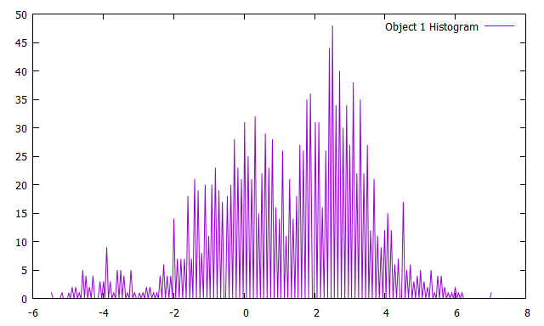
Object | Diameter (cm) | Depth (m)
1 | 2 | 0.03
Line | Start Index | Stop Index
1 | 5000 | 5785
2 | 18600 | 19380
X Location | Y Location
0.02 | 0.45
X Dimension (m) | Y Dimension (m)
4.36 | 9.18
Min Intensity (nT) | Max Intensity (nT)
-5.5 | 7

Object 3
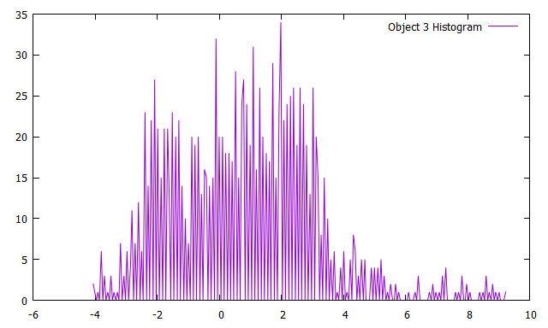
Object | Diameter (cm) | Depth (m)
3 | 2 | 0.146
Line | Start Index | Stop Index
1 | 6000 | 6700
2 | 17650 | 18330
X Location | Y Location
0.02 | 0.57
X Dimension (m) | Y Dimension (m)
4.35 | 8.23
Min Intensity (nT) | Max Intensity (nT)
-4.1 | 9.2

Object 4
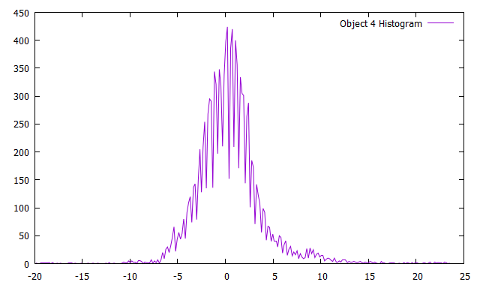

Object | Diameter (cm) | Depth (m)
4 and 5 and 10 | 2 | 0.143
Line | Start Index | Stop Index
4 | 42540 | 45400
5 | 61550 | 63750
6 | 70200 | 72685
7 | 89250 | 91500
8 | 97700 | 100350
X Location | Y Location
0.12 | 0.63
X Dimension (m) | Y Dimension (m)
11.46 | 24.36
Min Intensity (nT) | Max Intensity (nT)
-19.9 | 23.4

Object 6
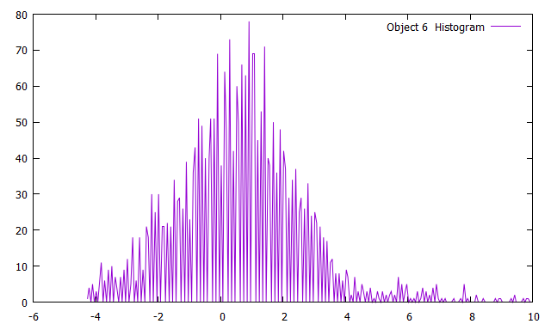
Object | Diameter (cm) | Depth (m)
6 | 2 | 0.361
Line | Start Index | Stop Index
2 | 17660 | 18560
3 | 33290 | 34200
4 | 45050 | 45990
X Location | Y Location
0.05 | 0.54
X Dimension (m) | Y Dimension (m)
6.79 | 10.24
Min Intensity (nT) | Max Intensity (nT)
-4.3 | 9.9

Object 7
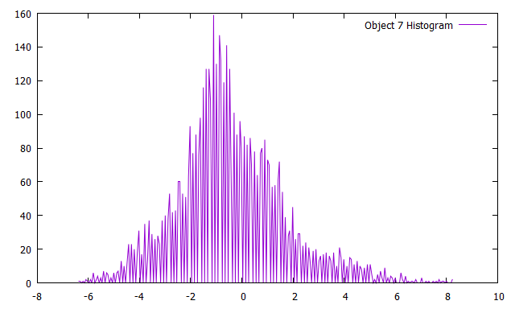

Object | Diameter (cm) | Depth (m)
7 | 2 | 0.353
Line | Start Index | Stop Index
13 | 170050 | 171350
14 | 184050 | 185400
15 | 197600 | 198935
16 | 211800 | 213045
X Location | Y Location
0.43 | 0.37
X Dimension (m) | Y Dimension (m)
7.64 | 14.07
Min Intensity (nT) | Max Intensity (nT)
-6.4 | 8.2

Object 8

Object | Diameter (cm) | Depth (m)
8 | 2 | 0.323
Line | Start Index | Stop Index
9 | 115500 | 117335
10 | 127300 | 129170
11 | 143380 | 145250
12 | 155075 | 157005
13 | 170800 | 172700
X Location | Y Location
0.3 | 0.47
X Dimension (m) | Y Dimension (m)
9.92 | 19.41
Min Intensity (nT) | Max Intensity (nT)
-16.4 | 183.5

Object 11
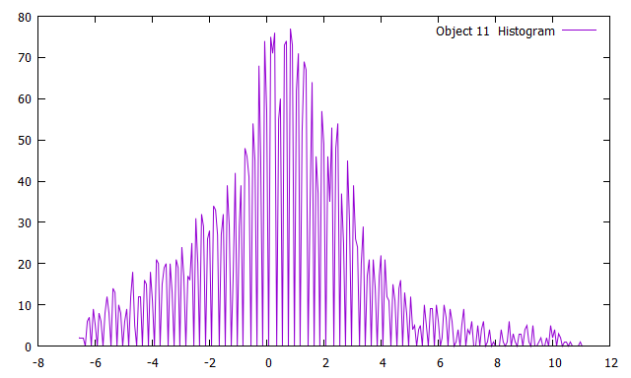
Object | Diameter (cm) | Depth (m)
11 | 2 | 0.859
Line | Start Index | Stop Index
4 | 44050 | 45300
5 | 61500 | 62750
6 | 71500 | 72730
X Location | Y Location
0.13 | 0.62
X Dimension (m) | Y Dimension (m)
5.85 | 13.29
Min Intensity (nT) | Max Intensity (nT)
-6.6 | 11

Object 12
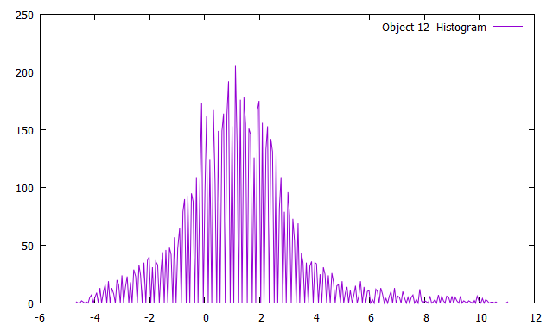

Object | Diameter (cm) | Depth (m)
12 | 2 | 1.273
Line | Start Index | Stop Index
1 | 5800 | 7250
2 | 17120 | 18600
3 | 33300 | 34700
4 | 44580 | 46000
5 | 60800 | 62320
X Location | Y Location
0.02 | 0.54
X Dimension (m) | Y Dimension (m)
11.1 | 15.46
Min Intensity (nT) | Max Intensity (nT)
-4.7 | 11

Object 13

Object | Diameter (cm) | Depth (m)
13 | 3.7 | 0.103
Line | Start Index | Stop Index
17 | 226055 | 228255
18 | 237200 | 239410
19 | 253200 | 253095
20 | 264800 | 267000
21 | 280800 | 283050
22 | 292300 | 294500
X Location | Y Location
0.56 | 0.49
X Dimension (m) | Y Dimension (m)
10.39 | 22.64
Min Intensity (nT) | Max Intensity (nT)
-15.1 | 43.7

Object 14
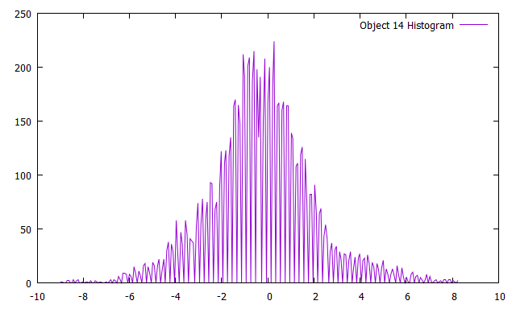

Object | Diameter (cm) | Depth (m)
14 | 3.7 | 0.09
Line | Start Index | Stop Index
13 | 169050 | 171260
14 | 184130 | 186350
15 | 196600 | 198900
16 | 211835 | 214100
X Location | Y Location
0.42 | 0.26
X Dimension (m) | Y Dimension (m)
7.71 | 22.88
Min Intensity (nT) | Max Intensity (nT)
-9 | 8.2

Object 15
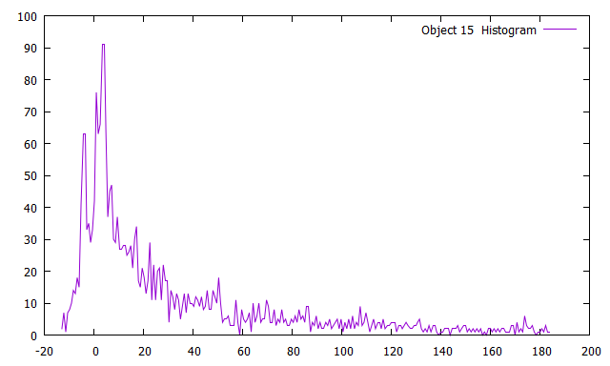
Object | Diameter (cm) | Depth(m)
15 | 3.7 | 0.24
Line | Start Index | Stop Index
9 | 116135 | 116955
10 | 127850 | 128680
11 | 144000 | 144900
X Location | Y Location
0.3 | 0.54
X Dimension (m) | Y Dimension (m)
6.37 | 8.38
Min Intensity (nT) | Max Intensity (nT)
-13.1 | 183.5

Object 18

Object | Diameter (cm) | Depth (m)
18 | 3.7 | 0.473
Line | Start Index | Stop Index
3 | 34150 | 35180
4 | 44000 | 45095
5 | 61720 | 62800
6 | 71445 | 72540
X Location | Y Location
0.1 | 0.65
X Dimension (m) | Y Dimension (m)
7.81 | 11.68
Min Intensity (nT) | Max Intensity (nT)
-6.6 | 11

Object 21

Object | Diameter (cm) | Depth (m)
21 | 3.7 | 0.94
Line | Start Index | Stop Index
17 | 226500 | 227780
18 | 237750 | 239070
19 | 253550 | 254810
20 | 265300 | 266540
21 | 281230 | 282565
X Location | Y Location
0.56 | 0.54
X Dimension (m) | Y Dimension (m)
8.95 | 13.5
Min Intensity (nT) | Max Intensity (nT)
-15.1 | 43.7

Object 26

Object | Diameter (cm) | Depth (m)
26 | 7.5 | 0.305
Line | Start Index | Stop Index
26 | 347850 | 349425
27 | 363100 | 364650
28 | 375350 | 376970
29 | 390545 | 392100
X Location | Y Location
0.57 | 0.7
X Dimension (m) | Y Dimension (m)
6.22 | 9.7
Min Intensity (nT) | Max Intensity (nT)
-23.1 | 27.7

Object 28

Object | Diameter (cm) | Depth (m)
28 | 3.7 | 0.864
Line | Start Index | Stop Index
21 | 281465 | 282360
22 | 293050 | 293910
23 | 308820 | 309675
24 | 320540 | 321435
X Location | Y Location
0.67 | 0.57
X Dimension (m) | Y Dimension (m)
7.54 | 9.29
Min Intensity (nT) | Max Intensity (nT)
-10 | 7.3

Object 39

Object | Diameter (cm) | Depth (m)
39 | 8.8 | 1.939
Line | Start Index | Stop Index
14 | 181090 | 181960
15 | 200000 | 201650
16 | 208900 | 210610
17 | 227500 | 229000
X Location | Y Location
0.45 | 0.66
X Dimension (m) | Y Dimension (m)
9.31 | 16.91
Min Intensity (nT) | Max Intensity (nT)
-10.2 | 16.9

Object 42

Object | Diameter (cm) | Depth (m)
42 | 10 | 0.836
Line | Start Index | Stop Index
26 | 348305 | 351430
27 | 361060 | 364100
28 | 375950 | 379000
29 | 388325 | 391595
30 | 403400 | 406510
X Location | Y Location
0.81 | 0.24
X Dimension (m) | Y Dimension (m)
11.44 | 31.43
Min Intensity (nT) | Max Intensity (nT)
-29.9 | 90.4

Object 47

Object | Diameter (cm) | Depth (m)
47 | 12.8 | 1.909
Line | Start Index | Stop Index
27 | 365355 | 367060
28 | 370900 | 373835
29 | 393455 | 394760
X Location | Y Location
0.87 | 0.83
X Dimension (m) | Y Dimension (m)
11.44 | 31.43
Min Intensity (nT) | Max Intensity (nT)
-13.7 | 80.2

Object 53

Object | Weight (lb) | Depth (m)
53 | 500 | 1.131
Line | Start Index | Stop Index
13 | 169370 | 170655
14 | 184750 | 185975
15 | 197000 | 198315
16 | 212435 | 213675
X Location | Y Location
0.43 | 0.3
X Dimension (m) | Y Dimension (m)
7.6 | 13.68
Min Intensity (nT) | Max Intensity (nT)
-9 | 8.2

