io
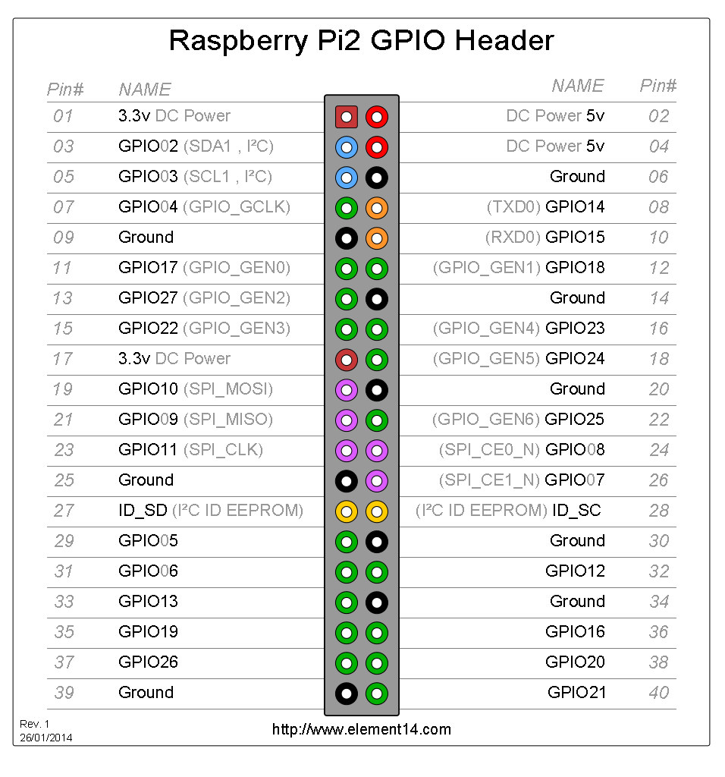
inputs
 | temperature DHT22 1 | 1 | gpio
 | temperature DHT22 2 | 1 | gpio
 | temperature DS18B20 1 | 0.5 | gpio
 | temperature DS18B20 2 | 0.5 | gpio
 | ultrasonic 1 | 1.5 | gpio
 | ultrasonic 2 | 1.5 | gpio
 | ph probe |  | i2c
 | uart? |  | uart

 | total | 6

outputs
 | light | 1
 | fan | 1
 | heater | 1
 | dehumider | 1
 | humider | 1
 | pump 1 | 1
 | pump 2 | 1

 | led ok | 1
 | led warn | 1
 | led alarm | 1

 | total | 10

