UAT
Task Id | Description | Status | Completed On | Dev's Comments | Aravind's Comments | Sivaji Comments | ITSupport's Comments
SQL Server Development Edition | Highly recommend to use SQL Server Development Edition for development purpose and currently team is using expression edition for this. SQL server development edition is free licensed from 2016 by Microsoft |  |  |  | Please make sure we have authentic source from Microsoft confirming Developer Edition is free for our type of use | Yes, I’ve verified the same on MS site and I see the SQL Server 2016 onwards it’s free.
SQL Patching | Server is running with SQL Server 2014 with Service Patch1 only. Need to apply Service Patch2 and latest cummulative update (CU11) Plan: 1) Need 2 hours maintenance window for this cluster SQL Server 2) Run full backups all user databases and system databases. 3) Need to Verify application functionality | Done | June-05-2018 |  | Please evaluate the impacts on application and have a mitigation plan (like downgrade plan) for unknown issue that may crop up. | Below are the licenses we have. Plesae evaluate if it’s ok to use Server Patch2 with below licensing entitlement: |  | 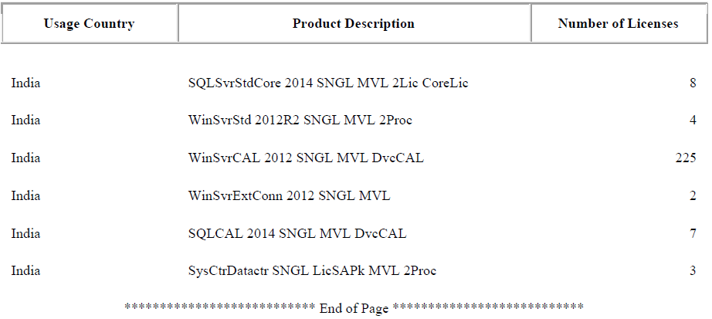
SQL Service Accounts: | Currently system uses SA login (super user) for all applications and it is not highly recommeded and security concerns.Recommending to create new sql accounts for each and every application. Plan: application team need to share application details to create service accounts in sql server and Update connection strings by application support team | Not needed |  |  | Please do this.
Segregate Application and database servers: | Currently multiple applications and database server are running in same server. This is not standard approach.Need to plan for move database server to dedicated server with proper computing resources |  |  |  | Please evaluate the business need Vs OS, SQLServer licensing and h/w costs and take a call.
Full recovery model | The UAT databases are simple recovery model and need to update full recovery model | DONE only for required dbs | June-11-2018 |  | We need to consult iPlatina and RADSPA for all the above database related changes. Couple of them are our test dbs like tally*.
Database Backup: Transaction Log backups | Need to update database backup method and currently full backups are configured in nightly with full backups only. Need to configure transaction log backups with hourly basis to improve database recovery | Not needed for all dbs | June-11-2018 |  | Please do this and also put in place backup management process and fully automate it. Disk space requirements need to be evaluated.Please identify and setup maintenance tasks as required like Rebuild Index, Reorganize index etc….
Database Backup: | Need to configure multiple tempdb database files to avoid drive contention | Done | June-21-2018 |  | Please do this.
Memory Configuration | Configure Max memory and minimum for sql server for better performance. | Done for UAT | June-1-2018 |  | Since appserver and dbserver share the same resources, please find resource needs for both and assign memory as needed so that appserver performance is not impacted.
Locking | Enable lock pages and perform volume maintenance privilege to SQL Server service account. | Done for UAT |  |  | Please do this.
Auto Close | Auto close Database property is enabled for all databases and it not recommended for production databases | Done for UAT | June-1-2018 |  | Please do this.
Standrad maintenance plans | a.Full backup daily 12 am b.transactional log back up -hourly c. Rebuild and Re-organise Index optimization-Weekly d.Integrity Check db daily e.Enable standard trace flags | Done for UAT | June-11-2018
Database Email for notification |  | Done for UAT | June-14-2018
Severity Alerts |  | Done for UAT | June-13-2018

