US Masters (20XX)
 | US Masters Team Event |  |  |  | XXth April 20XX
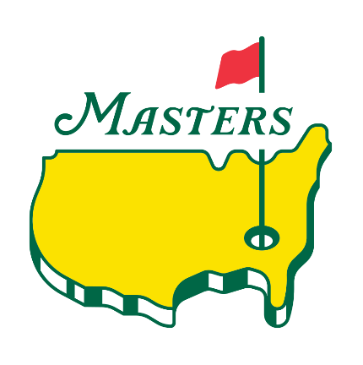
• | 4 person team stableford.
• | 2 scores to count on par 4 &5s, 3 scores to count on par 3s.
• | Yellow tees, 3/4 handicap, restrictions apply *
• | Shotgun Start 1:30pm
• | £40 per team (includes sweep and meal)

 | Team A |  | Team B |  | Team C
 | Name | HCP | Name | HCP | Name | HCP
Player 1
Player 2
Player 3
Player 4
 | Team E |  | Team F |  | Team G
 | Name | HCP | Name | HCP | Name | HCP
Player 1
Player 2
Player 3
Player 4
 | Team H |  | Team I |  | Team K
 | Name | HCP | Name | HCP | Name | HCP
Player 1
Player 2
Player 3
Player 4
 | Team M |  | Team S
 | Name | HCP | Name | HCP | Name | HCP
Player 1
Player 2
Player 3
Player 4

 | * Maximum handicap mens 28 and ladies 36, team reduction applies to this i.e. Mens Hcp 28 becomes Hcp 21

Team A Hole #1
Team B Hole #5
Team C Hole #3
Team D Hole #16
Team E Hole #5
Team F Hole #6
Team G Hole #7
Team H Hole #14
Team I Hole #15
Team J Hole #17
 | SHOTGUN START TEAM TEE POSITIONS
Team K Hole #1 (second)
Team L Hole #3 (second)
Team M Hole #5 (second)
Team N Hole #6 (second)
Team O Hole #14 (second)
Team P Hole #13
Team Q Hole #13 (second)
Team R Hole #18
Team S Hole #15 (second)

 | KEY
 | Team tees in use for event
 | Team tee position not in use for event

