Objective
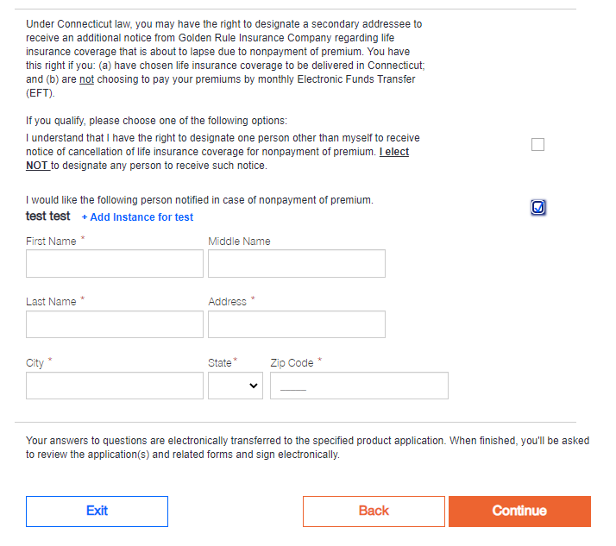
Testing Objective:
 | NOTE:
To test the UI of location API on the following pages: | 1. 3 States are on eHealthInsurance site.
 | 2. 1 NA State, New Jersey ACA Health
Census Page: | 3. 1 State GHI
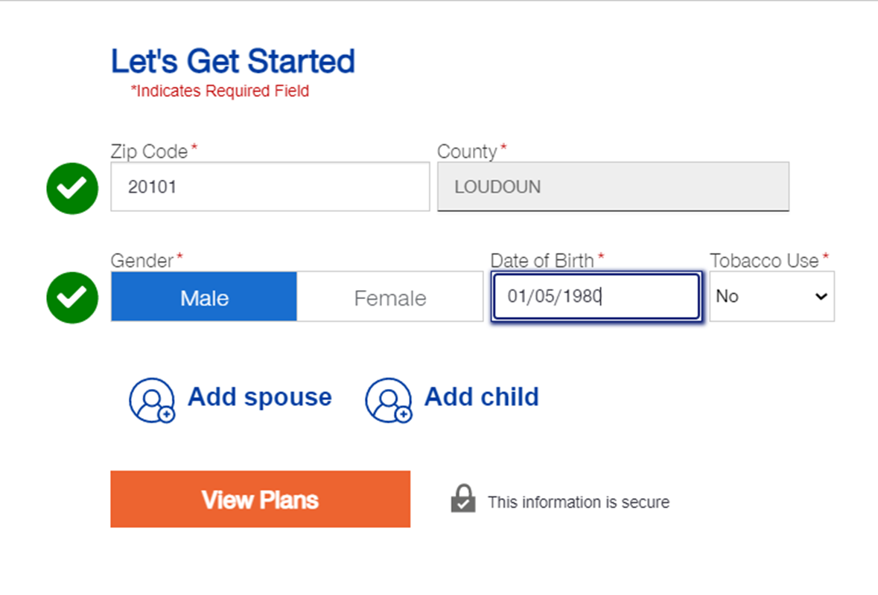

Appicant Information page
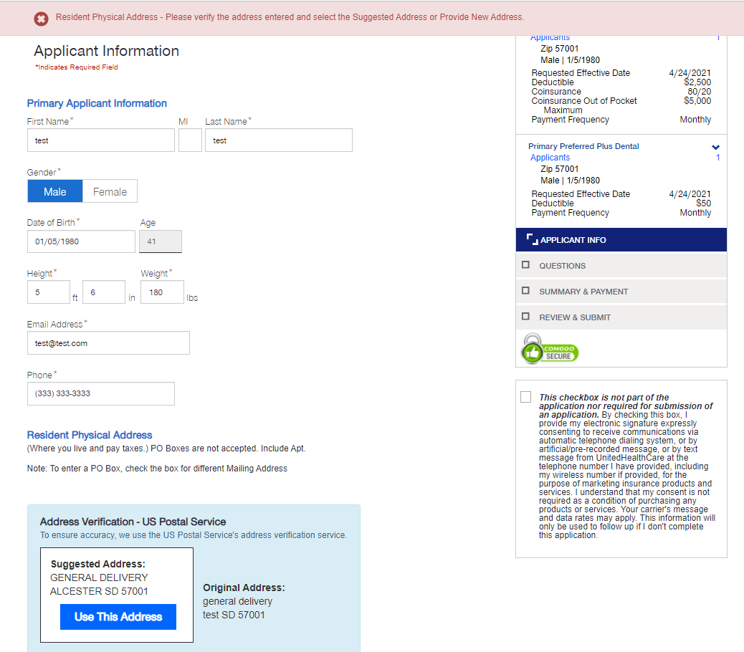

Payment Page

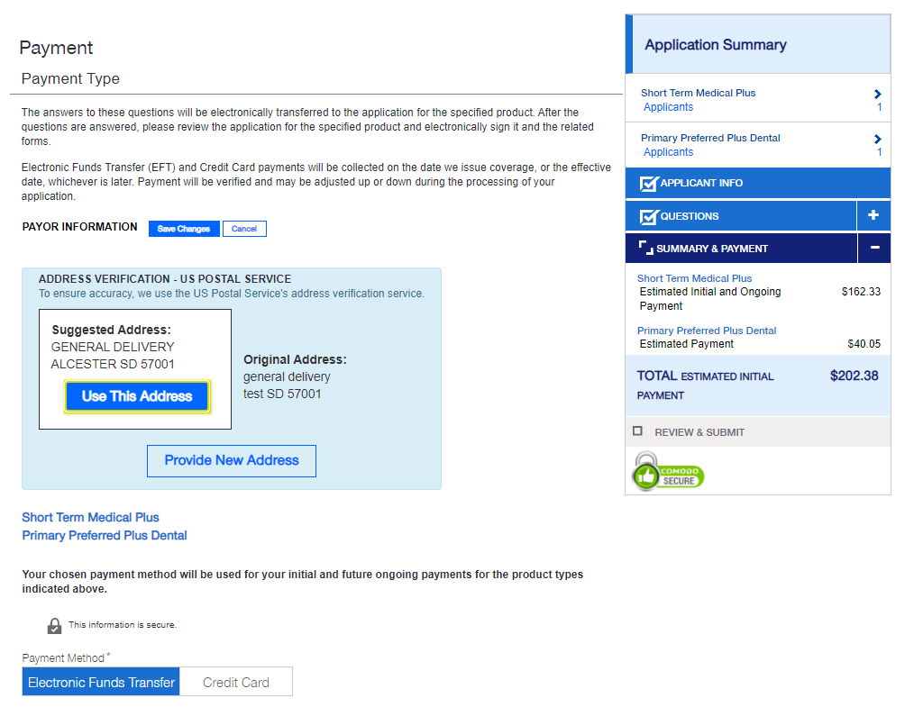

For Connecticut State only: Term Life Question Page

