HO LO CHART
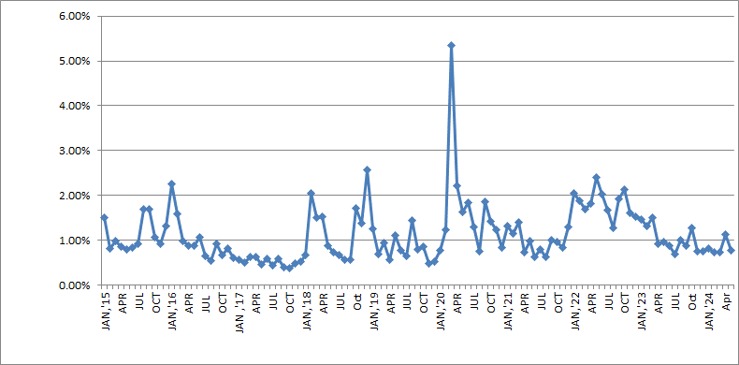
S&P Dow Jones Indices |  | 2024-05-31

 | 1962-TO-DATE
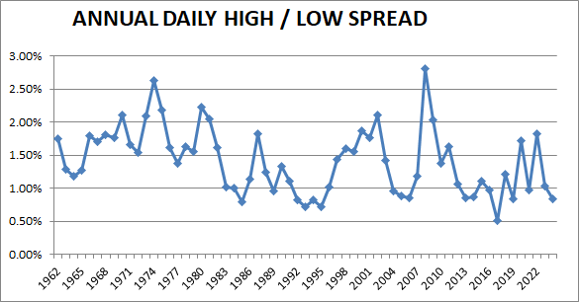

 | FROM 2015

ADDITIONAL 4
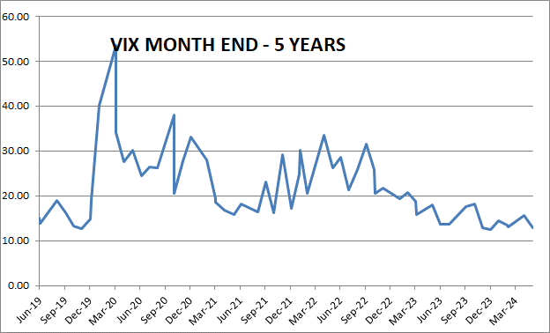
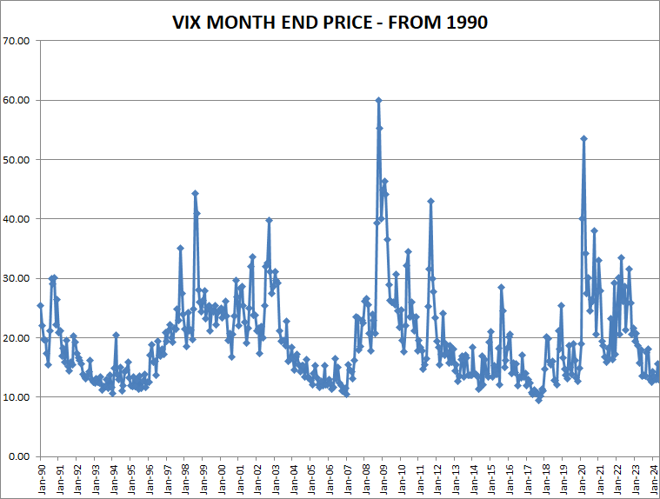
S&P 500 Dow Jones Indices | S&P Dow Jones Indices | 2024-05-31

