Sheet1
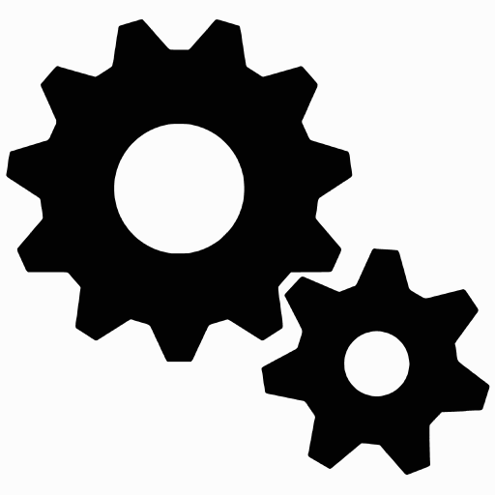

MACHINA

SOLID MECHANICS

