Question 5
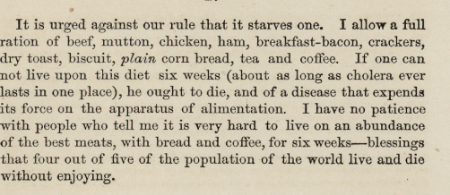
5. Examine burials by month. Are there months with higher burials?
What are the top five causes of death for each month? Choose a visualisation that conveys the differences well.
Burials by month, 1846-1979 June and July are the top months
Month | Count of Month No.
Jan | 1465
Feb | 1394
Mar | 1711
Apr | 1569
May | 1487
June | 2323
July | 2352
Aug | 1607
Sep | 1807
Oct | 1461
Nov | 1166
Dec | 1364
Grand Total | 19706

Top 5 causes of death each month, 1846-1979 Cholera is among the top in June and July
Cause of Death/ | Column Labels
Months | Cholera | Consumption | Flux | Still Born | Unknown | Grand Total | Implication of Nashville Cholera from extracts (U.S. National Library of Medicine)
Jan | 8 | 159 | 28 | 107 | 185 | 487 | 1849, 1850, 1854 and 1866
Feb | 34 | 137 | 14 | 87 | 182 | 454
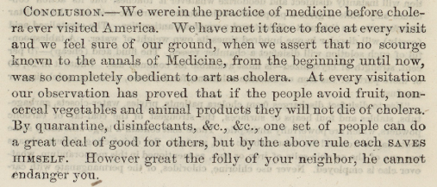
Mar | 38 | 154 | 38 | 129 | 226 | 585
Apr | 21 | 159 | 45 | 117 | 173 | 515
May | 43 | 170 | 51 | 122 | 179 | 565
Jun | 459 | 158 | 137 | 122 | 191 | 1067
July | 334 | 161 | 147 | 126 | 249 | 1017
Aug | 34 | 158 | 120 | 113 | 173 | 598
Sep | 342 | 138 | 125 | 87 | 155 | 847
Oct | 62 | 134 | 108 | 104 | 179 | 587
Nov | 26 | 129 | 77 | 97 | 130 | 459
Dec | 8 | 153 | 49 | 100 | 179 | 489
Grand Total | 1409 | 1810 | 939 | 1311 | 2201 | 7670

Question 7
Do you notice any interesting patterns regarding where (Section/Lot) people were buried?
Major Section/lot graves types between 1846 – 1979

Types of lots | Numbers
Private Lot | 8410
50 cents | 3090
200 cents | 2539
Old Grave | 1884
Public Pauper | 1353
Others | 1120
100 cents | 551
400 cents | 168
tax | 94
vault | 25
Grand Total | 19234

Top 10 section/lot location: Negro lot, Central and poplar are mostly listed between 1846 – 1979
Row Labels | Count of Section/Lot
Central | 2646
Cherry | 718
Magnolia | 1245
Maple | 1085
Mulberry | 587
Negro lot | 4251
Oak | 1646
Old | 695
Poplar | 2130
Unknown | 652
Grand Total | 15655

