Question 5
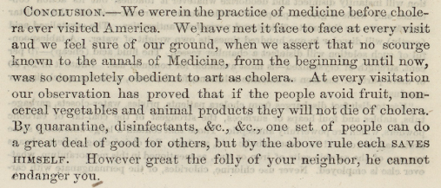
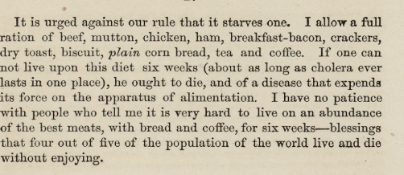
5. Examine burials by month. Are there months with higher burials?
What are the top five causes of death for each month? Choose a visualisation that conveys the differences well.
Burials by month, 1846-1979 June and July are the top months
Month | Count of Month No.
Jan | 1465
Feb | 1394
Mar | 1711
Apr | 1569
May | 1487
June | 2323
July | 2352
Aug | 1607
Sep | 1807
Oct | 1461
Nov | 1166
Dec | 1364
Grand Total | 19706

Cause of Death/ | Column Labels
Months | Cold | Consumption | Pneumonia | Still Born | Unknown | Grand Total | Implication of Nashville Cholera from extracts (U.S. National Library of Medicine)
Apr | 62 | 159 | 97 | 117 | 173 | 608 | 1849, 1850, 1854 and 1866
Grand Total | 62 | 159 | 97 | 117 | 173 | 608
Top 5 causes of death each month, 1846-1979 Cholera is among the top in June and July

Question 7
Do you notice any interesting patterns regarding where (Section/Lot) people were buried?
Major Section/lot graves types between 1846 – 1979

Types of lots | Numbers
Private Lot | 8410
50 cents | 3090
200 cents | 2539
Old Grave | 1884
Public Pauper | 1353
Others | 1120
100 cents | 551
400 cents | 168
tax | 94
vault | 25
Grand Total | 19234

Top 10 section/lot location: Negro lot, Central and poplar are mostly listed between 1846 – 1979
Row Labels | Count of Section/Lot
Central | 2646
Cherry | 718
Magnolia | 1245
Maple | 1085
Mulberry | 587
Negro lot | 4251
Oak | 1646
Old | 695
Poplar | 2130
Unknown | 652
Grand Total | 15655

