Flights
Date | Airline | From | To | Departure | Flight Number | TimeZone | S | D | Airline | IATA | ICAO | Name | Value
2017-12-22 | Alaska Airlines, Inc | PHL | SEA | 16:50:00 | 17 | ET | -5 | -4 | Air Canada | AC | ACA | FilePath | C:\Users\brandon\src\delaythis\
 |  |  |  |  |  | CT | -6 | -5 | Air Canada Jazz | QK | JZA | Flights | C:\Users\brandon\src\delaythis\flights.json
 |  |  |  |  |  | MT | -7 | -6 | Air Canada Rouge | RV | ROU | Airports | C:\Users\brandon\src\delaythis\airports.json
 |  |  |  |  |  | PT | -8 | -7 | Alaska Airlines, Inc | AS | ASA | Airlines | C:\Users\brandon\src\delaythis\airlines.json
 |  |  |  |  |  | AKT | -9 | -8 | American Airlines | AA | AAL | TimeZones | C:\Users\brandon\src\delaythis\timezones.json
 |  |  |  |  |  |  |  |  | Delta | DL | DAL | FlightBlacklist | C:\Users\brandon\src\delaythis\blacklist.json
 |  |  |  |  |  | IATA | ICAO | TimeZone | Horizon Air | QX | QXE | rqid | r5khu1rtsax
 |  |  |  |  |  | PHL | KPHL | ET | Piedmont Airlines | PI | PDT | id | 231f042e4708000066791e28_0|042e231f471700000015fff0_0
 |  |  |  |  |  | SEA | KSEA | PT | PSA Airlines | OH | JIA | OnTimeCoverage | 80.00%
 |  |  |  |  |  | YLW | CYLW | PT | Southwest Airlines | WN | SWA | stars | 3.5
 |  |  |  |  |  | YYC | CYYC | MT | United Airlines | UA | UAL | User-Agent | Mozilla/5.0 (Windows NT 10.0; rv:68.0) Gecko/20100101 Firefox/68.0
 |  |  |  |  |  | YYZ | CYYZ | ET | WestJet | WS | WJA | Cookie | flightstats.sid=s%RkiudcMKKDhQPmZaYhQJqS4yaYYrkrPyZZ.WWWea8imuny83rCAXBX2PWMAifkU524sqwBuZ8w369D
 |  |  |  |  |  | ANC | PANC | AKT | WestJet Encore | WR | WEN | SkyPicker API
 |  |  |  |  |  | MSP | KMSP | CT |  |  |  | Name | Value
 |  |  |  |  |  | YEG | CYEG | MT | WARNING: Make sure you book with the airlines directly and not through kiwi.com. Do your own due diligence, Kiwi itself seems to have a high number of compliants with the BBB and other websites. |  |  | flyFrom | PHL
 |  |  |  |  |  | ORD | KORD | CT |  |  |  | to | PHX
 |  |  |  |  |  | PHX | KPHX | MT |  |  |  | dateFrom | 2019-10-15
 |  |  |  |  |  | SFO | KSFO | PT |  |  |  | returnFrom | 2019-10-30
 |  |  |  |  |  | YVR | CYVR | PT |  |  |  | partner | picky
 |  |  |  |  |  | MDW | KMDW | CT |  |  |  | curr | USD
 |  |  |  |  |  | YUL | CYUL | ET |  |  |  | dateTo | 2019-10-15
 |  |  |  |  |  | DEN | KDEN | MT |  |  |  | returnTo | 2019-10-30
 |  |  |  |  |  | PDX | KPDX | PT
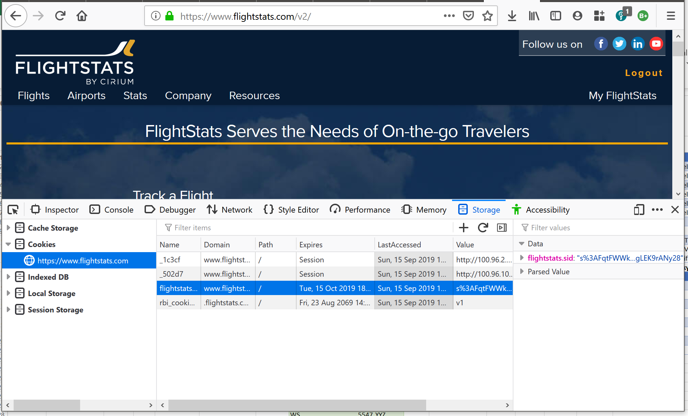
 |  |  |  |  |  | EWR | KEWR | ET

 |  |  |  |  |  | IATA | Flight Number | From
 |  |  |  |  |  | WS | 5547 | YYZ

