Distillation
Wind the copper packing into cylinders and drop into place
Copper packing: for every 4inches of packing, it's equivalent to 1 plate.
When packing, make sure that you can breathe through the pipe. If you can't repack looser

Don't turn water on until the pump is heated up
 | Methanol produced at 160F
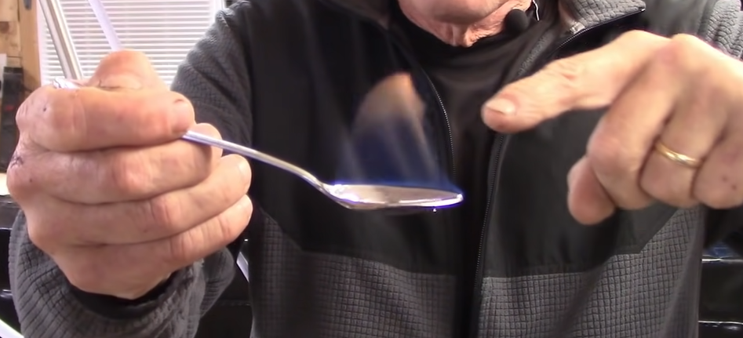
5 gal, 3 hr run, 0.8gal of yield

Heat up to 71C (between ethanol and methanol)
Anything produced here is heads/hearts
After this stops producing, start increasing temperature to 180F

mid run, look for a drip drip pour out of the still

incrementally increase temperature as process continues on
Target finishing around 204F and 100 proof

Rinse the copper packing in vinegar and water to remove odor

https://www.youtube.com/watch?v=wdn8Mf7WhwM&t=1s | Ethanol produced at 170F
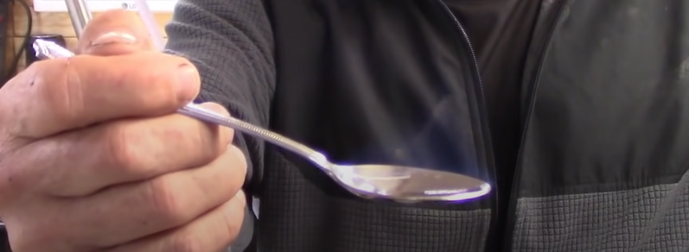
Cut it at 90 proof for the end of the hearts (sugar wash)

