Changes to text
Current | Changes/should say
Hi Jaycee! | Starting Messagege, as we were talking before, so the user won't start the conversation | --> Should be done
I am O2 BOT and I will help you today
New | Existing | Add: Before we start, let me know if you are an existing customer or are you just interested in products and services O2 offers? | Options should be Quick Reply: Existing Customer/New Customer
Click login | Click Login -> then show Login Button, and then show the message"Great! You are logged in!"
OK! You are logged in!
OK, your plan is: Tariff Detail,o2 New Genion L (60/10) home office You have: 1.0 GB You pay 20.0 eur/mo | Please put it in the picture, so it looks nice and structured. Text: your plan is... After the picture tarif details: O2 New Genion L (60/10) home office; 24 months contract; 1 GB; 20 €/ month. Without a link "choose plan"
Bill is higher than it should be. Is this an issue you are dealing with?

Looks like you've been making some calls in Shanghai, which is why your bill is high. You talked there 99 minutes. Let me see if I can do something for you. | Looks like you've been making some calls while in Shanghai, which is why your bill is high. You talked on the phone while there for 99 minutes. Let me see if I can do something for you. u"\u2708 u"\u1F334

OK, you just bought international roaming flat for 20EUR

I'm very excited! Is there anything else I can do? | Stuck There is nothing to be excited about, can we change it in "Cool, all done! Is there anything else I can do for you?"
Of course! | Bug: we need also "no" button, so the user can quit the conversation

Plan selected for you is: Name: o2 Free L For: 20.0 EUR/month For 24 months | Design this nicer - make the list design. | Jaycee to do

Bill is higher than it should be. Is this an issue you are dealing with? | Your bill is higher than it should be. Is this an issue you are dealing with?
Nope | This doesn't make sense? Bug: maybe better to just use simple yes and no answers???
I'm very excited! Is there anything else I can do? | There is nothing to be excited about. Please change: "Cool, all done! Is there anything else I can do for you?"
Of course! | Bug: we need a "no"-option here!
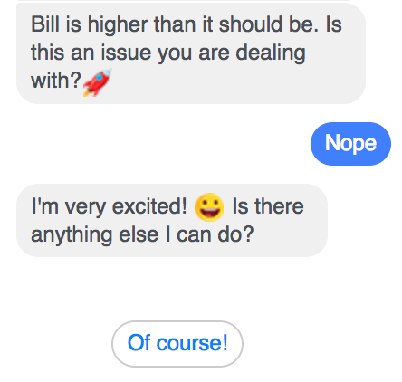 | Text: "OK, what do you want to chat about?" - then options "I am pissed off at my contract. u"\u1F620" or "I've ordert something at O2 recently. Where is my post!?"
Are you intereste in a specific plan or looking for something new? | Are you interested in a specific plan or need help on finding something new? | Here just one option "New Offer", this doesn't make sence. Maybe just ad a second one, which is jus a dummy and not working. Like: get me to a specific plan and I need an inspiration | Are you interested in a specific plan or need help on finding something new? | inspire me or i know, what i want!
Are you planning mainly to call within O2 carrier or outside? | Are you going to make calls mainly within O2 carrier or outside?
How many data (in GB) do you use? | How many gigabytes of data will you need?
How much (per month) you want to pay? | How much do you wish to pay monthly?
I want everything fo... | Bug, text is too long, user doesn't see it...
Plan selected for you is: Name: o2 Blue Basic For: 20.0 EUR/month For 24 months | Hey, here is your plan! O2 Blue Basic for 20 €/month. Bug: How many GBs????
If you liked our proposition please go to the nearest o2 point and ask our agent about selected offer! | Bug: not to the store, it's 80's! Just ask "Is there anything else I can do for you?"
Plan selected for you is: Name: o2 Free L For: 20.0 EUR/month For 24 months | Hey, here is your plan! O2 Free L for 20 €/month. Bug: How many GBs????

Sorry to hear that Please write a message and we will respond to you with selected communication channel | Sorry to hear that! Please write us a message and a real human will get back to you.

I was very glad to help you! And if you are satisfied with customer service, please like our fanpage! | It was a pleasure talking to you! Hey, do you want to be friends on facebook? Like O2 and we will stay in touch. u"\u2764 u"\u2764 u"\u2764u"\u2764 u"\u2764 ( a lot of hearts please)

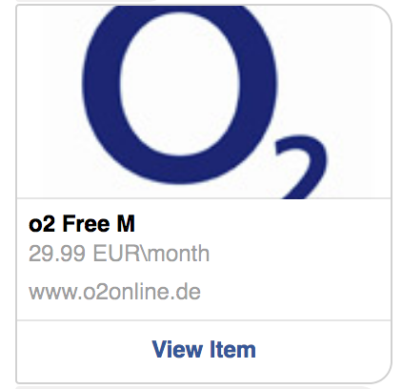 | Instead of "View Item" new text: "check tariff details"
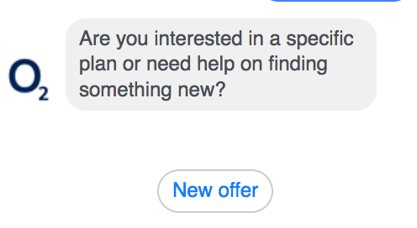 | Options: 1. inspire me (=new offer) 2. I know, what I want! (action: Website Icon, like one above, text: instead of "view item" - "take me to the website!"

