constraint
Criuse Speed |  |  |  | Hand Launch
 | rho | 1.225 | kg/m^3 | Clmax | 1.1
 | V | 21 | m/sec | Vlaunch | 9 | m/sec | 20 | mph
 | q | 270.1125 | N/m^2 | q launch | 49.61 | N/m^2
 |  |  |  | W/S | 54.57 | N/m^2 | 0
 | AR | 5.143 |  |  | 54.57 | N/m^3 | 15
 | e | 0.9
 | Cdo | 0.0375
 | eta motor | 0.93
 | eta prop | 0.65

 | W/S | T/W | P/W
 | 20 | 0.51155279694 | 17.771064906
 | 22 | 0.46602007948 | 16.189283158
 | 24 | 0.42816101258 | 14.874079842
 | 26 | 0.39620475381 | 13.763936857
 | 28 | 0.36888641572 | 12.814912705
 | 30 | 0.34527841416 | 11.994783619
 | 32 | 0.32468506105 | 11.279381773
 | 34 | 0.30657435958 | 10.650225891
 | 36 | 0.2905325345 | 10.092941645
 | 38 | 0.2762329211 | 9.5961808818
 | 40 | 0.26341418763 | 9.1508650791
 | 42 | 0.25186477983 | 8.7496449568
 | 44 | 0.24141160782 | 8.3865074676
 | 46 | 0.23191168433 | 8.0564853116
 | 48 | 0.22324585329 | 7.755439072
 | 50 | 0.21531402361 | 7.4798916389
 | 52 | 0.20803150282 | 7.2269008423
 | 54 | 0.20132614549 | 6.9939603894
 | 56 | 0.19513611269 | 6.7789220289
 | 58 | 0.18940809497 | 6.5799338203
 | 60 | 0.18409589083 | 6.3953907483
 | 62 | 0.17915926024 | 6.2238948966
 | 64 | 0.17456299318 | 6.0642230883
 | 66 | 0.17027614752 | 5.9153004102
 | 68 | 0.16627142137 | 5.7761784098
 | 70 | 0.16252463305 | 5.646017029
 | 72 | 0.15901428774 | 5.5240695494
 | 74 | 0.1557212144 | 5.409669979
 | 76 | 0.15262825996 | 5.3022224304
 | 78 | 0.14972003067 | 5.2011921325
 | 80 | 0.14698267214 | 5.1060977916
 | 82 | 0.14440368164 | 5.0165050694
 | 84 | 0.14197174716 | 4.9320209931
 | 86 | 0.13967660897 | 4.8522891455
 | 88 | 0.13750894007 | 4.7769855111
 | 98 | 0.12830948627 | 4.457401508
 | 108 | 0.12128510349 | 4.2133782849
 | 118 | 0.11588280757 | 4.025705474
 | 128 | 0.11172242191 | 3.8811759474
 | 138 | 0.10853396602 | 3.7704107303
 | 148 | 0.1061204271 | 3.6865657058
 | 158 | 0.10433466902 | 3.624529445
 | 168 | 0.10306458806 | 3.5804075258
 | 178 | 0.10222327235 | 3.5511806772
 | 188 | 0.1017423019 | 3.5344720261
 | 198 | 0.10156707893 | 3.5283848761
 | 208 | 0.10165350527 | 3.5313872797
 | 218 | 0.10196557411 | 3.5422283811
 | 228 | 0.10247359567 | 3.5598767726
 | 238 | 0.10315287001 | 3.5834743924
 | 248 | 0.10398268108 | 3.6123015758
 | 258 | 0.1049455246 | 3.6457502341
 | 268 | 0.10602650888 | 3.6833030379
 | 278 | 0.10721288492 | 3.7245170939
 | 288 | 0.10849367441 | 3.7690110215
 | 298 | 0.10985937264 | 3.8164546325
 | 308 | 0.11130170927 | 3.8665606199
 | 318 | 0.11281345428 | 3.9190778163
 | 328 | 0.11438825933 | 3.9737856841
 | 338 | 0.11602052738 | 4.0304897851
 | 348 | 0.11770530473 | 4.0890180302
 | 358 | 0.11943819114 | 4.1492175582
 | 368 | 0.12121526469 | 4.2109521232
 | 378 | 0.12303301846 | 4.2740998968
 | 388 | 0.12488830707 | 4.3385516104

Initial drag polar
CL max | 1.2 |  |  |  |  |  |  |  |  | Max L/D | CL max L/D | 0.7696
W | 72.20 |  |  |  |  |  |  |  |  |  | V at L/D max | 17.31 | m/sec
S | 0.51
rho | 1.225 | kg/m^3 |  |  |  |  |  |  |  |  | Stall Speed | 13.86 | m/sec
W | 72.20 | N
AR | 5.00 |  | stall speed | drag | Power |  | speed max L/D
e | 0.9 |  | 13.86 | 0 | 0 |  | 17.31
Cdo | 0.0419 |  | 13.86 | 30 | 700 |  | 17.31
area | 0.51 | m^2
CL | CD | L/D | V(m/sec) | q (N/m^2) | CL | D (N) | Power (W) | Cd | L/D
0.05 | 0.042076838826 | 1.1883021965 | 2 | 2.45 | 57.671312752 | 294.59244991 | 589.18489982 | 235.30688119 | 0.24508978428
0.1 | 0.042607355303 | 2.3470126059 | 3 | 5.5125 | 25.631694556 | 131.02469123 | 393.0740737 | 46.513995051 | 0.55105338788
0.15 | 0.043491549431 | 3.4489458748 | 4 | 9.8 | 14.417828188 | 73.844825122 | 295.37930049 | 14.745961325 | 0.97774759275
0.2 | 0.044729421211 | 4.4713299342 | 5 | 15.3125 | 9.2274100403 | 47.454253319 | 237.2712666 | 6.0646835186 | 1.5214990217
0.25 | 0.046320970641 | 5.3971235174 | 6 | 22.05 | 6.4079236391 | 33.198776257 | 199.19265754 | 2.9464059407 | 2.1748271515
0.3 | 0.048266197724 | 6.2155300013 | 7 | 30.0125 | 4.7078622655 | 24.686675714 | 172.80673 | 1.6096799663 | 2.924719425
0.35 | 0.050565102457 | 6.9217698174 | 8 | 39.2 | 3.604457047 | 19.248056855 | 153.98445484 | 0.96090383279 | 3.7511111144
0.4 | 0.053217684842 | 7.5162984107 | 9 | 49.6125 | 2.8479660618 | 15.607433126 | 140.46689813 | 0.61562956853 | 4.6261034353
0.45 | 0.056223944878 | 8.0037073346 | 10 | 61.25 | 2.3068525101 | 13.093017353 | 130.93017353 | 0.41832396991 | 5.5145118999
0.5 | 0.059583882566 | 8.3915310394 | 11 | 74.1125 | 1.9064896778 | 11.323674606 | 124.56042066 | 0.29900263637 | 6.3761634375
0.55 | 0.063297497905 | 8.6891270304 | 12 | 88.2 | 1.6019809098 | 10.070107858 | 120.8412943 | 0.22343162129 | 7.1698934131
0.6 | 0.067364790895 | 8.9067299405 | 13 | 103.5125 | 1.3650014853 | 9.1876565722 | 119.43953544 | 0.17369649519 | 7.8585436267
0.65 | 0.071785761536 | 9.0547204082 | 14 | 120.05 | 1.1769655664 | 8.5813988145 | 120.1395834 | 0.13988624789 | 8.4137331874
0.7 | 0.076560409829 | 9.1431067514 | 15 | 137.8125 | 1.0252677823 | 8.1869562021 | 122.80434303 | 0.11625535208 | 8.8191017782
0.75 | 0.081688735773 | 9.1811923995 | 16 | 156.8 | 0.90111426175 | 7.9594165138 | 127.35066422 | 0.099337739549 | 9.0712177048
0.8 | 0.087170739368 | 9.177391471 | 17 | 177.0125 | 0.79821886162 | 7.8666750429 | 133.73347573 | 0.086969380145 | 9.1781597188
0.85 | 0.093006420615 | 9.1391539894 | 18 | 198.45 | 0.71199151546 | 7.8852893174 | 141.93520771 | 0.077758098033 | 9.1564934517
0.9 | 0.099195779513 | 9.0729666566 | 19 | 221.1125 | 0.63901731581 | 7.997818659 | 151.95855452 | 0.070784367823 | 9.027661551
0.95 | 0.10573881606 | 8.9844017115 | 20 | 245 | 0.57671312752 | 8.1910704321 | 163.82140864 | 0.065426498119 | 8.8146720992
1 | 0.11263553026 | 8.8781932101 | 21 | 270.1125 | 0.52309580728 | 8.4549162905 | 177.5532421 | 0.061255308226 | 8.5395996269
1.05 | 0.11988592212 | 8.7583260943 | 22 | 296.45 | 0.47662241944 | 8.7814761249 | 193.19247475 | 0.057968914773 | 8.2220345387
1.1 | 0.12748999162 | 8.6281282635 | 23 | 324.0125 | 0.43607797922 | 9.1645447425 | 210.78452908 | 0.055351351657 | 7.8783618858
1.15 | 0.13544773877 | 8.4903595322 | 24 | 352.8 | 0.40049522745 | 9.5991821395 | 230.38037135 | 0.053245726331 | 7.5216407972
1.2 | 0.14375916358 | 8.3472939751 | 25 | 382.8125 | 0.36909640161 | 10.081416113 | 252.03540282 | 0.05153645363 | 7.1618509932
1.25 | 0.15242426604 | 8.2007939583 | 26 | 414.05 | 0.34125037131 | 10.608023341 | 275.80860688 | 0.050137280949 | 6.8063198652
 |  |  | 27 | 446.5125 | 0.31644067354 | 11.176366136 | 301.76188568 | 0.048983081093 | 6.4602035331
 |  |  | 28 | 480.2 | 0.29424139159 | 11.784269247 | 329.95953893 | 0.048024140493 | 6.1269475845
 |  |  | 29 | 515.1125 | 0.27429875269 | 12.42992588 | 360.46785052 | 0.047222127555 | 5.8086911134
 |  |  | 30 | 551.25 | 0.25631694556 | 13.111825261 | 393.35475784 | 0.046547209505 | 5.5066017553
 |  |  | 31 | 588.6125 | 0.24004708742 | 13.828696293 | 428.68958508 | 0.045975965462 | 5.2211429387
 |  |  | 32 | 627.2 | 0.22527856544 | 14.579463328 | 466.54282651 | 0.045489858722 | 4.9522810527
 |  |  | 9.43 | 54.46650125 | 2.5941581155 | 14.415109032 | 135.93447817 | 0.51792580888 | 5.0087446331
 |  |  | 8.61 | 45.40591125 | 3.1118132497 | 16.864891504 | 145.20671585 | 0.72685913936 | 4.281177853

Battery
Battery

First Choice - 4S battery

Battery
4500mAh 4S 14.8V 20C LiPo Battery w/ Deans

 | Capacity | 10 | Amp hours |  |  |  |  |  |  |  | Cruise |  |  | Haand Launch
 | C rating | 10C
 |  |  |  |  |  |  |  |  |  |  |  |  |  | Static Thrust
Technical Specifications: |  |  |  |  |  |  |  |  |  |  | Voltage | 14.54 | volts | Cto | 0.09
Length: | 6" |  |  |  |  |  |  |  |  |  |  |  |  | Cpo | 0.06
Width: | 1-3/4" |  |  |  |  |  |  |  |  |  | Current | 21.57 | amps | Voltage | 14.8
Height: | 1-1/4" |  |  |  |  |  |  |  |  |  |  |  |  | RPM | 8880 | RPM | 148 | RPS | 929.91142546 | rad/sec
C Rating: | 10C |  |  |  |  |  |  |  |  |  |  |  |  | Thrust | 20.84 | N | 4.69 | lbs
Weight: | 16.5 oz. | 1.03125 | lbs | 4.587226875 | N |  |  |  |  |  | eff | 0.87 |  | (T/W)static | 0.29
 |  |  |  |  |  |  |  |  |  |  |  |  |  | Power | 626.83 | W
 |  |  |  |  |  |  |  |  |  |  |  |  |  | Torque | 0.67 | N
 |  |  |  |  |  |  |  |  |  |  |  |  |  | Current | 44.95 | amps
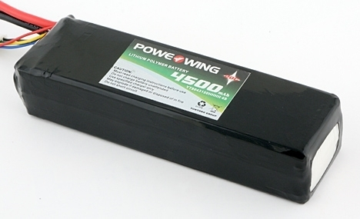
 |  |  |  |  |  |  |  |  |  |  |  |  |  | time | 10 | secs
 |  |  |  |  |  | Brads Calculations |  |  |  |  |  |  |  | Energy | 6268.3 | J
 |  |  |  |  |  | Total Energy Needed: | 366078.86026 | J |  |  |  |  |  | Wbatt launch | 0.099 | N | 0.02 | lbs
 |  |  |  |  |  | Number of Cells | 4 | S
 |  |  |  |  |  | Battery Voltage | 14.8 | V | Max Voltage | 16.8 |  |  |  | Exceeded maximum motor current
 |  |  |  |  |  | Required mAh | 6870.8494794 | mAh
 |  |  |  |  |  | Required C Rating | 7.4037267247 | h^-1
 |  |  |  |  |  | Smallest Max Current | 50.87 | A
 |  |  |  |  |  | Recommendation: | APC 12x6
 |  |  |  |  |  |  | https://www.getfpv.com/tattu-7000mah-4s-25c-lipo-battery.html
 |  |  |  |  |  |  | https://hobbyking.com/en_us/turnigy-l5055b-600-brushless-outrunner-600kv.html

Launch
 | Small angle approximation |  |  |  |  |  |  |  |  |  |  | Robert Stengel, Aircraft Flight Dynamics,

 |  |  |  |  |  |  |  | 0.224809 | lb/N
 |  |  |  |  |  |  |  | 10.7639 | ft^/m^2

 |  |  |  |  |  |  |  |  |  |  |  |  |  |  |  | Example VT
 |  |  |  |  |  |  |  |  |  |  |  |  |  |  | Cd | 0.04
 |  |  |  |  |  |  |  |  |  |  |  |  |  |  | L/D | 29.2
 | constant T/W, L/D | Input parameters |  |  |  |  |  |  |  |  |  |  |  |  | W/S | 600 | N/m^2 | 12.531275839 | lb/ft^2
 |  |  |  |  |  |  |  |  |  |  |  |  |  |  | slope | 0.034233196309 | radians | 1.9614176678 | degrees
 | rho | 1.22 |  |  |  |  |  |  |  |  |  |  |  |  | lift | 45 |  | 0.57656939717 | CL
 | W | 45 | N | 10.116405 | lbs |  |  |  |  |  |  |  |  |  | drag | 1.5410958904
 | W/S | 54.88 | N/m^2 | 1.1461532779 | lb/ft^2 |  |  |  |  |  |  |  |  |  | velocity | 29.010954822 | m/sec | 95.180301018 | ft/sec
 | S | 0.82 | m^2 |  |  |  |  |  |  |  |  |  |  |  | x | 29.2
 | V launch | 7 | m/sec | 15.65858 | mph |  |  |  |  |  |  |  |  |  | t | 1.0065163377 | sec
 | g | 9.8 | m/sec^2
 | T/W | 0.6
 | L/D | 5.5
 | CL | 1.1 |  | CD | 0.04
 | Gamma launch | 0 | radian
 | h launch | 1 | m

delta t
0.01
 |  |  |  |  |  |  |  |  |  |  |  |  |  | Case #1 | Examole VT
t (sec) | V (m/sec) | Gamma(radians) | Q (Pa) | Lift (N) | Drag(N) | dV/dt | dGamma/dt | x (m) | h (m) | dx/dt | dh/dt |  | rho | 1.22 | 1.22
0 | 7 | 0 | 29.89 | 26.96078 | 4.90196 | 4.8124620444 | -0.56122017778 | 0 | 1 | 7 | 0 |  | W | 45 | 45
0.01 | 7.0481246204 | -0.0056122017778 | 30.302397006 | 27.332762099 | 4.969593109 | 4.852732345 | -0.54587250974 | 0.07 | 1 | 7.048013624 | -0.03955528988 |  | W/S | 300 | 600
0.02 | 7.0966519439 | -0.011070926875 | 30.721105976 | 27.71043759 | 5.03826138 | 4.8912714999 | -0.53048704455 | 0.14048013624 | 0.9996044471 | 7.0962170463 | -0.078564909816 |  | S | 0.15 | 0.075
0.03 | 7.1455646589 | -0.016375797321 | 31.14604752 | 28.093734863 | 5.1079517932 | 4.9280772506 | -0.51507404106 | 0.2114423067 | 0.998818798 | 7.1446065789 | -0.11700908877 |  | V launch | 10 | 29
0.04 | 7.1948454314 | -0.021526537731 | 31.577138477 | 28.482578906 | 5.1786507102 | 4.9631487337 | -0.49964335752 | 0.28288837249 | 0.99764870712 | 7.1931784795 | -0.15486815023 |  | g | 9.8 | 9.8
0.05 | 7.2444769187 | -0.026522971306 | 32.014291954 | 28.876891342 | 5.2503438804 | 4.9964864222 | -0.48420445292 | 0.35482015729 | 0.99610002561 | 7.2419289392 | -0.19212252626 |  | T/W | 0.75 | 0
0.06 | 7.294441783 | -0.031365015836 | 32.457417364 | 29.276590463 | 5.3230164477 | 5.0280920668 | -0.46876638959 | 0.42723944668 | 0.99417880035 | 7.2908540717 | -0.22875277126 |  | L/D | 20 | 29.2
0.07 | 7.3447227036 | -0.036052679732 | 32.906420472 | 29.681591266 | 5.3966529574 | 5.057968638 | -0.45333783704 | 0.5001479874 | 0.99189127264 | 7.3399499011 | -0.26473957543 |  | CL | 0.8 | 1.168
0.08 | 7.39530239 | -0.040586058102 | 33.361203438 | 30.091805501 | 5.4712373639 | 5.0861202679 | -0.43792707694 | 0.57354748641 | 0.98924387688 | 7.3892123511 | -0.30006377773 |  | Gamma launch | 0.1 | -0.034
0.09 | 7.4461635927 | -0.044965328871 | 33.821664872 | 30.507141714 | 5.546753039 | 5.1125521935 | -0.42254200907 | 0.64743960992 | 0.98624323911 | 7.4386372333 | -0.33470637876 |  | h launch | 1 | 1
0.1 | 7.4972891146 | -0.049190748962 | 34.287699882 | 30.927505293 | 5.6231827806 | 5.1372707004 | -0.40719015808 | 0.72182598225 | 0.98289617532 | 7.4882202366 | -0.3686485531
0.11 | 7.5486618216 | -0.053262650543 | 34.759200131 | 31.352798518 | 5.7005088215 | 5.1602830681 | -0.39187868111 | 0.79670818462 | 0.97920968979 | 7.5379569158 | -0.40187166148
0.12 | 7.6002646523 | -0.057181437354 | 35.236053899 | 31.782920617 | 5.7787128394 | 5.1815975158 | -0.37661437602 | 0.87208775378 | 0.97519097317 | 7.5878426811 | -0.43435726256
0.13 | 7.6520806275 | -0.060947581114 | 35.718146137 | 32.217767815 | 5.8577759664 | 5.2012231502 | -0.36140369018 | 0.94796618059 | 0.97084740055 | 7.6378727877 | -0.4660871245
0.14 | 7.704092859 | -0.064561618016 | 36.205358536 | 32.657233399 | 5.9376787998 | 5.2191699143 | -0.34625272979 | 1.0243449085 | 0.9661865293 | 7.6880423256 | -0.49704323619
0.15 | 7.7562845581 | -0.068024145314 | 36.697569589 | 33.10120777 | 6.0184014126 | 5.2354485381 | -0.33116726951 | 1.1012253317 | 0.96121609694 | 7.7383462098 | -0.52720781819
0.16 | 7.8086390435 | -0.071335818009 | 37.194654664 | 33.549578507 | 6.0999233649 | 5.25007049 | -0.3161527625 | 1.1786087938 | 0.95594401876 | 7.7887791705 | -0.55656333349
0.17 | 7.8611397484 | -0.074497345634 | 37.696486068 | 34.002230433 | 6.1822237151 | 5.2630479314 | -0.30121435062 | 1.2564965855 | 0.95037838542 | 7.8393357443 | -0.58509249792
0.18 | 7.9137702277 | -0.07750948914 | 38.202933122 | 34.459045676 | 6.2652810321 | 5.2743936712 | -0.28635687486 | 1.334889943 | 0.94452746044 | 7.8900102651 | -0.61277829038
0.19 | 7.9665141644 | -0.080373057889 | 38.713862238 | 34.919903739 | 6.3490734071 | 5.2841211232 | -0.27158488585 | 1.4137900456 | 0.93839967754 | 7.9407968556 | -0.6396039628
0.2 | 8.0193553756 | -0.083088906747 | 39.229136991 | 35.384681566 | 6.4335784665 | 5.2922442648 | -0.25690265448 | 1.4931980142 | 0.93200363791 | 7.9916894196 | -0.66555304992
0.21 | 8.0722778183 | -0.085657933292 | 39.748618197 | 35.853253614 | 6.5187733843 | 5.2987775972 | -0.24231418243 | 1.5731149084 | 0.92534810741 | 8.0426816337 | -0.69060937881
0.22 | 8.1252655943 | -0.088081075116 | 40.272163996 | 36.325491925 | 6.6046348954 | 5.3037361083 | -0.22782321275 | 1.6535417247 | 0.91844201363 | 8.0937669411 | -0.71475707817
0.23 | 8.1783029554 | -0.090359307244 | 40.79962993 | 36.801266197 | 6.6911393085 | 5.3071352355 | -0.21343324036 | 1.7344793941 | 0.91129444284 | 8.1449385438 | -0.73798058752
0.24 | 8.2313743077 | -0.092493639647 | 41.330869026 | 37.280443862 | 6.7782625203 | 5.3089908323 | -0.19914752234 | 1.8159287796 | 0.90391463697 | 8.196189397 | -0.76026466609
0.25 | 8.284464216 | -0.094485114871 | 41.865731881 | 37.762890157 | 6.8659800286 | 5.3093191349 | -0.1849690882 | 1.8978906735 | 0.89631199031 | 8.247512203 | -0.78159440159
0.26 | 8.3375574074 | -0.096334805753 | 42.404066748 | 38.248468207 | 6.9542669467 | 5.3081367312 | -0.17090074989 | 1.9803657956 | 0.88849604629 | 8.2988994058 | -0.8019552188
0.27 | 8.3906387747 | -0.098043813252 | 42.945719619 | 38.737039096 | 7.0430980175 | 5.3054605316 | -0.15694511161 | 2.0633547896 | 0.8804764941 | 8.3503431866 | -0.82133288794
0.28 | 8.44369338 | -0.099613264368 | 43.490534316 | 39.228461953 | 7.1324476279 | 5.3013077406 | -0.14310457946 | 2.1468582215 | 0.87226316522 | 8.4018354589 | -0.83971353297
0.29 | 8.4967064574 | -0.10104431016 | 44.03835258 | 39.722594027 | 7.2222898232 | 5.2956958307 | -0.1293813708 | 2.2308765761 | 0.86386602989 | 8.4533678648 | -0.85708363961
0.3 | 8.5496634157 | -0.10233812387 | 44.589014158 | 40.219290771 | 7.312598322 | 5.288642517 | -0.11577752337 | 2.3154102547 | 0.8552951935 | 8.504931772 | -0.87343006329
0.31 | 8.6025498409 | -0.1034958991 | 45.142356897 | 40.718405921 | 7.4033465311 | 5.2801657345 | -0.10229490415 | 2.4004595724 | 0.84656089287 | 8.5565182704 | -0.8887400369
0.32 | 8.6553514982 | -0.10451884815 | 45.69821683 | 41.219791581 | 7.4945075602 | 5.2702836148 | -0.088935217936 | 2.4860247551 | 0.8376734925 | 8.6081181701 | -0.90300117841
0.33 | 8.7080543344 | -0.10540820033 | 46.256428277 | 41.723298306 | 7.5860542375 | 5.2590144663 | -0.075700015671 | 2.5721059368 | 0.82864348071 | 8.6597219993 | -0.91620149836
0.34 | 8.760644479 | -0.10616520048 | 46.81682393 | 42.228775185 | 7.6779591245 | 5.2463767542 | -0.062590702442 | 2.6587031568 | 0.81948146573 | 8.7113200033 | -0.92832940713
0.35 | 8.8131082466 | -0.10679110751 | 47.379234949 | 42.736069924 | 7.7701945317 | 5.232389082 | -0.049608545225 | 2.7458163569 | 0.81019817166 | 8.7629021435 | -0.93937372211
0.36 | 8.8654321374 | -0.10728719296 | 47.94349106 | 43.245028936 | 7.8627325338 | 5.2170701747 | -0.036754680322 | 2.8334453783 | 0.80080443444 | 8.814458097 | -0.94932367476
0.37 | 8.9176028392 | -0.10765473976 | 48.509420642 | 43.755497419 | 7.9555449853 | 5.2004388626 | -0.024030120518 | 2.9215899593 | 0.79131119769 | 8.8659772571 | -0.95816891743
0.38 | 8.9696072278 | -0.10789504097 | 49.076850831 | 44.267319449 | 8.0486035362 | 5.1825140663 | -0.011435761948 | 3.0102497318 | 0.78172950851 | 8.9174487337 | -0.96589953012
0.39 | 9.0214323684 | -0.10800939859 | 49.645607607 | 44.780338061 | 8.1418796475 | 5.1633147829 | 0.0010276093223 | 3.0994242192 | 0.77207051321 | 8.968861355 | -0.972506027
0.4 | 9.0730655163 | -0.10799912249 | 50.215515896 | 45.294395338 | 8.235344607 | 5.1428600728 | 0.013359310997 | 3.1891128327 | 0.76234545294 | 9.0202036689 | -0.97797936285
0.41 | 9.124494117 | -0.10786552938 | 50.786399664 | 45.809332497 | 8.3289695448 | 5.1211690478 | 0.025558758524 | 3.2793148694 | 0.75256565931 | 9.0714639452 | -0.98231093931
0.42 | 9.1757058075 | -0.1076099418 | 51.35808201 | 46.324989973 | 8.4227254496 | 5.0982608597 | 0.037625459347 | 3.3700295089 | 0.74274254992 | 9.1226301788 | -0.98549261095
0.43 | 9.2266884161 | -0.1072336872 | 51.930385268 | 46.841207511 | 8.5165831839 | 5.0741546901 | 0.049559007419 | 3.4612558107 | 0.73288762381 | 9.1736900924 | -0.98751669123
0.44 | 9.277429963 | -0.10673809713 | 52.503131098 | 47.35782425 | 8.6105135001 | 5.0488697407 | 0.06135907797 | 3.5529927116 | 0.7230124569 | 9.2246311408 | -0.9883759582
0.45 | 9.3279186604 | -0.10612450635 | 53.076140586 | 47.874678809 | 8.7044870561 | 5.0224252244 | 0.073025422542 | 3.645239023 | 0.71312869732 | 9.2754405145 | -0.98806366014
0.46 | 9.3781429126 | -0.10539425213 | 53.649234339 | 48.391609374 | 8.7984744315 | 4.994840357 | 0.084557864252 | 3.7379934281 | 0.70324806072 | 9.3261051451 | -0.9865735209
0.47 | 9.4280913162 | -0.10454867348 | 54.222232579 | 48.908453786 | 8.8924461429 | 4.9661343496 | 0.095956293305 | 3.8312544796 | 0.69338232551 | 9.3766117099 | -0.98389974515
0.48 | 9.4777526597 | -0.10358911055 | 54.794955242 | 49.425049628 | 8.9863726597 | 4.9363264019 | 0.10722066273 | 3.9250205967 | 0.68354332806 | 9.4269466378 | -0.98003702341
0.49 | 9.5271159237 | -0.10251690392 | 55.367222073 | 49.941234309 | 9.0802244199 | 4.9054356953 | 0.11835098434 | 4.0192900631 | 0.67374295782 | 9.4770961152 | -0.97498053681
0.5 | 9.5761702807 | -0.10133339408 | 55.938852719 | 50.456845153 | 9.1739718459 | 4.8734813876 | 0.12934732491 | 4.1140610242 | 0.66399315245 | 9.5270460929 | -0.96872596176
0.51 | 9.6249050945 | -0.10003992083 | 56.509666828 | 50.971719479 | 9.2675853598 | 4.840482607 | 0.14020980256 | 4.2093314851 | 0.65430589284 | 9.5767822924 | -0.96126947435
0.52 | 9.6733099206 | -0.098637822804 | 57.07948414 | 51.485694695 | 9.361035399 | 4.8064584472 | 0.15093858332 | 4.3050993081 | 0.64469319809 | 9.6262902141 | -0.9526077545
0.53 | 9.7213745051 | -0.097128436971 | 57.648124584 | 51.998608374 | 9.4542924317 | 4.7714279633 | 0.16153387791 | 4.4013622102 | 0.63516712055 | 9.6755551443 | -0.94273798994
0.54 | 9.7690887847 | -0.095513098192 | 58.215408367 | 52.510298347 | 9.5473269722 | 4.7354101672 | 0.17199593871 | 4.4981177617 | 0.62573974065 | 9.7245621638 | -0.93165787994
0.55 | 9.8164428864 | -0.093793138805 | 58.781156074 | 53.020602779 | 9.6401095962 | 4.6984240237 | 0.18232505684 | 4.5953633833 | 0.61642316185 | 9.7732961566 | -0.91936563878
0.56 | 9.8634271266 | -0.091969888236 | 59.345188756 | 53.529360258 | 9.732610956 | 4.6604884474 | 0.19252155949 | 4.6930963449 | 0.60722950546 | 9.8217418183 | -0.90585999899
0.57 | 9.9100320111 | -0.090044672642 | 59.907328021 | 54.036409875 | 9.8248017955 | 4.6216222992 | 0.20258580737 | 4.791313763 | 0.59817090547 | 9.869883666 | -0.89114021433
0.58 | 9.9562482341 | -0.088018814568 | 60.467396128 | 54.541591308 | 9.916652965 | 4.5818443834 | 0.21251819229 | 4.8900125997 | 0.58925950333 | 9.9177060476 | -0.87520606248
0.59 | 10.002066678 | -0.085893632645 | 61.025216076 | 55.044744901 | 10.008135436 | 4.5411734452 | 0.22231913494 | 4.9891896602 | 0.5805074427 | 9.9651931522 | -0.85805784753
0.6 | 10.047478412 | -0.083670441296 | 61.580611693 | 55.545711747 | 10.099220318 | 4.4996281679 | 0.23198908275 | 5.0888415917 | 0.57192686423 | 10.01232902 | -0.83969640212
0.61 | 10.092474694 | -0.081350550468 | 62.133407725 | 56.044333768 | 10.189878867 | 4.4572271711 | 0.24152850794 | 5.1889648819 | 0.56352990021 | 10.059097552 | -0.82012308929
0.62 | 10.137046966 | -0.078935265389 | 62.683429924 | 56.540453791 | 10.280082507 | 4.4139890082 | 0.25093790563 | 5.2895558574 | 0.55532866931 | 10.105482525 | -0.79933980413
0.63 | 10.181186856 | -0.076425886332 | 63.230505134 | 57.033915631 | 10.369802842 | 4.3699321646 | 0.26021779213 | 5.3906106827 | 0.54733527127 | 10.151467597 | -0.77734897503
0.64 | 10.224886177 | -0.073823708411 | 63.774461379 | 57.524564164 | 10.459011666 | 4.3250750563 | 0.26936870328 | 5.4921253586 | 0.53956178152 | 10.197036322 | -0.75415356463
0.65 | 10.268136928 | -0.071130021378 | 64.315127944 | 58.012245405 | 10.547680983 | 4.2794360276 | 0.27839119298 | 5.5940957219 | 0.53202024588 | 10.242172162 | -0.72975707057
0.66 | 10.310931288 | -0.068346109448 | 64.85233546 | 58.496806585 | 10.635783015 | 4.2330333501 | 0.28728583172 | 5.6965174435 | 0.52472267517 | 10.286858498 | -0.70416352576
0.67 | 10.353261622 | -0.065473251131 | 65.385915988 | 58.978096221 | 10.723290222 | 4.1858852212 | 0.29605320531 | 5.7993860285 | 0.51768103991 | 10.331078643 | -0.67737749843
0.68 | 10.395120474 | -0.062512719078 | 65.915703099 | 59.455964195 | 10.810175308 | 4.1380097624 | 0.30469391357 | 5.9026968149 | 0.51090726493 | 10.374815854 | -0.64940409184
0.69 | 10.436500572 | -0.059465779942 | 66.441531951 | 59.93026182 | 10.89641124 | 4.0894250185 | 0.31320856929 | 6.0064449734 | 0.50441322401 | 10.418053342 | -0.62024894362
0.7 | 10.477394822 | -0.056333694249 | 66.963239374 | 60.400841916 | 10.981971257 | 4.0401489562 | 0.32159779704 | 6.1106255068 | 0.49821073457 | 10.46077429 | -0.58991822475
0.71 | 10.517796311 | -0.053117716279 | 67.480663942 | 60.867558875 | 11.066828886 | 3.9901994625 | 0.32986223228 | 6.2152332497 | 0.49231155233 | 10.502961862 | -0.55841863829
0.72 | 10.557698306 | -0.049819093956 | 67.993646048 | 61.330268735 | 11.150957952 | 3.9395943444 | 0.33800252039 | 6.3202628684 | 0.48672736594 | 10.544599218 | -0.52575741763
0.73 | 10.597094249 | -0.046439068752 | 68.502027985 | 61.788829242 | 11.23433259 | 3.8883513271 | 0.34601931581 | 6.4257088605 | 0.48146979177 | 10.585669524 | -0.49194232452
0.74 | 10.635977763 | -0.042978875594 | 69.005654012 | 62.243099918 | 11.316927258 | 3.8364880532 | 0.35391328126 | 6.5315655558 | 0.47655036852 | 10.626155972 | -0.45698164659
0.75 | 10.674342643 | -0.039439742782 | 69.504370428 | 62.692942126 | 11.39871675 | 3.7840220815 | 0.36168508703 | 6.6378271155 | 0.47198055206 | 10.666041785 | -0.42088419465
0.76 | 10.712182864 | -0.035822891911 | 69.998025646 | 63.138219132 | 11.479676206 | 3.7309708862 | 0.36933541027 | 6.7444875333 | 0.46777171011 | 10.705310236 | -0.38365929956
0.77 | 10.749492573 | -0.032129537809 | 70.486470252 | 63.578796167 | 11.559781121 | 3.6773518555 | 0.37686493438 | 6.8515406357 | 0.46393511711 | 10.743944661 | -0.34531680872
0.78 | 10.786266092 | -0.028360888465 | 70.96955708 | 64.014540486 | 11.639007361 | 3.6231822905 | 0.38427434844 | 6.9589800823 | 0.46048194903 | 10.78192847 | -0.3058670822
0.79 | 10.822497914 | -0.02451814498 | 71.447141276 | 64.445321431 | 11.717331169 | 3.5684794046 | 0.39156434665 | 7.066799367 | 0.4574232782 | 10.819245162 | -0.26532098857
0.8 | 10.858182708 | -0.020602501514 | 71.919080356 | 64.871010481 | 11.794729178 | 3.5132603217 | 0.39873562791 | 7.1749918186 | 0.45477006832 | 10.855878341 | -0.22368990022
0.81 | 10.893315312 | -0.016615145235 | 72.385234273 | 65.291481314 | 11.871178421 | 3.4575420755 | 0.40578889527 | 7.2835506021 | 0.45253316932 | 10.891811725 | -0.18098568848
0.82 | 10.927890732 | -0.012557256282 | 72.845465475 | 65.706609858 | 11.946656338 | 3.4013416083 | 0.41272485564 | 7.3924687193 | 0.45072331243 | 10.927029163 | -0.13722071822
0.83 | 10.961904149 | -0.0084300077257 | 73.299638963 | 66.116274344 | 12.02114079 | 3.3446757697 | 0.41954421932 | 7.5017390109 | 0.44935110525 | 10.961514647 | -0.092407842157
0.84 | 10.995350906 | -0.0042345655325 | 73.747622346 | 66.520355356 | 12.094610065 | 3.2875613152 | 0.42624769968 | 7.6113541574 | 0.44842702683 | 10.995252325 | -0.046560394815
0.85 | 11.028226519 | 2.7911464255E-05 | 74.189285899 | 66.918735881 | 12.167042887 | 3.2300149055 | 0.43283601287 | 7.7213066807 | 0.44796142288 | 11.028226515 | 0.00030781395025
0.86 | 11.060526668 | 0.004356271593 | 74.624502612 | 67.311301356 | 12.238418428 | 3.1720531046 | 0.43930987754 | 7.8315889458 | 0.44796450102 | 11.06042172 | 0.048182505735
0.87 | 11.092247199 | 0.0087493703684 | 75.05314824 | 67.697939712 | 12.308716311 | 3.1136923788 | 0.44567001453 | 7.942193163 | 0.44844632608 | 11.091822638 | 0.097048940748
0.88 | 11.123384123 | 0.013206070514 | 75.475101356 | 68.078541423 | 12.377916622 | 3.0549490952 | 0.45191714669 | 8.0531113894 | 0.44941681548 | 11.122414177 | 0.14689192533
0.89 | 11.153933614 | 0.017725241981 | 75.890243393 | 68.45299954 | 12.445999916 | 2.9958395204 | 0.45805199862 | 8.1643355312 | 0.45088573474 | 11.152181465 | 0.19769581982
0.9 | 11.183892009 | 0.022305761967 | 76.298458692 | 68.82120974 | 12.512947225 | 2.9363798191 | 0.46407529651 | 8.2758573458 | 0.45286269294 | 11.181109869 | 0.24944454676
0.91 | 11.213255808 | 0.026946514932 | 76.699634542 | 69.183070357 | 12.578740065 | 2.8765860521 | 0.46998776798 | 8.3876684445 | 0.4553571384 | 11.209184999 | 0.30212159947
0.92 | 11.242021668 | 0.031646392612 | 77.093661224 | 69.538482424 | 12.643360441 | 2.8164741757 | 0.47579014185 | 8.4997602945 | 0.4583783544 | 11.236392728 | 0.35571005093
0.93 | 11.27018641 | 0.03640429403 | 77.480432045 | 69.887349705 | 12.706790855 | 2.7560600393 | 0.48148314809 | 8.6121242218 | 0.46193545491 | 11.2627192 | 0.410192563
0.94 | 11.29774701 | 0.041219125511 | 77.85984338 | 70.229578729 | 12.769014314 | 2.695359384 | 0.48706751763 | 8.7247514138 | 0.46603738054 | 11.288150841 | 0.46555139597
0.95 | 11.324700604 | 0.046089800687 | 78.231794702 | 70.565078821 | 12.830014331 | 2.6343878414 | 0.49254398226 | 8.8376329222 | 0.4706928945 | 11.312674374 | 0.52176841842
0.96 | 11.351044483 | 0.05101524051 | 78.596188615 | 70.893762131 | 12.889774933 | 2.5731609314 | 0.49791327456 | 8.9507596659 | 0.47591057868 | 11.336276828 | 0.57882511738
0.97 | 11.376776092 | 0.055994373256 | 78.952930889 | 71.215543662 | 12.948280666 | 2.5116940607 | 0.50317612777 | 9.0641224342 | 0.48169882985 | 11.358945551 | 0.63670260883
0.98 | 11.401893032 | 0.061026134533 | 79.301930481 | 71.530341294 | 13.005516599 | 2.450002521 | 0.50833327572 | 9.1777118897 | 0.48806585594 | 11.380668218 | 0.6953816484
0.99 | 11.426393058 | 0.06610946729 | 79.643099568 | 71.83807581 | 13.061468329 | 2.3881014874 | 0.51338545278 | 9.2915185719 | 0.49501967243 | 11.401432844 | 0.75484264247
1 | 11.450274073 | 0.071243321818 | 79.976353565 | 72.138670916 | 13.116121985 | 2.3260060163 | 0.51833339378 | 9.4055329003 | 0.50256809885 | 11.421227793 | 0.81506565946
1.01 | 11.473534133 | 0.076426655756 | 80.301611152 | 72.432053259 | 13.169464229 | 2.2637310438 | 0.52317783393 | 9.5197451783 | 0.51071875545 | 11.44004179 | 0.87603044139
1.02 | 11.496171443 | 0.081658434095 | 80.618794289 | 72.718152448 | 13.221482263 | 2.2012913839 | 0.52791950883 | 9.6341455962 | 0.51947905986 | 11.457863927 | 0.93771641573
1.03 | 11.518184357 | 0.086937629184 | 80.927828238 | 72.99690107 | 13.272163831 | 2.1387017264 | 0.53255915437 | 9.7487242354 | 0.52885622402 | 11.474683676 | 1.0001027074
1.04 | 11.539571374 | 0.092263220727 | 81.228641576 | 73.268234701 | 13.321497218 | 2.0759766351 | 0.53709750672 | 9.8634710722 | 0.53885725109 | 11.490490894 | 1.0631681513
1.05 | 11.560331141 | 0.097634195795 | 81.521166209 | 73.53209192 | 13.369471258 | 2.013130546 | 0.54153530229 | 9.9783759811 | 0.54948893261 | 11.505275836 | 1.1268913044
1.06 | 11.580462446 | 0.10304954882 | 81.805337383 | 73.78841432 | 13.416075331 | 1.9501777652 | 0.54587327768 | 10.093428739 | 0.56075784565 | 11.519029161 | 1.1912504588
1.07 | 11.599964224 | 0.10850828159 | 82.081093695 | 74.037146513 | 13.461299366 | 1.887132467 | 0.55011216969 | 10.208619031 | 0.57267035024 | 11.531741938 | 1.2562236546
1.08 | 11.618835548 | 0.11400940329 | 82.348377095 | 74.27823614 | 13.505133844 | 1.8240086922 | 0.55425271526 | 10.32393645 | 0.58523258678 | 11.543405657 | 1.3217886929
1.09 | 11.637075635 | 0.11955193044 | 82.607132898 | 74.511633874 | 13.547569795 | 1.7608203457 | 0.55829565147 | 10.439370507 | 0.59845047371 | 11.554012233 | 1.3879231491
1.1 | 11.654683839 | 0.12513488696 | 82.857309783 | 74.737293424 | 13.588598804 | 1.6975811949 | 0.5622417155 | 10.554910629 | 0.6123297052 | 11.563554015 | 1.4546043861
1.11 | 11.671659651 | 0.13075730411 | 83.098859791 | 74.955171532 | 13.628213006 | 1.6343048676 | 0.56609164464 | 10.67054617 | 0.62687574906 | 11.572023792 | 1.5218095685
1.12 | 11.688002699 | 0.13641822056 | 83.331738331 | 75.165227975 | 13.666405086 | 1.5710048502 | 0.56984617621 | 10.786266407 | 0.64209384475 | 11.579414796 | 1.5895156755
1.13 | 11.703712748 | 0.14211668232 | 83.555904172 | 75.367425563 | 13.703168284 | 1.5076944855 | 0.57350604762 | 10.902060555 | 0.65798900151 | 11.585720711 | 1.6576995152
1.14 | 11.718789693 | 0.1478517428 | 83.771319436 | 75.561730131 | 13.738496388 | 1.4443869708 | 0.5770719963 | 11.017917763 | 0.67456599666 | 11.590935677 | 1.7263377382
1.15 | 11.733233562 | 0.15362246276 | 83.977949597 | 75.748110536 | 13.772383734 | 1.3810953562 | 0.58054475969 | 11.133827119 | 0.69182937404 | 11.595054293 | 1.7954068518
1.16 | 11.747044516 | 0.15942791036 | 84.175763465 | 75.926538646 | 13.804825208 | 1.3178325424 | 0.58392507523 | 11.249777662 | 0.70978344256 | 11.598071624 | 1.8648832342
1.17 | 11.760222841 | 0.16526716111 | 84.364733181 | 76.096989329 | 13.835816242 | 1.2546112792 | 0.58721368033 | 11.365758378 | 0.7284322749 | 11.5999832 | 1.9347431481
1.18 | 11.772768954 | 0.17113929791 | 84.544834198 | 76.259440447 | 13.865352809 | 1.1914441631 | 0.59041131238 | 11.48175821 | 0.74777970638 | 11.600785025 | 2.0049627552
1.19 | 11.784683396 | 0.17704341104 | 84.716045272 | 76.413872835 | 13.893431425 | 1.1283436357 | 0.59351870868 | 11.597766061 | 0.76782933393 | 11.600473578 | 2.0755181306
1.2 | 11.795966832 | 0.18297859812 | 84.878348439 | 76.560270292 | 13.920049144 | 1.0653219819 | 0.59653660645 | 11.713770796 | 0.78858451524 | 11.599045812 | 2.1463852765
1.21 | 11.806620052 | 0.18894396419 | 85.031729002 | 76.69861956 | 13.945203556 | 1.0023913283 | 0.59946574282 | 11.829761255 | 0.810048368 | 11.596499161 | 2.2175401368
1.22 | 11.816643965 | 0.19493862162 | 85.176175508 | 76.828910308 | 13.968892783 | 0.93956364076 | 0.60230685474 | 11.945726246 | 0.83222376937 | 11.592831538 | 2.2889586111
1.23 | 11.826039602 | 0.20096169016 | 85.311679724 | 76.951135111 | 13.991115475 | 0.87685072344 | 0.60506067905 | 12.061654562 | 0.85511335548 | 11.588041339 | 2.3606165689
1.24 | 11.834808109 | 0.20701229695 | 85.438236615 | 77.065289427 | 14.011870805 | 0.8142642166 | 0.60772795237 | 12.177534975 | 0.87871952117 | 11.58212744 | 2.4324898638
1.25 | 11.842950751 | 0.21308957648 | 85.555844321 | 77.171371578 | 14.031158469 | 0.7518155951 | 0.6103094111 | 12.293356249 | 0.90304441981 | 11.575089201 | 2.5045543475
1.26 | 11.850468907 | 0.21919267059 | 85.664504124 | 77.26938272 | 14.048978676 | 0.68951616675 | 0.61280579141 | 12.409107141 | 0.92808996328 | 11.566926464 | 2.5767858838
1.27 | 11.857364069 | 0.2253207285 | 85.764220422 | 77.35932682 | 14.065332149 | 0.62737707076 | 0.61521782915 | 12.524776406 | 0.95385782212 | 11.557639553 | 2.6491603625
1.28 | 11.863637839 | 0.2314729068 | 85.855000699 | 77.441210631 | 14.080220115 | 0.56540927619 | 0.61754625987 | 12.640352802 | 0.98034942575 | 11.547229272 | 2.7216537133
1.29 | 11.869291932 | 0.23764836939 | 85.936855493 | 77.515043655 | 14.093644301 | 0.50362358046 | 0.61979181877 | 12.755825094 | 1.0075659629 | 11.535696904 | 2.7942419195
1.3 | 11.874328168 | 0.24384628758 | 86.009798359 | 77.58083812 | 14.105606931 | 0.4420306079 | 0.62195524061 | 12.871182063 | 1.0355083821 | 11.523044212 | 2.8669010315
1.31 | 11.878748474 | 0.25006583999 | 86.07384584 | 77.638608947 | 14.116110718 | 0.38064080842 | 0.62403725975 | 12.986412505 | 1.0641773924 | 11.509273432 | 2.9396071803
1.32 | 11.882554882 | 0.25630621259 | 86.129017422 | 77.688373715 | 14.125158857 | 0.31946445612 | 0.62603861004 | 13.10150524 | 1.0935734642 | 11.494387273 | 3.0123365907
1.33 | 11.885749527 | 0.26256659869 | 86.175335506 | 77.730152626 | 14.132755023 | 0.2585116481 | 0.62796002479 | 13.216449113 | 1.1236968301 | 11.478388915 | 3.0850655949
1.34 | 11.888334643 | 0.26884619893 | 86.212825359 | 77.763968474 | 14.138903359 | 0.19779230314 | 0.62980223674 | 13.331233002 | 1.154547486 | 11.461282003 | 3.1577706447
1.35 | 11.890312566 | 0.2751442213 | 86.241515083 | 77.789846605 | 14.143608474 | 0.13731616067 | 0.631565978 | 13.445845822 | 1.1861251925 | 11.443070644 | 3.2304283249
1.36 | 11.891685728 | 0.28145988108 | 86.261435565 | 77.807814879 | 14.146875433 | 0.077092779578 | 0.63325197996 | 13.560276528 | 1.2184294757 | 11.423759405 | 3.3030153659
1.37 | 11.892456656 | 0.28779240088 | 86.272620437 | 77.817903634 | 14.148709752 | 0.017131537255 | 0.63486097332 | 13.674514122 | 1.2514596294 | 11.403353306 | 3.3755086556
1.38 | 11.892627971 | 0.29414101061 | 86.275106035 | 77.820145644 | 14.14911739 | -0.042558371401 | 0.63639368792 | 13.788547655 | 1.285214716 | 11.381857816 | 3.447885252
1.39 | 11.892202387 | 0.30050494749 | 86.268931349 | 77.814576077 | 14.148104741 | -0.10196793487 | 0.63785085278 | 13.902366233 | 1.3196935685 | 11.359278848 | 3.5201223951
1.4 | 11.891182708 | 0.30688345602 | 86.254137978 | 77.801232457 | 14.145678628 | -0.16108832582 | 0.63923319599 | 14.015959022 | 1.3548947924 | 11.335622752 | 3.5921975182
1.41 | 11.889571825 | 0.31327578798 | 86.230770087 | 77.780154618 | 14.141846294 | -0.21991090191 | 0.64054144464 | 14.129315249 | 1.3908167676 | 11.310896313 | 3.6640882599
1.42 | 11.887372716 | 0.31968120243 | 86.19887435 | 77.751384664 | 14.136615393 | -0.27842720641 | 0.64177632478 | 14.242424213 | 1.4274576502 | 11.285106738 | 3.7357724752
1.43 | 11.884588444 | 0.32609896567 | 86.158499909 | 77.714966918 | 14.129993985 | -0.33662896889 | 0.64293856134 | 14.35527528 | 1.464815375 | 11.258261658 | 3.807228246
1.44 | 11.881222154 | 0.33252835129 | 86.109698321 | 77.670947886 | 14.121990525 | -0.3945081057 | 0.64402887807 | 14.467857896 | 1.5028876574 | 11.230369113 | 3.8784338923
1.45 | 11.877277073 | 0.33896864007 | 86.052523506 | 77.619376203 | 14.112613855 | -0.45205672047 | 0.64504799744 | 14.580161588 | 1.5416719963 | 11.201437551 | 3.9493679822
1.46 | 11.872756506 | 0.34541912004 | 85.987031696 | 77.56030259 | 14.101873198 | -0.50926710454 | 0.6459966406 | 14.692175963 | 1.5811656762 | 11.171475817 | 4.0200093424
1.47 | 11.867663835 | 0.35187908645 | 85.913281384 | 77.493779808 | 14.089778147 | -0.56613173723 | 0.64687552729 | 14.803890721 | 1.6213657696 | 11.140493147 | 4.0903370673
1.48 | 11.862002517 | 0.35834784172 | 85.831333269 | 77.419862608 | 14.076338656 | -0.62264328612 | 0.64768537576 | 14.915295653 | 1.6622691403 | 11.108499161 | 4.1603305295
1.49 | 11.855776084 | 0.36482469548 | 85.741250204 | 77.338607684 | 14.061565033 | -0.67879460722 | 0.64842690272 | 15.026380644 | 1.7038724456 | 11.07550385 | 4.2299693879
1.5 | 11.848988138 | 0.37130896451 | 85.64309714 | 77.250073621 | 14.045467931 | -0.73457874509 | 0.64910082321 | 15.137135683 | 1.7461721394 | 11.041517576 | 4.2992335976
1.51 | 11.841642351 | 0.37779997274 | 85.536941075 | 77.15432085 | 14.028058336 | -0.78998893281 | 0.64970785055 | 15.247550859 | 1.7891644754 | 11.006551054 | 4.3681034176
1.52 | 11.833742462 | 0.38429705124 | 85.422850994 | 77.051411597 | 14.009347563 | -0.84501859203 | 0.65024869628 | 15.357616369 | 1.8328455096 | 10.97061535 | 4.4365594197
1.53 | 11.825292276 | 0.39079953821 | 85.300897816 | 76.94140983 | 13.989347242 | -0.89966133273 | 0.65072407002 | 15.467322523 | 1.8772111038 | 10.933721871 | 4.5045824959
1.54 | 11.816295662 | 0.39730677891 | 85.171154339 | 76.824381214 | 13.968069312 | -0.95391095311 | 0.65113467945 | 15.576659741 | 1.9222569287 | 10.895882351 | 4.5721538663
1.55 | 11.806756553 | 0.4038181257 | 85.033695181 | 76.700393053 | 13.94552601 | -1.0077614393 | 0.65148123015 | 15.685618565 | 1.9679784674 | 10.857108848 | 4.6392550861
1.56 | 11.796678938 | 0.410332938 | 84.888596725 | 76.569514246 | 13.921729863 | -1.0612069649 | 0.65176442558 | 15.794189653 | 2.0143710183 | 10.817413732 | 4.705868053
1.57 | 11.786066869 | 0.41685058226 | 84.735937063 | 76.431815231 | 13.896693678 | -1.1142418908 | 0.65198496695 | 15.902363791 | 2.0614296988 | 10.776809672 | 4.7719750129

senior telemaster
 |  |  |  |  |  |  |  |  |  | 0.85714285714
 |  |  |  |  |  |  |  |  |  |  |  |  |  |  | Static Thrust
 |  |  |  |  |  |  |  |  | From UIUC Web site |  |  |  |  |  | Cto | 0.09
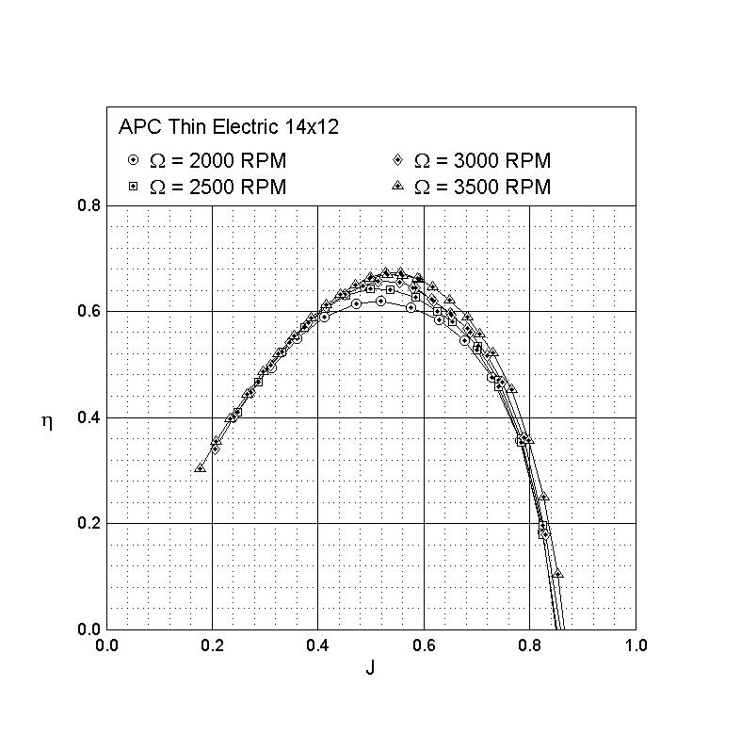
 |  |  |  |  |  |  |  |  | http://m-selig.ae.illinois.edu/props/propDB.html |  |  |  |  |  | Cpo | 0.06
 |  |  |  |  |  |  |  |  |  |  |  |  |  |  | Voltage | 14.8
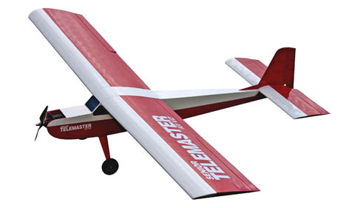
 |  |  |  |  |  |  |  |  |  |  |  |  |  |  | RPM | 7622 | RPM | 127.03333333 | RPS | 798.17397352 | rad/sec
 |  |  |  |  |  |  |  |  |  |  |  |  |  |  | Thrust | 28.45 | N | 6.40 | lbs
 |  |  |  |  |  |  |  |  |  |  |  |  |  |  | (T/W)static | 0.61
 |  |  |  |  |  |  |  |  |  |  |  |  |  |  | Power | 856.74 | W
 |  |  |  |  |  |  |  |  |  |  |  |  |  |  | Torque | 1.07 | N
 |  |  |  |  |  |  |  |  |  |  |  |  |  |  | Current | 59.39 | amps |  |  |  |  | 1.0198277907
 |  |  |  |  |  |  |  |  |  |  |  |  |  |  | time | 3 | secs
 |  |  |  |  |  |  |  |  |  |  |  |  |  |  | Energy | 2570.2 | J
 |  |  |  |  |  |  |  |  |  |  |  |  |  |  | Wbatt launch | 0.046 | N | 0.01 | lbs
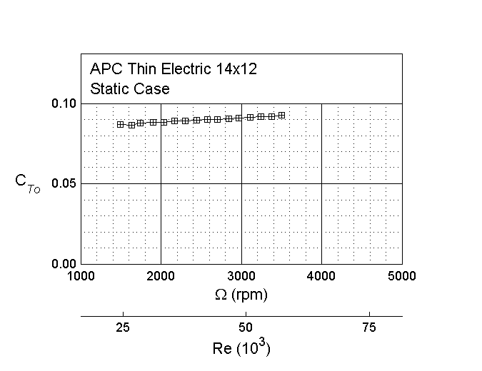
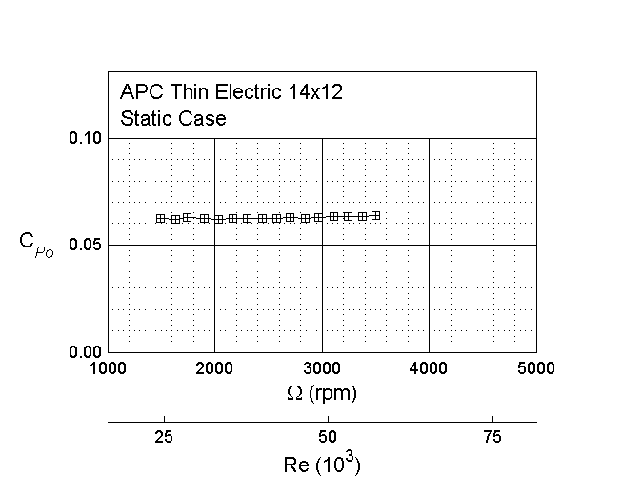

 |  | http://www.hobbyexpress.com/ready_built_senior_telemaster_red_white_airplane_2270_prd1.htm
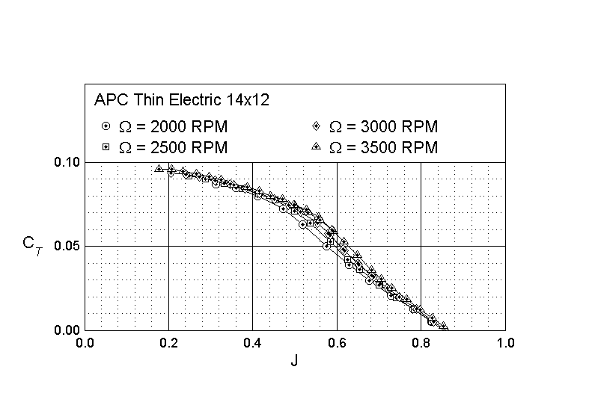
 | Radio |  |  |  |  |  |  |  |  |  |  |  |  |  | Dia | 14 | in | 0.3556 | m
 | 1 - SPM6610 DX6i 6 Ch Full Range w/o Servo MD2 |  |  |  |  |  |  |  |  |  |  |  |  |  | J | 0.6 | Guess near Maximum efficiency
 | 4 - HTS0322S Hitec HS-322 Servo |  |  |  |  |  |  |  |  |  |  |  |  |  | n | 93.738282715 | rev/sec | 5624.2969629 | RPM | 588.97500067 | rad/sec
 | 2 - HT0097 Hitec 12" Servo Extension |  |  |  |  |  |  |  |  |  |  |  |  |  | Ct | 0.06 | From data graph
 |  |  |  |  |  |  |  |  |  |  |  |  |  |  | Thrust | 8.4300906667 | iterate until thrust = drag
 | Motor/Prop |  |  |  |  |  |  |  |  |  |  |  |  |  | Cp | 0.055 | From data graph
 | 1 - PM412018 AXI Gold 4120/18 Outrunner Motor |  |  |  |  |  |  |  |  |  |  |  |  |  | Efficency | 0.65454545455
 | 1 - PM41002 Radial Mount Set for 41 Series AXI |  |  |  |  |  |  |  |  |  |  |  |  |  | P prop | 257.5861037 | watts
 | 1 - APC14010E 14x10E Thin Electric Prop |  |  |  |  | Use 14 x12 since we have data |  |  |  |  |  |  |  |  | Torque | 0.43734641268 | N-m

 | Motor Controller
 | 1 - ERCE085SB eRC 85A Brushless Programmable ESC w/SBEC

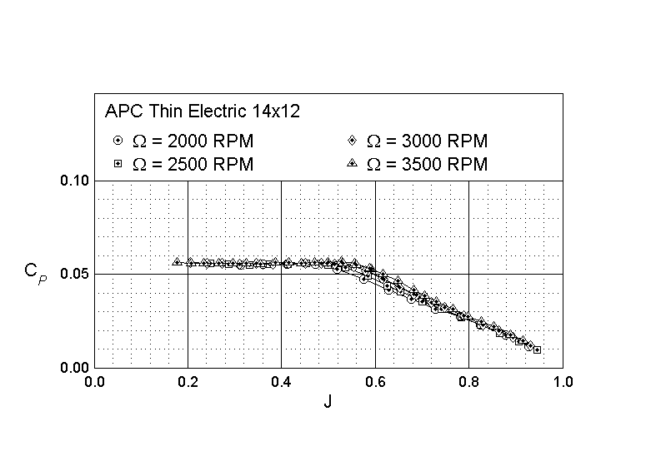
 | Battery
 | 1 - YTB45004 4-Cell 14.8V 4500mAh 20C LiPo

 | Charger
 | 1 - DYN4105 Passport UltraForce 200WAC/DCCharger
 | Technical Specifications:
 | Length: | 64"
 | Wingspan: | 94"
 | Flying Weight: | 10-1/2 lbs.
 | Controls: | Ailerons, Elevator, Rudder, Throttle
 | Wing Area: | 1330 sq. in. |  |  |  |  |  | 1 - PM412018 AXI Gold 4120/18 Outrunner Motor
 | air density |  |  | 1.225 | kg/m^3 |  |  | Specification
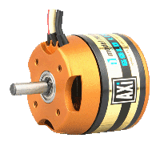
 | viscosity -nu | 1.50E-05 | m^2/sec |  |  |  |  | No. of cells | 16 - 20
 | W | 10.5 | lbs | 46.71 | N |  |  |  | 5 - 7 Li-Poly
Wing | Area | 1330 | in^2 | 0.86 | m^2 |  |  | RPM/V | 515 RMP/V | Kv | 515 | RPM/V | 53.930673887 | (rad/sec)/volt
 | span | 94 | in | 2.39 | m | 1.1938 | 47 | Max. efficiency | 86% | Kt |  |  | 0.018542323467 | N-m/Amp
 | AR | 6.64 |  |  |  |  |  | Max. efficiency current | 15 - 40 A (>82%)
 | chord | 14.15 | in | 0.36 | m |  |  | No load current / 10 V | 1,5 A | Io | 1.5
 | W/S | 18.19 | oz/ft^3 | 54.43 | N/m^2
 | Dihedral | 3.00 | degrees |  |  |  |  | Current capacity | 55 A/60 s
Horizontal | span | 34.00 | in | 0.86 | m |  |  | Internal Resistance | 70 mohm | Rm | 0.07
Tail | chord | 9.50 | in | 0.24 | m
 | AR | 3.54 |  |  |  |  |  |  |  |  |  |  | 880
X location | x | 40.00 | in | 1.02 | m |  |  |  |  |  |  |  | 576
Wing LE to Tail LE
Vertical tail | span | 10.20 | in | 0.26 | m
 | root chord | 9.50 | in | 0.24 | m |  |  | Dimensions (diameter. x lenght) | 49,8x55,5 mm
 | tip chord | 5.18 | in | 0.13 | m |  |  | Shaft diameter | 6 mm
 | Tip offset | 4.32 | in | 0.11 | m |  |  | Weight with cables | 320 g

 | Cruise |  |  |  |  |  |  |  |  | Voltage | 11.03 | volts
 | V | 20 | m/sec | 44.74 | mph
 | q | 245 | N/m^2 |  |  |  |  |  |  | Current | 25.09 | amps
 | Re | 479177.30
 | CL | 0.2222
 | e | 0.9 |  |  |  |  |  |  |  | eff | 0.93
 | Cdi | 0.0026 | Induced drag
 | Cdo | 0.0375 | Historical estimate
 | Cd | 0.0401 | total drag coefficient( parasitic plus induced)
 | Drag | 8.44 | N |  |  |  | rad/sec |  |  | P elec | 276.60 | watts | 0.60996548512
 | L/D | 5.54 |  |  |  |  |  | Battery |  |  | 5.9221467459
 | P mech | 168.72 | watts |  |  |  |  | 4500mAh 4S 14.8V 20C LiPo Battery w/ Deans
 |  |  |  |  |  |  |  |  |  | 4.5 | amp-hours
 | Dia | 14 | in | 0.356 | m |  |  |  | Time | 0.17938015719 | hours | 10.762809432 | minutes
 | J | 0.60 | Guess near Maximum efficiency
 | n | 93.74 | rev/sec | 5624.3 | RPM | 589.0
 | Ct | 0.06 | From data graph |  |  |  |  | Technical Specifications:
 | Thrust | 8.43 | iterate until thrust = drag |  |  |  |  | Length: | 6"
 | Cp | 0.06 | From data graph |  |  |  |  | Width: | 1-3/4"
 | Efficency | 0.65 |  |  |  |  |  | Height: | 1-1/4"
 | P prop | 257.59 | watts |  |  |  |  | C Rating: | 20C
 | Torque | 0.44 | N-m |  |  |  |  | Weight: | 16.5 oz. | 1.03125 | lbs | 4.587226875 | N

 | Wb/Wto | 0.098214285714

 |  | 4.5 | amp-hours
 | Time | 0.179 | hours | 10.76 | minutes | Max cruise time
 | Range | 12.92 | km | 8.03 | miles

 | P/W | 5.52 | W/N | 24.53 | W/Lb

 | Clmax | 1.2
 | Stall Speed | 8.61 | m/sec

 | CL max L/D | 0.8393
 | V at L/D max | 10.29 | m/sec

 | Max Speed
 | Fully charged battery
 | voltage | 16 | volts
 | RPM | 8185.9 | RPM | 136.43208333 | rev/sec
 | J | 0.45
 | V | 21.83 | m/sec
 | Ct | 0.08
 | Cp | 0.06
 | T | 10.37 | N
 | D | 10.05 | N
 | Efficiency | 0.65

senior telemaster 17x12
 |  |  |  |  |  |  |  |  |  | 0.85714285714
 |  |  |  |  |  |  |  |  |  |  |  |  |  |  | Static Thrust
 |  |  |  |  |  |  |  |  | From UIUC Web site |  |  |  |  |  | Cto | 0.09
 |  |  |  |  |  |  |  |  | http://m-selig.ae.illinois.edu/props/propDB.html |  |  |  |  |  | Cpo | 0.06
 |  |  |  |  |  |  |  |  |  |  |  |  |  |  | Voltage | 14.8
 |  |  |  |  |  |  |  |  |  |  |  |  |  |  | RPM | 7622 | RPM | 127.03333333 | RPS | 798.17397352 | rad/sec
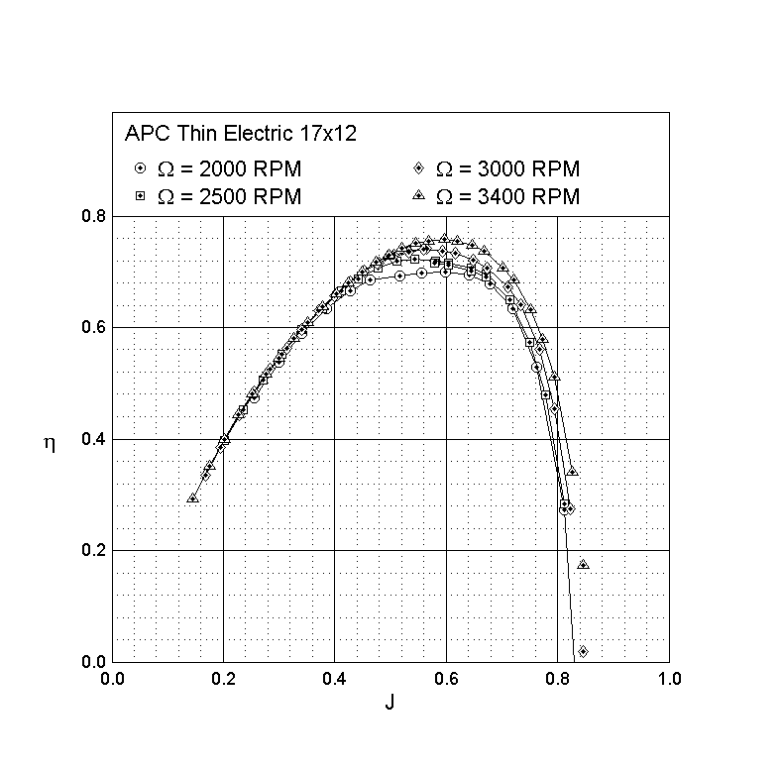
 |  |  |  |  |  |  |  |  |  |  |  |  |  |  | Thrust | 61.85 | N | 13.90 | lbs
 |  |  |  |  |  |  |  |  |  |  |  |  |  |  | (T/W)static | 1.32
 |  |  |  |  |  |  |  |  |  |  |  |  |  |  | Power | 2261.80 | W
 |  |  |  |  |  |  |  |  |  |  |  |  |  |  | Torque | 2.83 | N
 |  |  |  |  |  |  |  |  |  |  |  |  |  |  | Current | 154.32 | amps |  |  |  |  | 1.0198277907
 |  |  |  |  |  |  |  |  |  |  |  |  |  |  | time | 3 | secs
 |  |  |  |  |  |  |  |  |  |  |  |  |  |  | Energy | 6785.4 | J
 |  |  |  |  |  |  |  |  |  |  |  |  |  |  | Wbatt launch | 0.121 | N | 0.03 | lbs

 |  | http://www.hobbyexpress.com/ready_built_senior_telemaster_red_white_airplane_2270_prd1.htm

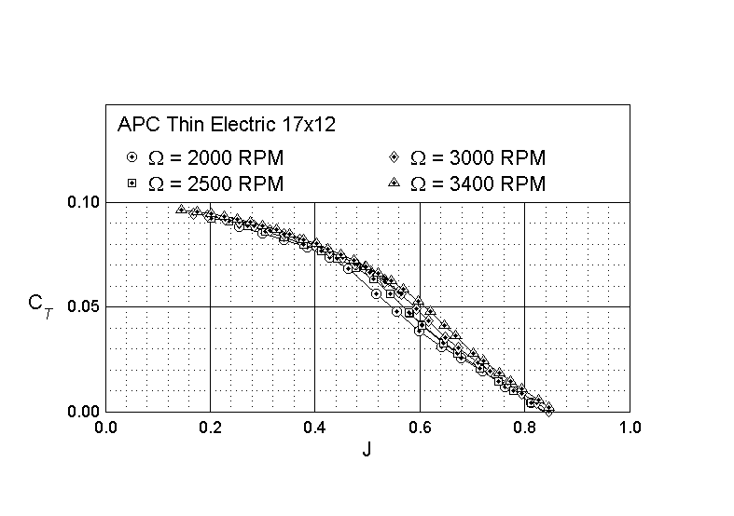
 | Radio |  |  |  |  |  |  |  |  |  |  |  |  |  | Dia | 14 | in | 0.3556 | m
 | 1 - SPM6610 DX6i 6 Ch Full Range w/o Servo MD2 |  |  |  |  |  |  |  |  |  |  |  |  |  | J | 0.6 | Guess near Maximum efficiency
 | 4 - HTS0322S Hitec HS-322 Servo |  |  |  |  |  |  |  |  |  |  |  |  |  | n | 93.738282715 | rev/sec | 5624.2969629 | RPM | 588.97500067 | rad/sec
 | 2 - HT0097 Hitec 12" Servo Extension |  |  |  |  |  |  |  |  |  |  |  |  |  | Ct | 0.06 | From data graph
 |  |  |  |  |  |  |  |  |  |  |  |  |  |  | Thrust | 8.4300906667 | iterate until thrust = drag
 | Motor/Prop |  |  |  |  |  |  |  |  |  |  |  |  |  | Cp | 0.055 | From data graph
 | 1 - PM412018 AXI Gold 4120/18 Outrunner Motor |  |  |  |  |  |  |  |  |  |  |  |  |  | Efficency | 0.65454545455
 | 1 - PM41002 Radial Mount Set for 41 Series AXI |  |  |  |  |  |  |  |  |  |  |  |  |  | P prop | 257.5861037 | watts
 | 1 - APC14010E 14x10E Thin Electric Prop |  |  |  |  | Use 17 x12 since we have data |  |  |  |  |  |  |  |  | Torque | 0.43734641268 | N-m

 | Motor Controller
 | 1 - ERCE085SB eRC 85A Brushless Programmable ESC w/SBEC

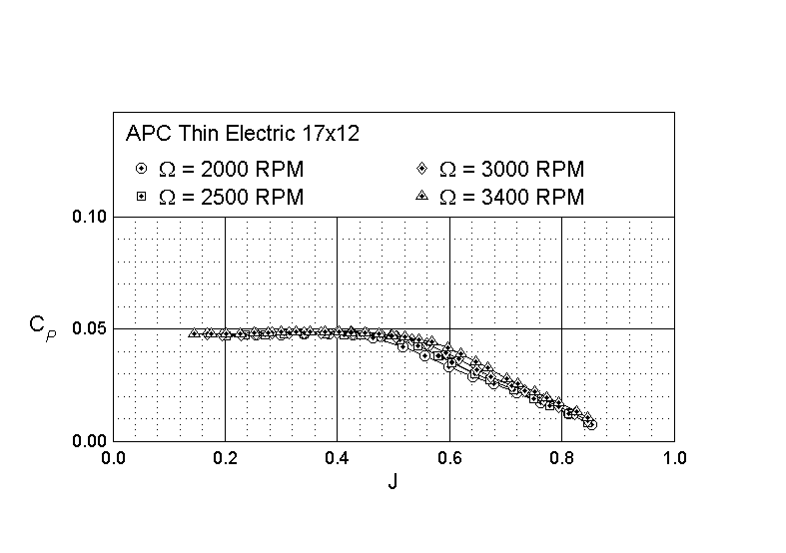
 | Battery
 | 1 - YTB45004 4-Cell 14.8V 4500mAh 20C LiPo

 | Charger
 | 1 - DYN4105 Passport UltraForce 200WAC/DCCharger
 | Technical Specifications:
 | Length: | 64"
 | Wingspan: | 94"
 | Flying Weight: | 10-1/2 lbs.
 | Controls: | Ailerons, Elevator, Rudder, Throttle
 | Wing Area: | 1330 sq. in. |  |  |  |  |  | 1 - PM412018 AXI Gold 4120/18 Outrunner Motor
 | air density |  |  | 1.225 | kg/m^3 |  |  | Specification
 | viscosity -nu | 1.50E-05 | m^2/sec |  |  |  |  | No. of cells | 16 - 20
 | W | 10.5 | lbs | 46.71 | N |  |  |  | 5 - 7 Li-Poly
Wing | Area | 1330 | in^2 | 0.86 | m^2 |  |  | RPM/V | 515 RMP/V | Kv | 515 | RPM/V | 53.930673887 | (rad/sec)/volt
 | span | 94 | in | 2.39 | m | 1.1938 | 47 | Max. efficiency | 86% | Kt |  |  | 0.018542323467 | N-m/Amp
 | AR | 6.64 |  |  |  |  |  | Max. efficiency current | 15 - 40 A (>82%)
 | chord | 14.15 | in | 0.36 | m |  |  | No load current / 10 V | 1,5 A | Io | 1.5
 | W/S | 18.19 | oz/ft^3 | 54.43 | N/m^2
 | Dihedral | 3.00 | degrees |  |  |  |  | Current capacity | 55 A/60 s
Horizontal | span | 34.00 | in | 0.86 | m |  |  | Internal Resistance | 70 mohm | Rm | 0.07
Tail | chord | 9.50 | in | 0.24 | m
 | AR | 3.54 |  |  |  |  |  |  |  |  |  |  | 880
X location | x | 40.00 | in | 1.02 | m |  |  |  |  |  |  |  | 701.48571429
Wing LE to Tail LE
Vertical tail | span | 10.20 | in | 0.26 | m
 | root chord | 9.50 | in | 0.24 | m |  |  | Dimensions (diameter. x lenght) | 49,8x55,5 mm
 | tip chord | 5.18 | in | 0.13 | m |  |  | Shaft diameter | 6 mm
 | Tip offset | 4.32 | in | 0.11 | m |  |  | Weight with cables | 320 g

 | Cruise |  |  |  |  |  |  |  |  | Voltage | 8.81 | volts
 | V | 20 | m/sec | 44.74 | mph
 | q | 245 | N/m^2 |  |  |  |  |  |  | Current | 26.67 | amps
 | Re | 479177.30
 | CL | 0.2222
 | e | 0.9 |  |  |  |  |  |  |  | eff | 0.93
 | Cdi | 0.0026 | Induced drag
 | Cdo | 0.0375 | Historical estimate
 | Cd | 0.0401 | total drag coefficient( parasitic plus induced)
 | Drag | 8.44 | N |  |  |  | rad/sec |  |  | P elec | 234.91 | watts | 0.71822751395
 | L/D | 5.54 |  |  |  |  |  | Battery |  |  | 5.0294719189
 | P mech | 168.72 | watts |  |  |  |  | 4500mAh 4S 14.8V 20C LiPo Battery w/ Deans
 |  |  |  |  |  |  |  |  |  | 4.5 | amp-hours
 | Dia | 17.000 | in | 0.432 | m |  |  |  | Time | 0.16874162011 | hours | 10.124497206 | minutes
 | J | 0.620 | Guess near Maximum efficiency
 | n | 74.706 | rev/sec | 4482.4 | RPM | 469.4
 | Ct | 0.045 | From data graph |  |  |  |  | Technical Specifications:
 | Thrust | 8.731 | iterate until thrust = drag |  |  |  |  | Length: | 6"
 | Cp | 0.035 | From data graph |  |  |  |  | Width: | 1-3/4"
 | Efficency | 0.797 |  |  |  |  |  | Height: | 1-1/4"
 | P prop | 219.053 | watts |  |  |  |  | C Rating: | 20C
 | Torque | 0.467 | N-m |  |  |  |  | Weight: | 16.5 oz. | 1.03125 | lbs | 4.587226875 | N

 | Wb/Wto | 0.098214285714

 |  | 4.5 | amp-hours
 | Time | 0.169 | hours | 10.12 | minutes | Max cruise time
 | Range | 12.15 | km | 7.55 | miles

 | P/W | 4.69 | W/N | 20.86 | W/Lb

 | Clmax | 1.2
 | Stall Speed | 8.61 | m/sec

 | CL max L/D | 0.8393
 | V at L/D max | 10.29 | m/sec

 | Max Speed
 | Fully charged battery
 | voltage | 16 | volts
 | RPM | 8185.9 | RPM | 136.43208333 | rev/sec
 | J | 0.45
 | V | 26.51 | m/sec
 | Ct | 0.08
 | Cp | 0.04
 | T | 27.38 | N
 | D | 14.82 | N
 | Efficiency | 1.03

