Sheet1
电机材料购买表
商品简称 | 数量 | 单位 | 规格 | 型号 | 单价 | 总价 | 产品图片 | 链接
开发板 | 1 | 个 | 达妙科技 |  | 199 | 199 | 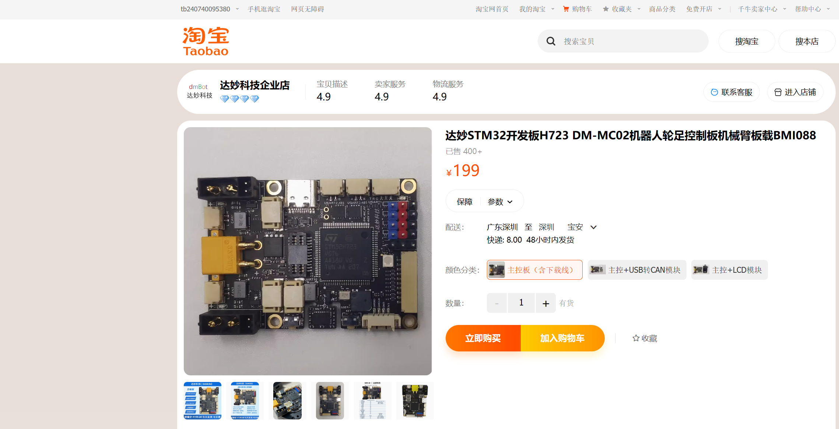 | https://item.taobao.com/item.htm?abbucket=17&id=767305853444&ns=1&spm=a21n57.1.item.4.7713523cYvrGQW&skuId=5440731611044 | https://item.taobao.com/item.htm?abbucket=17&id=767305853444&ns=1&spm=a21n57.1.item.4.7713523cYvrGQW
DM4310 | 4 | 个 | 达妙科技 | DM-J4310-2EC | 599 | 2396 | 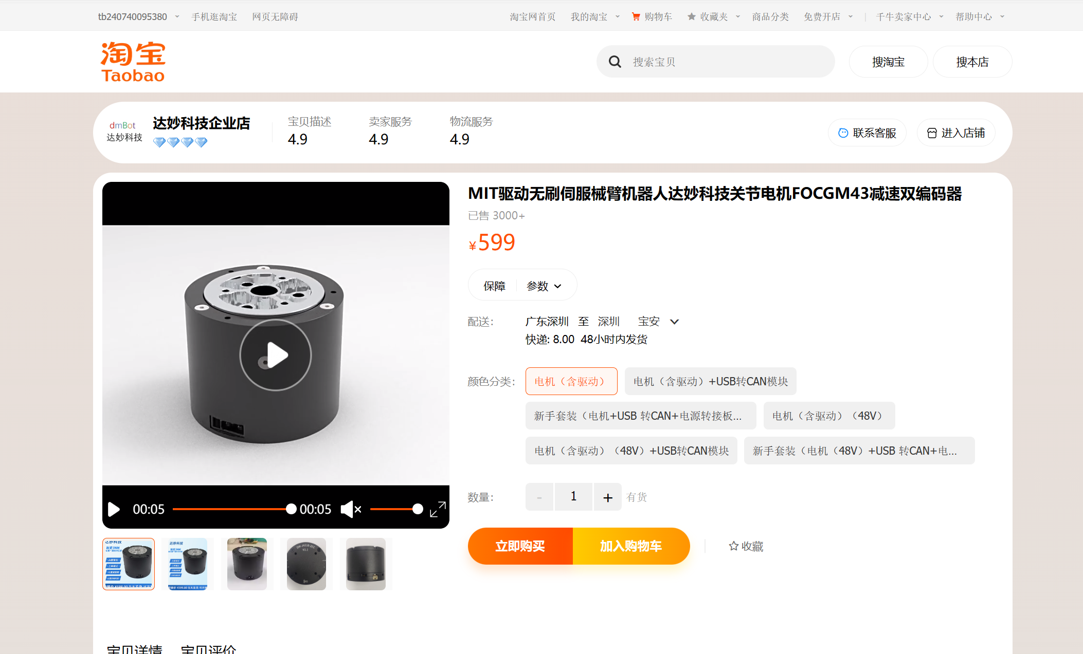 | https://item.taobao.com/item.htm?id=675214894503&spm=a1z10.3-c-s.w4002-23557095015.12.531961f38CXuBL&skuId=4852544328338 | https://item.taobao.com/item.htm?id=675214894503&spm=a1z10.3-c-s.w4002-23557095015.12.531961f38CXuBL
XT30 2+2 | 4 | 个 | 达妙科技 | XT30 2+2 | 12 | 48 | 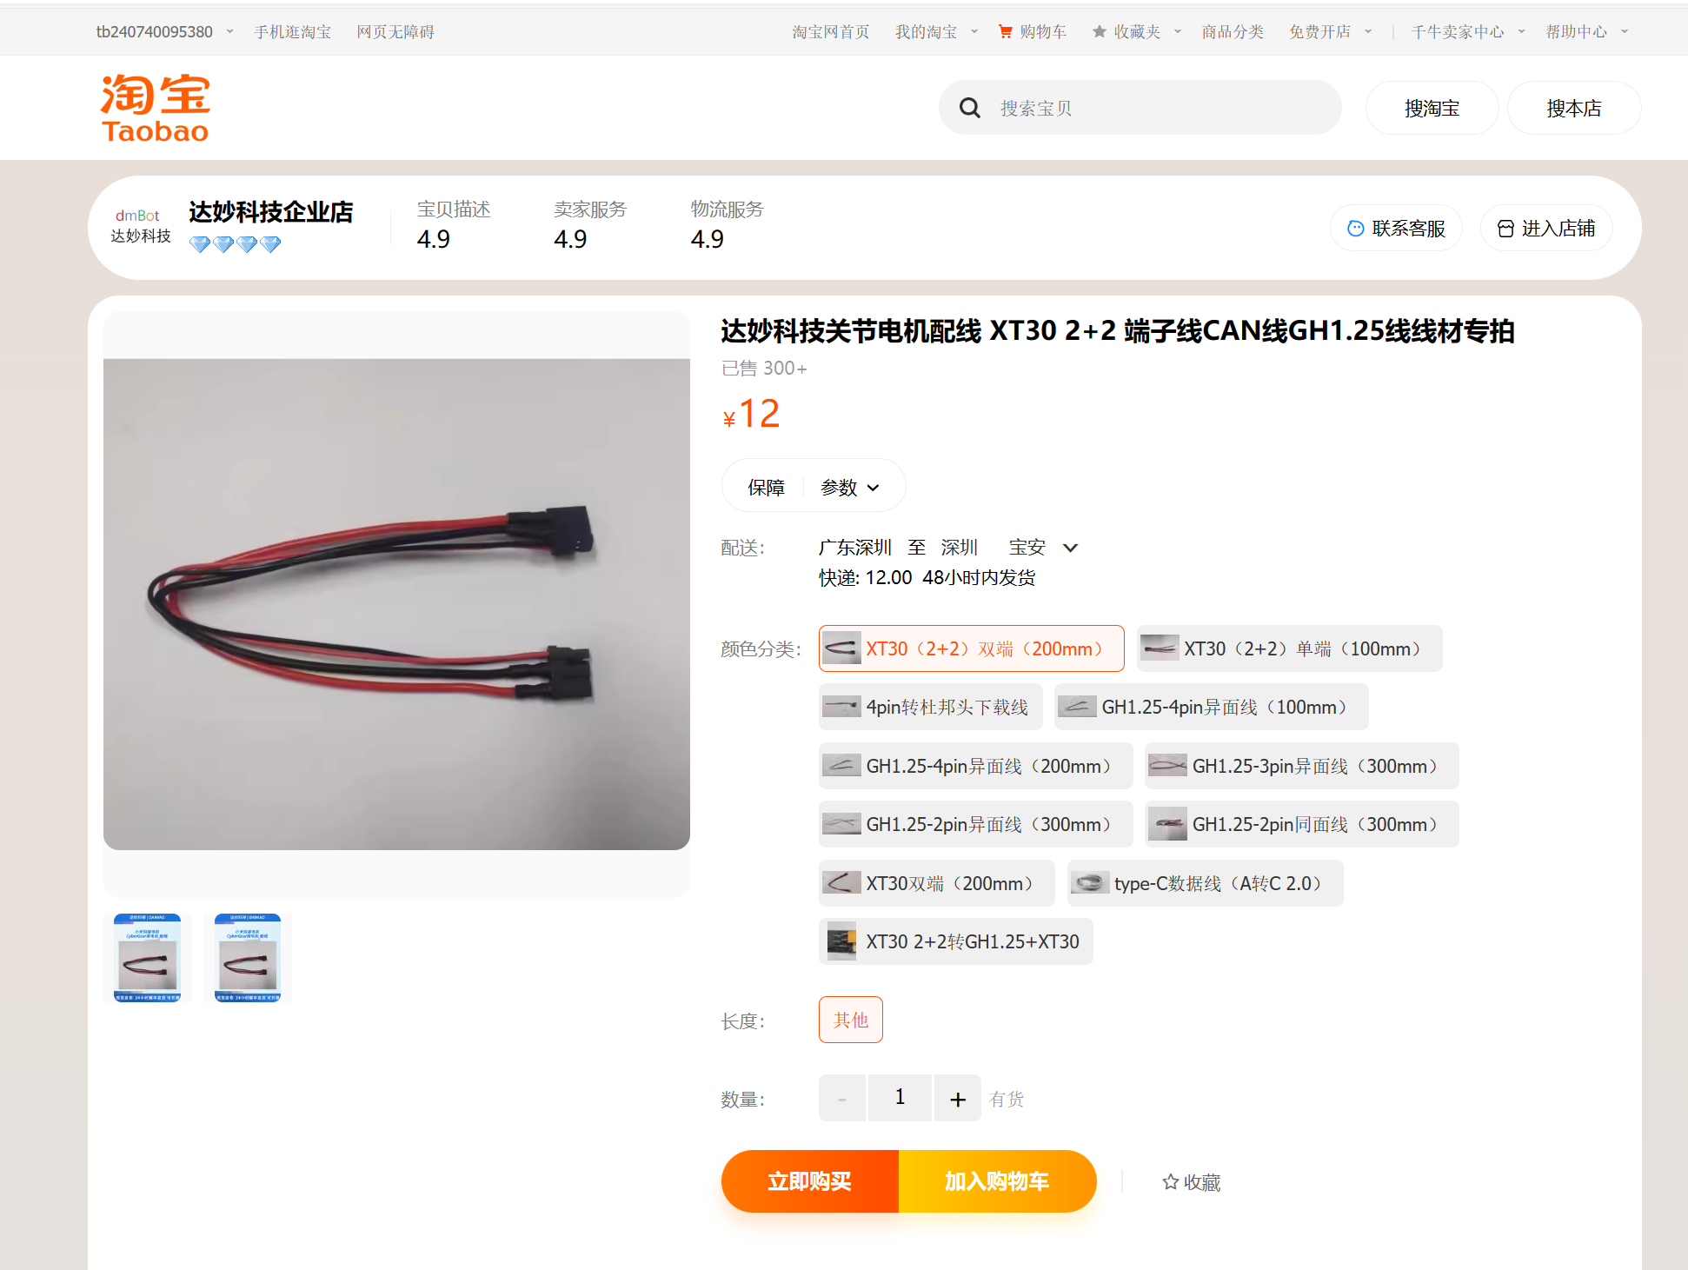 | https://item.taobao.com/item.htm?id=781570215534&spm=a1z10.3-c-s.w4002-23557095015.9.218161f3k2HIe5&skuId=5340576637041 | https://item.taobao.com/item.htm?id=781570215534&spm=a1z10.3-c-s.w4002-23557095015.9.218161f3k2HIe5&skuId=5340576637041
转接板 | 2 | 个 | 达妙科技 | XT30 2+2 | 8 | 16 | 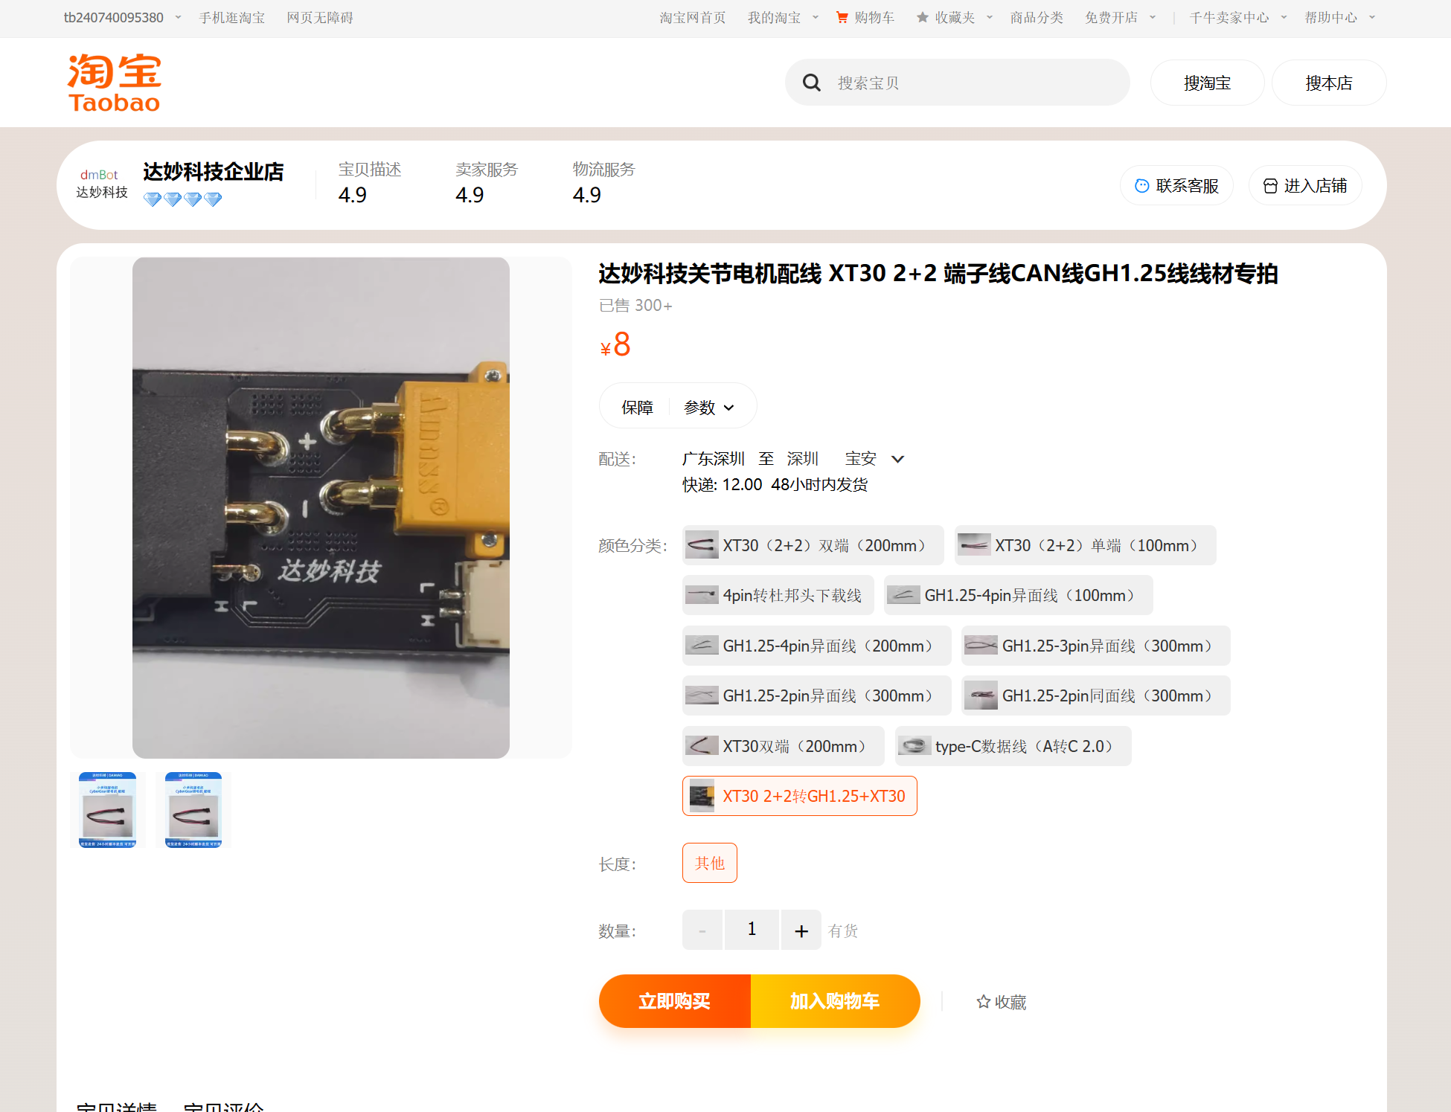 | 达妙科技关节电机配线 XT30 2+2 端子线CAN线GH1.25线线材专拍-淘宝网 (taobao.com) | 达妙科技关节电机配线 XT30 2+2 端子线CAN线GH1.25线线材专拍-淘宝网 (taobao.com)
can线 | 3 | 条 | 达妙科技 | XT30 2+2 | 2 | 6 | 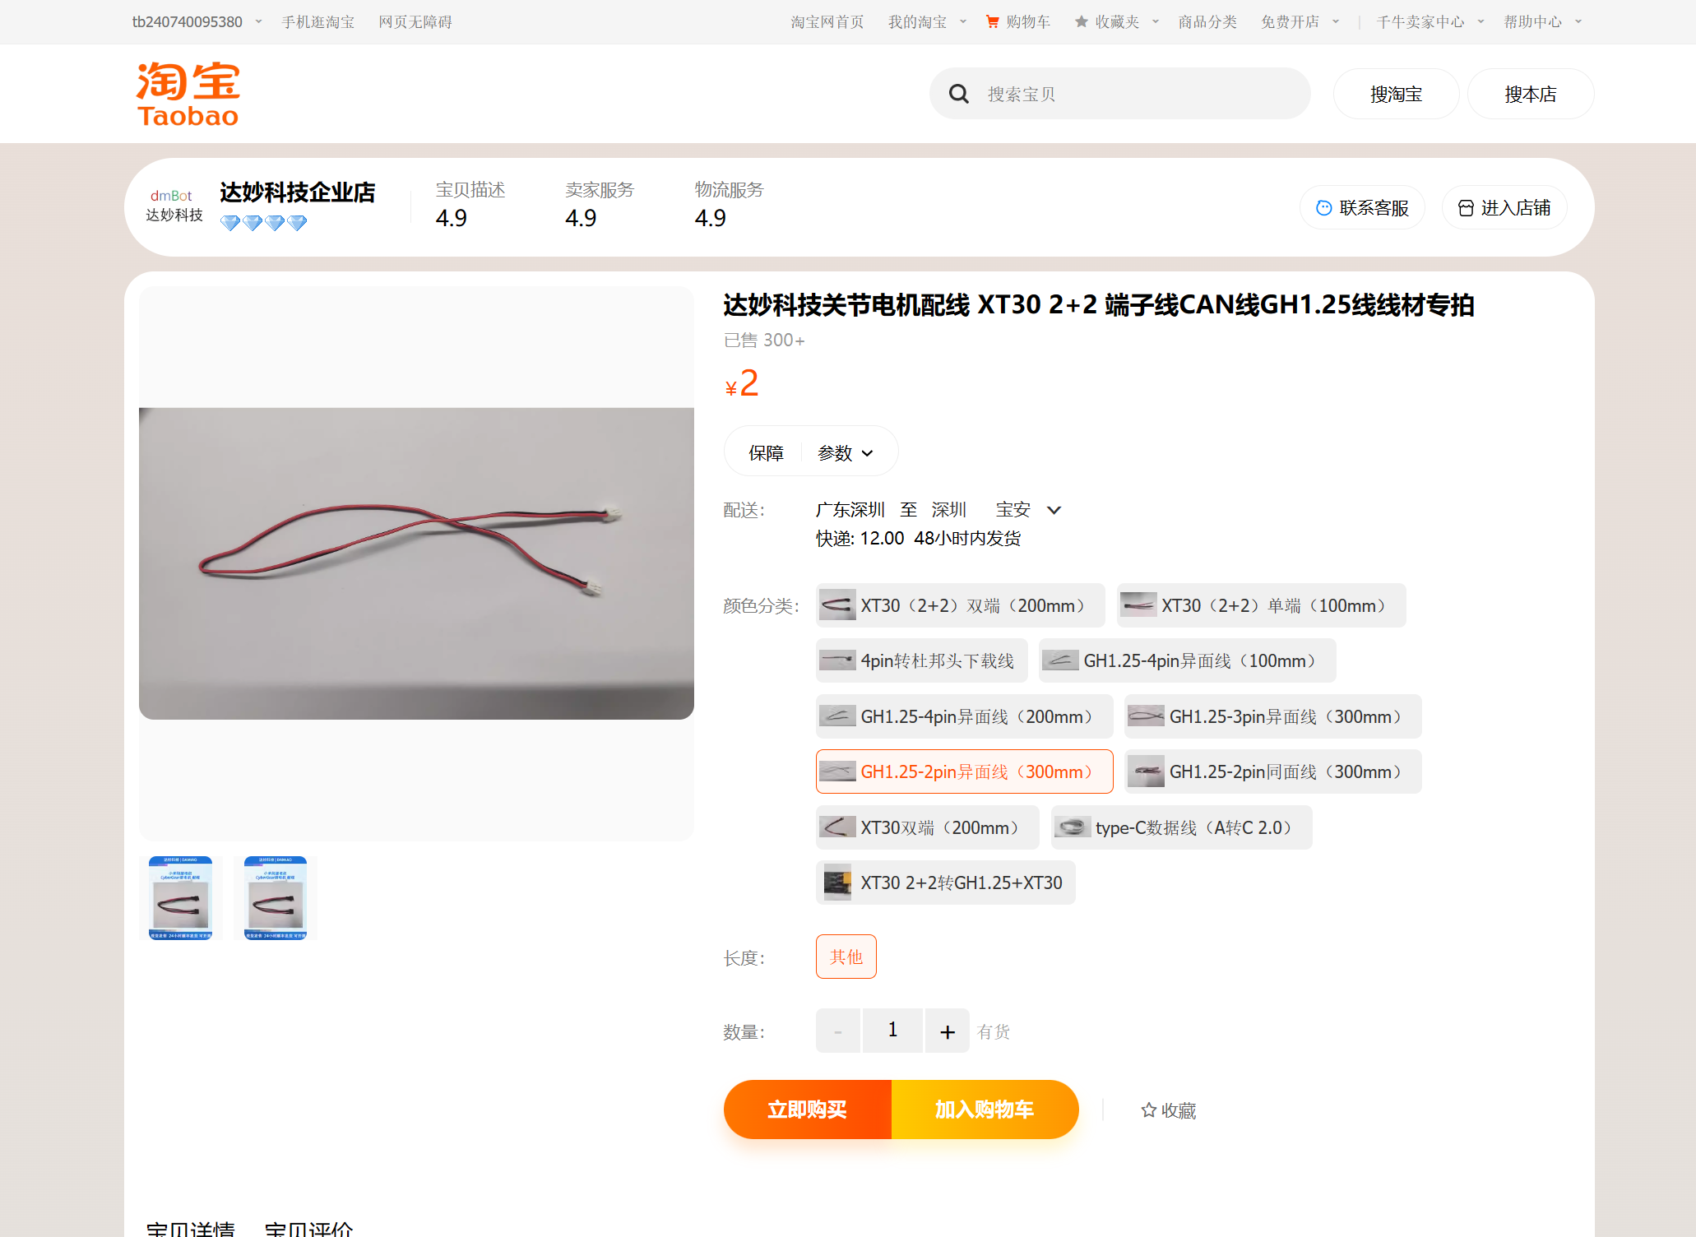 | https://item.taobao.com/item.htm?id=781570215534&skuId=5340576637047&spm=a1z10.3-c-s.w4002-23557095015.9.218161f3k2HIe5 | https://item.taobao.com/item.htm?id=781570215534&skuId=5340576637047&spm=a1z10.3-c-s.w4002-23557095015.9.218161f3k2HIe5
XT30双端 | 5 | 条 | 达妙科技 | XT30 2+2 | 7 | 35 | 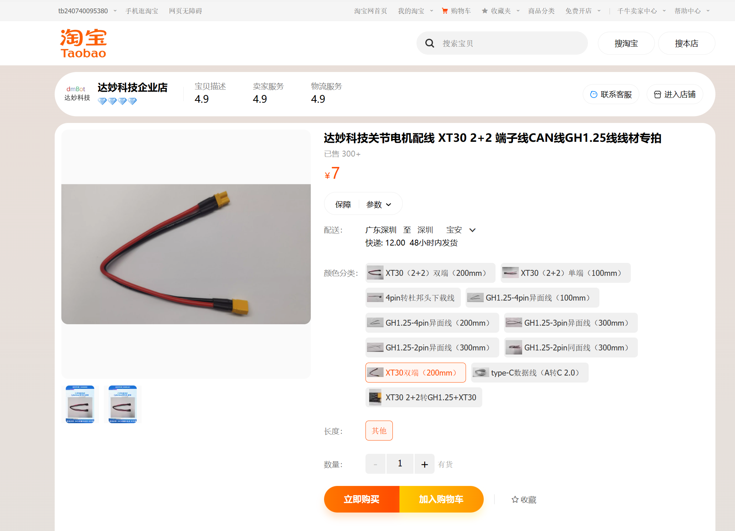 | https://item.taobao.com/item.htm?id=781570215534&skuId=5340576637049&spm=a1z10.3-c-s.w4002-23557095015.9.218161f3k2HIe5 | 达妙科技关节电机配线 XT30 2+2 端子线CAN线GH1.25线线材专拍-淘宝网 (taobao.com)
usb转can模块 | 1 | 个 | 达妙科技 | DM-USBCU1 | 93 | 93 |  | https://item.taobao.com/item.htm?id=639679565187&spm=a1z10.3-c-s.w4002-23557095015.9.605361f3FTgW6b
DMH6215 | 2 | 个 | 达妙科技 | DM-H6215 | 299 | 298 |  | https://item.taobao.com/item.htm?abbucket=14&id=800912277956&ns=1&priceTId=2147bf4217173165784418472e32b3&spm=a21n57.1.item.4.518f523cYK0JlL&skuId=5625814459196
材料购买表
商品简称 | 数量 | 单位 | 规格 | 型号 |  |  | 产品图片 | 链接
杯头螺丝 | 1 | 件 | M2.5*20[50个] | SZ105-国标DIN912 | 4.8 | 4.8 | 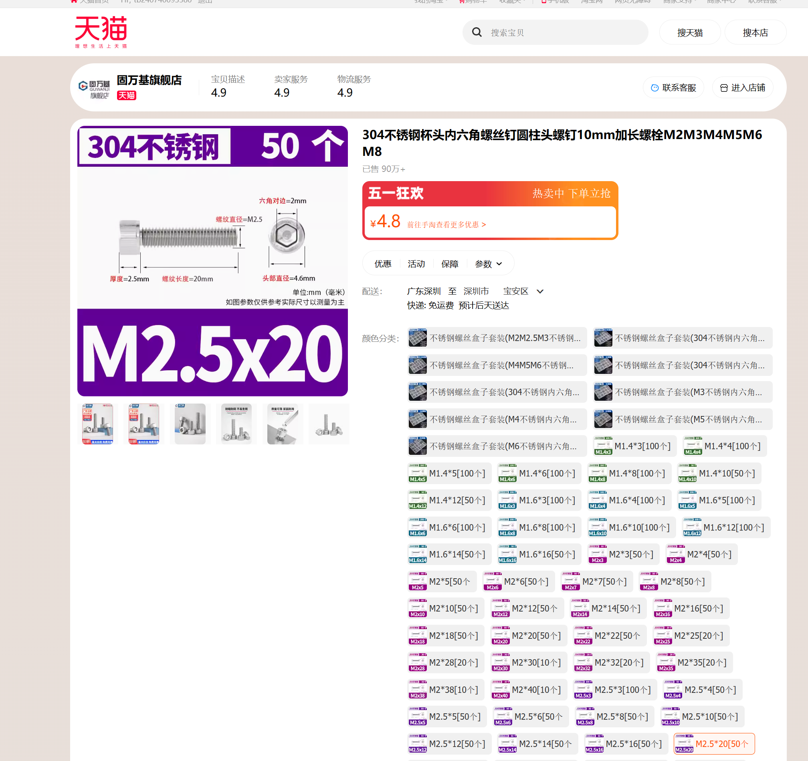 | https://detail.tmall.com/item.htm?abbucket=9&id=635755541429&rn=fae803cdf914543828e5c5339c031aed&spm=a1z10.5-b.w4011-14789417929.90.58f73750Dss4JO&skuId=4556124369916
杯头螺丝 | 1 | 件 | M3*12[50个] | SZ105-国标DIN912 | 3 | 3 | 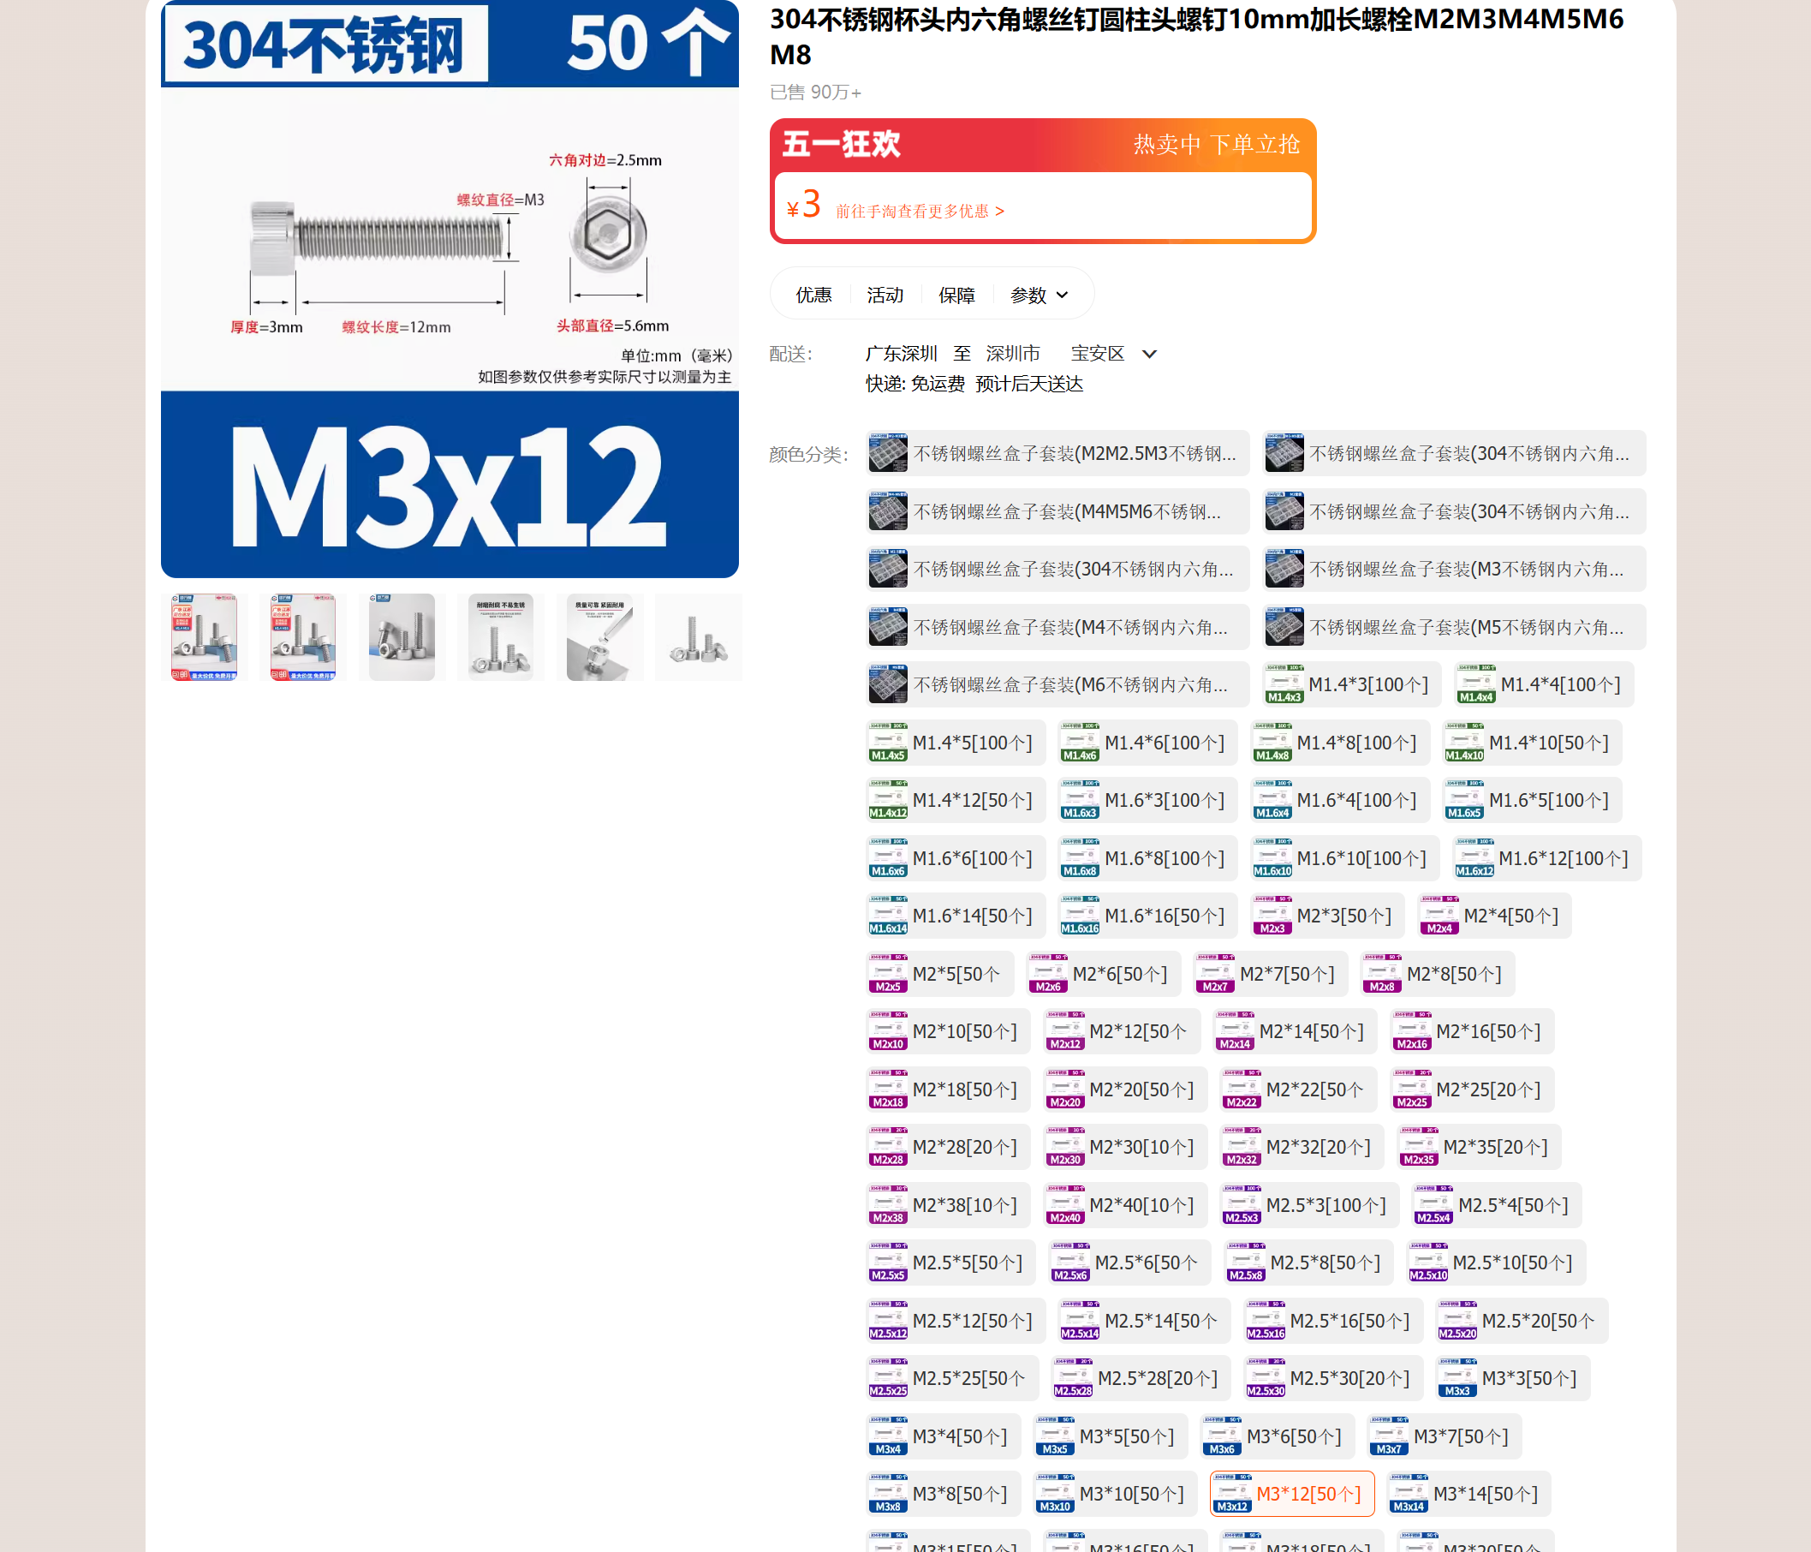 | https://detail.tmall.com/item.htm?abbucket=9&id=635755541429&rn=fae803cdf914543828e5c5339c031aed&skuId=4551620356171&spm=a1z10.5-b.w4011-14789417929.90.58f73750Dss4JO
杯头螺丝 | 1 | 件 | M3*20[50个] | SZ105-国标DIN912 | 4 | 4 | 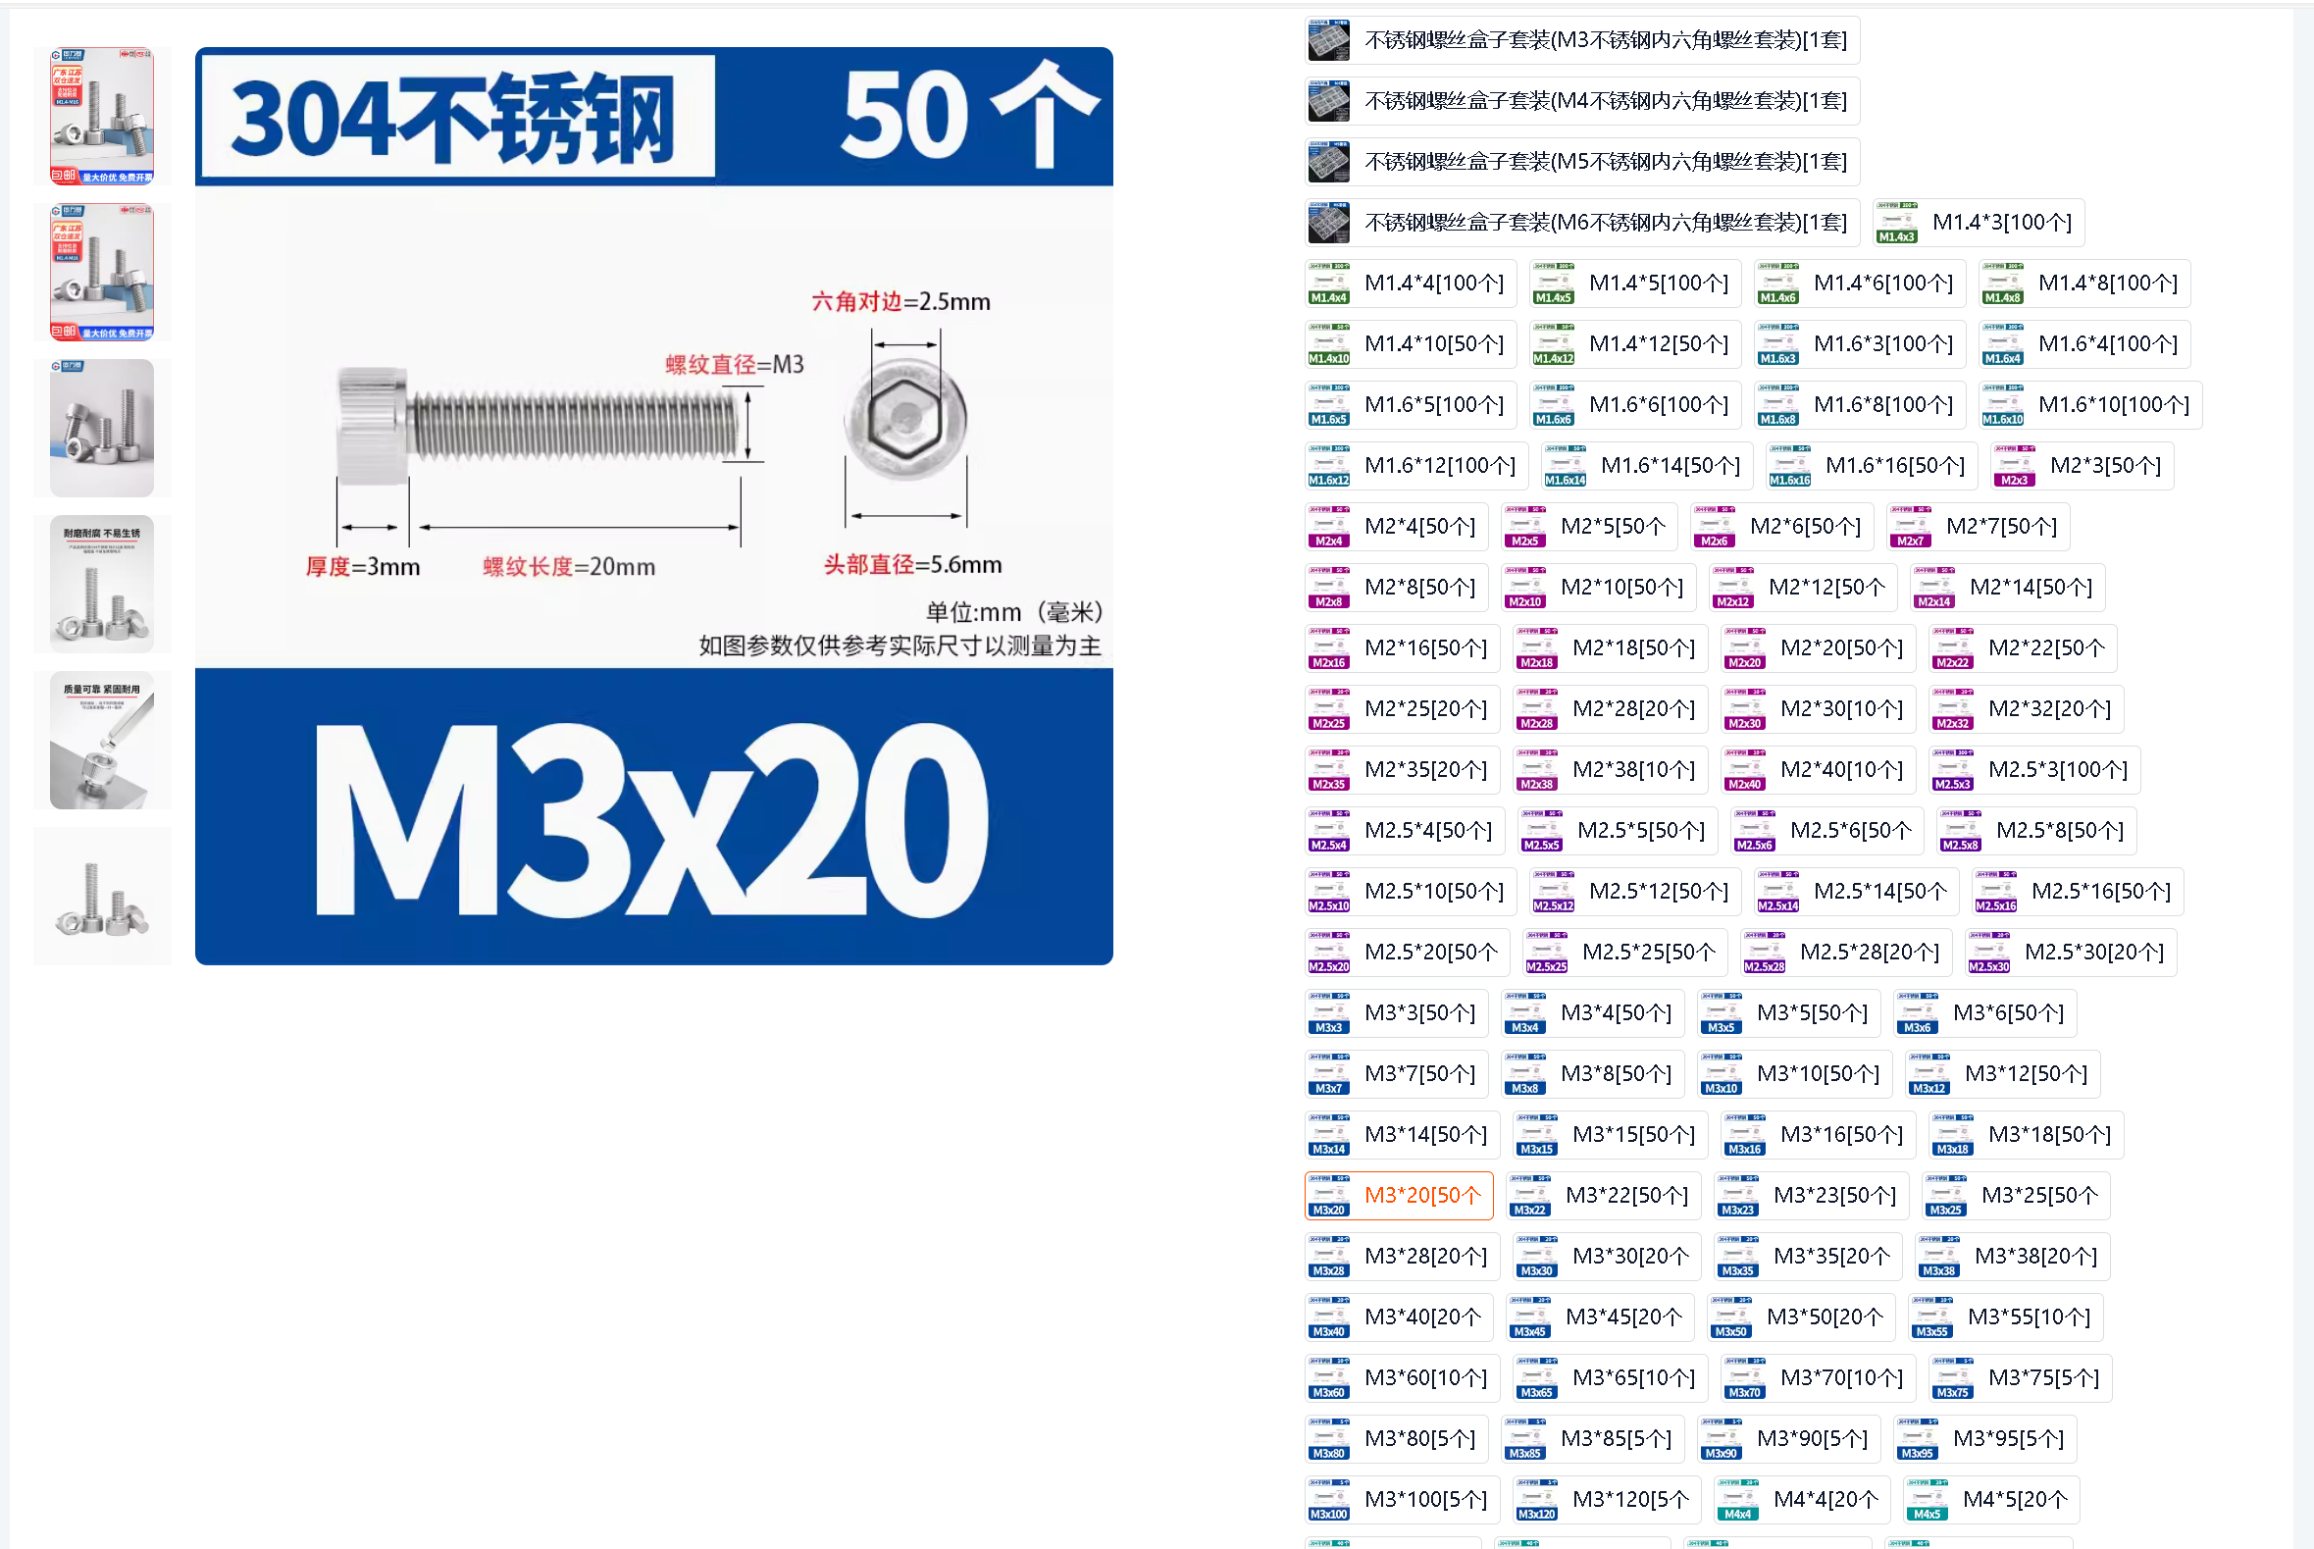 | https://detail.tmall.com/item.htm?abbucket=9&id=635755541429&rn=fae803cdf914543828e5c5339c031aed&spm=a1z10.5-b.w4011-14789417929.90.58f73750Dss4JO&skuId=4551620356173
杯头螺丝 | 1 | 件 | M3*40[50个] | SZ105-国标DIN912 | 3.1 | 3.1 | 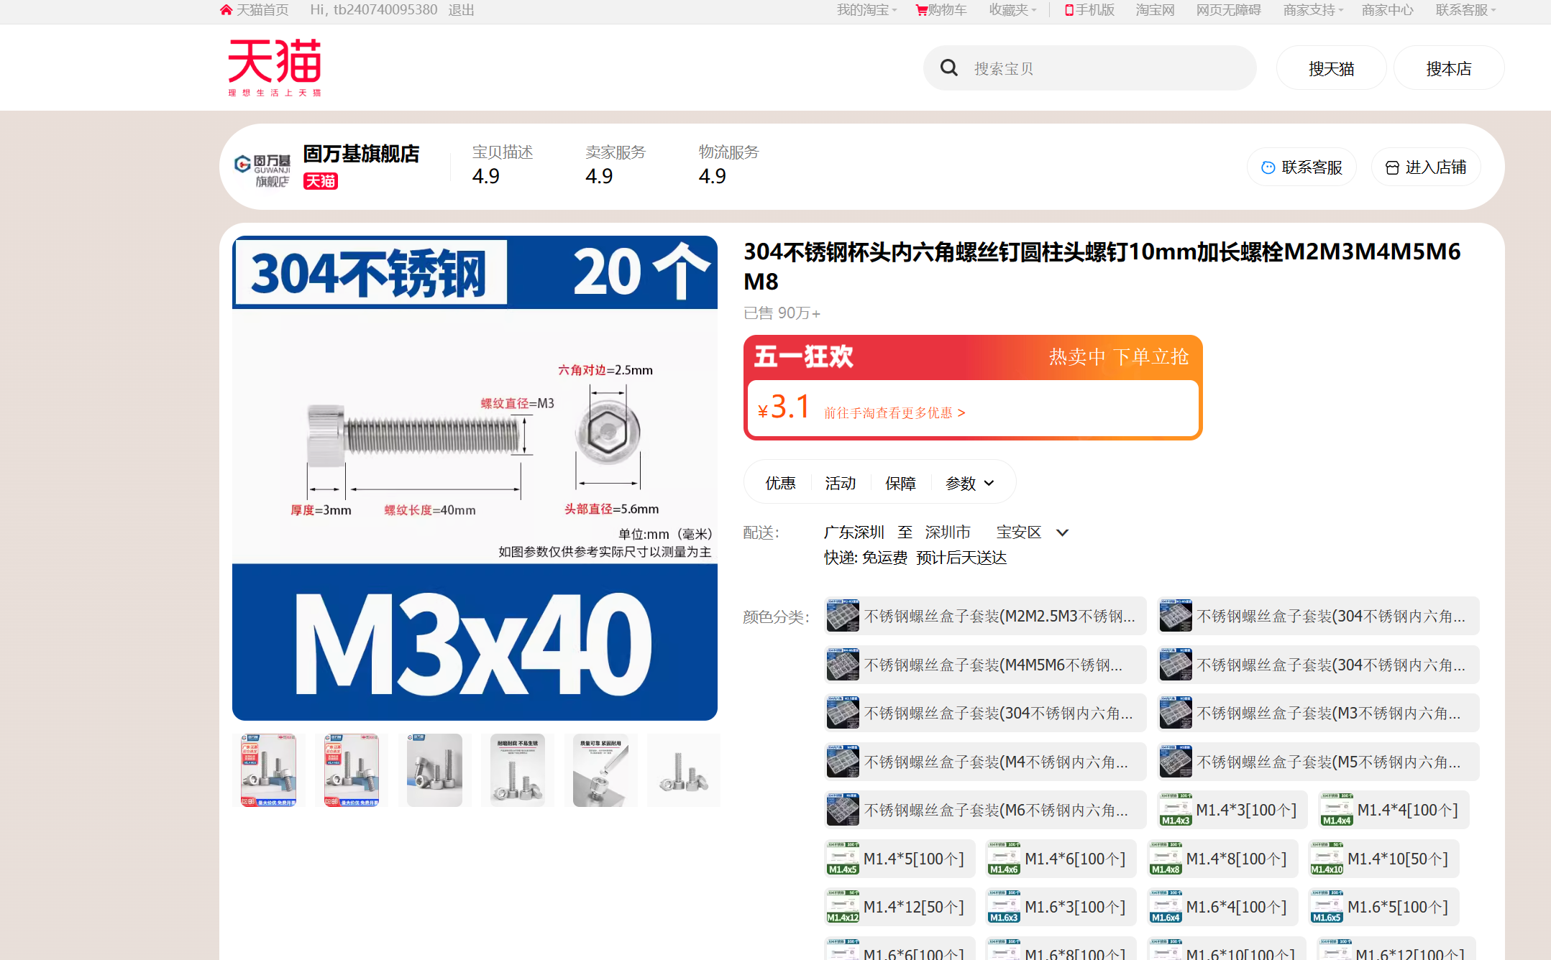 | https://detail.tmall.com/item.htm?abbucket=9&id=635755541429&rn=fae803cdf914543828e5c5339c031aed&skuId=4551620356166&spm=a1z10.5-b.w4011-14789417929.90.58f73750Dss4JO
杯头螺丝 | 1 | 件 | M5*25[20个] | SZ105-国标DIN912 | 4.2 | 4.2 | 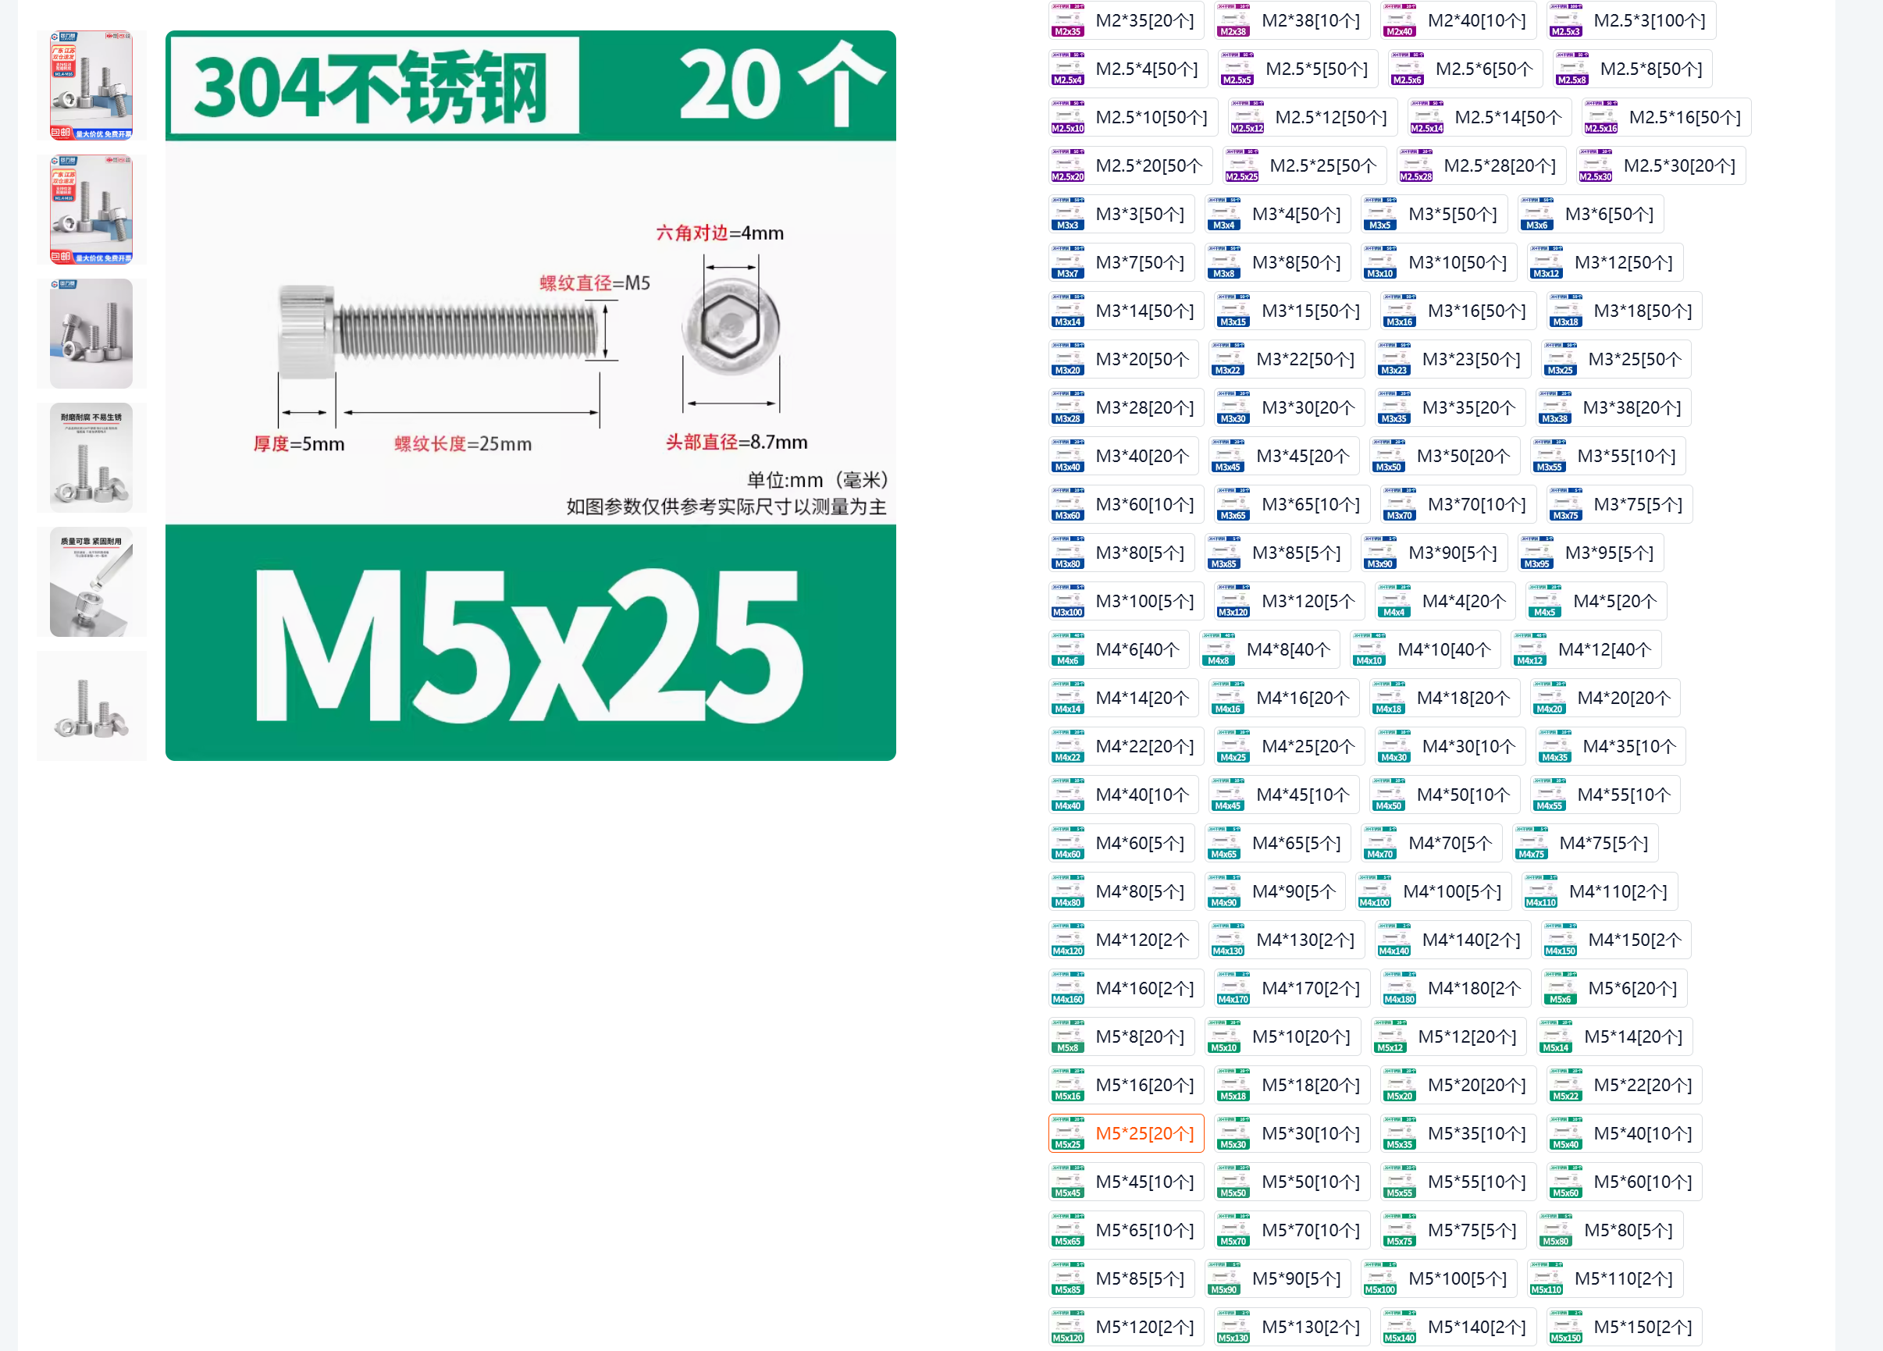 | https://detail.tmall.com/item.htm?abbucket=9&id=635755541429&rn=fae803cdf914543828e5c5339c031aed&spm=a1z10.5-b.w4011-14789417929.90.58f73750Dss4JO&skuId=4555949761452
沉头螺丝 | 1 | 件 | M3*8[50个] | SZ967-12.9级 | 3.4 | 3.4 | 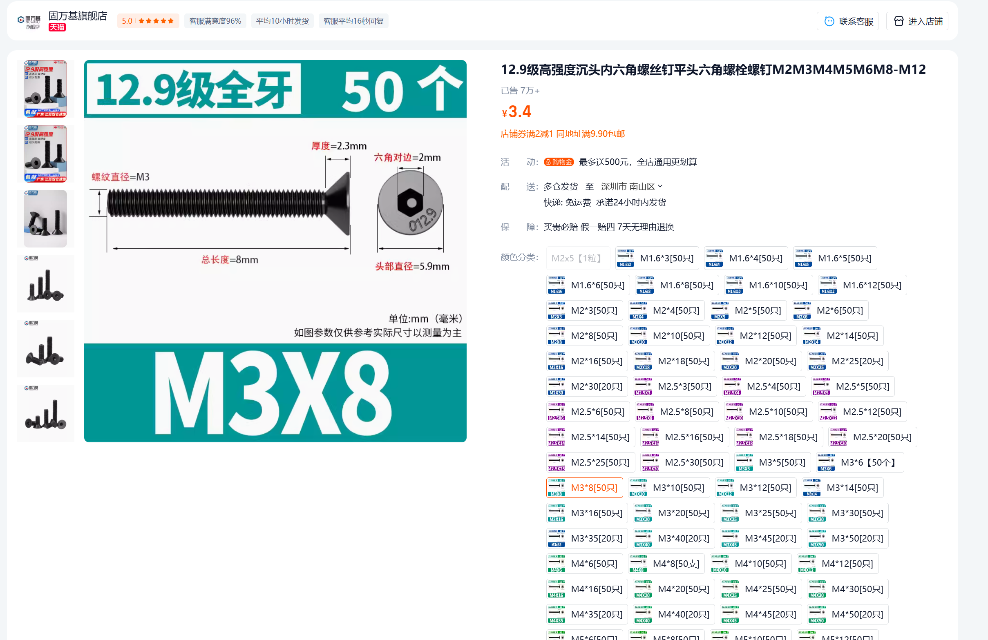 | https://detail.tmall.com/item.htm?spm=a1z10.5-b.w4011-14789417929.90.66c564f7UCumYJ&id=693377485791&rn=d26e508268ad22e8b3e0dcd11ac26e29&abbucket=9&skuId=4920755308732
沉头螺丝 | 1 | 件 | M3*10[50个] | SZ967-12.9级 | 3.4 | 3.4 | 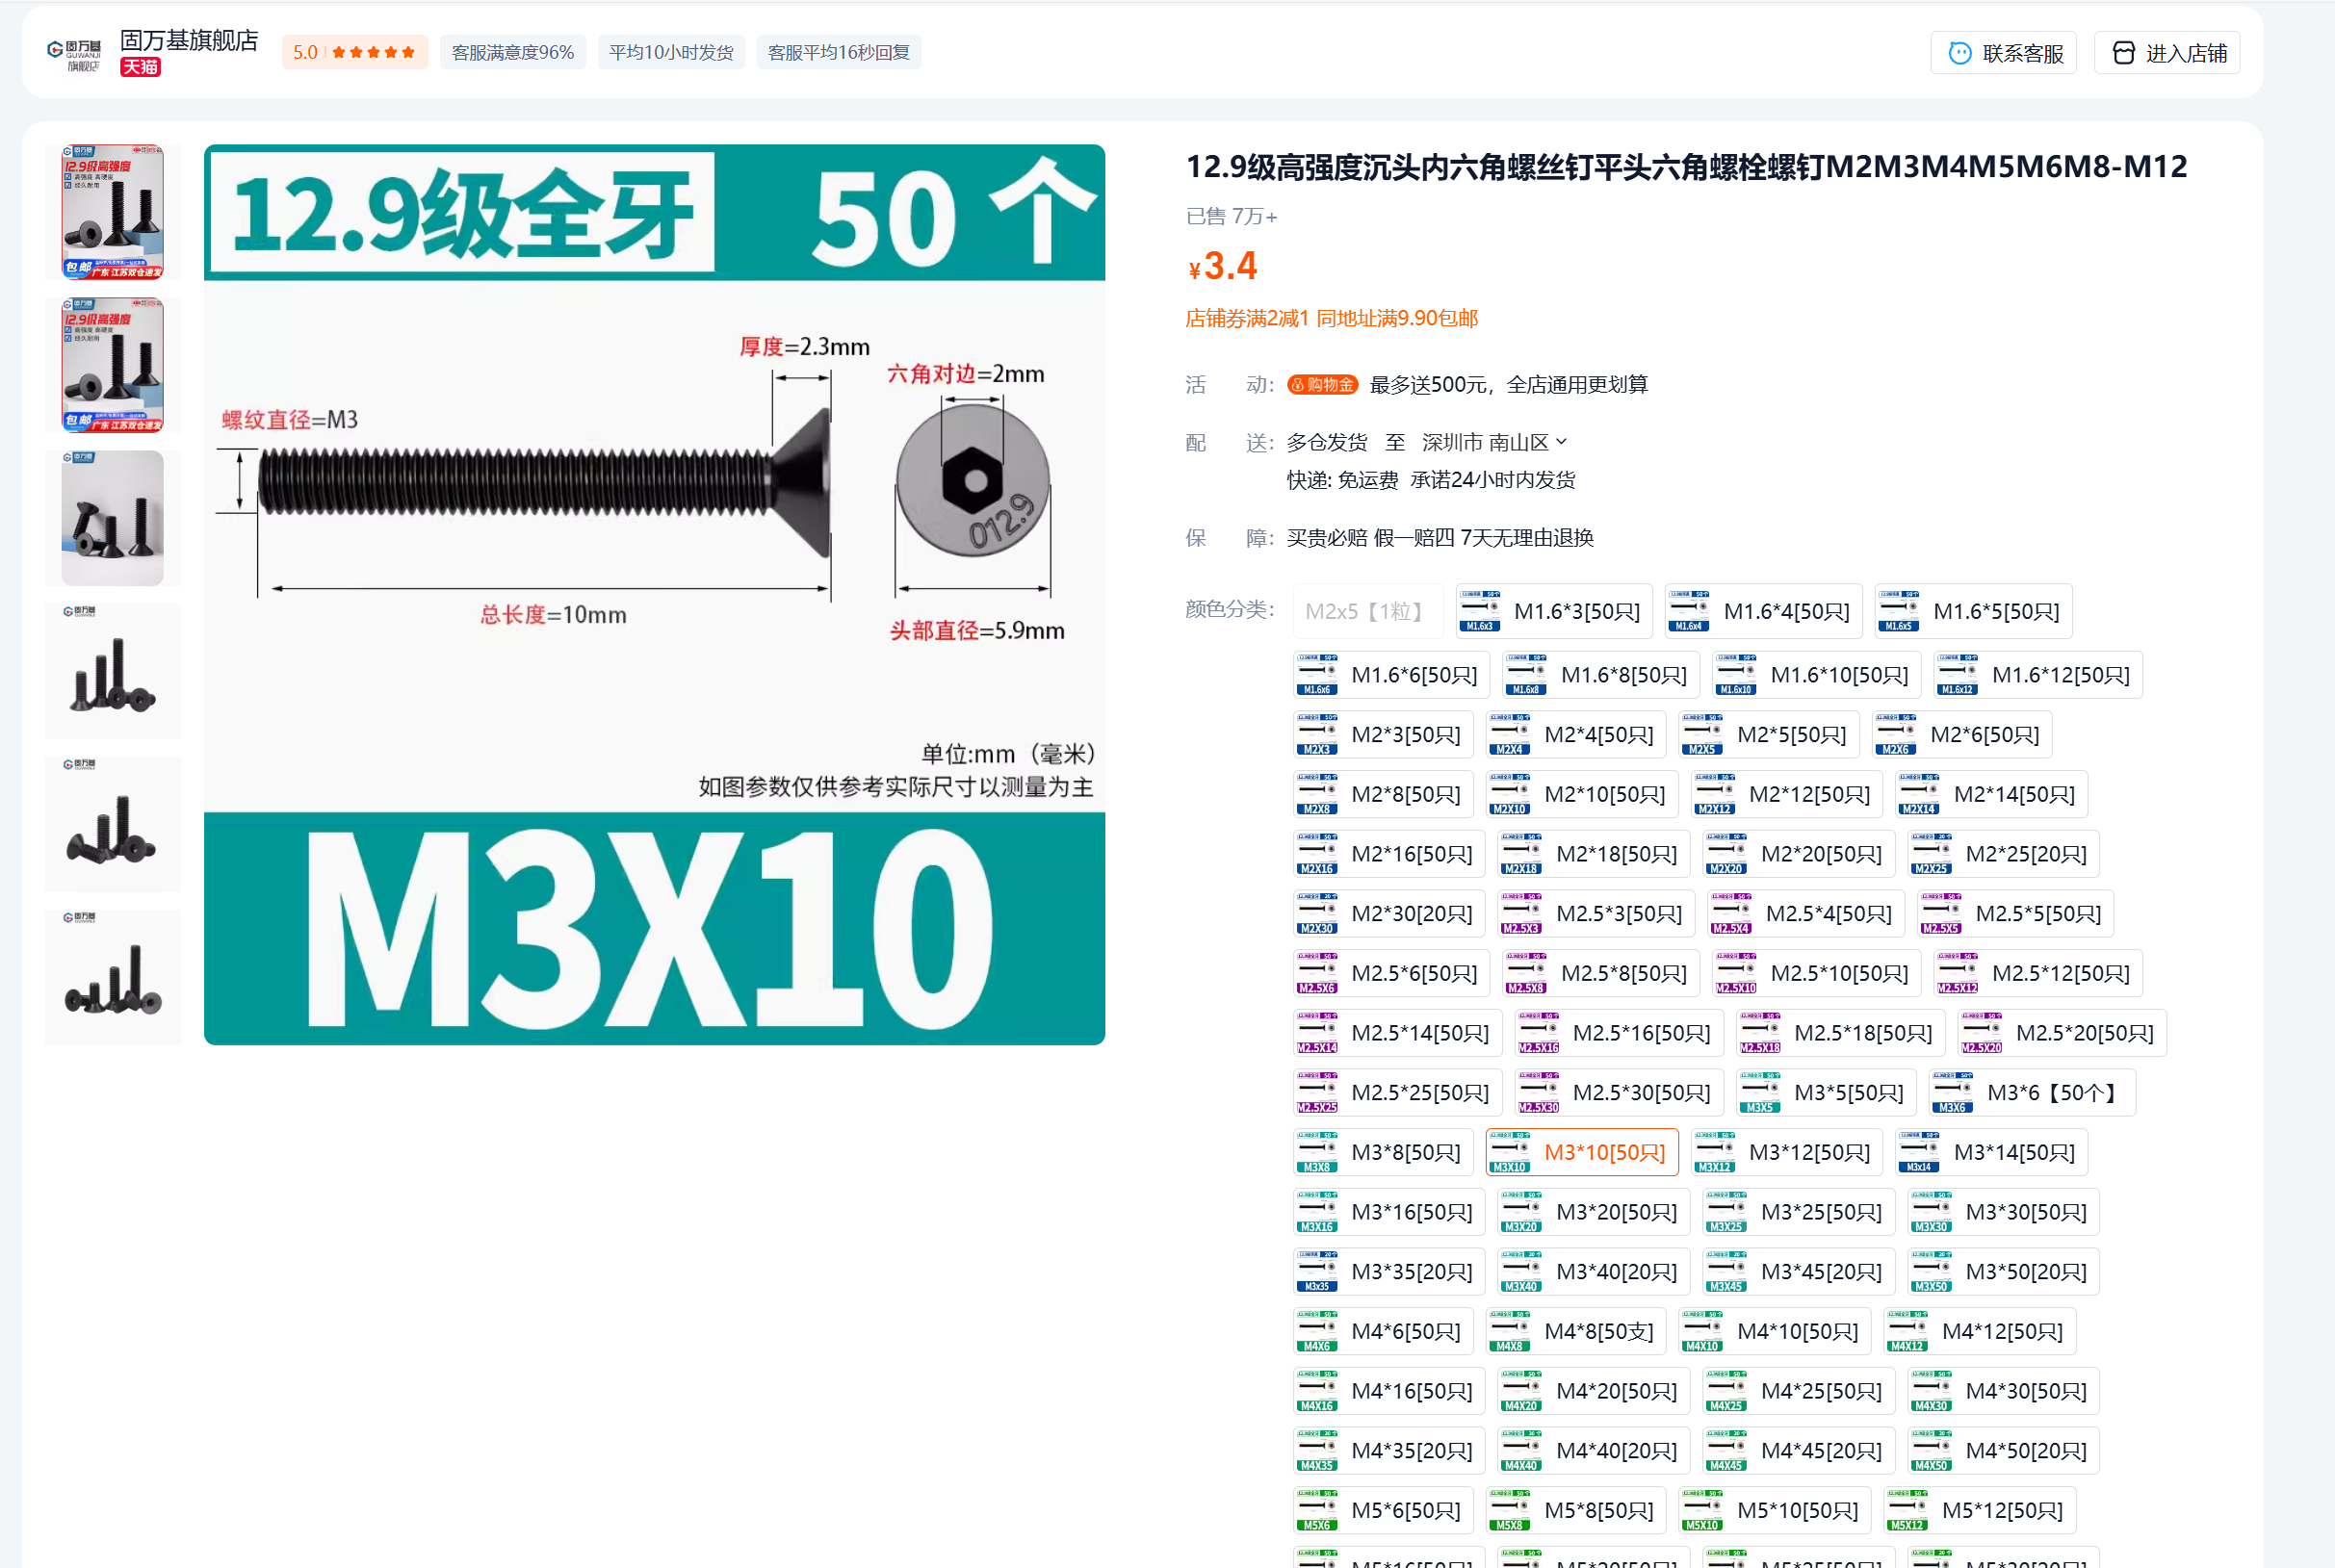 | https://detail.tmall.com/item.htm?spm=a1z10.5-b.w4011-14789417929.90.66c564f7UCumYJ&id=693377485791&rn=d26e508268ad22e8b3e0dcd11ac26e29&abbucket=9&skuId=4920755308733
沉头螺丝 | 1 | 件 | M3*12[50个] | SZ967-12.9级 | 4.1 | 4.1 | 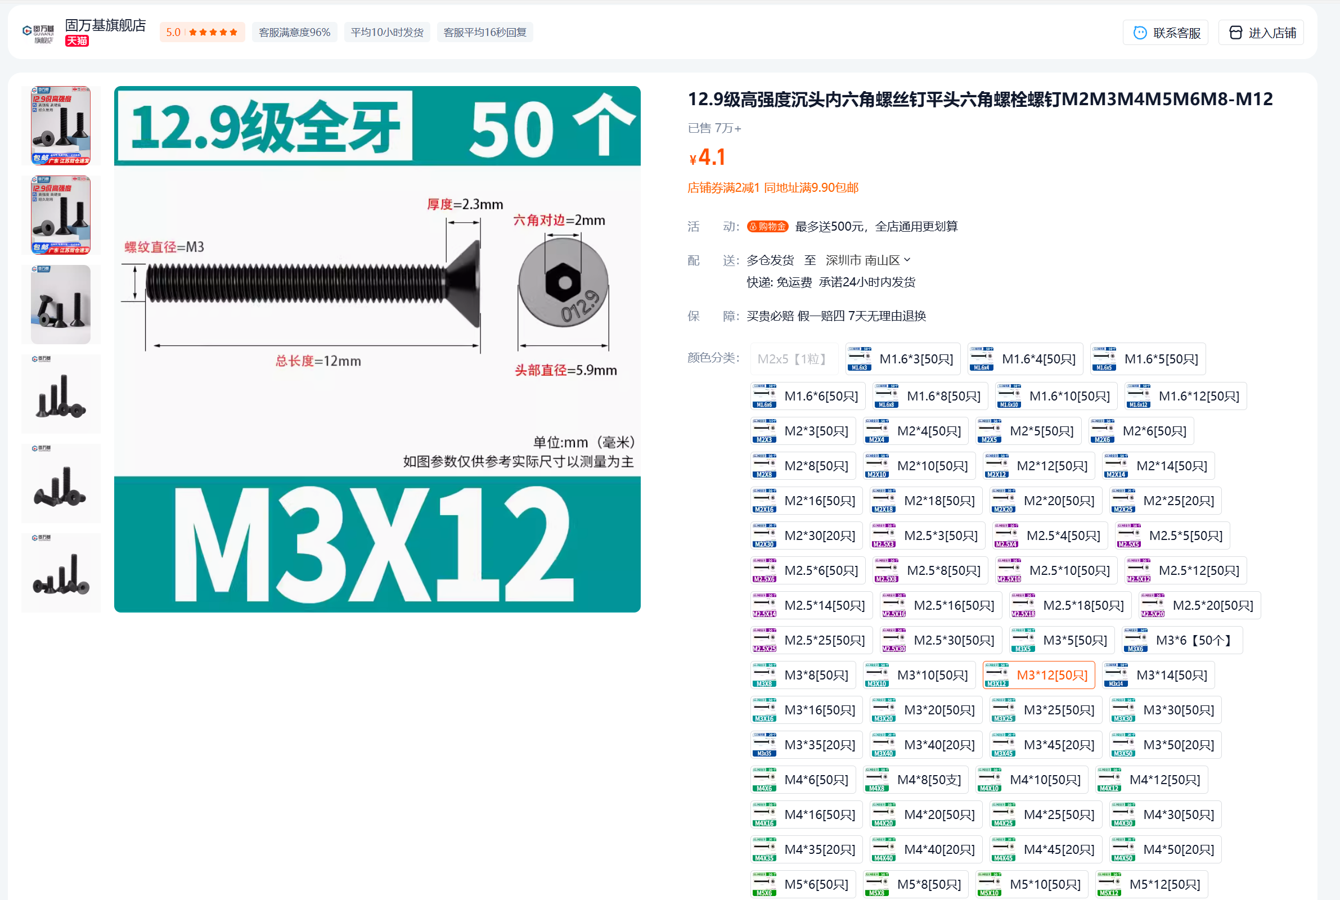 | https://detail.tmall.com/item.htm?spm=a1z10.5-b.w4011-14789417929.90.66c564f7UCumYJ&id=693377485791&rn=d26e508268ad22e8b3e0dcd11ac26e29&abbucket=9&skuId=4920755308734
沉头螺丝 | 1 | 件 | M3*20[50个] | SZ967-12.9级 | 5.9 | 5.9 | 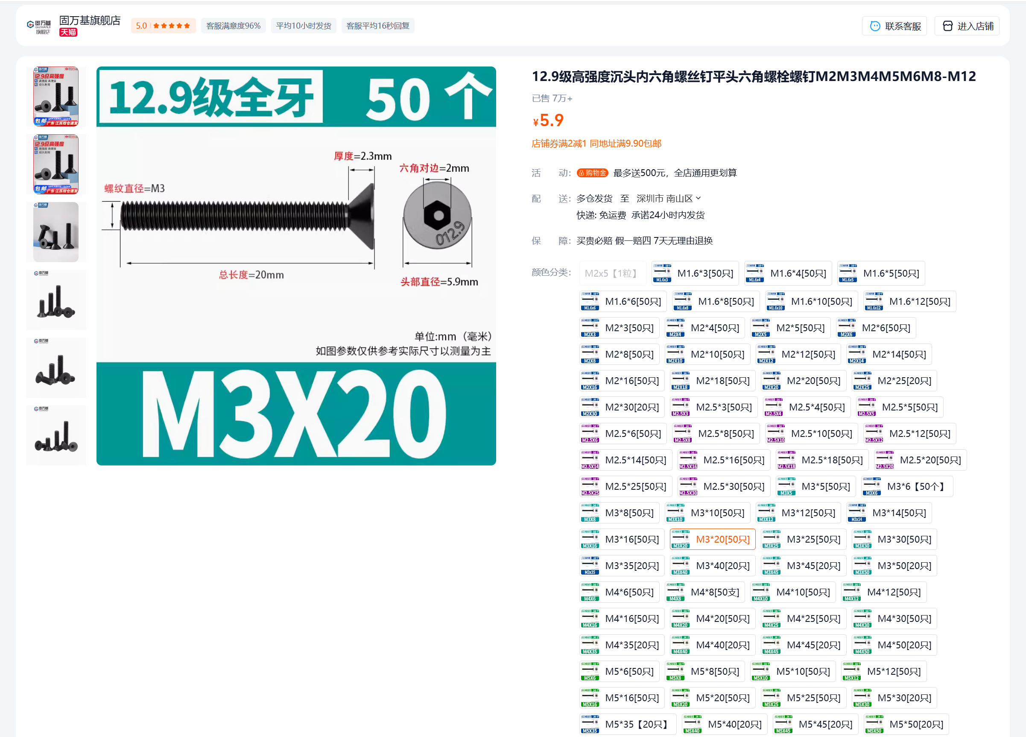 | https://detail.tmall.com/item.htm?spm=a1z10.5-b.w4011-14789417929.90.66c564f7UCumYJ&id=693377485791&rn=d26e508268ad22e8b3e0dcd11ac26e29&abbucket=9&skuId=4920755308736
沉头螺丝 | 1 | 件 | M3*30[50个] | SZ967-12.9级 | 8.1 | 8.1 | 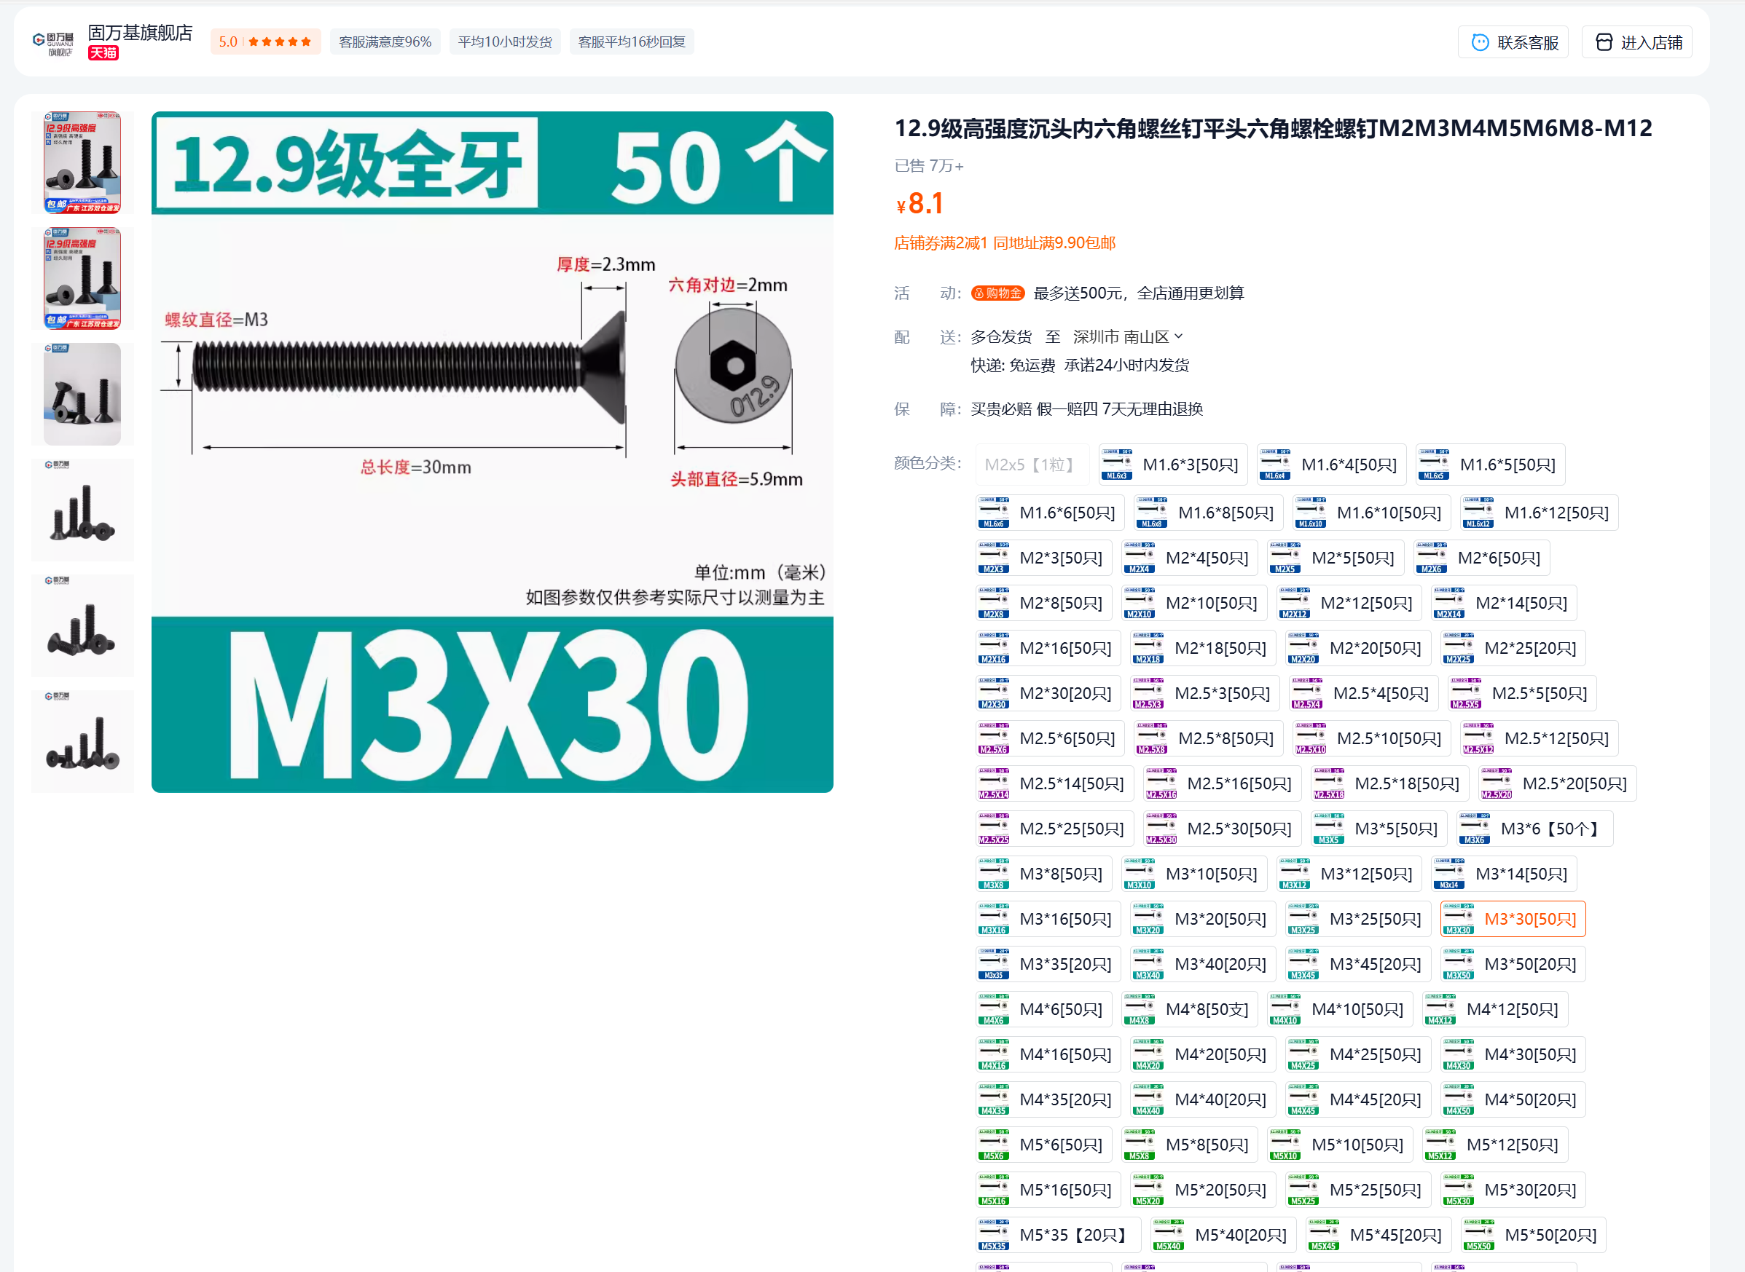 | https://detail.tmall.com/item.htm?spm=a1z10.5-b.w4011-14789417929.90.66c564f7UCumYJ&id=693377485791&rn=d26e508268ad22e8b3e0dcd11ac26e29&abbucket=9&skuId=4920755308738
螺母 | 1 | 包 | M2.5【304材质】*20颗 | SZ124-003 | 3.6 | 3.6 | 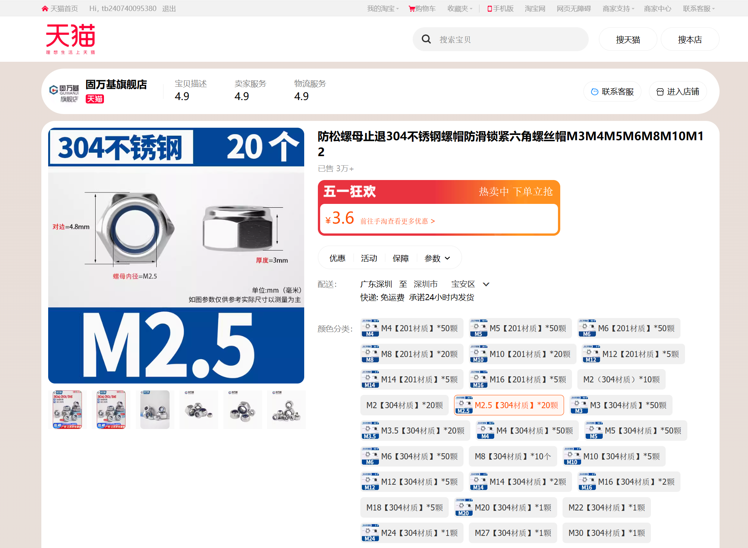 | https://detail.tmall.com/item.htm?abbucket=9&id=608236589609&rn=8c49c1b43c594f71c2b1e760ec169d3d&spm=a1z10.5-b.w4011-14789417929.72.14c63d277XfrHv&skuId=4269028208522
螺母 | 2 | 包 | M3【304材质】*50颗 | SZ124-003 | 3.4 | 6.8 | 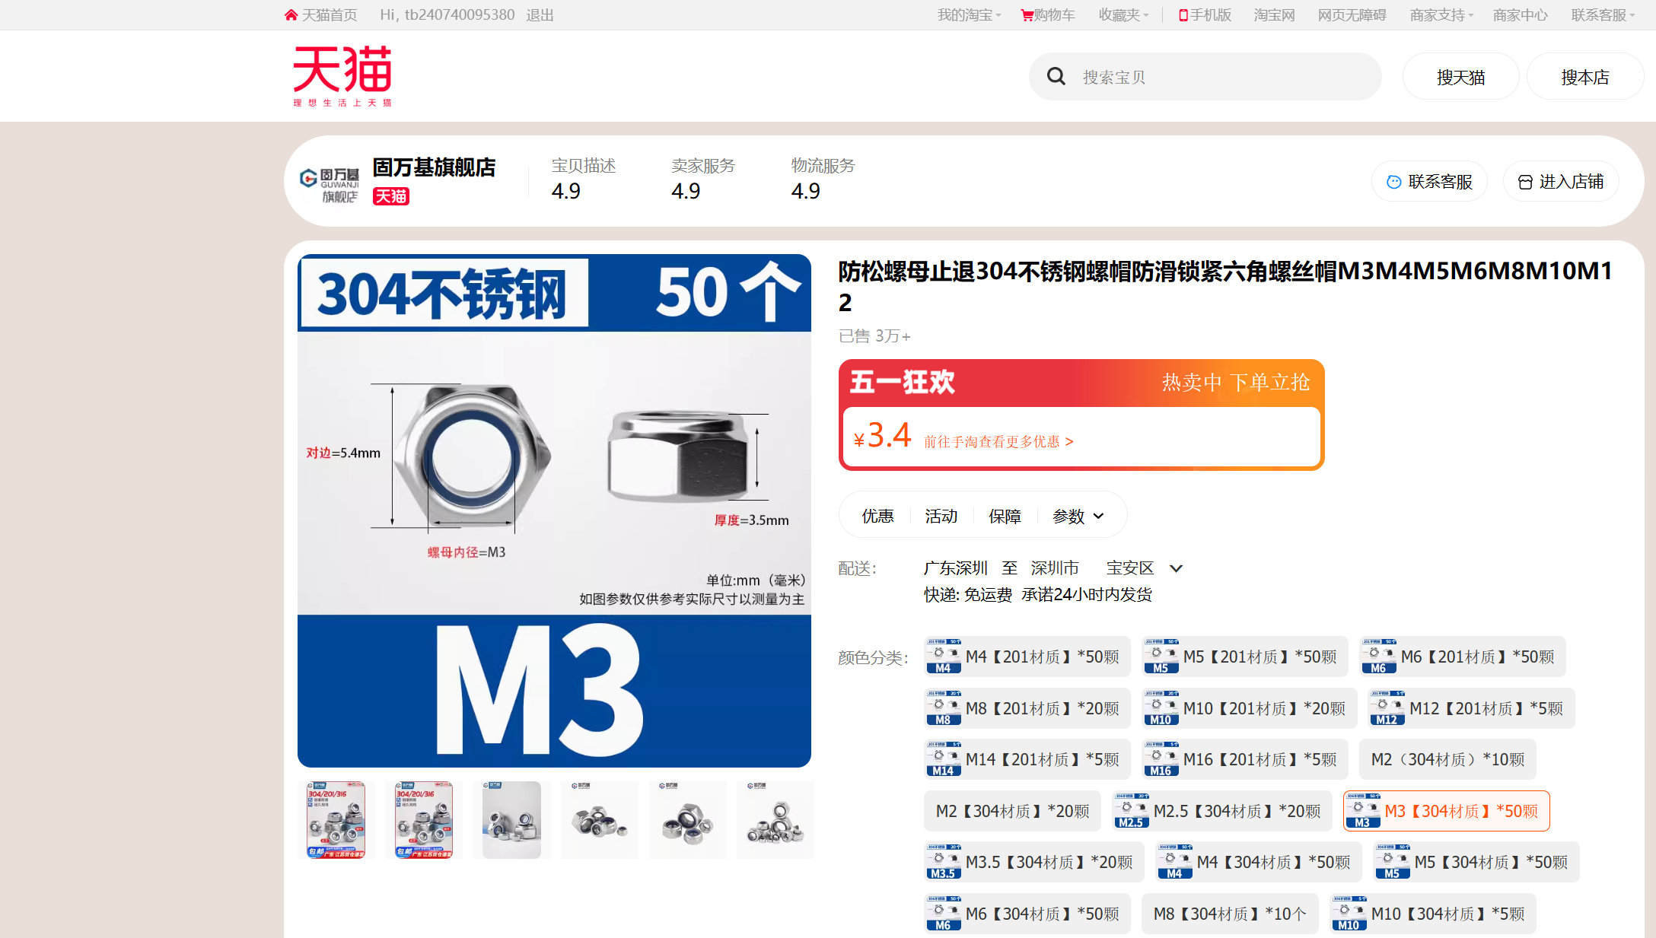 | https://detail.tmall.com/item.htm?abbucket=9&id=608236589609&rn=8c49c1b43c594f71c2b1e760ec169d3d&skuId=4269028208523&spm=a1z10.5-b.w4011-14789417929.72.14c63d277XfrHv
螺母 | 1 | 包 | M5【304材质】*50颗 | SZ124-003 | 3.9 | 3.9 | 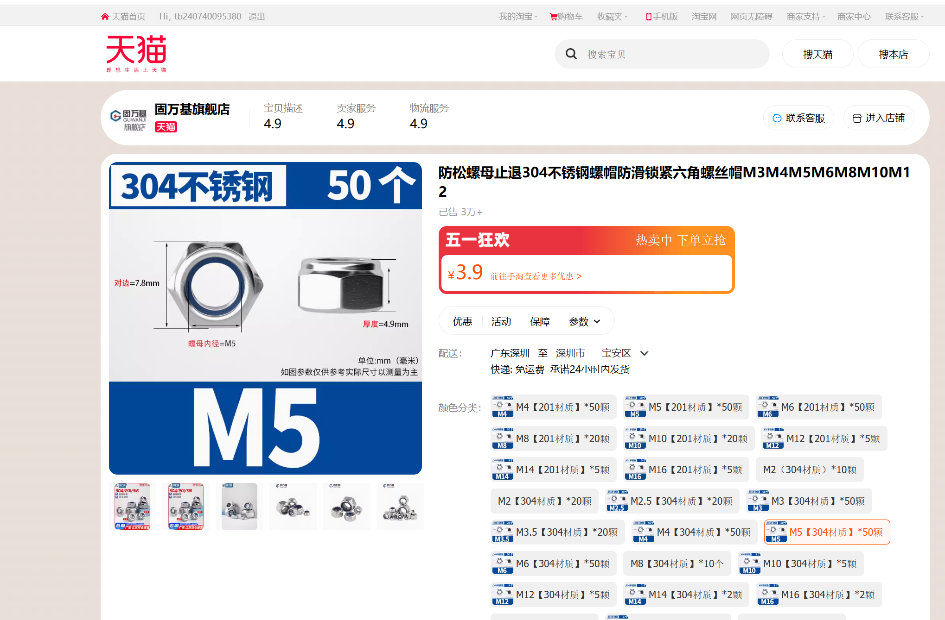 | https://detail.tmall.com/item.htm?abbucket=9&id=608236589609&rn=8c49c1b43c594f71c2b1e760ec169d3d&skuId=4269028208525&spm=a1z10.5-b.w4011-14789417929.72.14c63d277XfrHv
法兰轴承 | 3 | 件 | 5*13*4 10只 | F MF2-5 | 19 | 57 | 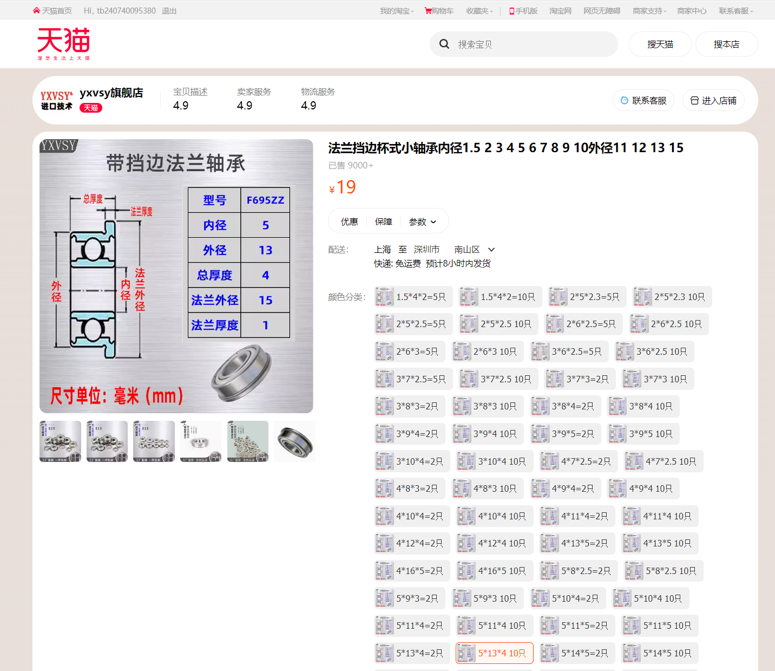 | https://detail.tmall.com/item.htm?abbucket=18&id=611878216362&ns=1&skuId=4796865906810&spm=a21n57.1.0.0.73b4523cUnPFfv | #VALUE! | https://detail.tmall.com/item.htm?abbucket=18&id=611878216362&ns=1&skuId=4796865906810&spm=a21n57.1.0.0.73b4523cUnPFfv
尼龙柱 | 1 | 包 | 3.2*5*20(100个) | 1170 | 9 | 9 | 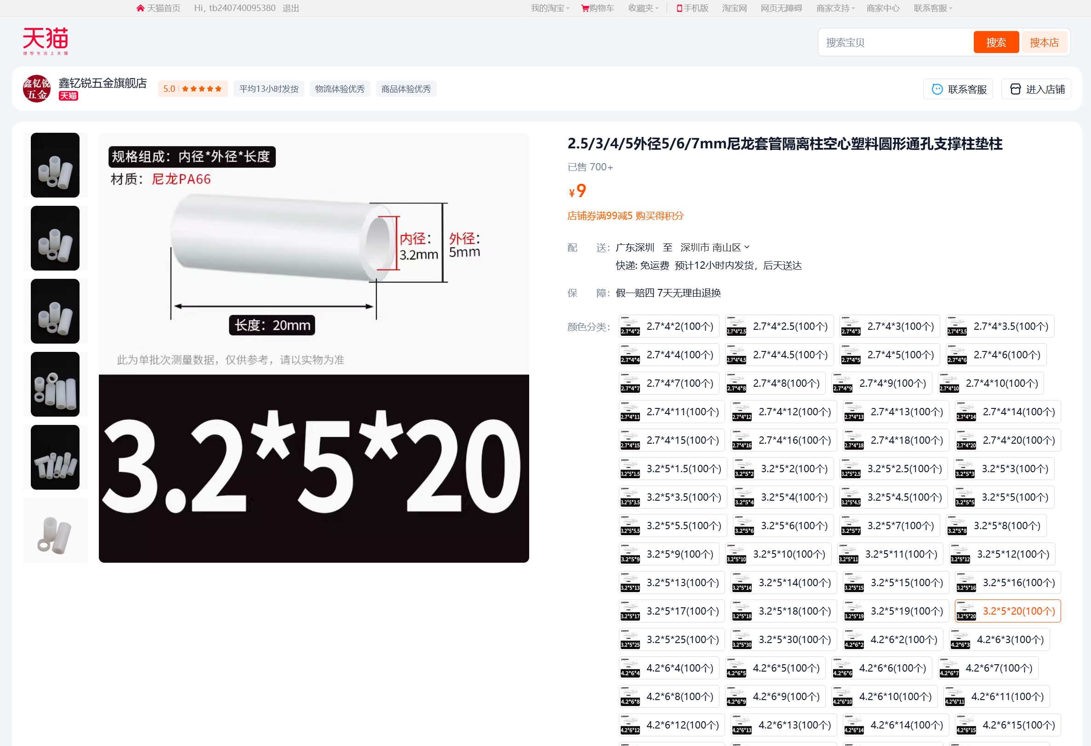 | https://detail.tmall.com/item.htm?abbucket=3&id=657886188083&ns=1&spm=a21n57.1.item.70.20ec523ci8RYdv&skuId=4752840933627
轮胎 | 2 | 个 | 江昕5x2实心胎 | 5x2A | 30 | 60 | 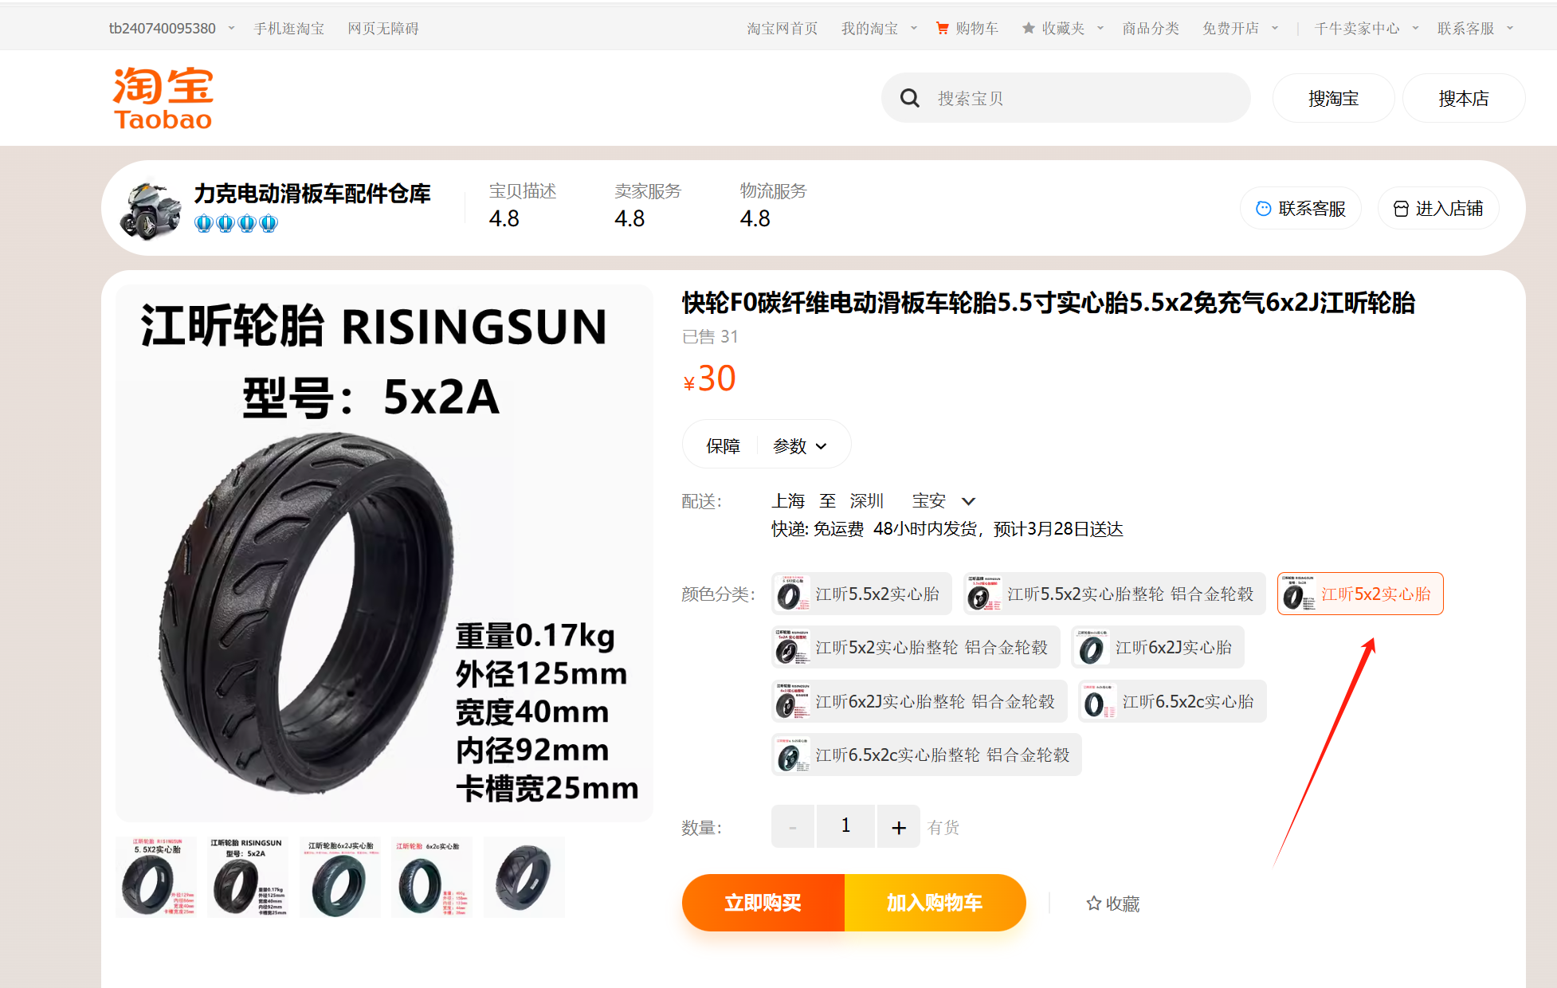 | https://item.taobao.com/item.htm?abbucket=3&id=656786735880&ns=1&skuId=5037574378818&spm=a21n57.1.0.0.3858523ctc6wDS
垫片 | 1 | 包 | M5*8*0.5 [100粒 | GB97 | 3 | 3 | 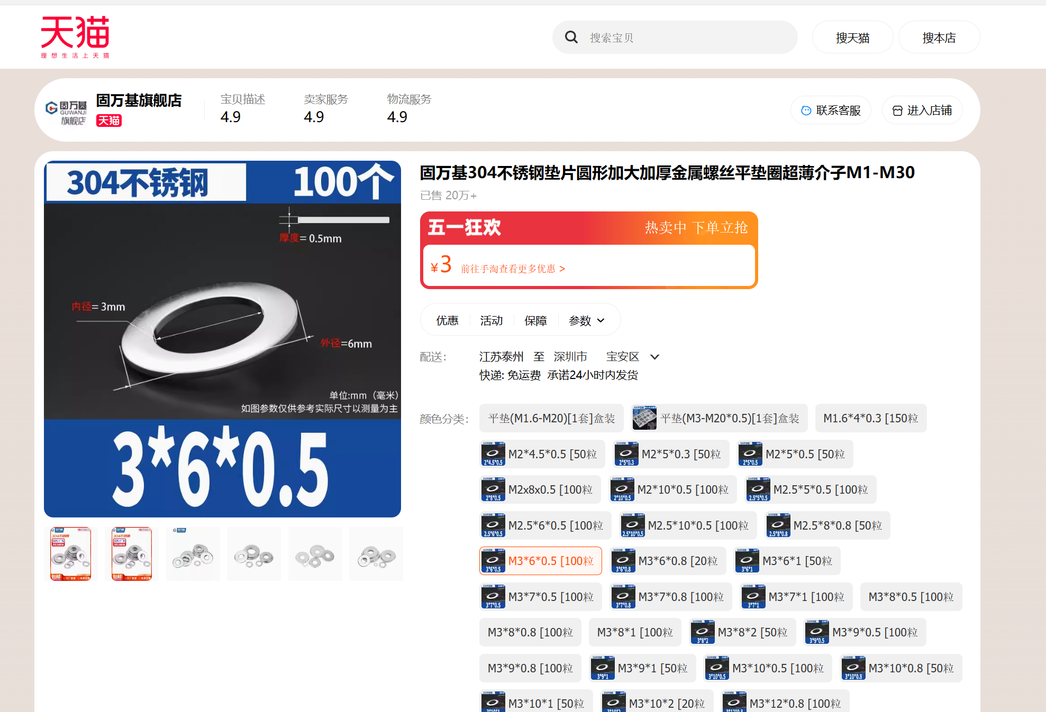 | https://detail.tmall.com/item.htm?abbucket=9&id=736651447364&rn=ffa60ade4e79ec989500b2fa85aca006&spm=a1z10.3-b.w4011-14789405706.62.33cc37ba2mBXnm&skuId=5085431764100

打印件
名称 | 数量 | 单位 | 长*宽*高（外形） | 打印参数（仅供参考） |  |  |  | 放置
 |  |  |  | 填充密度 | 墙数 | 速度 | 质量（或支撑）
前壳 | 1 | 个 | 59.4*43.4*6
后壳 | 1 | 个 | 59.4*43.4*5.5
打印件-斜1 | 4 | 个 | 100*30*40 | 70 | 10
挡块-左 | 2 | 个 | 60.58*55.04*23
挡块-右 | 2 | 个 | 60.58*55.04*23
斜板 | 2 | 个 | 106*165*41.5 | 70 | 18 | 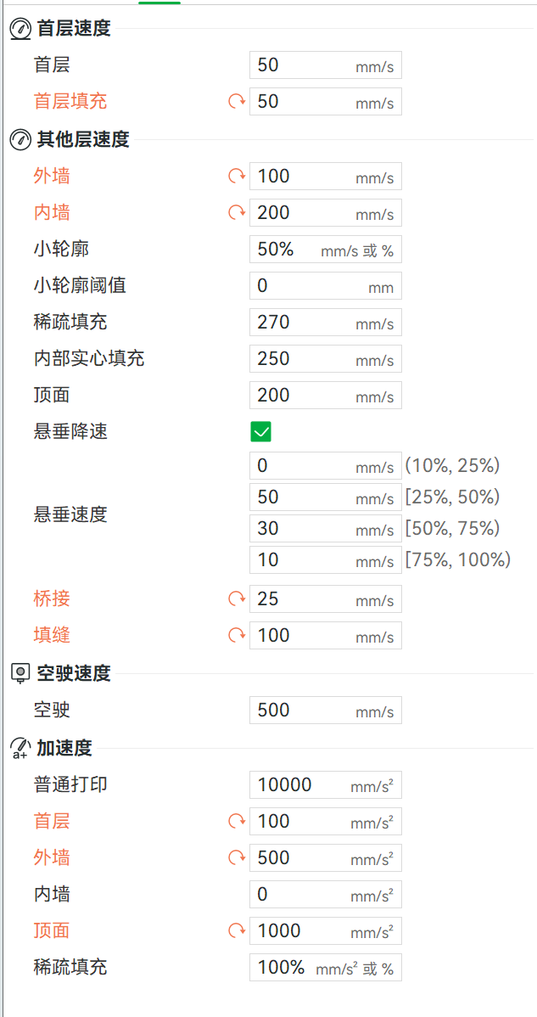 | 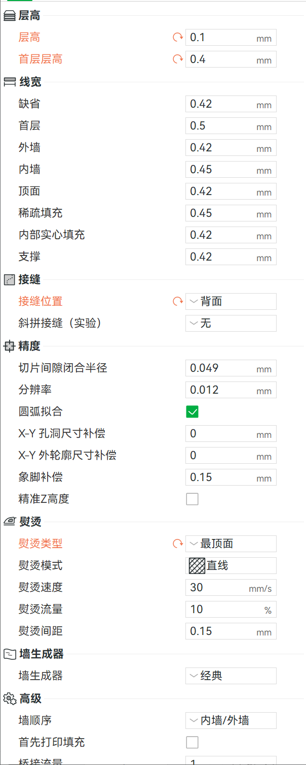 | 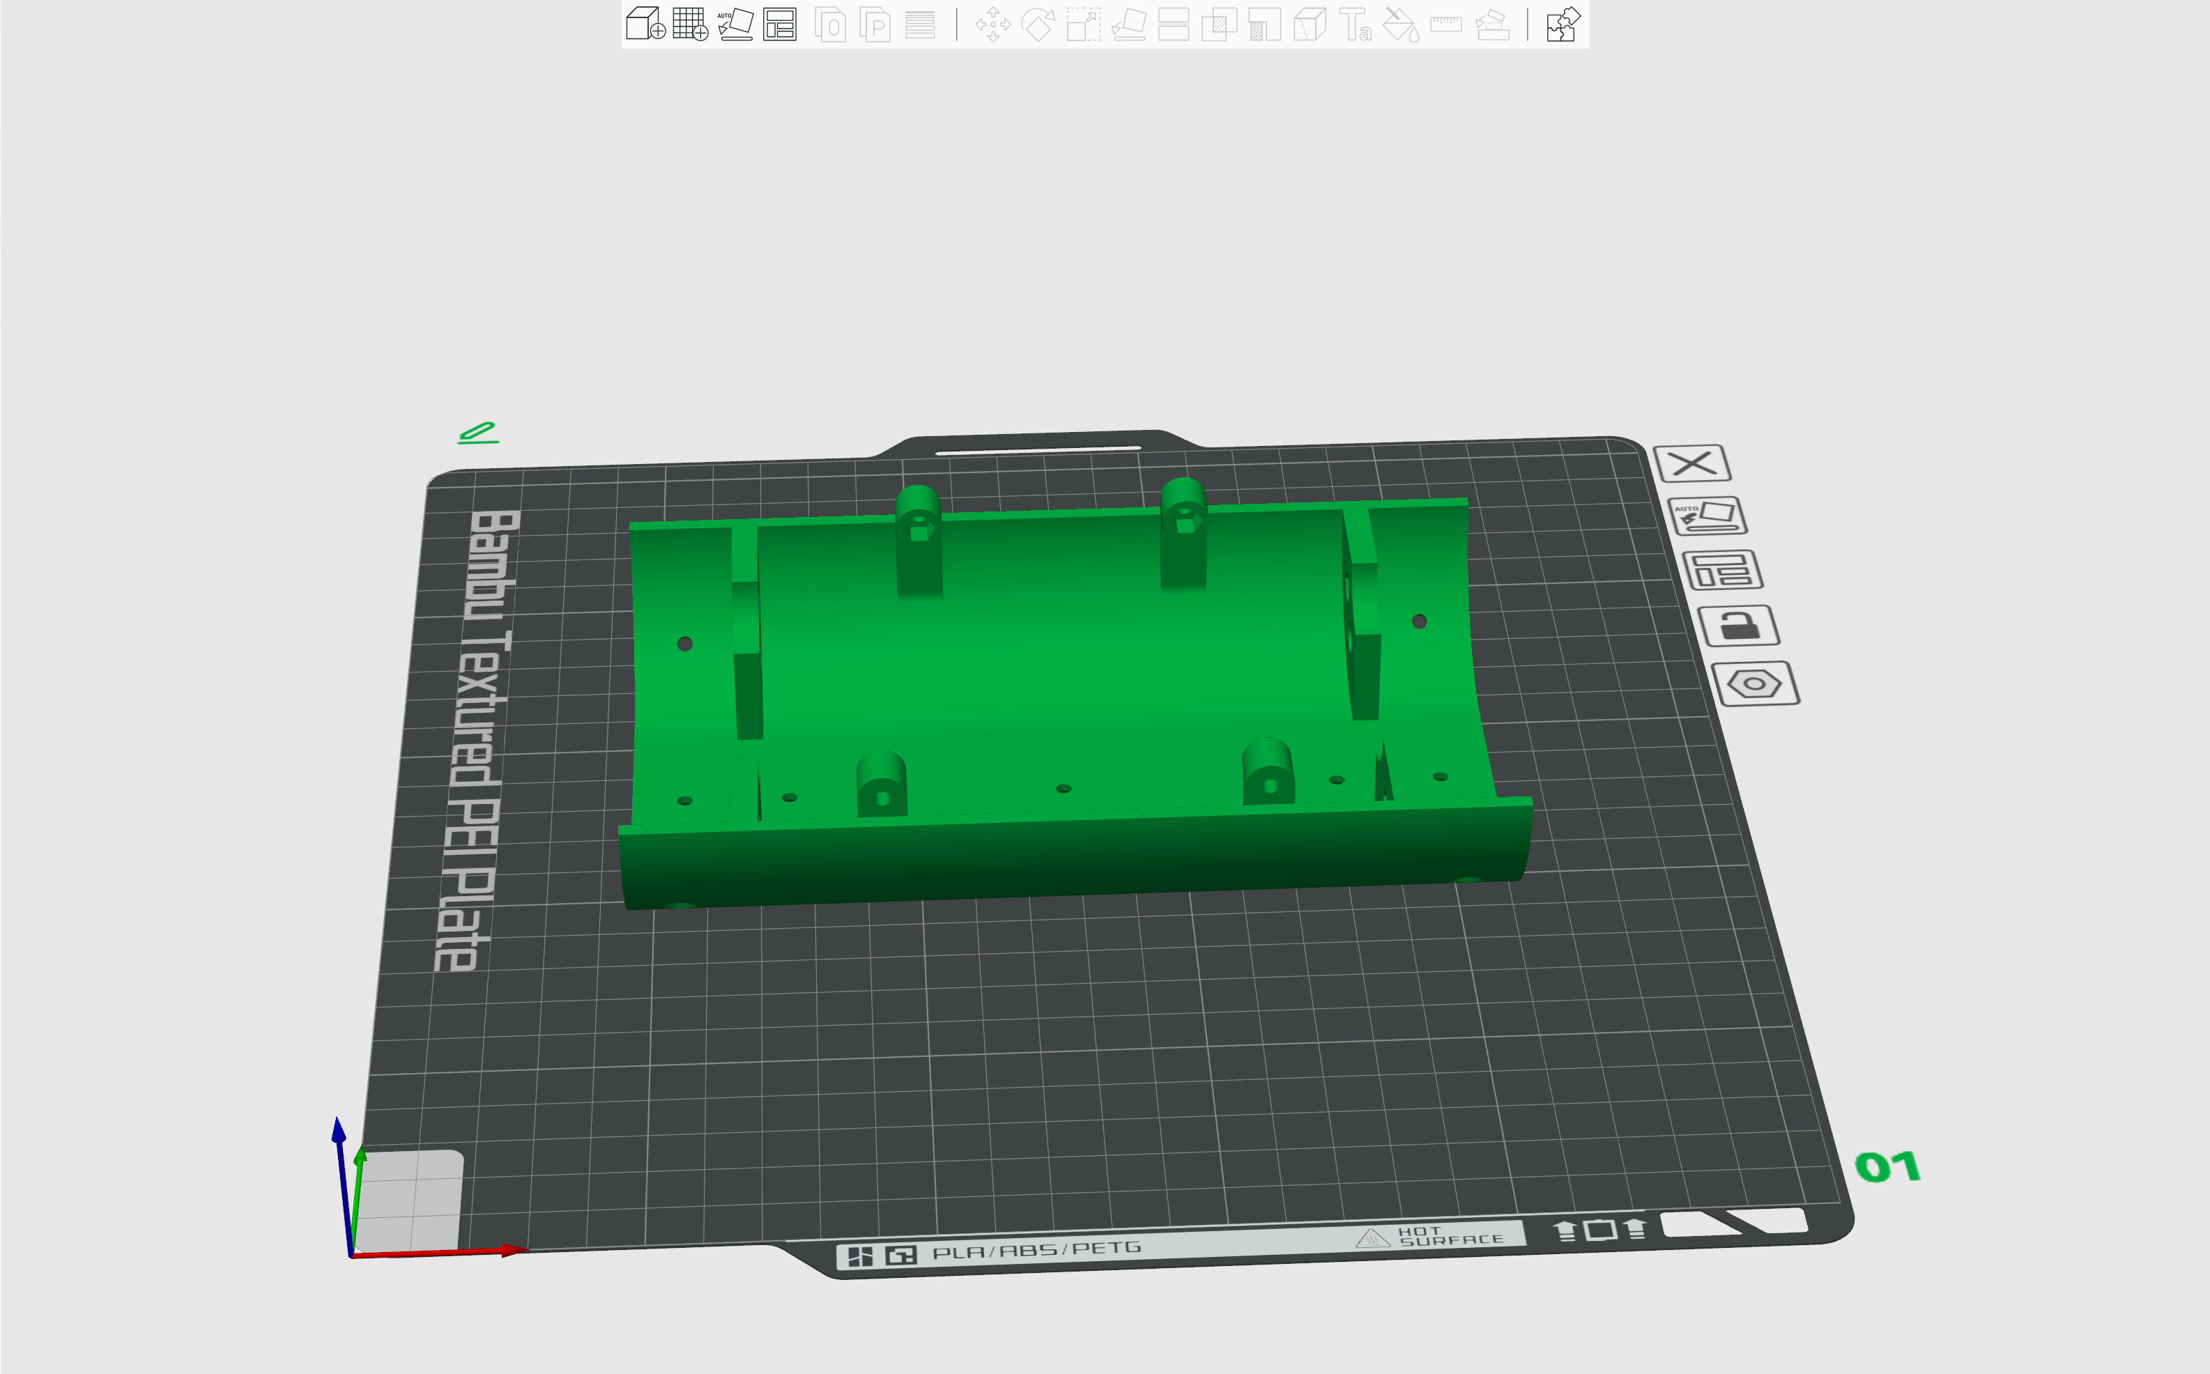
电机连接打印件-1 | 2 | 个 | 53.69*35*13
电机连接打印件-2 | 2 | 个 | 35*35*5.5
电池盒-底板 | 1 | 个 | 66*45*8
电池盒-侧板1 | 2 | 个 | 55*44*12
电池盒-侧板2 | 2 | 个 | 55*29*12
支撑轮 | 4 | 个 | 42*42*5
轮毂打印件-内圈 | 2 | 个 | 86*86*25
轮毂打印垫片 | 2 | 个 | 68*68*2.5
轮毂打印件-上盖片 | 2 | 个 | 92*92*5
轮毂打印件-下盖片 | 2 | 个 | 92*92*5

 |  |  |  |  |  | 总计： | 2887.3

