Valores
 | coos v20 |  |  |  |  |  |  |  |  | coos v30
 | gm | r0 fit 1V | finita | r0 fit 1.5-2V | finita | Calc | Other Calc |  |  | gm | r0 (fit 1.5-2V) | finita |  | fit 1V |  | Calc | Other Calc
1G | 3.30E-06 | 8.12E+05 | 8.12E+05 | 4.56E+06 | 4.45E+06 | 2.68 | 15.04 |  | 1G | 3.59E-06 | 1.47E+06 | 1.47E+06 |  | 7.12E+05 |  | 2.6 | 5.3
FBG | 6.40E-06 | 1.58E+06 | 1.58E+06 | 6.19E+08 | 6.02E+08 | 10.13 | 3963.61 |  | FBG | 5.35E-06 | 6.41E+07 | 5.58E+07 |  | 1.07E+06 |  | 5.7 | 342.9
2G | 7.30E-06 | 2.75E+07 | 2.68E+07 | 9.21E+08 | 7.57E+08 | 200.81 | 6723.77 |  | 2G | 5.57E-06 | 3.72E+07 | 3.48E+07 |  | 2.45E+06 |  | 13.7 | 207.7
3G | 1.60E-06 | 1.02E+06 | 4.00E+06 | 6.17E+07 | 6.79E+07 | 1.64 | 98.71 |  | 3G | 3.59E-06 | 5.82E+07 | 5.04E+07 |  | 9.13E+05 |  | 3.3 | 208.9

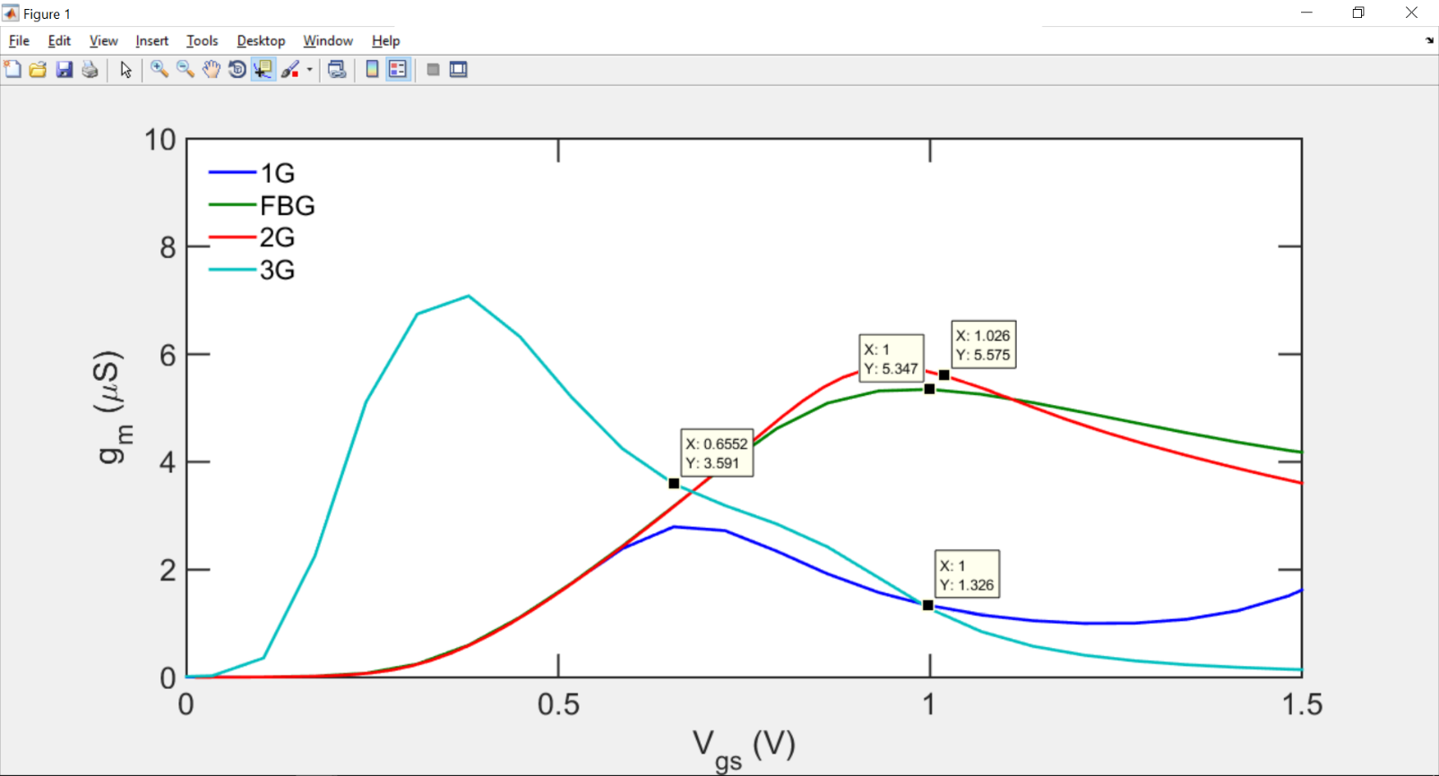
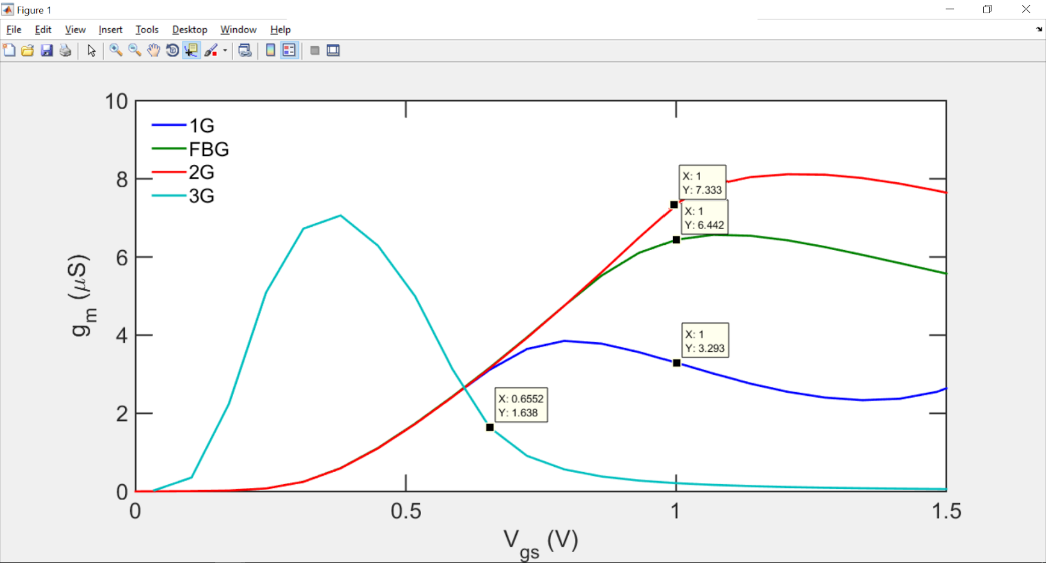

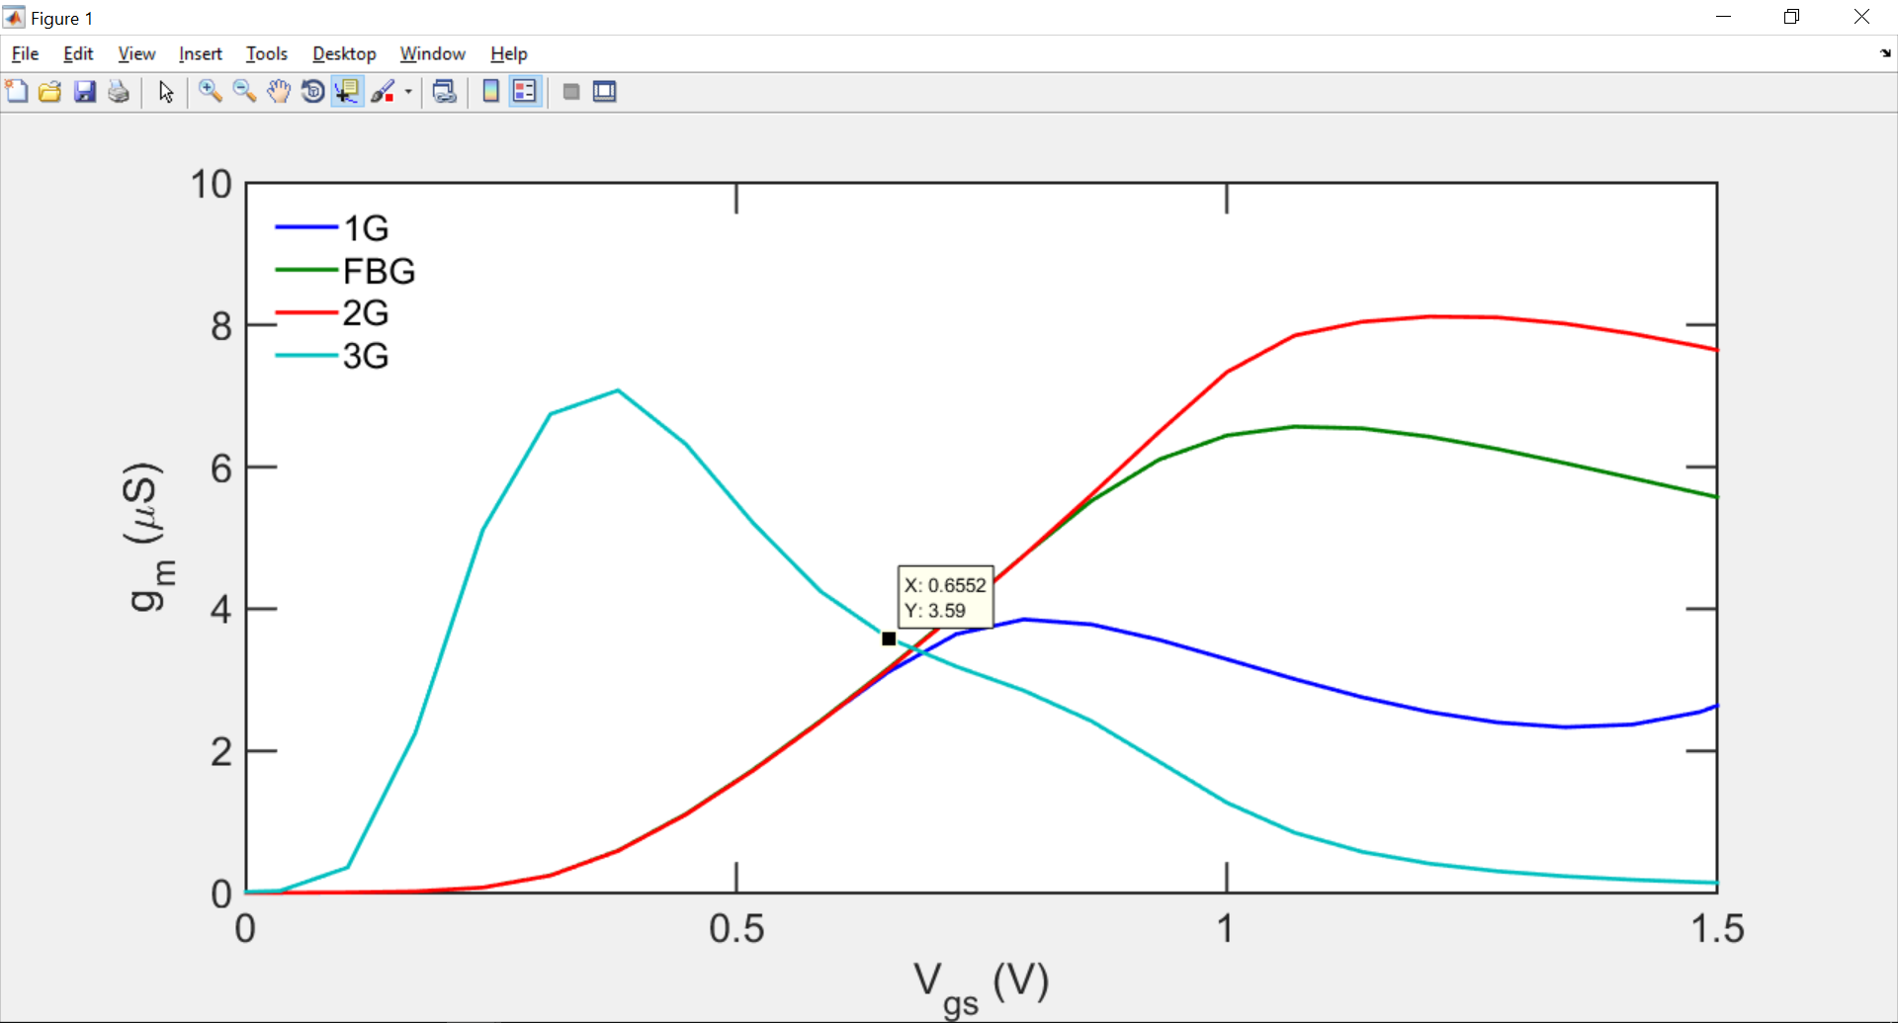

 |  |  |  |  |  |  |  |  |  | 0.04 | 0.1 | 0.2 | 0.3 | 0.4 | 0.5 | 0.6 | 0.7 | 0.8 | 0.9 | 1
 |  |  |  |  |  |  |  | r0 | 1G | 1.47E+06 | 7.12E+07 | 1.54E+10 | 2.85E+10 | 3.37E+10 | 3.69E+10 | 3.95E+10 | 4.18E+10 | 4.38E+10 | 4.57E+10 | 4.75E+10
 |  |  |  |  |  |  |  |  | FBG | 6.41E+07 | 5.38E+09 | 1.16E+11 | 4.34E+11 | 7.52E+11 | 9.52E+11 | 1.07E+12 | 1.16E+12 | 1.22E+12 | 1.28E+12 | 1.32E+12
 |  |  |  |  |  |  |  |  | 2G | 3.72E+07 | 1.73E+09 | 3.64E+09 | 4.94E+09 | 5.76E+09 | 6.97E+09 | 5.83E+09 | 6.25E+09 | 6.61E+09 | 6.61E+09 | 6.47E+09
 |  |  |  |  |  |  |  |  | 3G | 5.82E+07 | 2.76E+08 | 1.07E+09 | 1.87E+09 | 2.53E+09 | 3.05E+09 | 3.46E+09 | 3.78E+09 | 4.03E+09 | 4.23E+09 | 4.38E+09

 |  |  |  |  |  |  |  | gm*r0 | 1G | 5.2644886855 | 255.60920104 | 55269.234436 | 102451.39418 | 120865.40272 | 132652.916 | 141982.43902 | 150087.1963 | 157447.91113 | 164286.14434 | 170719.38426
 |  |  |  |  |  |  |  |  | FBG | 342.88217451 | 28771.926799 | 620521.45863 | 2321334.9588 | 4022678.5267 | 5087971.3737 | 5739784.4867 | 6189444.0334 | 6536993.701 | 6827360.2354 | 7082194.2434
 |  |  |  |  |  |  |  |  | 2G | 207.66493909 | 9659.3797923 | 20270.265908 | 27544.406972 | 32118.23019 | 38882.712368 | 32475.817645 | 34843.89123 | 36833.23567 | 36829.459051 | 36057.371852
 |  |  |  |  |  |  |  |  | 3G | 2.09E+02 | 990.74907469 | 3849.7193582 | 6719.925348 | 9081.959798 | 10969.240738 | 12438.626302 | 13584.867285 | 14482.129107 | 15190.520371 | 15745.560799

