# Articles
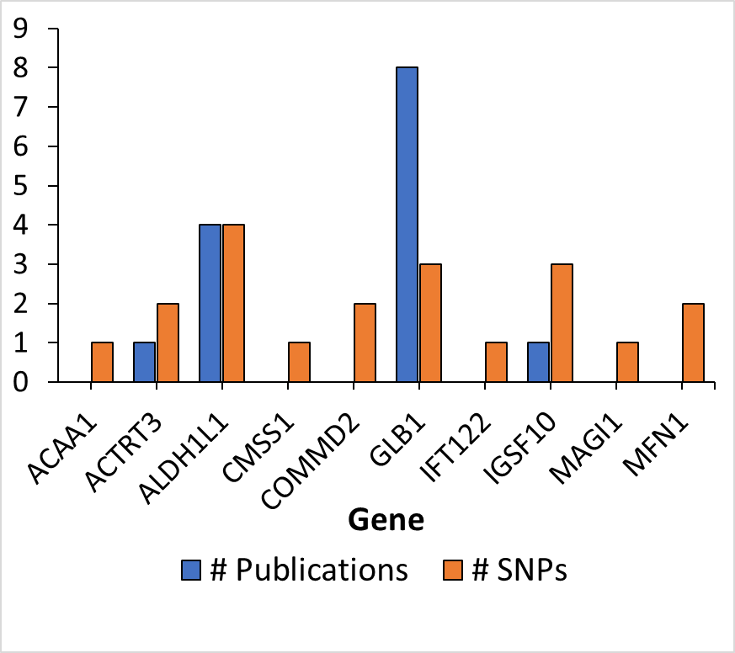
Gene | # unique articles | # SNPs | # Gene Publications | Gene | Protein
ACAA1 | 0 | 1 | 144 | ACAA1 | acetyl-CoA acyltransferase
ACTRT3 | 1 | 2 | 0 | ACTRT3
ALDH1L1 | 4 | 4 | 180 | ALDH1L1
CMSS1 | 0 | 1 | 0 | CMSS1
COMMD2 | 0 | 2 | 1 | COMMD2
GLB1 | 8 | 3 | 5370 | GLB1
IFT122 | 0 | 1 | 83 | IFT122
IGSF10 | 1 | 3 | 7 | IGSF10
MAGI1 | 0 | 1 | 147 | MAGI1
MFN1 | 0 | 2 | 446 | MFN1

