Sheet1
Place on page | type of tag | category | ID | Notes

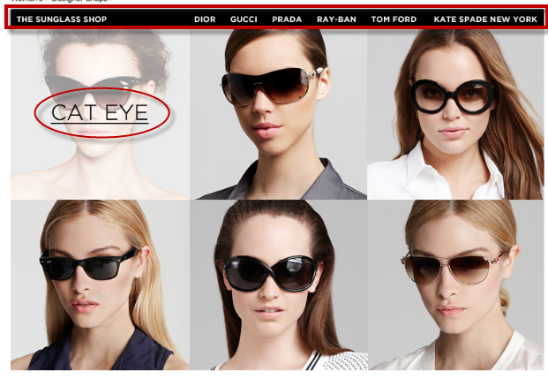
page id | pageview | spring13_sunglass_shop | spring13_sunglass_shop--hp
top nav | element | spring13_sunglass_shop | top_nav--sunglass_shop, top_nav--dior, top_nav--gucci etc.. | top_nav--<insert name of link here>
main links | element | spring13_sunglass_shop--hp | cat-eye, shield, oversized etc..

Please follow the same tagging convention for the rest of the pages.

