Sheet1
PROJECTIONS OF COST
WOODWORKS COMPANY BOOKSHELF &CO

WOODWORKS BOOKSHELF&CO
COST: | CHERRY | OAK

UNIT COST: | ₹ 5.50 | ₹ 4.30
BOARD FEET: | 80 | 80
MATERIAL COST: | ₹ 440 | ₹ 344

LABOUR REUQIRED | 16 | 16
RATE : | ₹ 50 | ₹ 50
LABOUR COST: | ₹ 800 | ₹ 800

TOTAL COST: | ₹ 1,240 | ₹ 1,144

EXPECTED INCREASE:(COST) | 2.40% | 1.70%
EXPECTED INCREASE:(LABOUR) | 1.50% | 1.50%

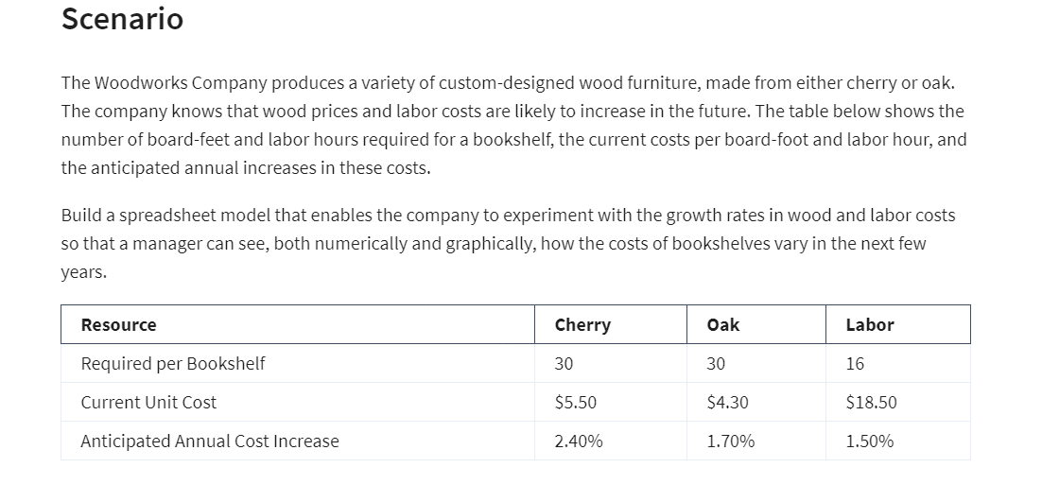
YEAR | CHERRY | OAK | LABOR | TOTAL CHERRY COST | TOTAL OAK COST
0 | ₹ 440 | ₹ 344 | ₹ 800 | ₹ 1,240 | ₹ 1,144
1 | ₹ 450.6 | ₹ 349.85 | ₹ 812.00 | ₹ 1,263 | ₹ 1,162
2 | ₹ 461.4 | ₹ 355.80 | ₹ 824.18 | ₹ 1,286 | ₹ 1,180
3 | ₹ 472.4 | ₹ 361.84 | ₹ 836.54 | ₹ 1,309 | ₹ 1,198
4 | ₹ 483.8 | ₹ 368.00 | ₹ 849.09 | ₹ 1,333 | ₹ 1,217
5 | ₹ 495.4 | ₹ 374.25 | ₹ 861.83 | ₹ 1,357 | ₹ 1,236

