main
2019-08-07
Nathanael Kazmierczak

Notes on aligning correlation plot in Matlab over top of the original data.

First, I'm told to never use pcolor by people on the Matlab forums as it shifts the data and deletes a row and a column. Use image() instead.
The following is nice if you might not be on colormap range: image(uint8(DP),'CDataMapping','scaled');

Second, now that I am using image(), I have taken on faith that contour() plot will correctly overlay image().
(Note that pcolor plots have been very finicky for me when I have tried to overlay stuff on them.)
From this, it appears that to make the kerne; correlation overlay sit correctly on the original data, you should start from round(size(DP))/2 + 1 in each dimension and proceed for the correct number of spaces.
See below comparisons. This is a zoomed in region on the original diffraction pattern of Maddie's that I kept on using.
The jet pixels are the original data (uint8), while the contour map is from the cross correlation.

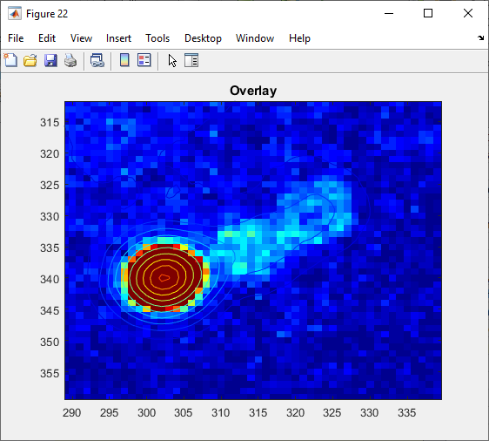
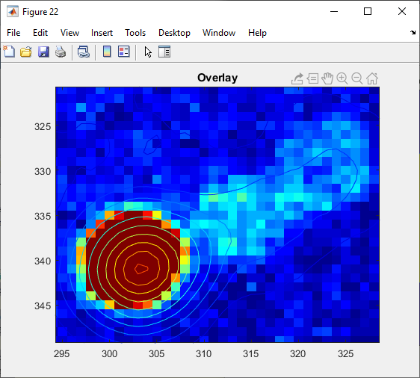
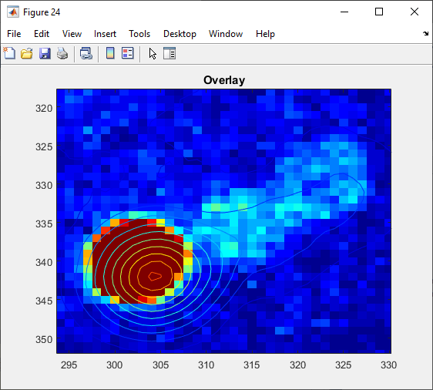

starting at 257 (half-size is 256) |  | starting at 256 (half-size is 256) |  | starting at 255

 | Some accuracy studies:

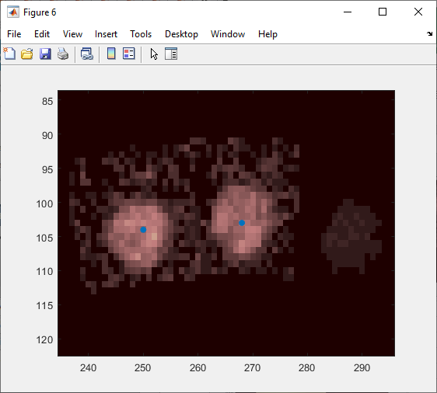
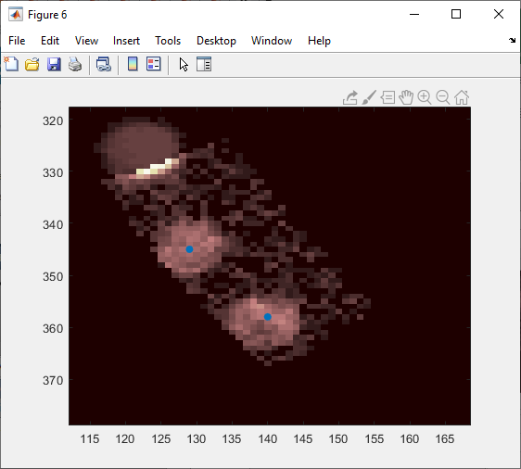
 | Setting sigma at 2, kernel radius at 4. Here the five relevant regions on the outer rim.
 |  |  |  |  | Fits to cross correlation map are very good, so I do believe that we are getting what we want:
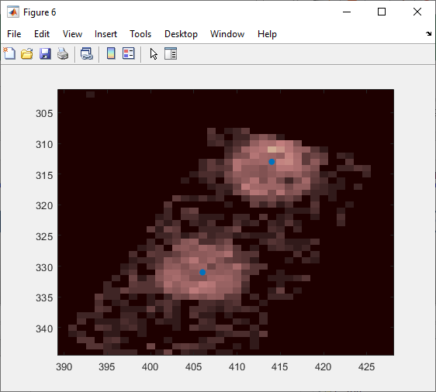
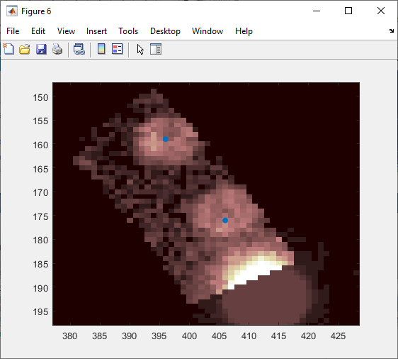
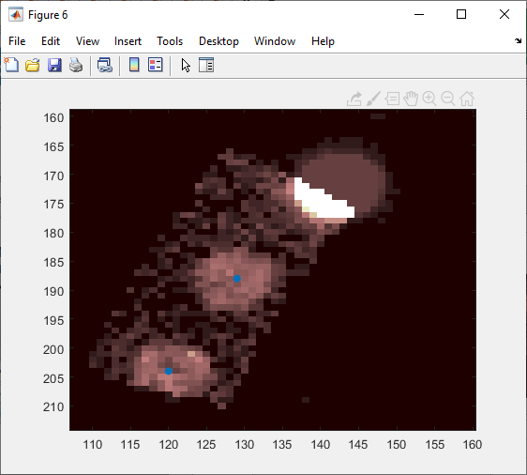
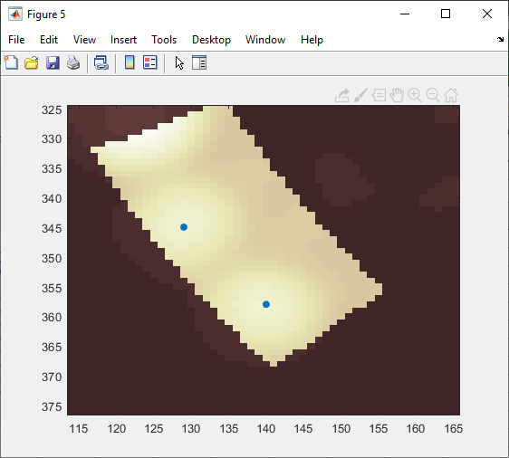
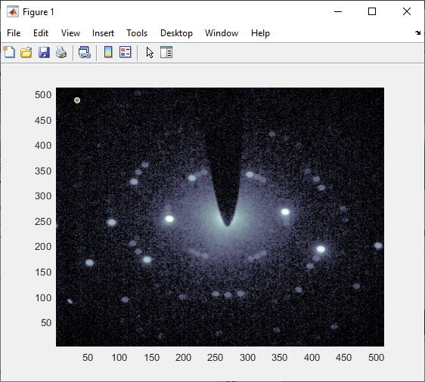

Setting sigma to 0, kernel to 5.
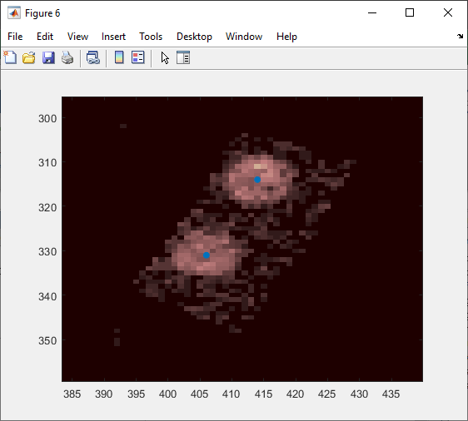
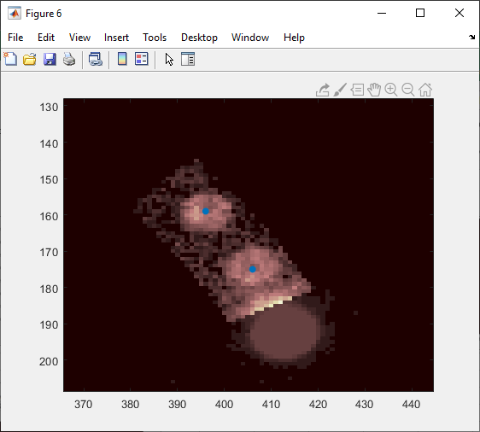
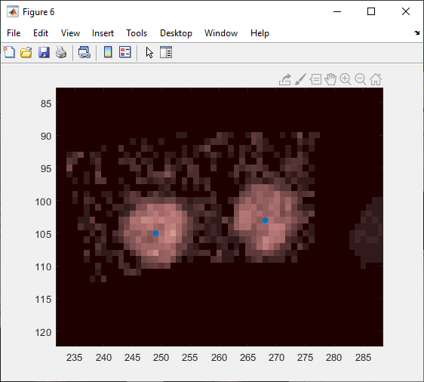
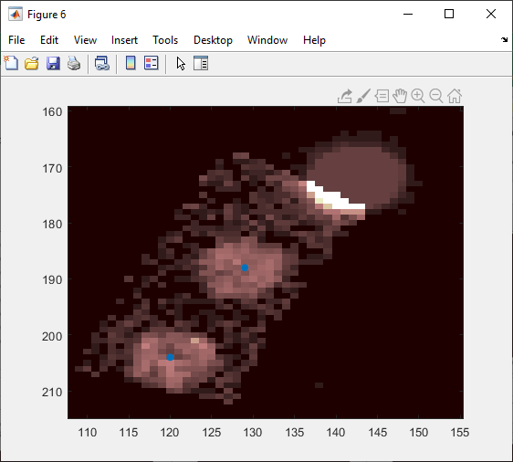
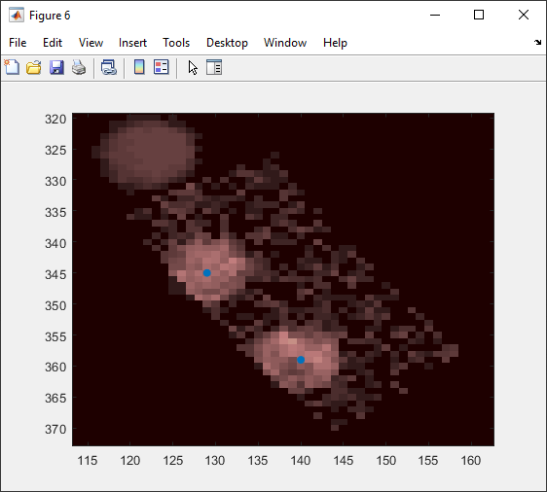

 |  |  |  |  | cross correlation map:
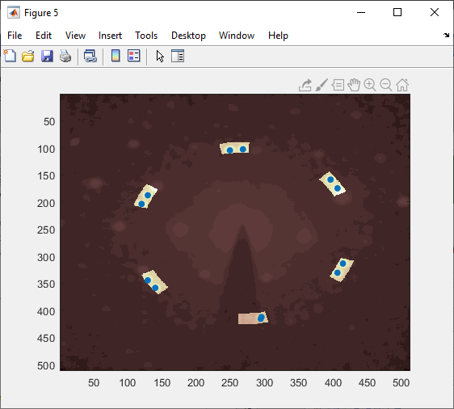

It seems clear that the second does a better job of handling the asymmetric Bragg disks.

 | Testing multiple diffraction patterns: can the algorithm be generalized?

 | On the second or third DP, we see that we need to implement a minimum distance.
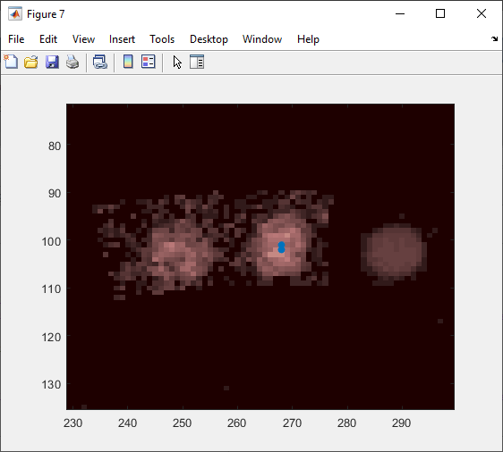

 | Trying again, with a minimum distance of 8 implemented. (Note that an initial test run showed the above problem had gone away.)

 | Here's the last DP loaded of the 50:
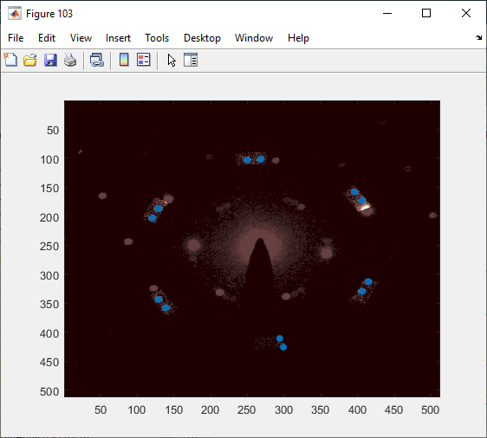

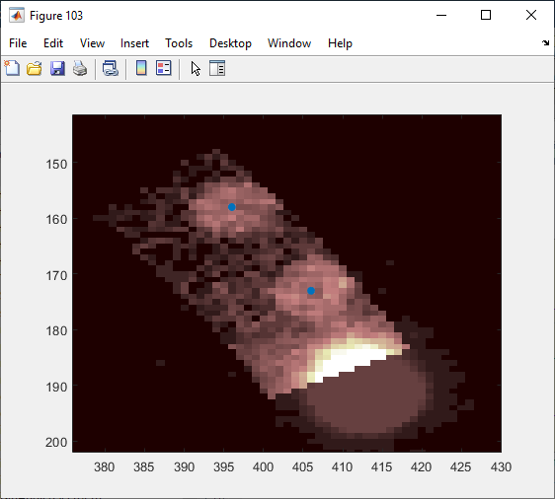
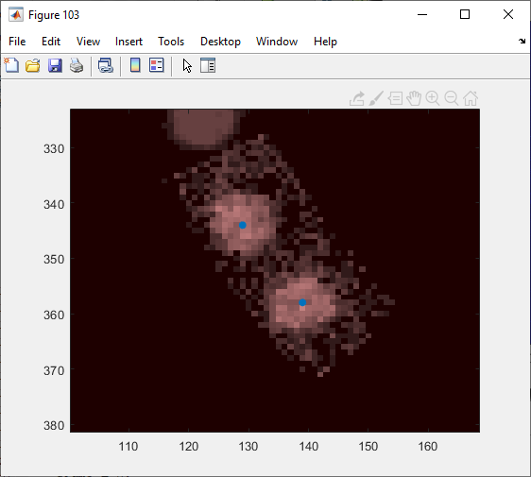
 | And the five regions of interest.
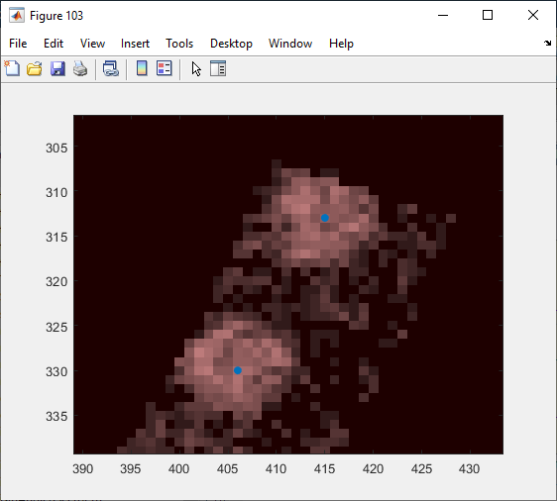
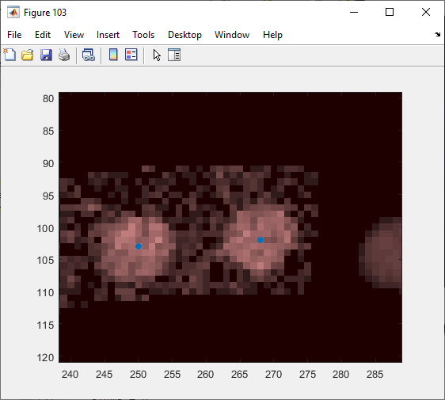
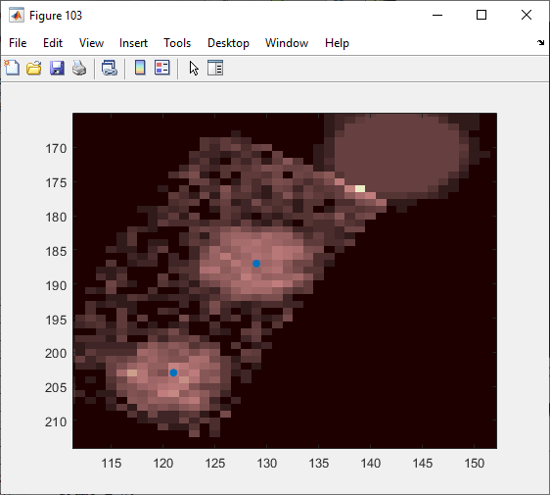

 | Here is one failure, where the hBN has made it confused. This is why a minimum height thresholding would also be important.
 | Seems from the figure number that this might be number 41 or 42; after implementing the min relative threshold, try it again.
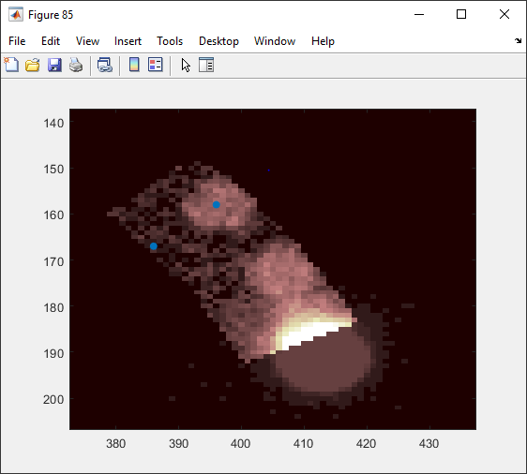


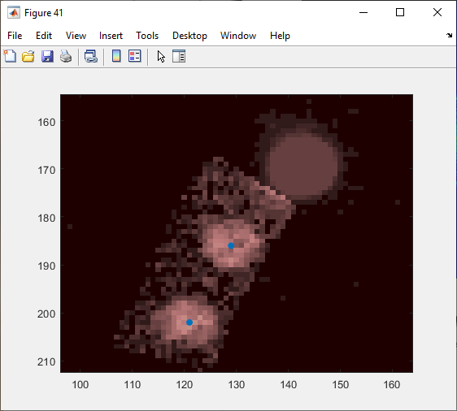
 | Pause at figure 41 (probably DP 20 or so) for another check on how accurate the registration is (this came out normally):
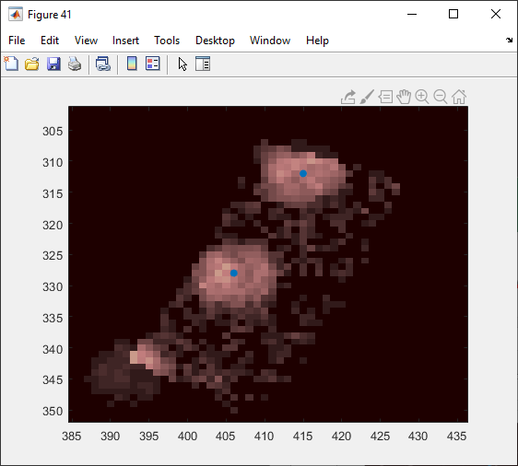
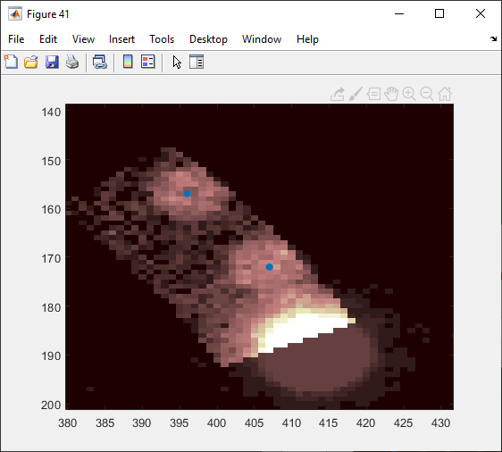
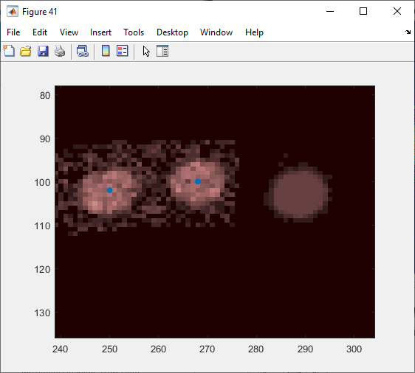
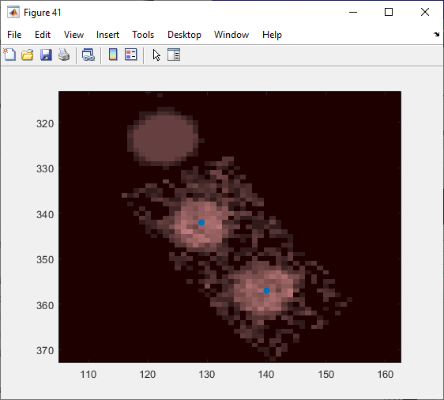

 |  |  | (The registration here is maybe not quite perfect)

 | Another failure came on DP 11 or so (figure 23), where the hBN spot leaked into the mask.
 | In cases where hBN interference is a worry, it might be better to have an interval of acceptible intensities rather than only a lower bound (via median, say).
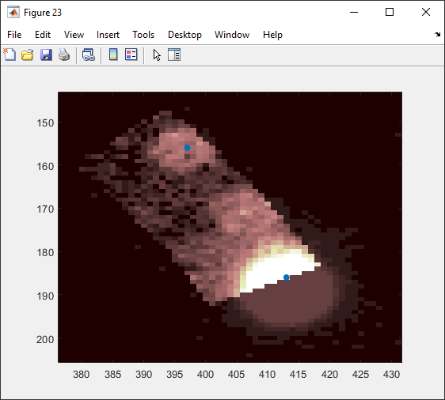

 | Polygonal mask drawing might also make a lot of sense.
 | Another instance of the hBN failure: |  | Another instance where the second graphene peak failed to register and we got background:
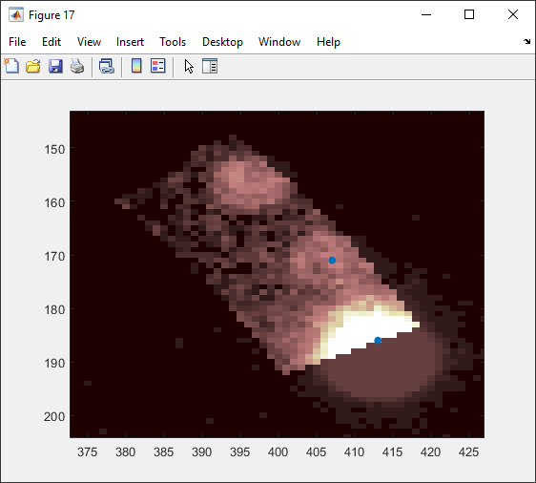
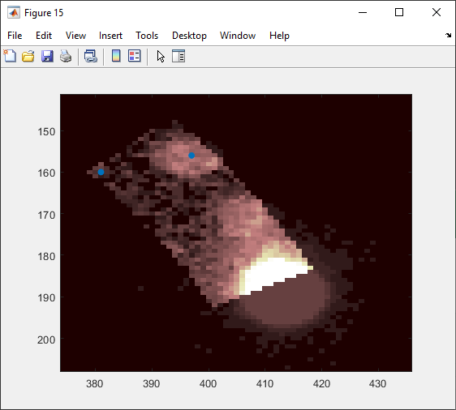

 | And another instance:
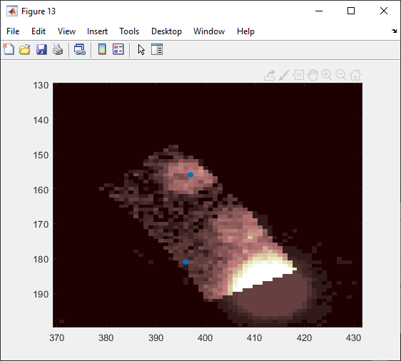

 | All in all, not too bad. We are getting a 90% success rate, with 45/50 diffraction patterns being correctly registered with 3 background hits due to graphene local max dissolution and 2 hBN hits from mask slippage.

Sheet1
python implementation
Nathanael Kazmierczak
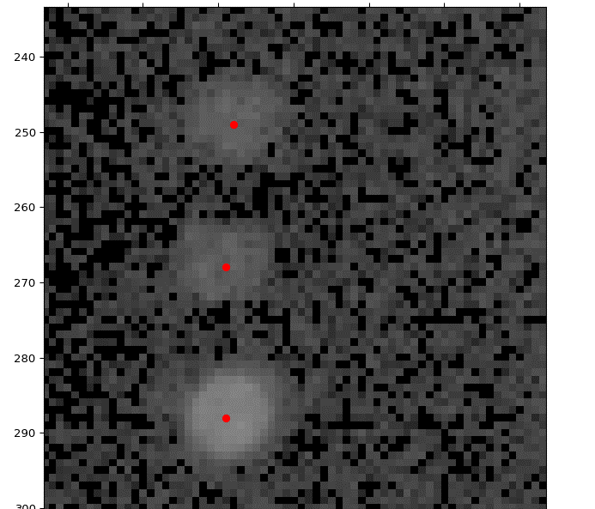
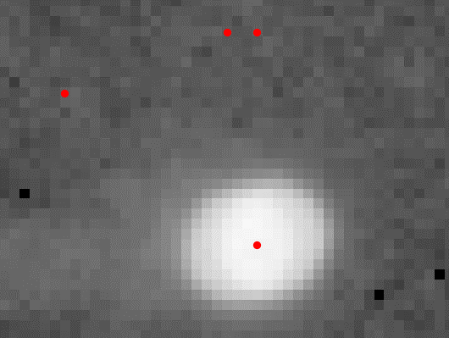
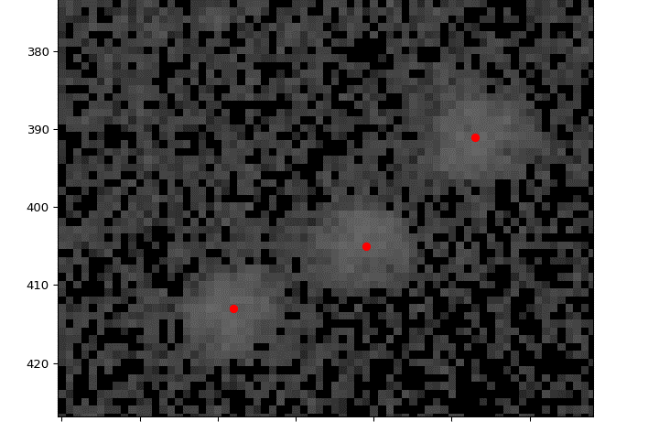
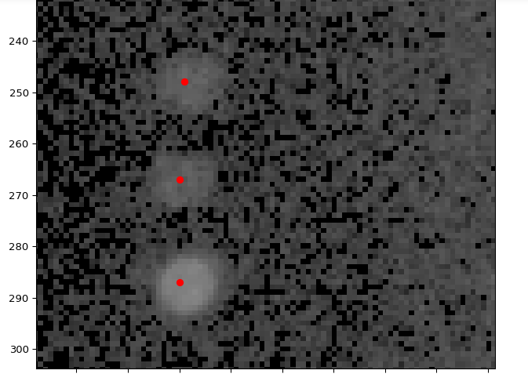

 | Using the convention I developed in Matlab. | overlay = result[256:767,256:767] | same
 | overlay = result[257:768,257:768] |  | all overlays are on top of the DP and not the correlation map.
 | But recall, Python indexes from 0 while Matlab indexes from 1!

 | Now using what we found above, doing the subpixel interpolation (setting "subpixel" kwarg to True, but not doing anything with the DFT upsampling).
 | I think that this is equivalent to what they call "poly" | This is with the DFT upsampling attempt.
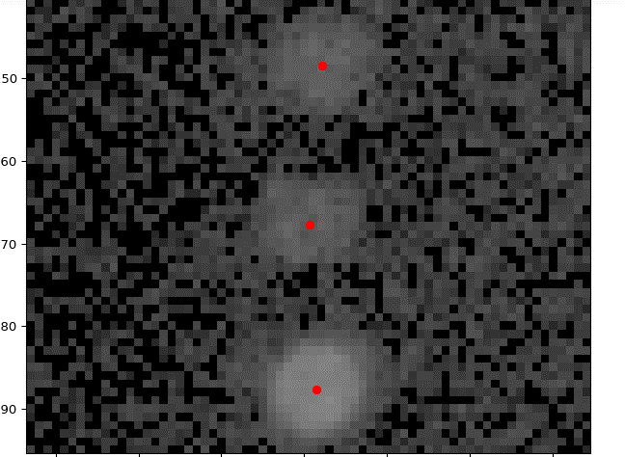
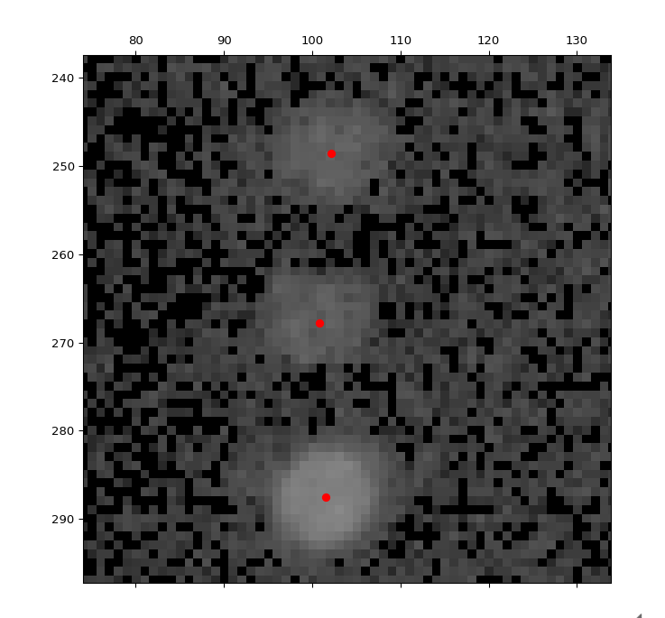

 | Looks really quitenice.

 |  | I think this has done something, but the difference is pretty minute. For the present, I think poly is good enough for our purposes.

