Sheet1
08092019 Nathanael Kazmierczak
First notes on simulating strain, and then using that to try to find the origin.

Useful resources
https://www.continuummechanics.org/strain.html

 | An initial fairly self-explanatory graph showing strain deformation of a hexagonal lattice.
 | Note that I am not certain the parameters are correct. In this case I am defining a left-acting transformation
 |  | matrix, but using the definition of the strain tensor given in Ophus paper, which is as
 |  | as written ostensibly a right-acting transformation matrix.
 | Given that all the behavior I am seeing here makes perfect sense, I think they just wrote it down wrong.
 | Code here is simulate_strain.m in the 4DSTEm_local folder on the lab computer.
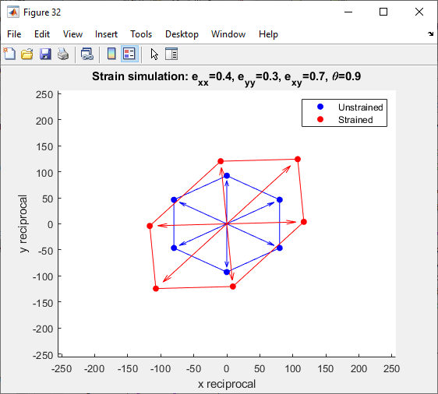

 | Now, if the center of mass doesn't change, then it seems like we should be able to compute strain relative to the center of mass.
 | That is, no 'fittable' strain effect could lead the hexagonal ring to center on someplace different than the apparent center of the beam,
 |  | so we don't need to worry about any such effects.
 | The only concerning bit is the fact that our vertical resolution in this image is worse than our horizontal resolution, precisely because the beamstop has caused us to lose our bottommost peak.
 | Also, we won't be able to use this method on the "zoomed in" scans, because we don't have a full hexagonal ring.
 | In some ways, the zooming in is a trade-off of information, because it increases information on a single disk at the price of loosing information on the location of the origin.
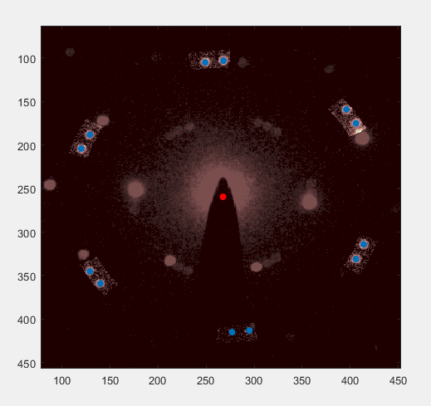

 | For the above image, I took the center of mass of the four disks on the far left and the four disks on the far right.
 | All of those are graphene disks, which are behaving very well relative to the hBN in terms of equal lighting.

 | In the following image, I am now detecting off of the hBN peaks (selecting only the largest maximum per window), intentionally including them.
 | I am also using the inside ring rather than the second ring. All peaks are being averaged to find the center of mass.
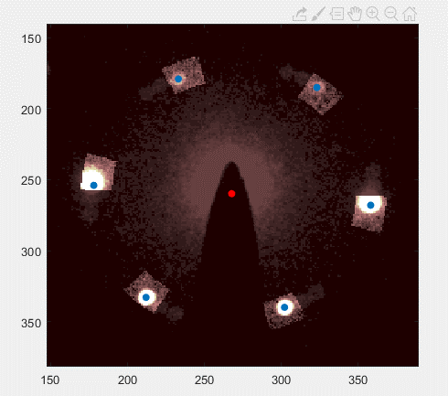

 | Comes out fairly consistent with the graphene peak analysis, despite the problems with disk registration for the HBN owing to the different intensities.

 | Second approach: radial power law fits. |  | Note: after the discovery of the xy bug (see 08102019), take these plots with a grain of salt, because the x and y coordinates of the origin as determined by the power law fit is probably swapped.
 | Goal here is to avoid using the bragg disks to determine the center, and rather to do it via curve fitting.

 | Question: is the center saturated?
 | Answer: not even close:
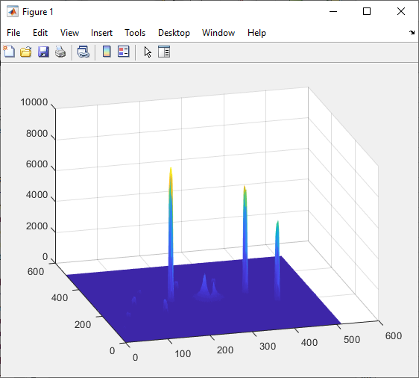

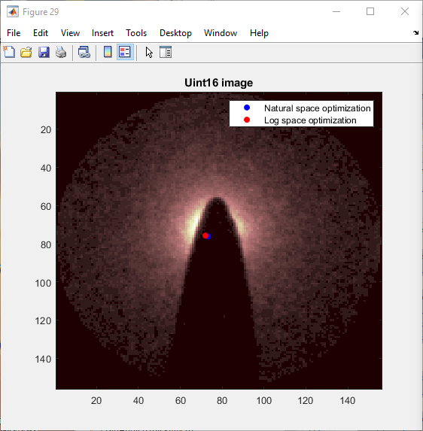
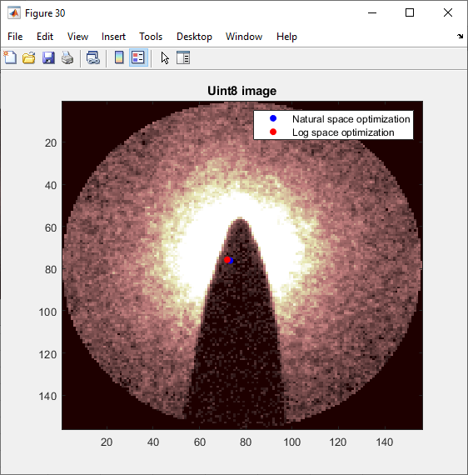

 | Log space optimization, data fit residuals

 | Natural fit data fit residuals.

 | We are having outlier problems in both, clearly.

 | What happens if we make the circular mask more stringent? Not having to deal with the digitization error, it might be the case that the log fit will improve.
 | Also we could try changing the log base, but I don't know if that would actually help.

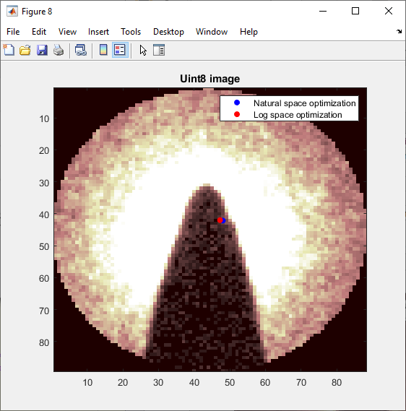
 | Changing the circle region wildly changes the estimated centers.
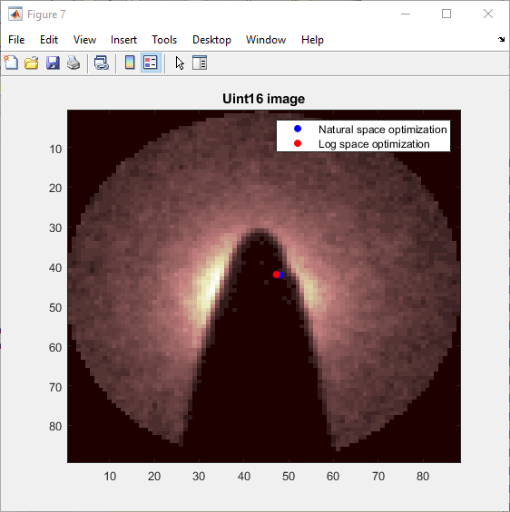

 |  | Log fit:

 |  | Natural fit:

 | So it seems most likely that the problem exists in figuring out how to weight the errors.
 | The tricky bit is that errors are large at both high and low intensities; want something in the middle.
 | Alternatively, maybe elliptical errors in the beam (or some bending around the edges) are causing such issues. We might need more degrees of freedom in the exponent,
 |  | or an elliptical transform.
 | But more degrees of freedom for the exponent could be a real issue, too, as taking line profiles is going to introduce its own host of discretization errors.
 | Jackknifing or bootstrapping approaches could also work, but resampling is going to really inflate our computation time and the results are not guaranteed to be good.
 | Some sort of resampling can be a good way to validate the consistency of a particular method.
 | Alternatively, apply it to several images and see how much variation there is, but we expect real effects, so that is less desireable.

