Sheet1
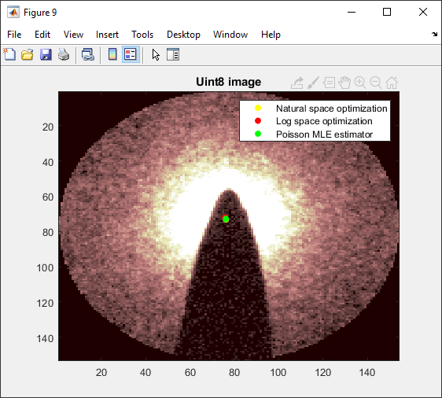
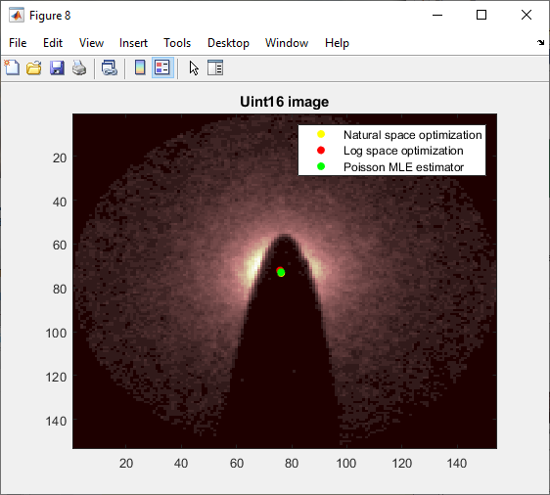
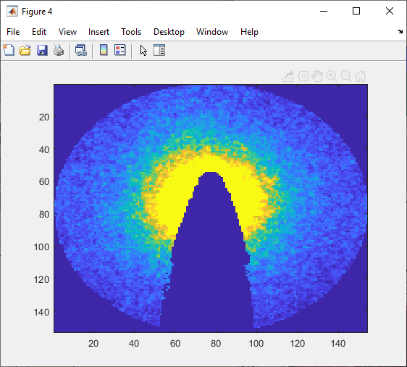
08102019PoissonMaskedPowerLawFit.xlsx
Nathanael Kazmierczak

Study probing our attempts to make determination of the center of the electron beam through power law fitting.
Unlike the last study, here we will abandon the least squares estimator and use principled maximum likelihood estimation to conduct the power law fit.
Central idea is that the power law fit provides the mean of the Poisson distribution at each pixel.
Since the Poisson distribution is a one-parameter distribution, this entirely determines a pdf for each pixel. Standard maximum likelihood technique may be applied after this point.

First attempt: simply mask the inside to deal with the rollover data:

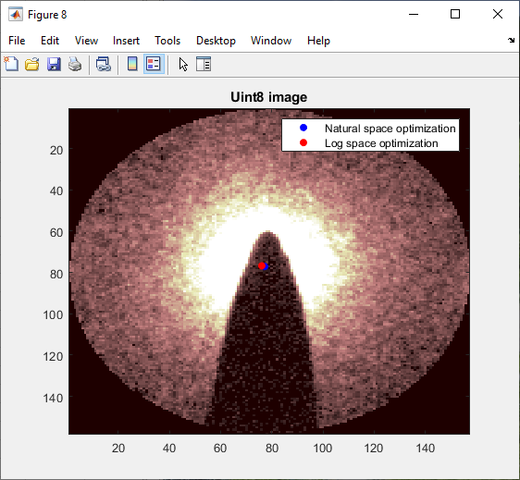
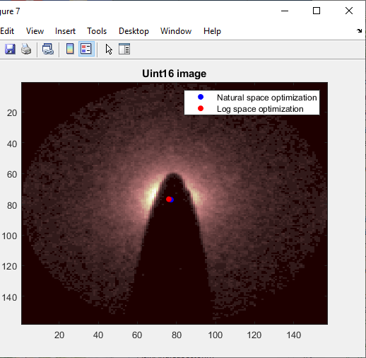

Here the radius of the inner circle hard deletion mask is one-sixth of the larger circle mask.

Below, it is one-fouth:
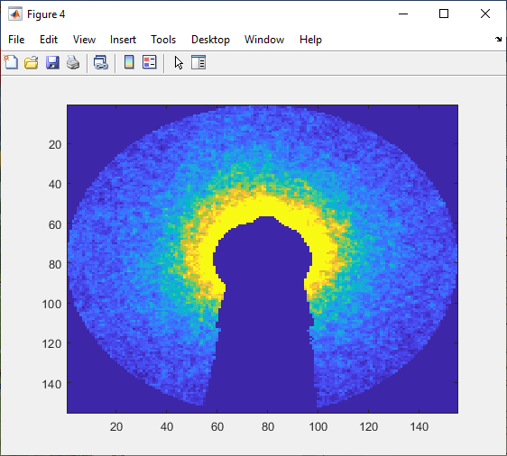
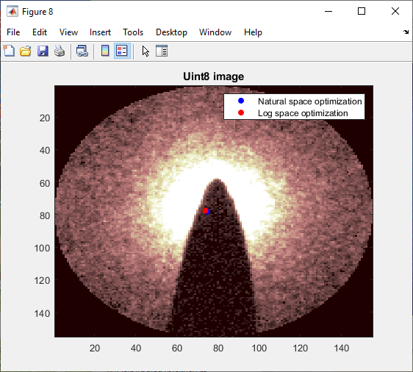
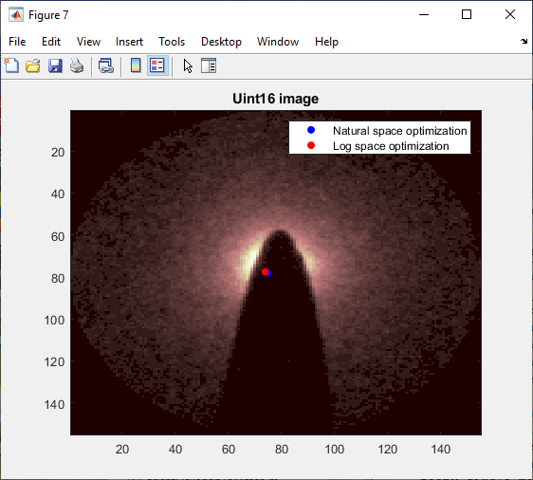

(Note that I'm a little confused about how the radius is getting set -- looks like it is much smaller. Ostensibly I'm setting
Indeed: I have discovered that the radius of a Circle object changes as the image changes size. So I don't know what those circles were actually set to above.

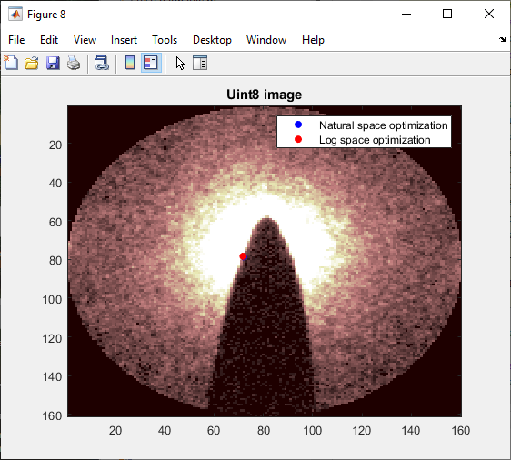

Now this is actually with a radius of 2/3 the larger circle size:
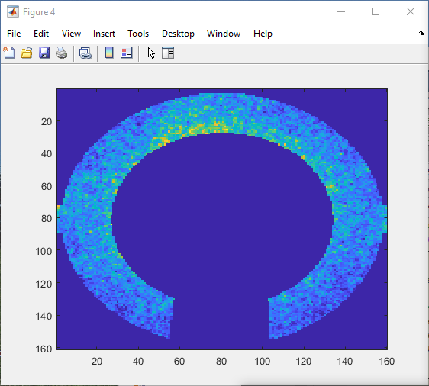
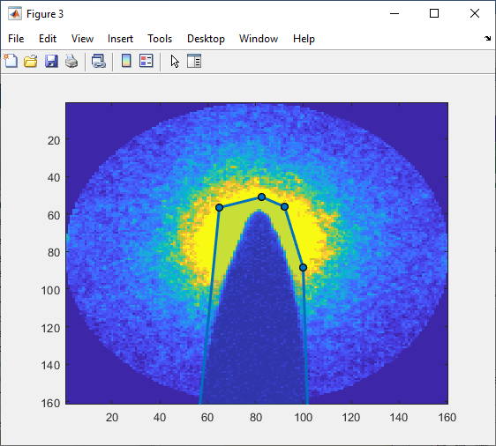

now doing 1/3 correctly.
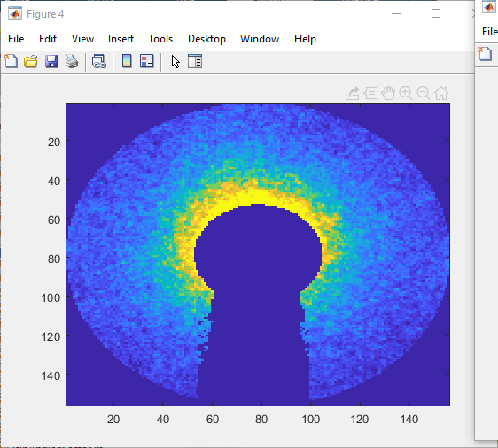

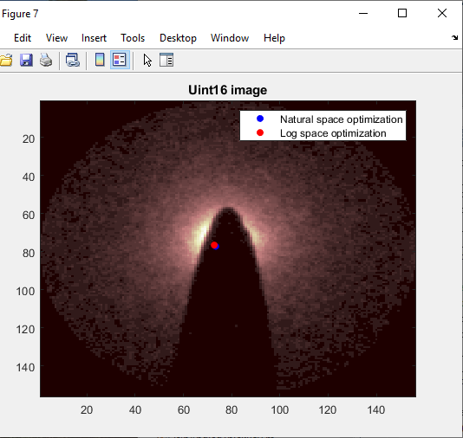

now doing 1/2 correctly
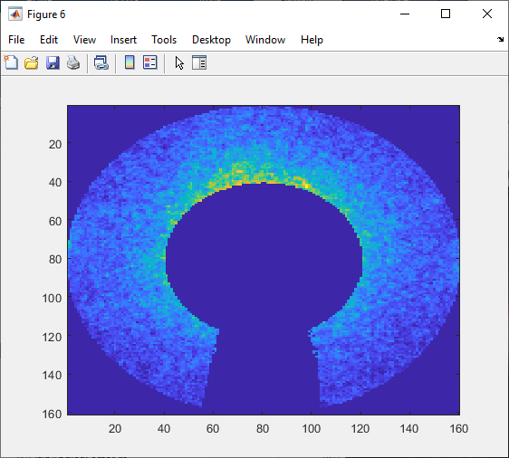



Still the determined center bounces about a lot depending on the precise data range collected, and I'm not sure I believe it.
Thus I think it is worthwhile trying the principled Poisson distribution approach, and then perhaps bootstrap/jackknife to get an idea of reliability.
After that, we would then have to try power law fits from multiple directions.

Now we have accomplished the principled Poisson MLE estimator, as shown below, but it does not drastically change the argument from the other two.
Thus the issue is not the weighting of errors in the data, but presumably the data itself.
Either there is systematic error to the power law fit (and I guess I'm quite sure there in fact is such from glancing at the image), or a lot of random noise effects.
Probe the random noise via bootstrapping an image.


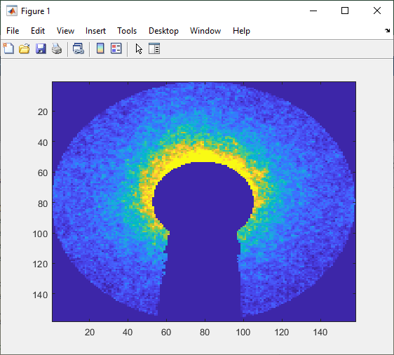

Note that the above were for an hard delete inner radius of 1/3 the total.
Suppose we set to 1/10 (i.e. not operable): does the Poisson MLE stay more stable than the others?

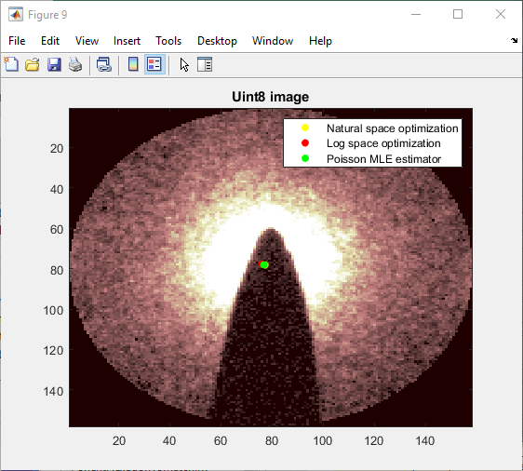
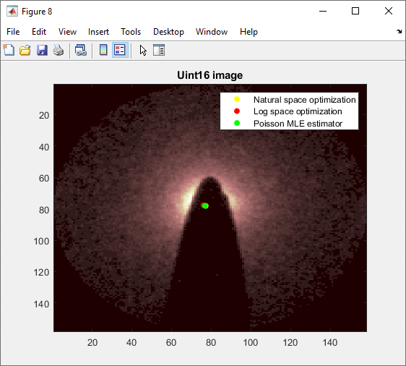

Doesn't seem like there are major effects. Actually holding in that middle data without the hard mask seems to give about the most reasonable result I have seen so far.
Now, move on to the bootstrap.

Discovery of a bug:
x and y coordinates were accidentally swapped inside the fitting function. This was leading to the true optimization location not being represented accurately on the image plots.
What tipped me off was the astonishingly small variance from the bootstrap, the data for which is presented at the left. |  |  |  |  |  |  |  |  |  |  | c(1) | c(2)
 | Filename is 08102019PoissonMLEBootstrapData.mat, where the relevant array is bootstat. |  |  |  |  |  |  |  |  |  | (dim2 of matrix) | (dim 1 of matrix)
 |  |  |  |  |  |  |  |  |  |  | xcoord | ycoord | 30 repetition bootstrap
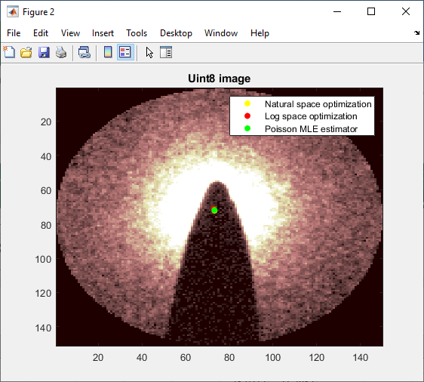
The corrected versions are below: |  |  |  |  |  |  |  |  |  |  | 73.1702 | 71.8568 | using Poisson MLE estimator

 |  |  |  |  |  |  |  |  |  |  | 73.1557 | 71.7917
 |  |  |  |  |  |  |  |  |  |  | 73.1398 | 71.8388
 |  |  |  |  |  |  |  |  |  |  | 73.1882 | 71.8825
 |  |  |  |  |  |  |  |  |  |  | 73.1679 | 71.7856
 |  |  |  |  |  |  |  |  |  |  | 73.0648 | 71.8788
 |  |  |  |  |  |  |  |  |  |  | 73.1068 | 71.905
 |  |  |  |  |  |  |  |  |  |  | 73.195 | 71.8974
 |  |  |  |  |  |  |  |  |  |  | 73.1101 | 71.8961
 |  |  |  |  |  |  |  |  |  |  | 73.1544 | 71.8467
 |  |  |  |  |  |  |  |  |  |  | 73.0712 | 71.7637
 |  |  |  |  |  |  |  |  |  |  | 73.1502 | 71.801
 |  |  |  |  |  |  |  |  |  |  | 73.0932 | 71.9006
 |  |  |  |  |  |  |  |  |  |  | 73.1259 | 71.838
 |  |  |  |  |  |  |  |  |  |  | 73.1955 | 71.9392
 |  |  |  |  |  |  |  |  |  |  | 73.1579 | 71.9228
 |  |  |  |  |  |  |  |  |  |  | 73.09 | 71.8869
 |  |  |  |  |  |  |  |  |  |  | 73.111 | 71.8775
 |  |  |  |  |  |  |  |  |  |  | 73.222 | 71.8636
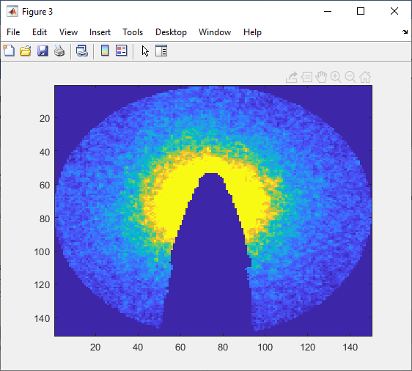
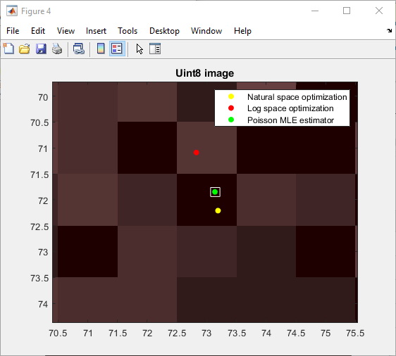
 |  |  |  |  |  |  |  |  |  |  | 73.1695 | 71.8471
 |  |  |  |  |  |  |  |  |  |  | 73.1403 | 71.9021
 |  |  |  |  |  |  |  |  |  |  | 73.1365 | 71.8461
 |  |  |  |  |  |  |  |  |  |  | 73.1845 | 71.9345
 |  |  |  |  |  |  |  |  |  |  | 73.169 | 71.8042
 |  |  |  |  |  |  |  |  |  |  | 73.1822 | 71.8644
 |  |  |  |  |  |  |  |  |  |  | 73.1929 | 71.8314
 |  |  |  |  |  |  |  |  |  |  | 73.0943 | 71.7883
 |  |  |  |  |  |  |  |  |  |  | 73.1427 | 71.7857
 |  |  |  |  |  |  |  |  |  |  | 73.1806 | 71.9318
 |  |  |  |  |  |  |  |  |  |  | 73.1308 | 71.783
 |  |  |  |  |  |  |  |  |  | min | 73.0648 | 71.7637
 |  |  |  |  |  |  |  |  |  | max | 73.222 | 71.9392
 |  |  |  |  |  |  |  |  |  | range | 0.1572 | 0.1755
 |  |  |  |  |  |  |  |  |  |  | xcoord | ycoord

 | Defining the confidence interval simply as the maximum and the minimum of the bootstat, this is what we get, where the confidence region is the white rectangle.

Now that things seem to be working out pretty well, let's run a few different calculations to get a sense for how robust the (corrected) version is to where you draw the circle.
We will need to have global coordinates for the center of the fit relative to the original image, which I will compute at the end of the script.

 |  |  | natural opt coords |  | log opt coords |  | Poisson MLE coords |  | Poisson MLE looks best from this study, which is what we would
 | Trial | Comment | x global | y global | x global | y global | x global | y global | expect on principled grounds.
 | 1 | The way I normally draw the circle | 266.1888 | 254.2126 | 265.8099 | 253.0776 | 266.1334 | 253.8535
 | 2 | Zoomed in moderately | 266.1811 | 254.2034 | 266.0098 | 253.3703 | 266.1543 | 253.8892
 | 3 | Zoomed in tightly | 266.1348 | 254.0278 | 266.0592 | 253.229 | 266.1132 | 253.7114
 | 4 | skewed above the beamstop | 270.5049 | 229.5159 | 266.2348 | 251.6497 | 266.4159 | 251.8544 | Note: at trial 4, I implemented Stirling's approximation and the analytic logarithm
 | 5 | right of the beamstop | 267.4283 | 264.9938 | 267.8626 | 253.7032 | 267.4221 | 254.4947 | of the Poisson pmf to solve overflow issues. Will go back and test a full circle to ensure equivalent results.
 | 6 | left of the beamstop | 246.3192 | 261.7535 | 264.7388 | 254.0159 | 264.9203 | 254.4493 | Also removed the innermost hard delete mask.
 | 7 | below the beamstop | 266.2071 | 255.3009 | 265.892 | 256.1621 | 266.22 | 255.1189
 | 8 | Repeat of normal circle drawing | 266.1882 | 254.2121 | 265.7989 | 253.1046 | 266.13 | 253.8528
 | Standard deviation of four centered trials: |  | 0.025854254969 | 0.090881548366 | 0.13444539164 | 0.13396572634 | 0.016877870126 | 0.078739628947
 | Mean of four centered trials: |  | 266.173225 | 254.163975 | 265.91945 | 253.195375 | 266.132725 | 253.826725 | When centered, all methods agree with each other to at worst one pixel.
 |  |  |  |  |  |  |  |  | But the resolution is really subpixel I think, given this single diffraction pattern.
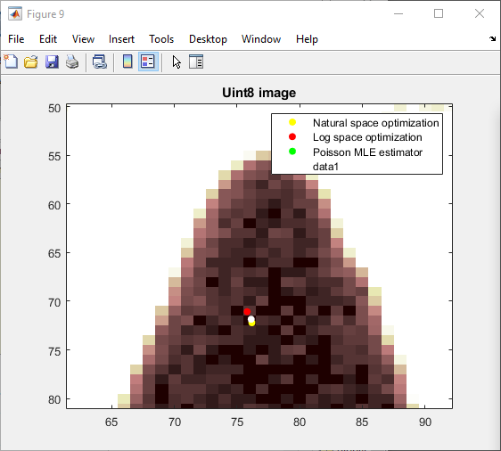
 | Trial 1: | Global coord location seems certainly very plausible. |  |  |  |  | White here is an accidental overlay of the Poisson MLE scatter
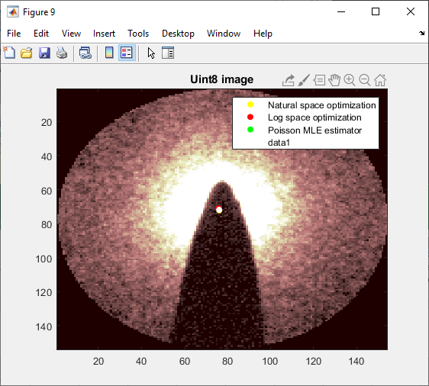

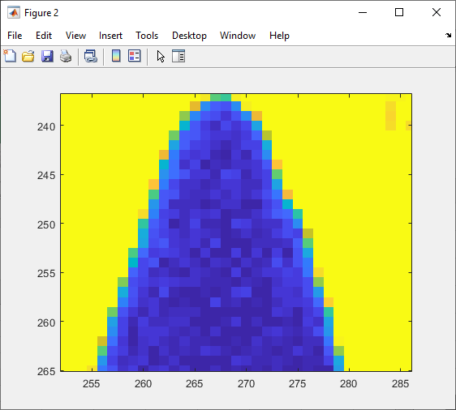

 | trial 2
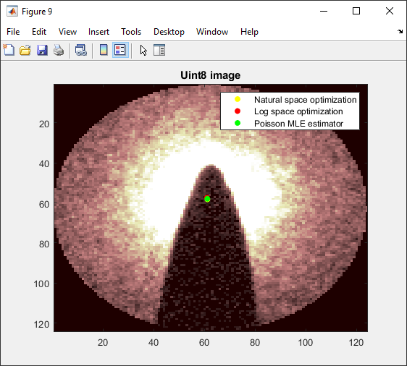
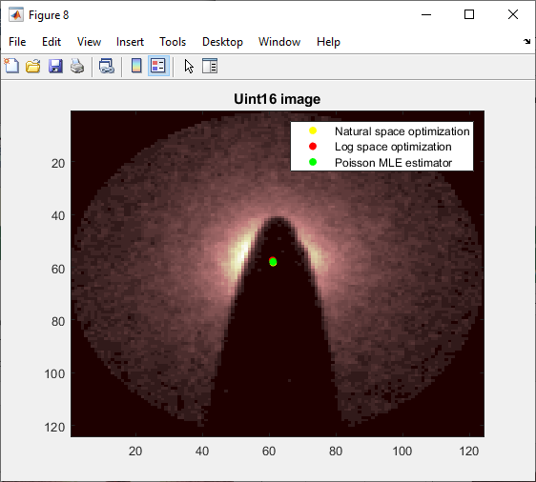

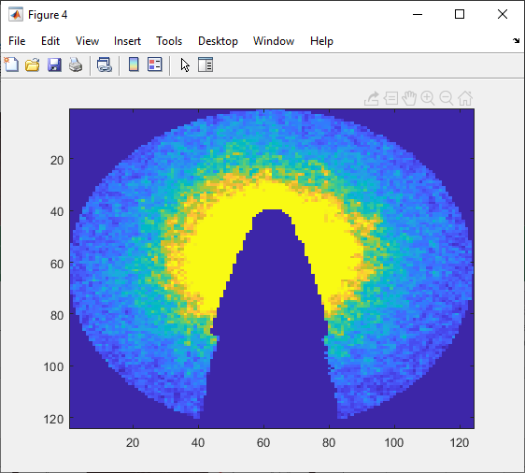

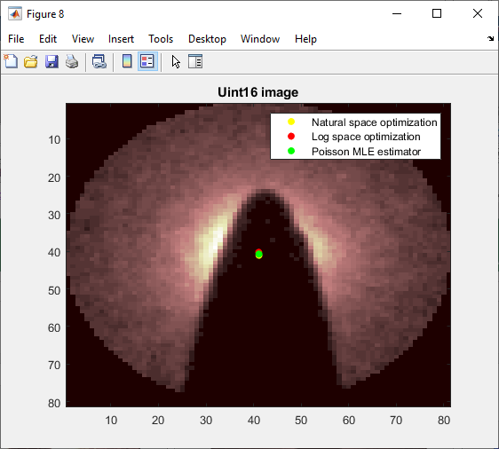
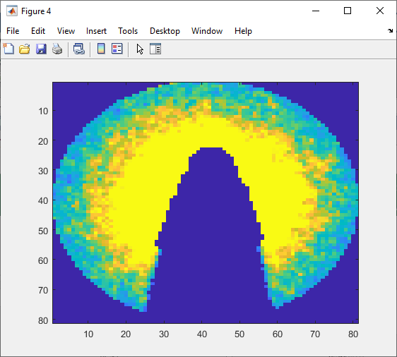
 | Trial 3:
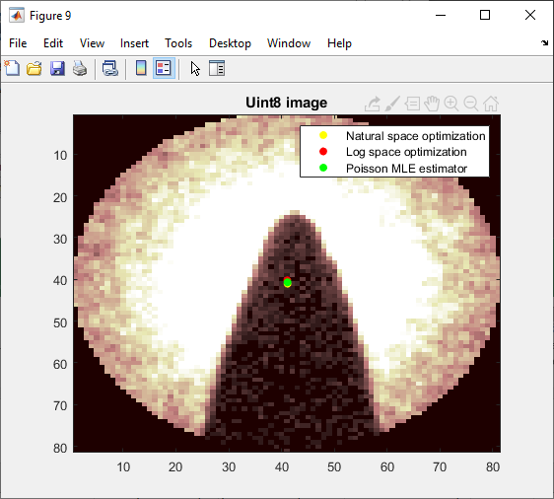

 | Trial 4:
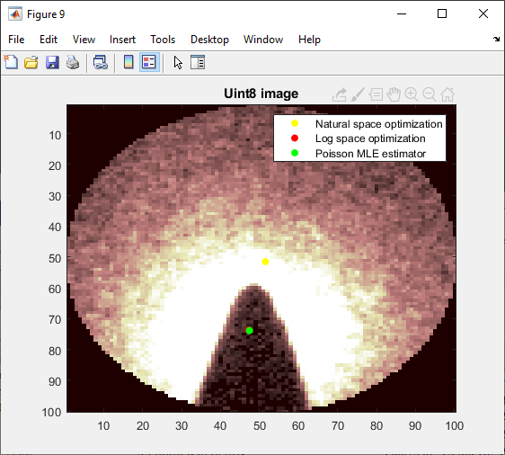
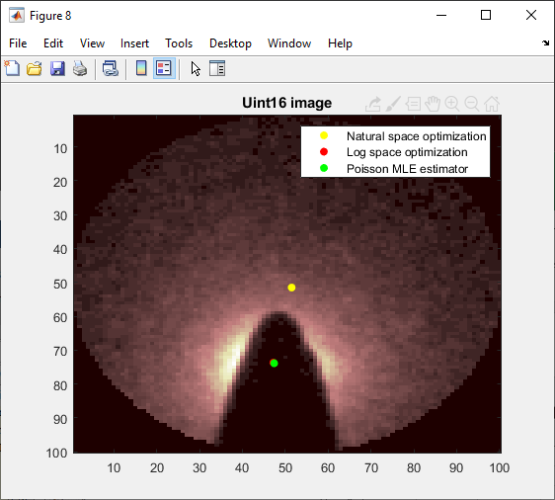
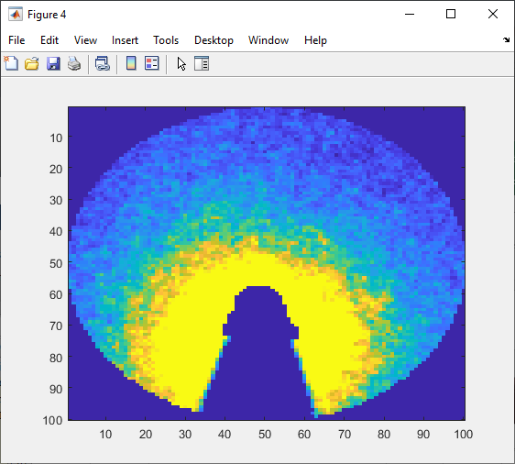

 | Note a big part of the issue here is that the inner radius masking now doesn't work so well.
 | Natural space optimization appears to have gotten stuck in a local minimum.

 | Trial 5:
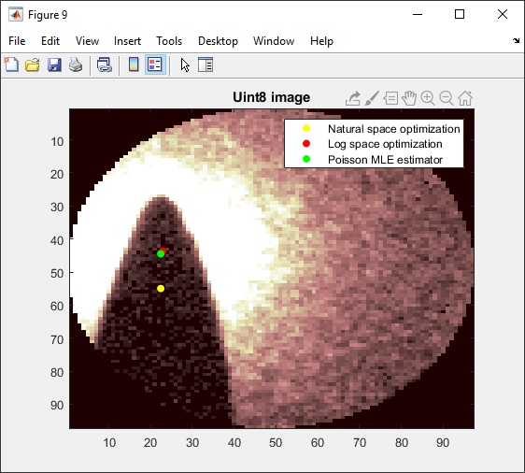
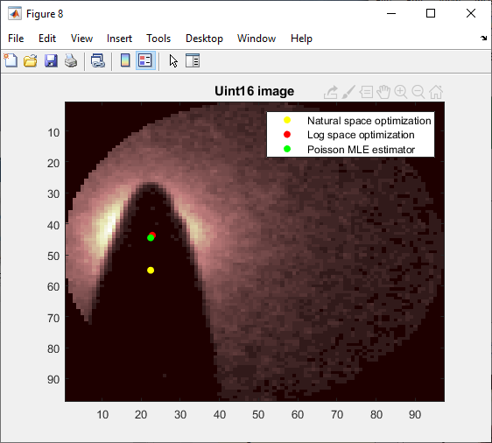
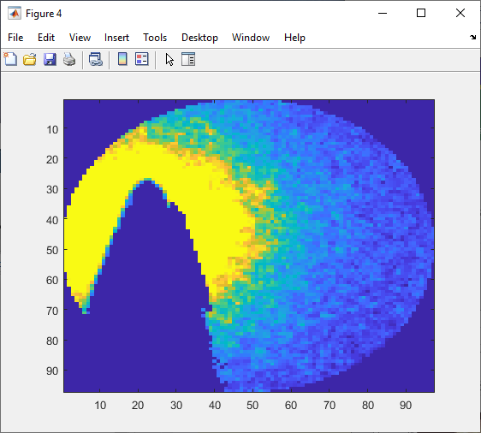

Again the masking is bad here. Given that the natural space optimization did this again, I think it is not actually a local min, but truly bad error weighting.
This gets strongly exacerbated when the masking isn't quite right. Log and Poisson MLE are far more robust.

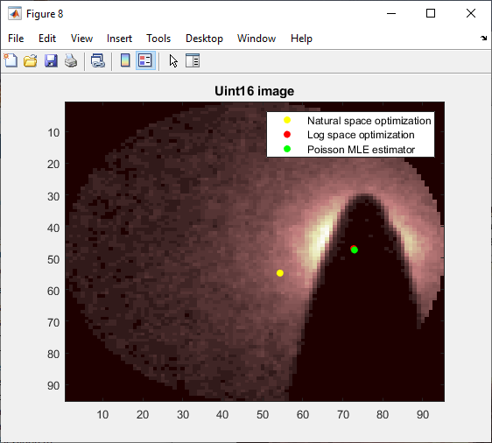
 | Trial 6:
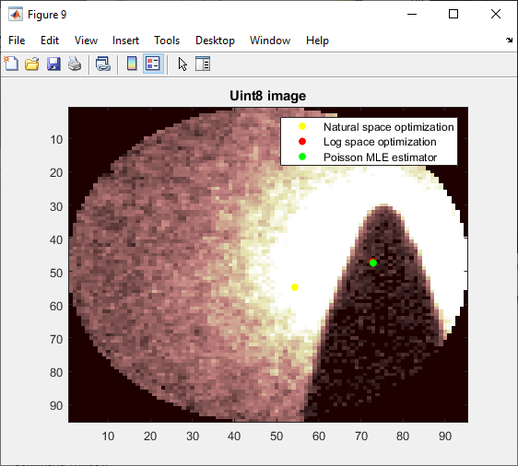
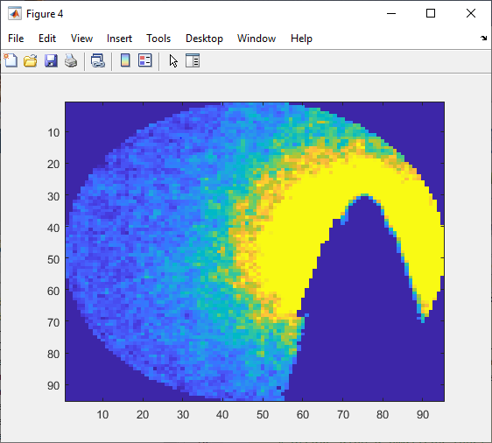

 | Trial 7:
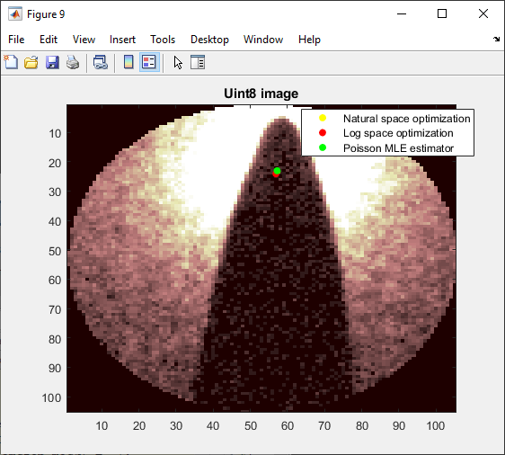
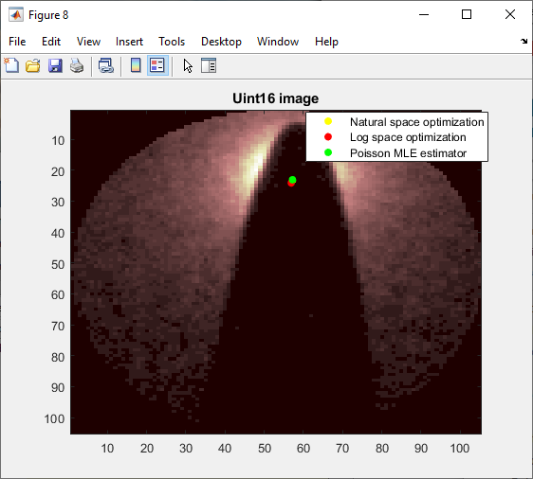
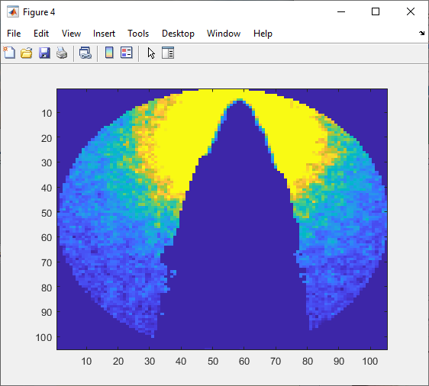

 | Trial 8:

