Sheet1
08112019ExtensionsOfPoissonPowerLawFit.xlsx
Nathanael Kazmierczak

Now that we have a fit method set up that seems to be working fairly well for a single diffraction pattern, we wish to see if it can be extended to multiple diffraction patterns for strain mapping.
Three main goals in this study:
1: Figure out whether the masking of a single diffraction pattern can produce consistent results across a wide variety of diffraction patterns.
2: Figure out whether the masking and power law fits can accurately ascertain the center of one of the zoomed-in images.
3: Figure out how well the center agrees with that obtained from convolution of hBN or graphene peaks.

First up is actually #3. In comparing this first diffraction pattern that I have been analyzing all along, it becomes apparent that the x-coordinates agree reasonably well between COM methods and power law methods,
but the y-coordinate does not agree well, with a variation of several pixels between the two.
Looking at the image visually, it seems to me that each class of methods is doing exactly what it claims to do.
The COM methods are indeed finding the center of mass of the hBN peaks and the graphene peaks, which really just says that the disk registration is decent.
 | I would put more faith in the graphene COM than the hBN COM, since the lighting on the hBN means the disks are actually of different sizes, so it becomes difficult to convolve them accurately.
 | (See pictures below for the full details on the analysis.)
The optimization methods are indeed finding the center of the beam as judged visually by the decay around the beamstop.
The fact of the matter is just that these two approaches give us different results, because those two pieces of information in the diffraction pattern don't quite line up.
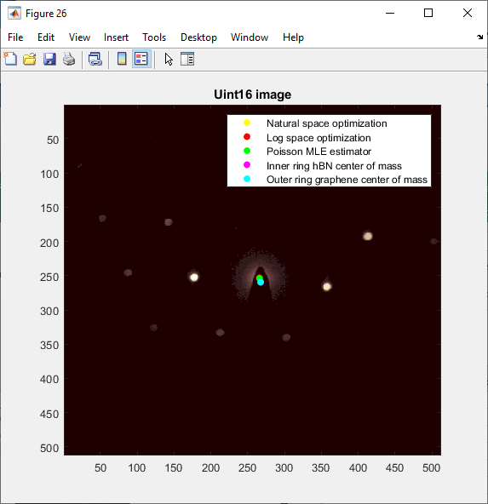
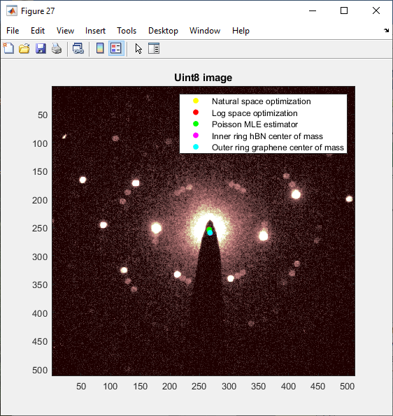
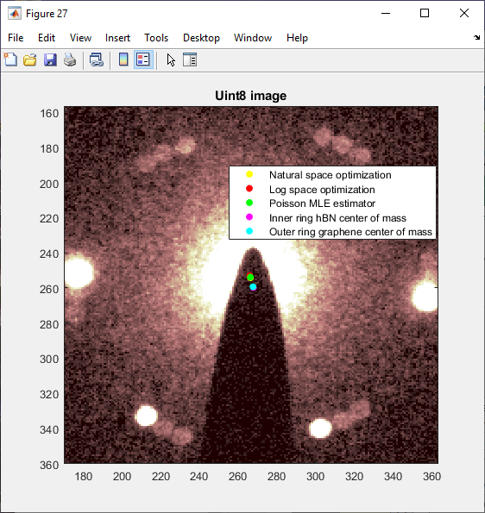
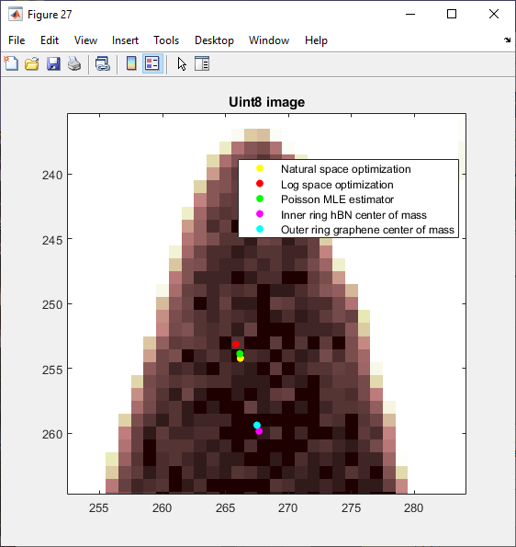

 | Assorted graphs showing how the analysis was performed.
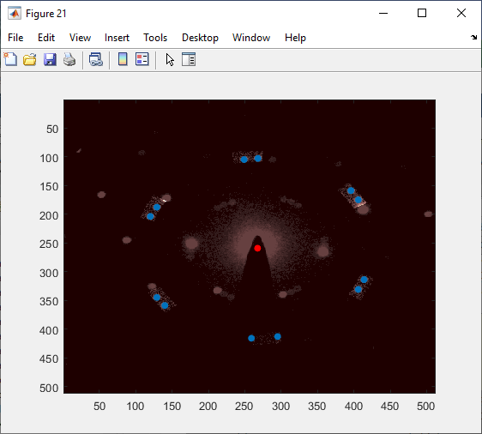
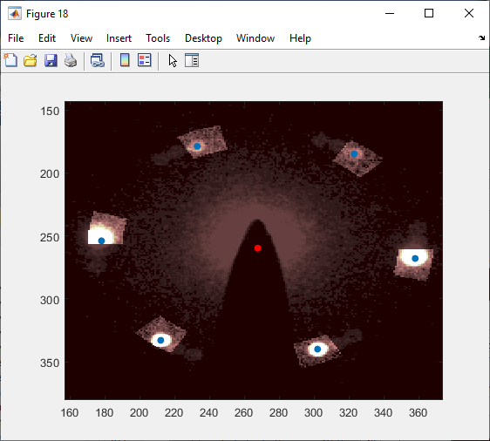
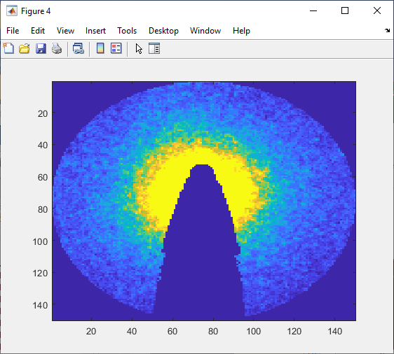

Now, for #1.
New function built entitled makeBeamstopCenterMasks.m, and the script is beam_center_consistency.m. Also applyBeamstopCenterMasks.m

 |  | First testing run on four diffraction patterns successfully detects 12 graphene peaks for each; recall lower thresholding is not yet implemented.
 |  | >> size(graphene_disk_storage(graphene_disk_storage(:,1) == 1, :),1)
 |  |  |  | >> fliplr(graphene_origin_storage) | poisson_origin_storage =
 |  | ans =
 |  |  |  | ans = | 266.1308 253.8613
 |  | 12 |  |  | 266.3740 251.8007
 |  |  |  | 267.5000 259.3750 | 266.6588 250.3969
 |  | >> size(graphene_disk_storage(graphene_disk_storage(:,1) == 2, :),1) |  | 267.8750 258.0000 | 266.6046 250.2685
 |  |  |  | 268.1250 256.5000
 |  | ans = |  | 268.0000 256.3750 | Recall that until I debug the indices, it is possible the x and y coordinates of poisson are offset by 1.

 |  | 12 |  | Both follow the convention of xcoord, ycoord so they can be scattered. |  | In the future runs graphene storage will be automatically fliplred.
 |  |  |  | Circumstantially, this seems like it is working well. Certainly convergence seems correct for Poisson.
 |  | >> size(graphene_disk_storage(graphene_disk_storage(:,1) == 3, :),1)

 |  | ans =

 |  | 12

 |  | >> size(graphene_disk_storage(graphene_disk_storage(:,1) == 4, :),1)

 |  | ans =

 |  | 12

Run on 70 diffraction patterns: |  |  | (masking similar to that above; graphs not saved, but presumably extractable from the saved data if ever desired)
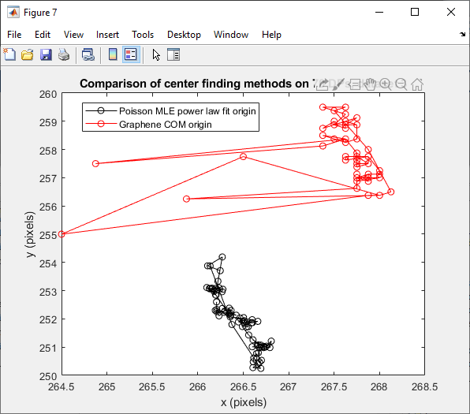

Data is saved as 08112019_grapheneCOM_PoissonMLE_comparison.mat
Note that the discretization of the graphene center of mass is artificial and can be overcome through subpixel resolution algorithms. That is not a concern.
The parts where the graphene center of mass goes flying off constitute artifacts also, probably due to the two types of Bragg disk detection failure described in an earlier workbook.
 | Better thresholding will keep this from happening.
The biggest observation here is the similarities between the shape of the power law fit and COM ways of finding the origin.
Though there is a substantial offset of up to 6-7 pixels, they vary together up to 0.5-1 pixel according to my visual estimate.
This may indicate that power law fits could be a reasonably reliable estimator for the beam center when we take the zoomed-in images on the side, where no COM is possible.

Now, for #3:
Goal is to try fitting the center on diffraction patterns from dataset 7, 07292019 collection date.
Note that this will require modifying the masking functions so that the hard delete circle is manually specified.

beamstop_zoomed_in_center.m is the main scripting file here.

