Sheet1
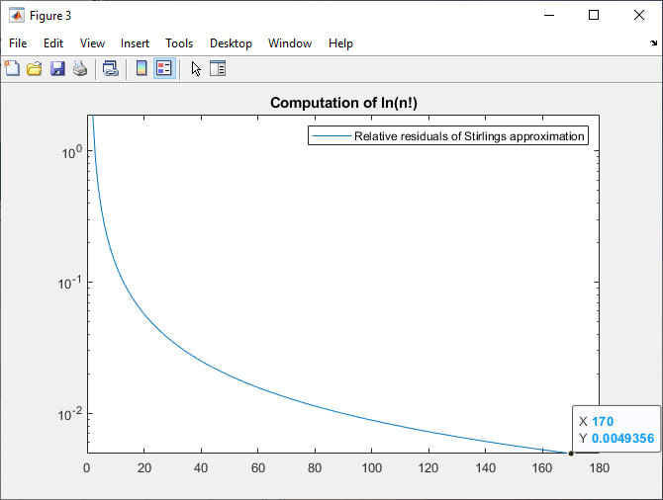
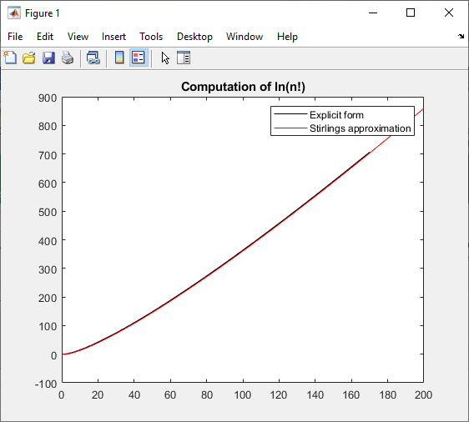
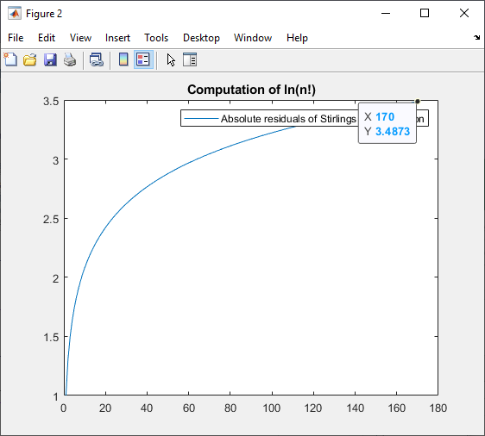
08112019TestingStirling.m
Nathanael Kazmierczak

Computationally testing the effect of Stirling's approximation, to guide implementation in the Poisson MLE estimation function.
Using script testingStirling.m
Overflow occurs at a value of 171!, which Matlab cannot compute (though 170! Can be computed)
At this point, the error in Stirling's approximation is 3.48 in absolute magnitude and 0.49% in relative magnitude.
Those errors are not vanishingly small. So I think it does make sense to only switch onto Stirling when we get overflow from the explicit computation.
The graphs below also seem to indicate that the explicit calculation is not losing precision until overflow actually occurs.

