Sheet1
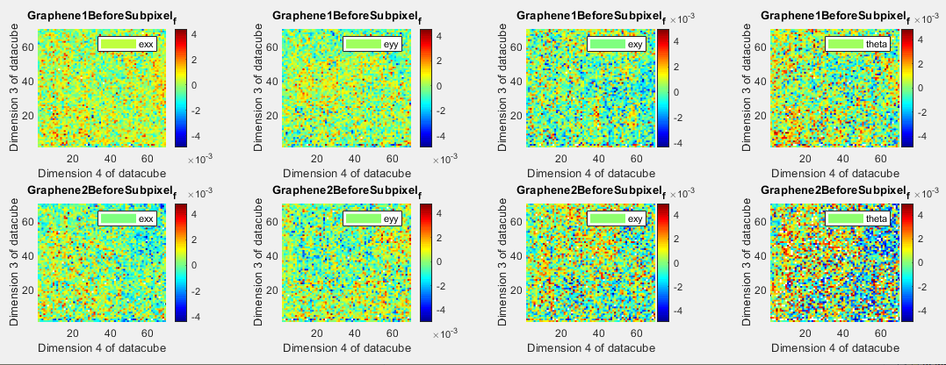
08162019NewStrainMapsAfterDecompression.xlsx
Nathanael Kazmierczak

After the realization that I shouldn't be compressing the image to uint8 before convolving.

No subpixel:
Unfiltered:
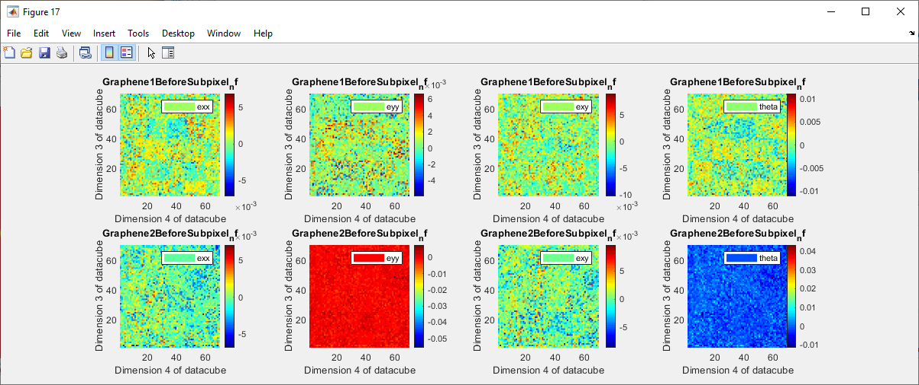

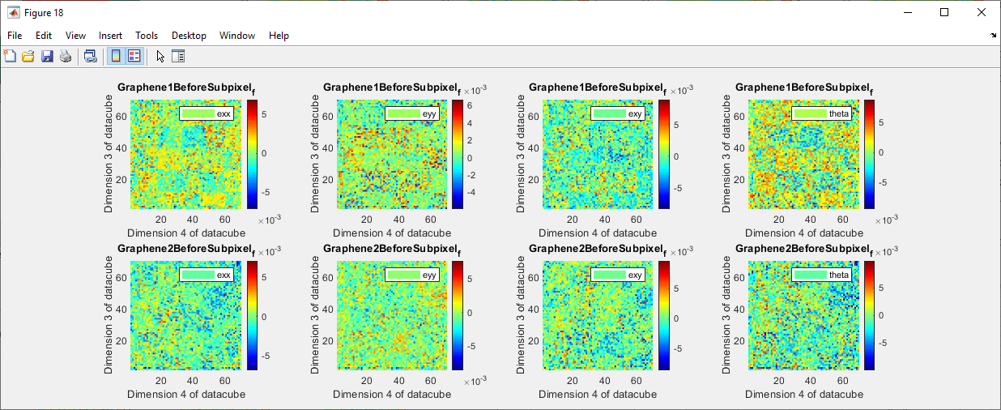
Filtered:
 |  |  | Not filtered from prior when I was convolving the uint8 image rather than the uint16 one:
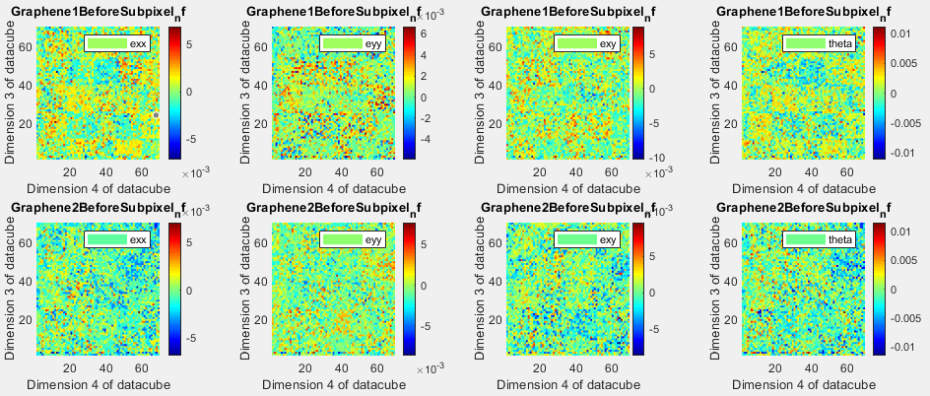

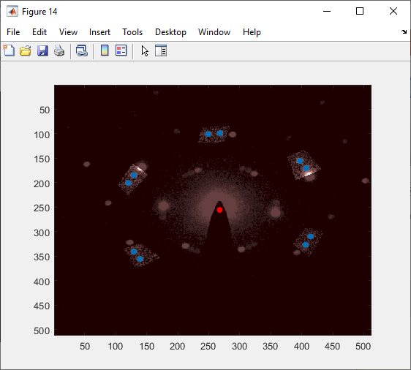
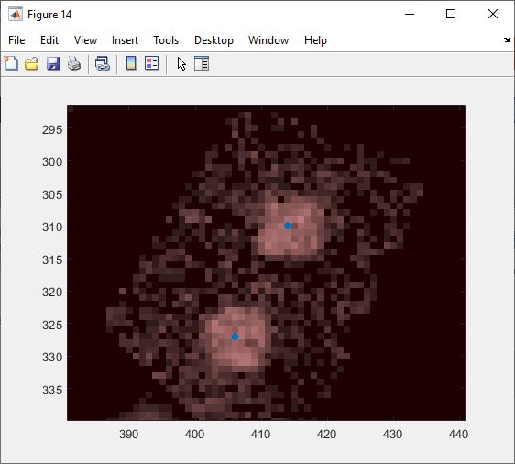
When looking at the disk registration, it seems very comparable to the old disk registration, possibly identical. Thus the fact that the convolution map didn't change doesn't surprise me.
 |  | With pixelation you might not expect it to change at all. I will be a little worried if I see no changes whatsoever with
 |  | subpixel parabolic, but I did step through to code and verify that we are now convolving a uint16 image converted to double. |  |  | (and that the max val was ~8000, so there is indeed not a problem with conversion before that point).
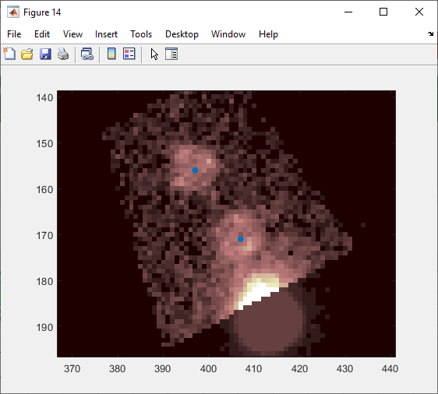
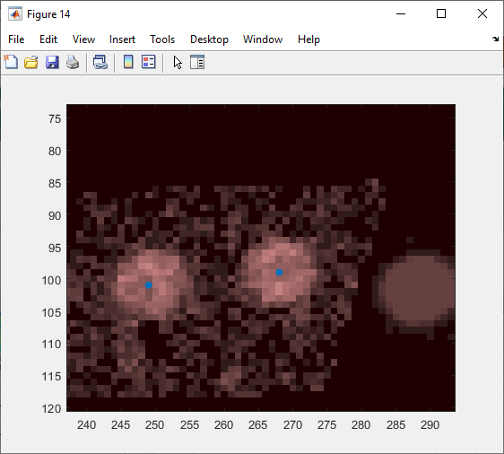
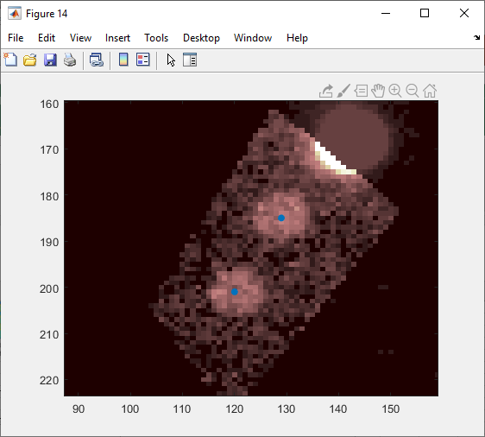
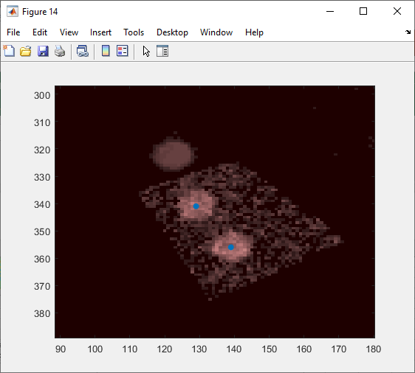

Now, with parabolic subpixel
 | Disk registrations:
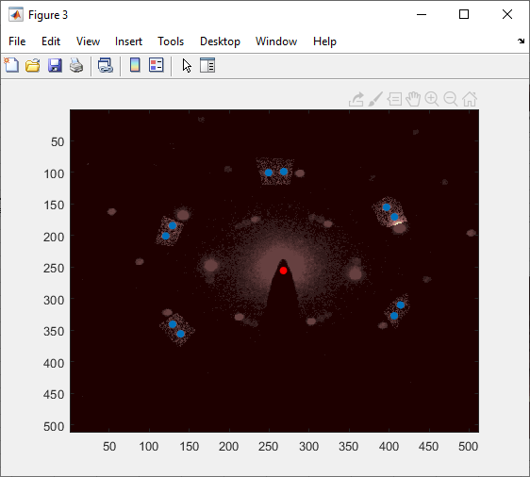
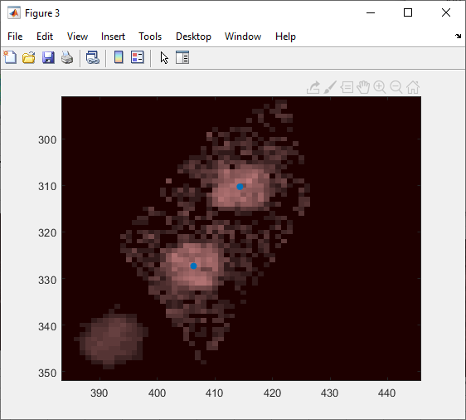
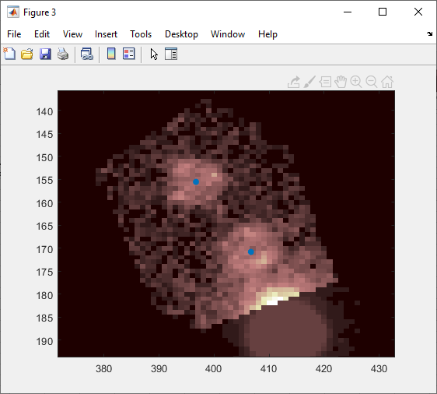
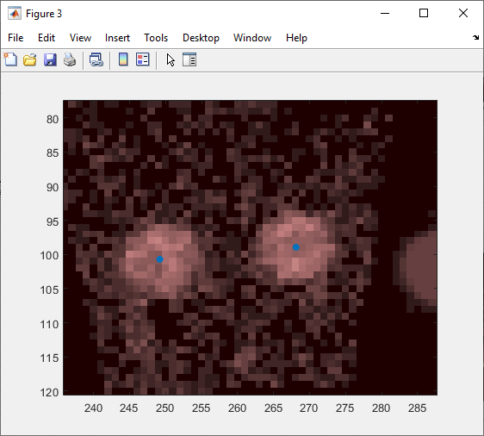
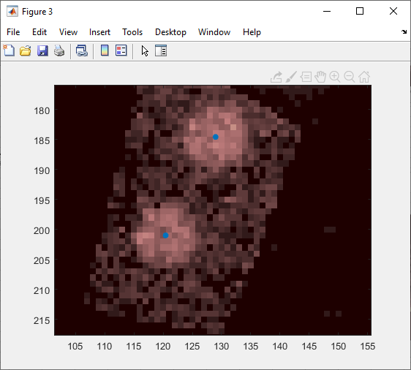
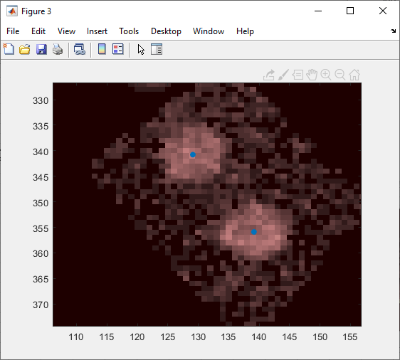

 | No filtering with parabolic subpixel on:
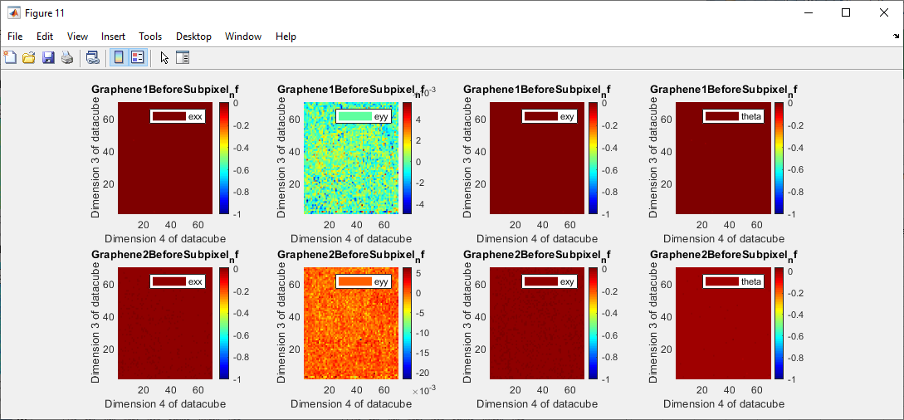

 | Filtered from (-0.01, 0.01)
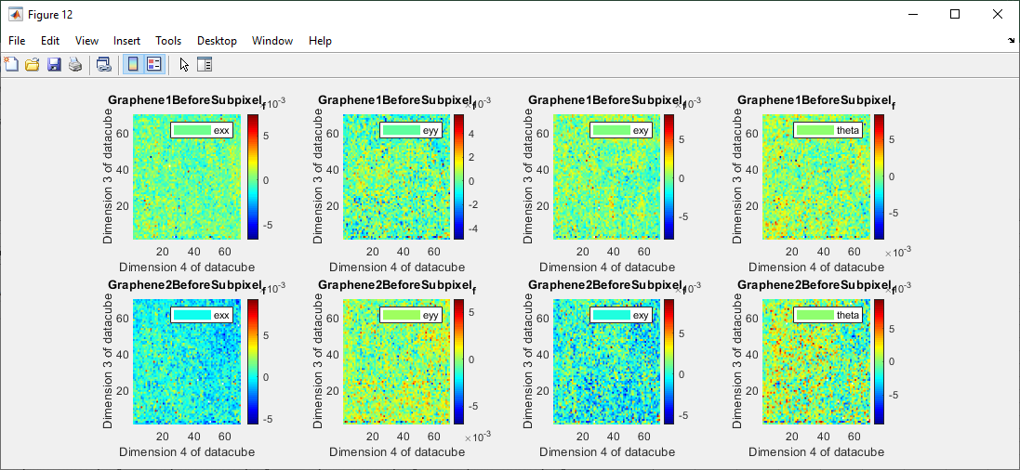

 | Filtered from (-0.005, 0.005)

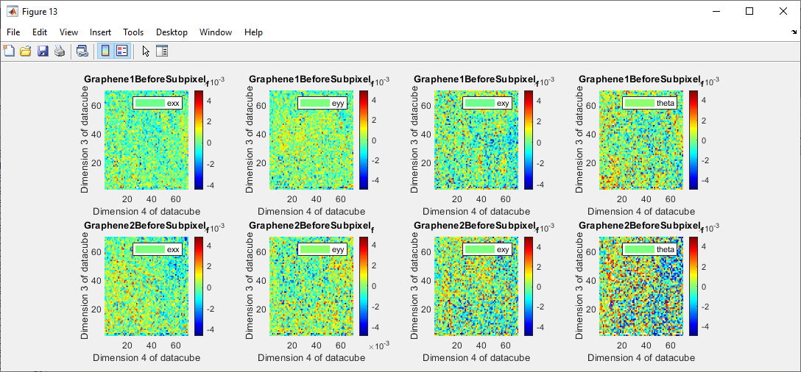
 |  |  |  | From before the decompression. Scaling is a little bit different, but all the conclusions remain the same.

