Sheet1
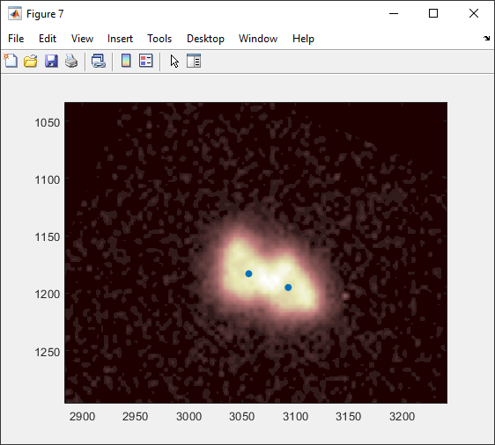
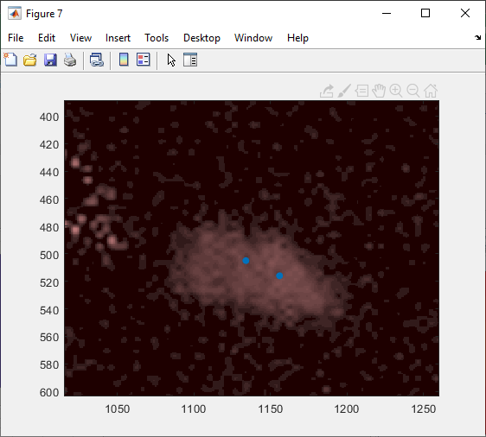
08162019WorkWithTriangularDataset.xlsx
Nathanael Kazmierczak

Initial attempt at drawing synthetic kernels does not appear to have worked very well:

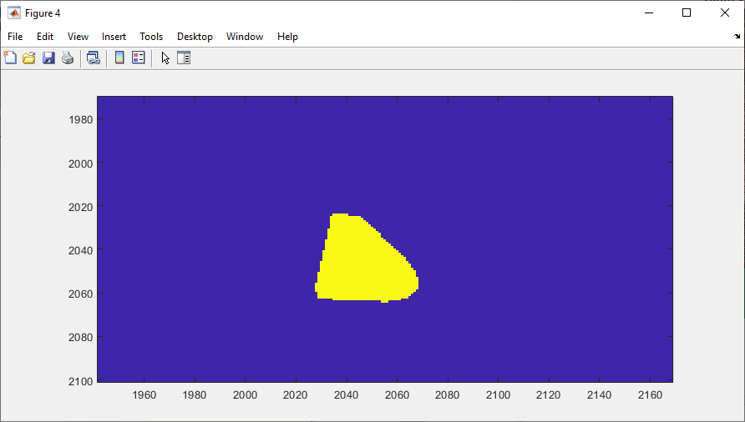
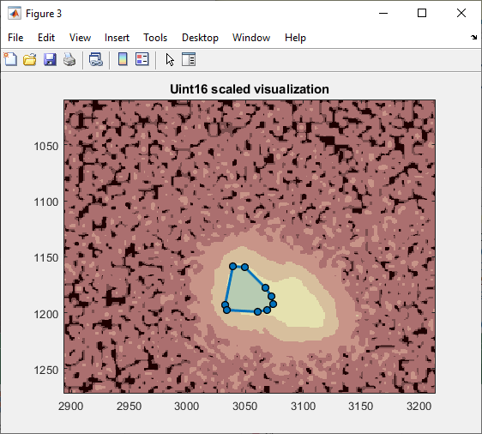
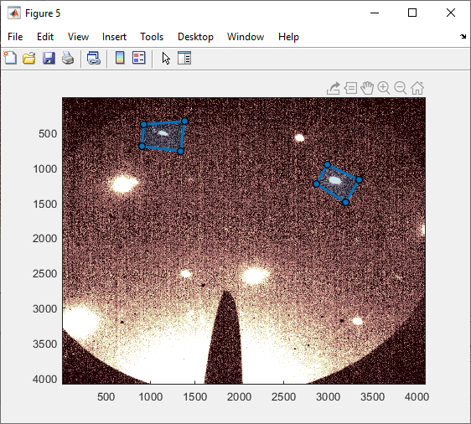
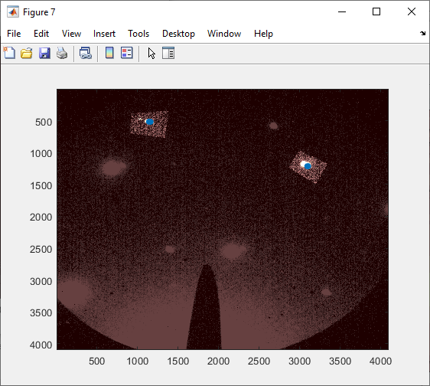

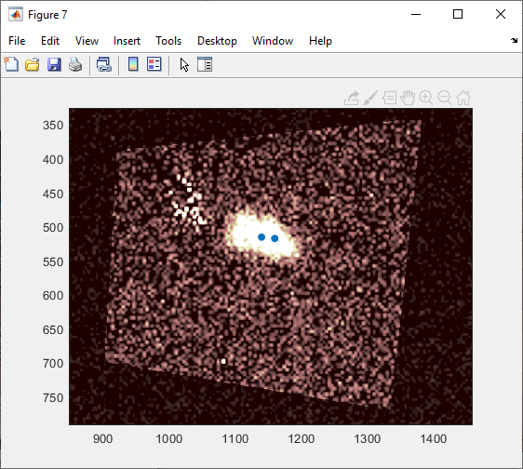
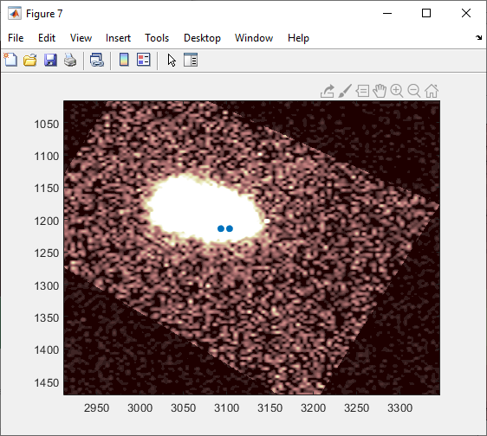
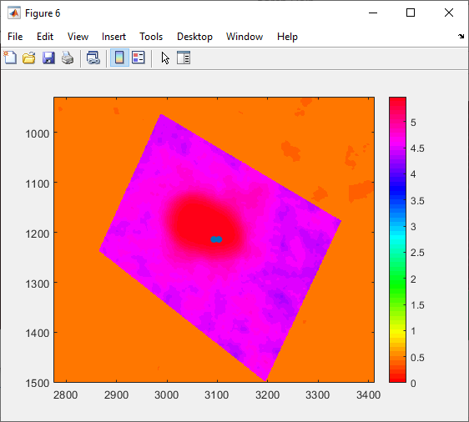
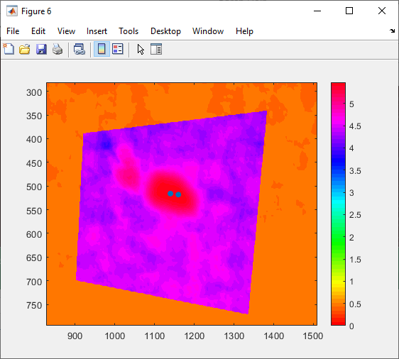

 | need to get better resolution on the convolution maps to really see what's going on.

 | Plotting the raw convolution map instead of the log one again reveals a pretty blobby thing at the top
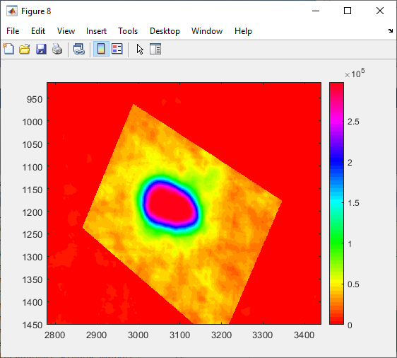
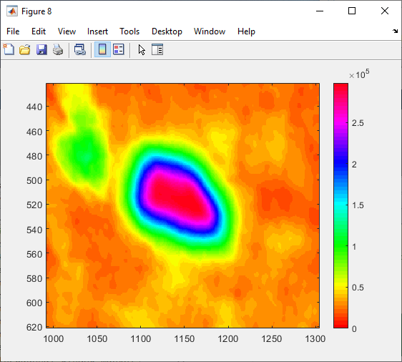

 | Thought: let's not use the flat kernel, but allow the pixels to be present. I'm defining the kernel in the lower right hand region:
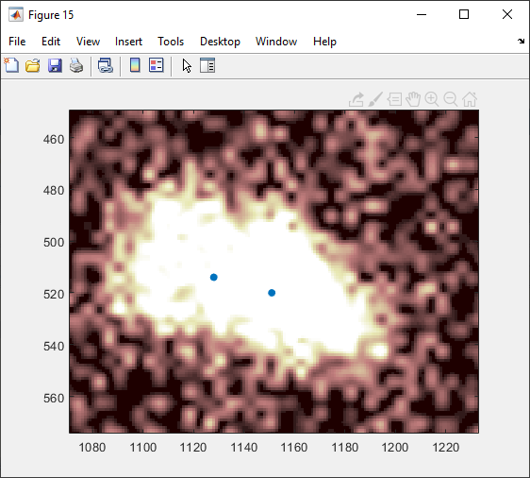
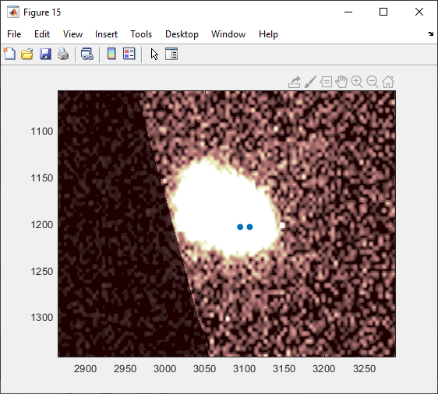

 | Interestingly, the pattern that we did not use to define the kernel is actually resolving okay it seems. The other, not so much.

 | From the left hand side: |  | From the right hand side:
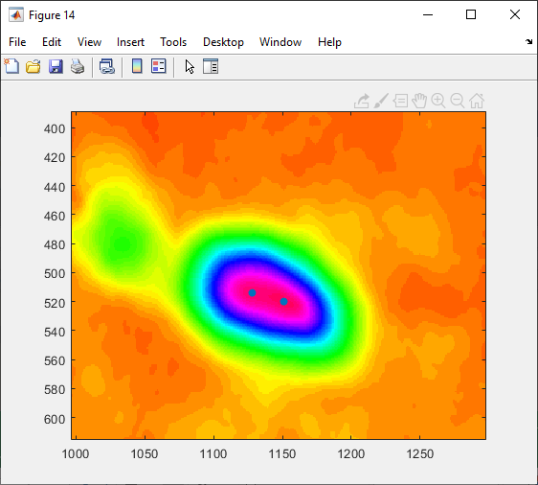
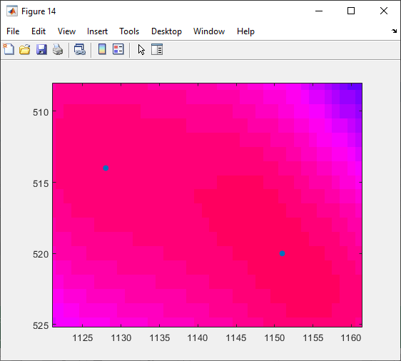

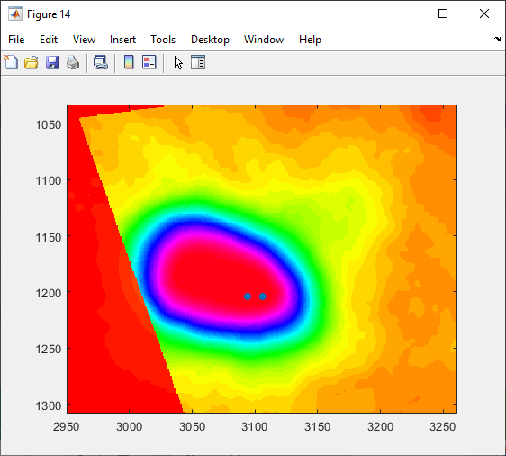
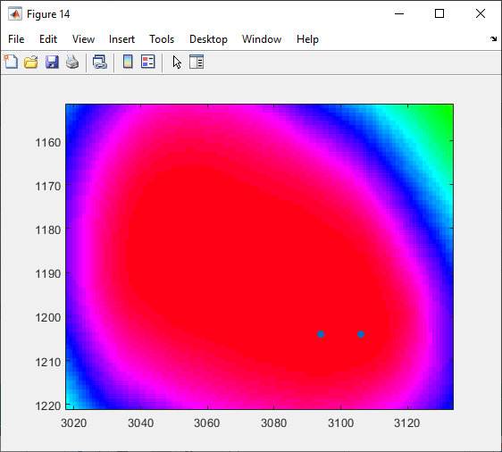

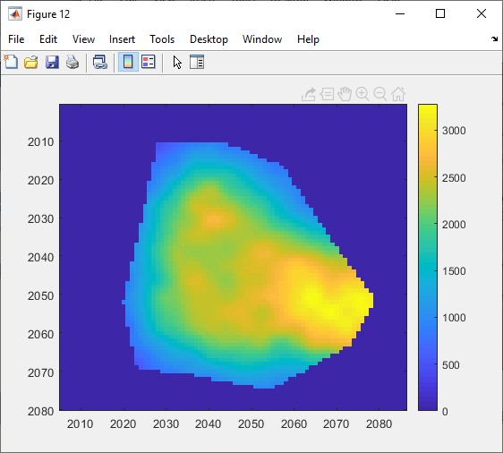
 | Info on how stuff was defined:
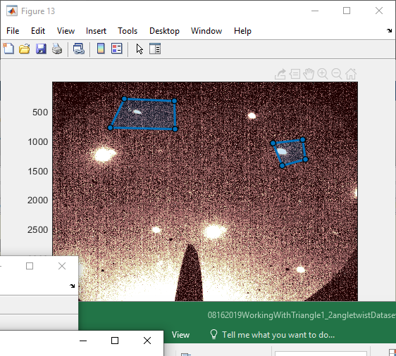
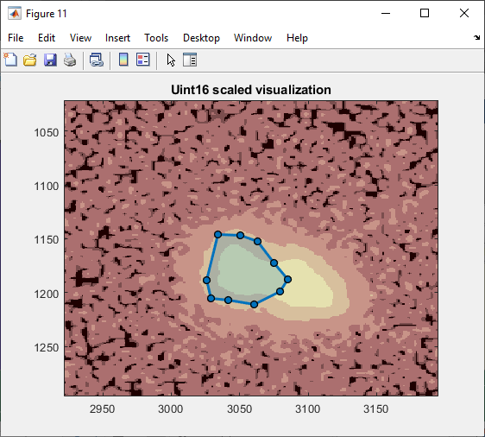

 | It appears that there is some possibility of using boundarymask kernels, like Maddie was suggesting, give the way intensity seems to increase in the middle.
 | Let's try a boundarymask flat kernel.
 | Also after that should try it without the upsampling.

 | Boundary mask flat kernels do seem to have helped a little bit:
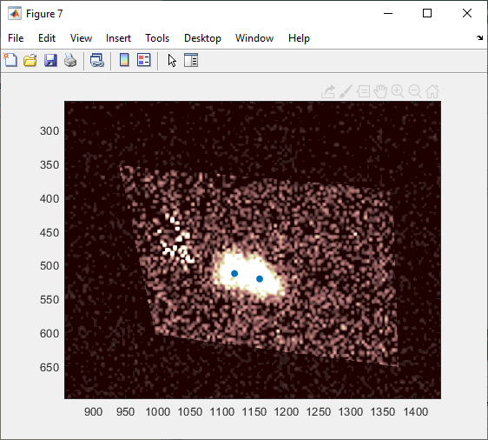
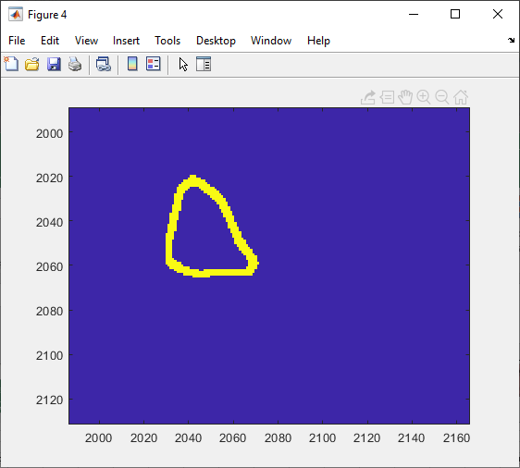
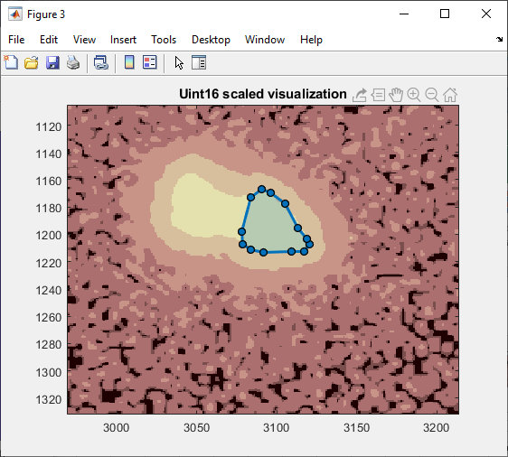

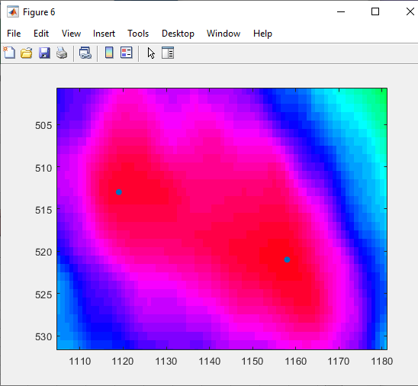
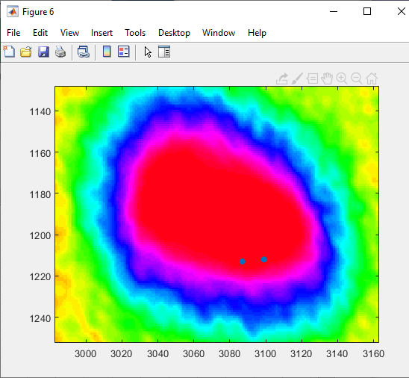

 | Let's see if adjusted the minimum distance helps resolve the bottom right.
 | Use essentially a gamma for the image too.

 | Setting gamma all the way up to 30 has not shown any structure, and indeed the plot (post gamma) keeps on telling use that it is the same throughout the indicated region.
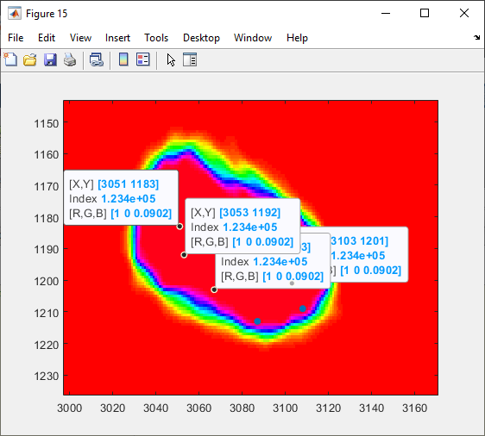

 | Frankly that's kind of hard to believe.

 | Plotting the smoothed data
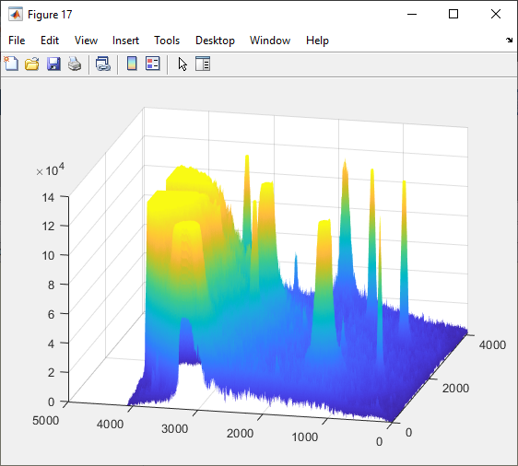

 | Why is the correlation map peaking out?

 | I found the problem: the following line in BraggDiskRegistration….
 | corr = xcorr2(double(uint8(DP)),double(probe_kernel));
 | Took out the uint8 compression (which was maybe originally just so that I could see things better) so that it now reads
 | corr = xcorr2(double(DP),double(probe_kernel));

 | Should probably re-run the other strain maps too with the uncompressed settings.
 | In progress; see 08162019NewStrainMapsAfterDecompression.xlsx
 | For pixel maximum detection, it does not matter. I got the same strain map both with and without the uint8 compression. (If the conversion is via truncation, this might just arise from the fact that there is no truncation?)

 | Applying a flat polygon boundary-hollow kernel with thickness 3 seems to give reasonable disk registration.

 | Original polygon drawing: | Constructed kernel:
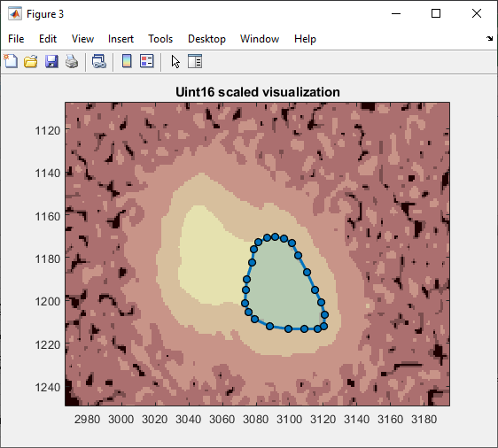
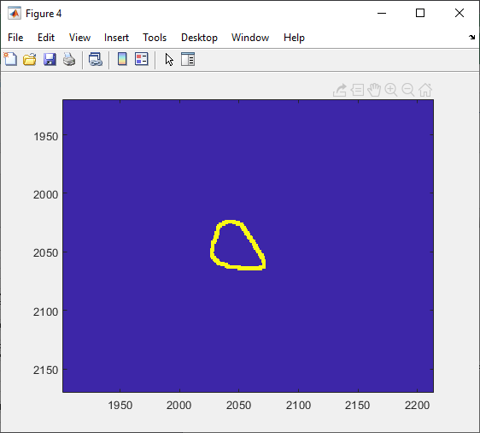


 | Region 1 (right) where polygon was drawn:
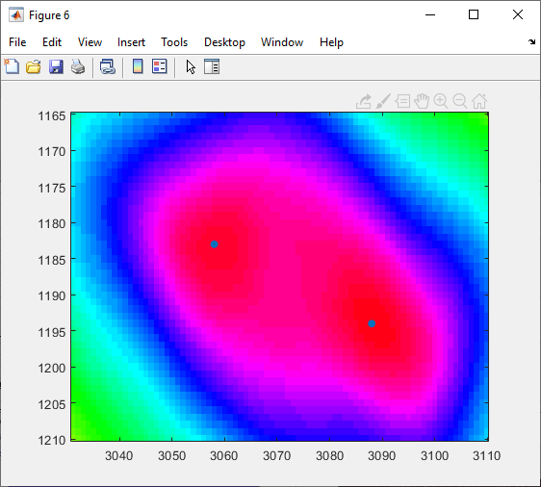
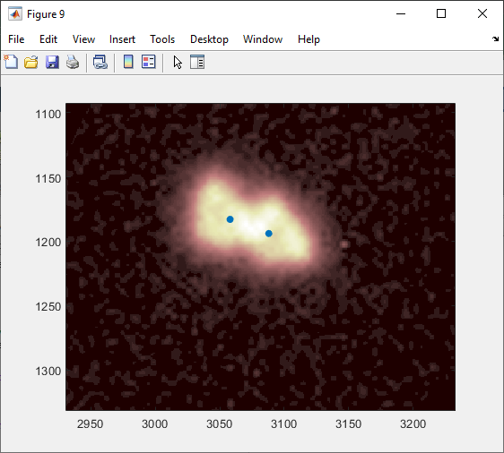
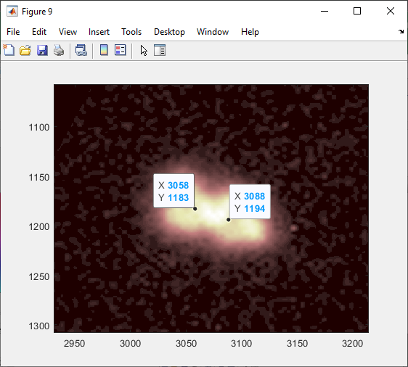

 | Region 2 (left) with much loewr intensity (tilting?):
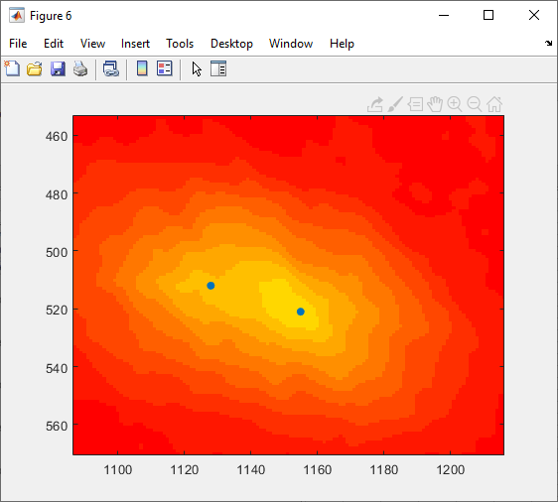
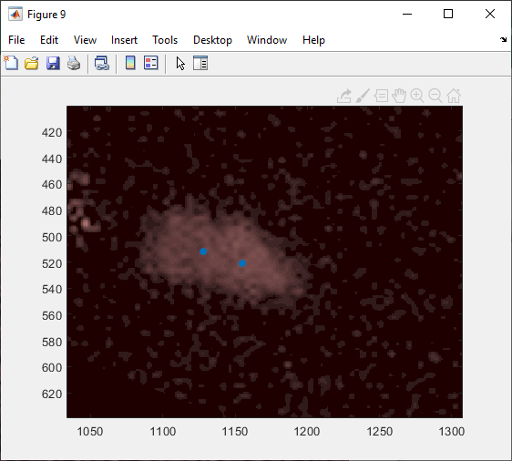
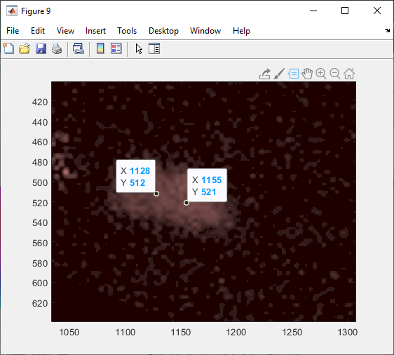

 | Recall for both of the above that the min distance between the maxima was 20 pixels, so we are above that in the registration. Actually reasonably consistent between the different DPs.

 | Try again where the figure when we draw the mask is uint16 with no power scaling:
 | Not as good results., I drew the kernel on the upper rather than the lower triangle, which may have hurt:
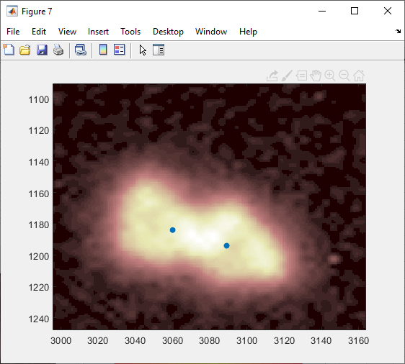
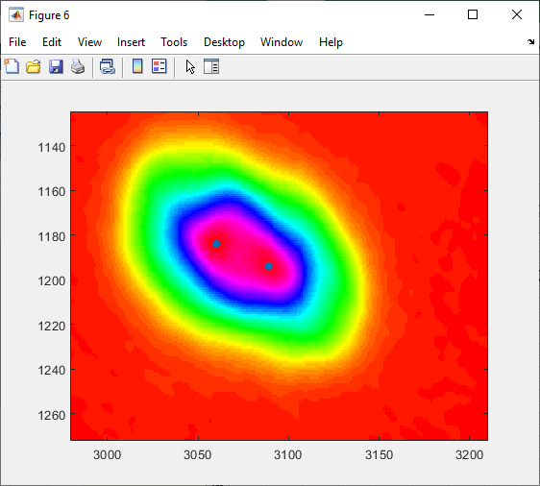

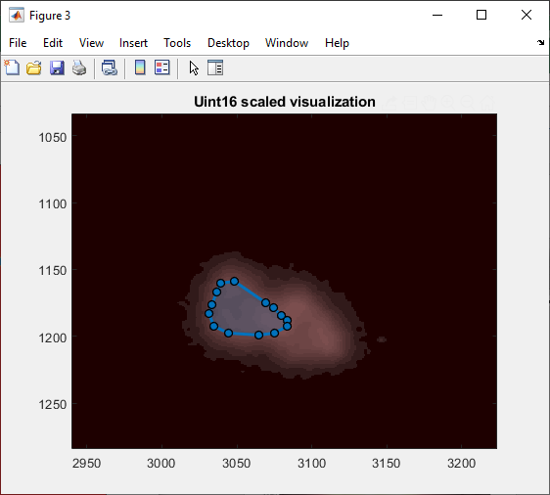

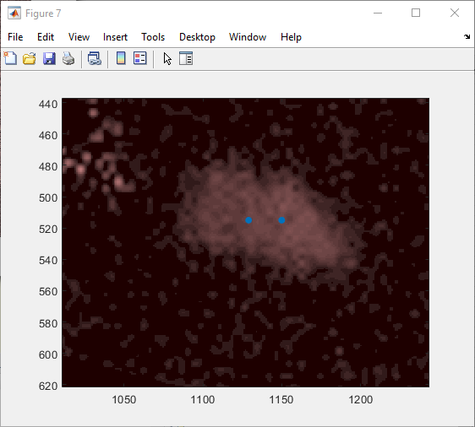
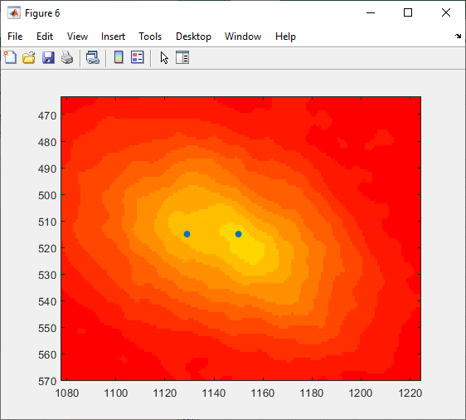

 | Now try again, drawing the kernel on the other set of triangles (will have to scale the image to be able to see them I think).

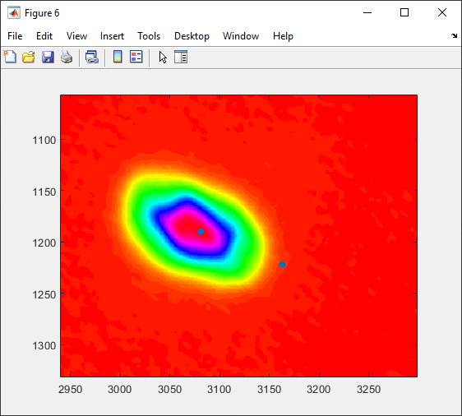
 | Failed pretty miserably on the right peak, but the left one was fairly good.
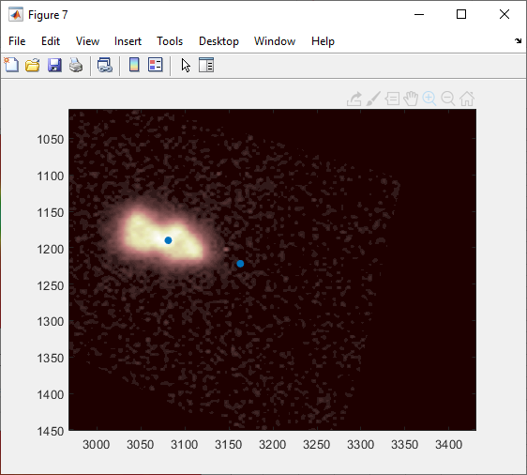

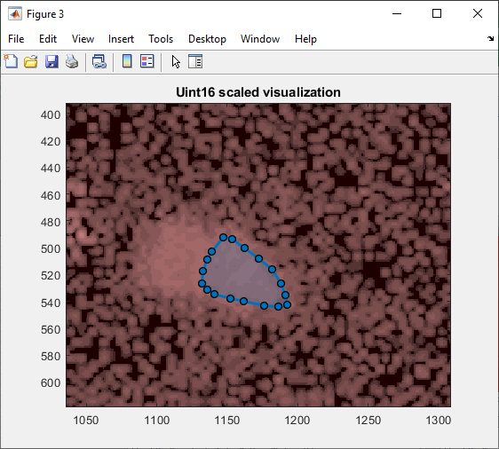

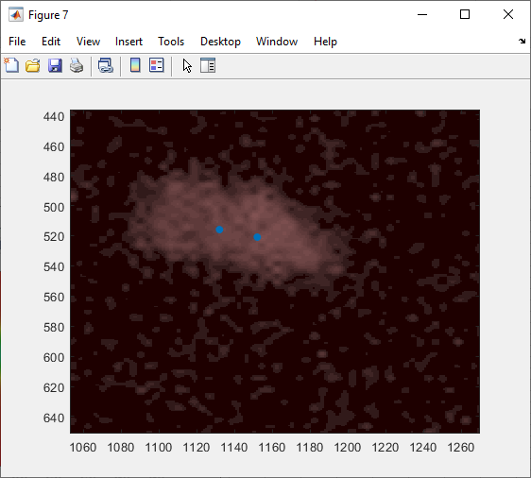
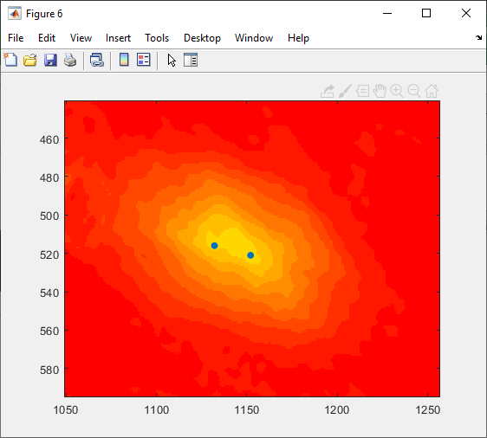

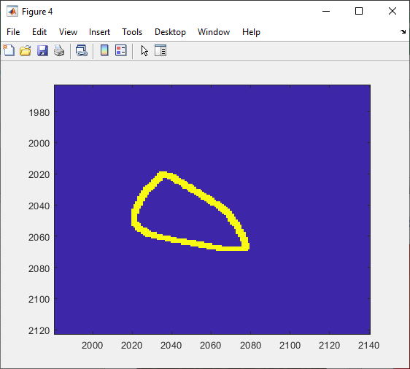

Now remove the whole bit about the boundary and just do a flat kernel drawn on the right triangles, supposing that the uint8 compression may have been the issure before.
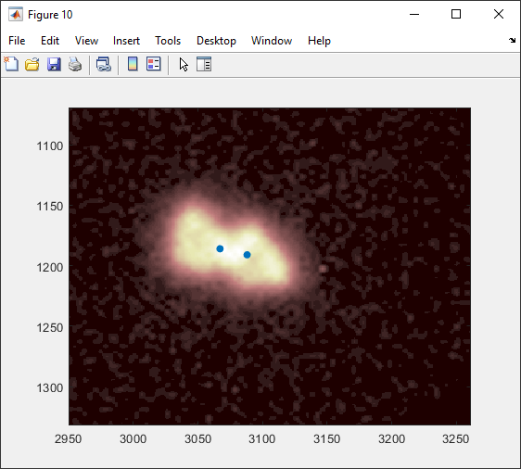
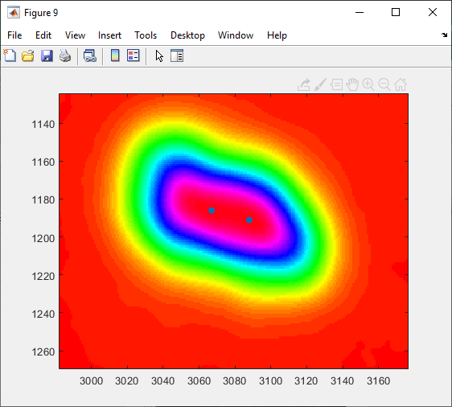

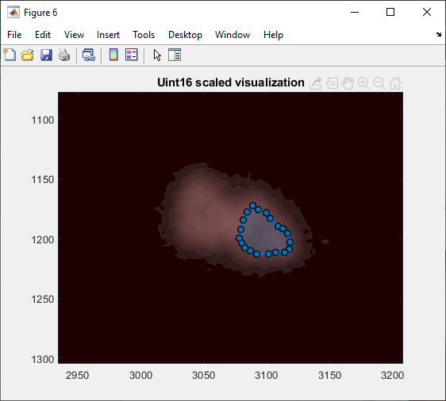







So it seems like boundary mask, drawing the kernel on the bottom triangle from the right on uint16 visualization is all around the best.
Let's try a boundary thickness of 1:

