Equipment list
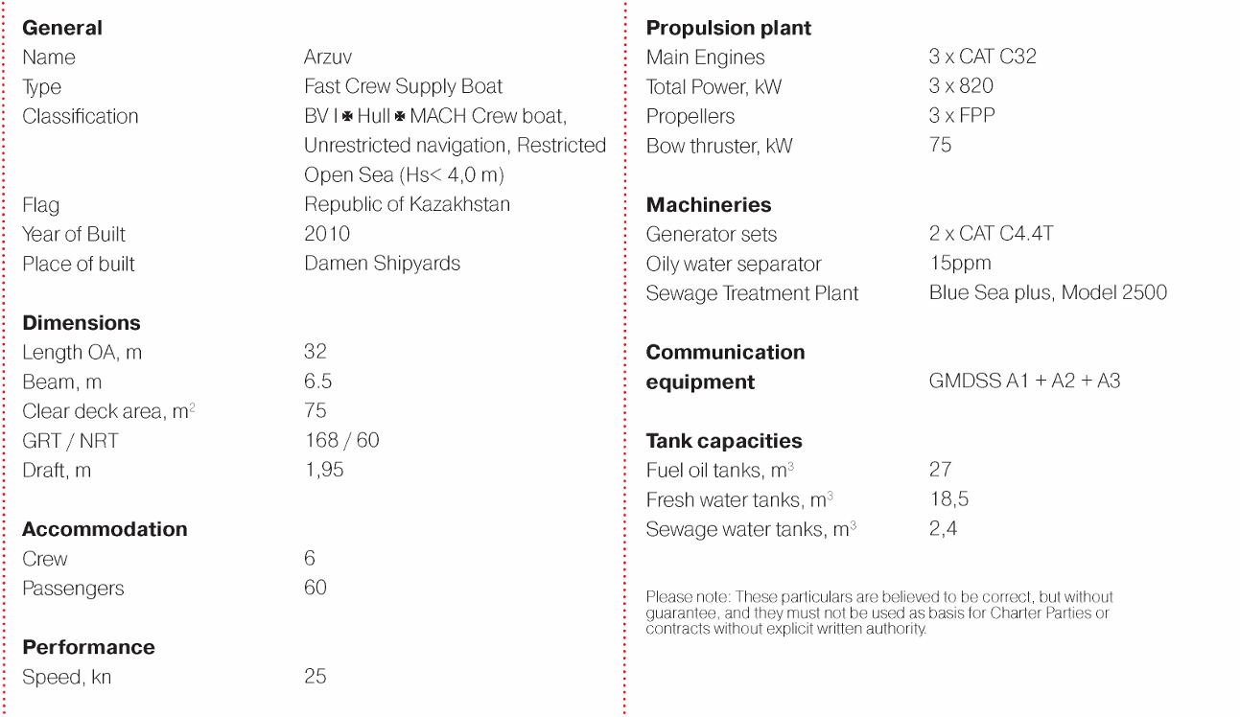
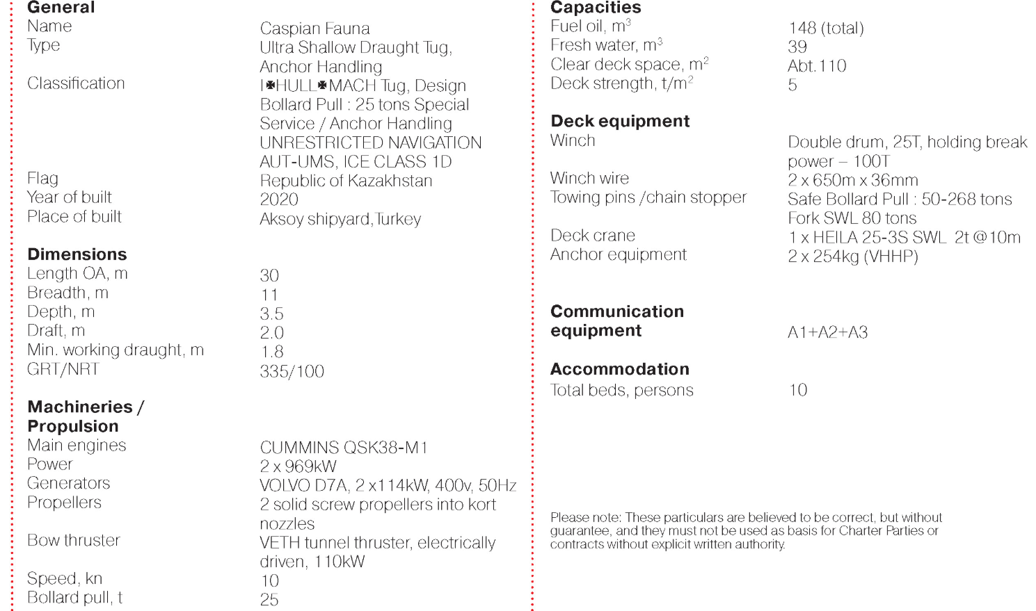
Vessel | Type of location | Number of room | Equipment type | Equipment model | Serial number | Validity of certificate | Actual runhour | Last maintanance performance
 |  |  |  |  |  |  |  | Maintanance 1 |  |  | Maintanance 2 |  |  | Maintanance 3 |  |  |  |  | Maintanance 4 |  | Maintanance 5 |  | Maintanance 6
 |  |  |  |  |  |  |  | h | date | Order? | h | date | Order? | h | date | Order by h? | Order by t? | Order? | h | date | h | date | h | date
ARZUV | Engine room | 1 | engine | SF40TA | 6183993 | 2029-10-01 | 9000 | 8900 | 2025-05-10 | 1 | 8300 | 2025-04-15 | 1 | 5400 | 2024-03-03 | 1 | 0 | 0
ARZUV | Engine room | 2 | engine | SF40TA | 6183994 | 2029-10-01 | 9100 | 8900 | 2025-05-10 | 1 | 8400 | 2025-04-15 | 1 | 5400 | 2024-03-05 | 1 | 1 | 1
ARZUV | Engine room | 1 | gearbox | R-500 | 96194371 | 2030-12-01 | 9000 | 5400 | 2024-06-19
ARZUV | Engine room | 2 | gearbox | R-500 | 96194372 | 2030-12-01 | 9100 | 5400 | 2024-06-19
ARZUV | Engine room | 1 | CLUTCH | E-360 | 45653708 | 2029-10-01 | 9000 | 8900 | 2024-06-19
ARZUV | Engine room | 2 | CLUTCH | E-360 | 45653709 | 2029-10-01 | 9100 | 8900 | 2024-06-19
ARZUV | Engine room | 1 | genset | C4.4T | 35550366 |  | 3000 | 2700 | 2024-01-14 |  | 2000 | 2024-01-14
ARZUV | Engine room | 2 | Sewage treatment | Model 2500 | 25222980 | 2027-03-01 |  |  | 2025-05-08
ARZUV | Communication Room | 1 | GMDSS | FM-8900S | 80026465 | 2026-07-01

 |  |  |  |  |  |  |  |  |  |  |  |  |  |  | 2025-05-28 |  |  | 2025-05-27 | 1900-01-01
 |  |  |  |  |  |  |  |  |  |  |  |  |  |  | 2024-03-04

