Sheet1
 |  |  |  |  | Merge |  | Rebase

 |  |  |  | Testing
commitid |  |  |  | c4
 |  |  |  | c0
 |  |  |  | c1
 |  |  |  | c2
 |  |  |  | c4
commitid | c0 | c1 | c2 | c3
content | c0 | co | c0 | c0
 |  | c1 | c1 | c1
 |  |  | c2 | c2
 |  |  |  | c3

 |  | Now when you do git merge the testing into master you will get a conflict |  |  |  | Now let's do a git rebase, make sure you on testing branch and run git rebase mastergit ch
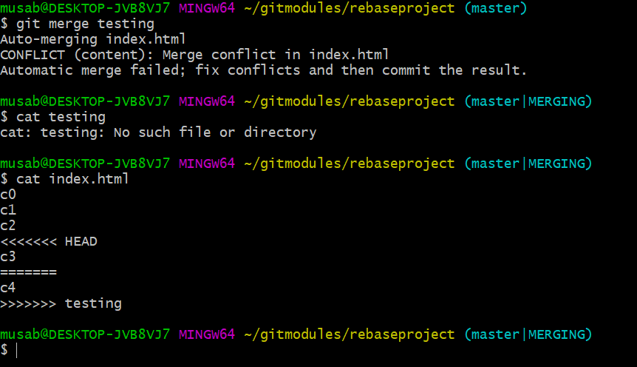

 |  |  |  | after merging

 |  |  |  | Final Log after the merge

 |  |  |  | after deleting the testing branch

 |  |  |  |  |  | very important
 |  |  |  |  |  | difference

 |  |  |  | now you have deleted the branch testing and run the command again

