panel
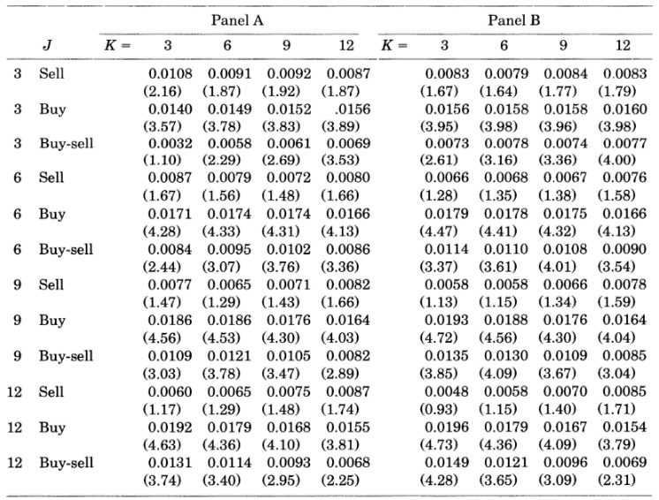
NYSE & AMEX 1965~1989
A |  |  |  |  | B |  |  |  |  | NYSE & AMEX 1965~1989
J | K | remark | mean | t_stat | J | K | remark | mean | t_stat |  |  | Panel A |  |  |  | Panel B
3 | 3 | loser | 0.0108 | 2.16 | 3 | 3 | loser | 0.0083 | 1.67 | J= | K= | 3 | 6 | 9 | 12 | 3 | 6 | 9 | 12
3 | 3 | winner | 0.014 | 3.57 | 3 | 3 | winner | 0.0156 | 3.95 | 3 | loser | 1.08% | 0.91% | 0.92% | 0.87% | 0.83% | 0.79% | 0.84% | 0.83%
3 | 3 | winner - loser | 0.0032 | 1.1 | 3 | 3 | winner - loser | 0.0074 | 2.61 |  |  | 2.16 | 1.87 | 1.91 | 1.87 | 1.67 | 1.64 | 1.77 | 1.67
3 | 6 | loser | 0.0091 | 1.87 | 3 | 6 | loser | 0.0079 | 1.64 |  | winner | 1.40% | 1.49% | 1.52% | 1.56% | 1.56% | 1.58% | 1.58% | 1.60%
3 | 6 | winner | 0.0149 | 3.78 | 3 | 6 | winner | 0.0158 | 3.98 |  |  | 3.57 | 3.78 | 3.83 | 3.89 | 3.95 | 3.98 | 3.96 | 3.87
3 | 6 | winner - loser | 0.0058 | 2.29 | 3 | 6 | winner - loser | 0.008 | 3.06 |  | winner - loser | 0.32% | 0.58% | 0.61% | 0.69% | 0.74% | 0.80% | 0.74% | 0.77%
3 | 9 | loser | 0.0092 | 1.91 | 3 | 9 | loser | 0.0084 | 1.77 |  |  | 1.1 | 3.78 | 2.69 | 3.53 | 2.61 | 3.06 | 3.07 | 4
3 | 9 | winner | 0.0152 | 3.83 | 3 | 9 | winner | 0.0158 | 3.96 | 6 | loser | 0.87% | 0.79% | 0.72% | 0.66% | 0.66% | 0.65% | 0.71% | 0.68%
3 | 9 | winner - loser | 0.0061 | 2.69 | 3 | 9 | winner - loser | 0.0074 | 3.07 |  |  | 1.67 | 1.56 | 1.48 | 1.66 | 1.28 | 1.35 | 1.37 | 1.58
3 | 12 | loser | 0.0087 | 1.87 | 3 | 12 | loser | 0.0083 | 1.67 |  | winner | 1.71% | 1.74% | 1.74% | 1.66% | 1.77% | 1.76% | 1.71% | 1.63%
3 | 12 | winner | 0.0156 | 3.89 | 3 | 12 | winner | 0.016 | 3.87 |  |  | 4.28 | 4.33 | 4.31 | 4.13 | 4.47 | 4.41 | 4.32 | 4.13
3 | 12 | winner - loser | 0.0069 | 3.53 | 3 | 12 | winner - loser | 0.0077 | 4 |  | winner - loser | 0.84% | 0.95% | 1.02% | 0.86% | 1.11% | 1.11% | 1.00% | 0.90%
6 | 3 | loser | 0.0087 | 1.67 | 6 | 3 | loser | 0.0066 | 1.28 |  |  | 2.44 | 3.07 | 3.76 | 3.36 | 3.37 | 3.61 | 3.41 | 3.54
6 | 3 | winner | 0.0171 | 4.28 | 6 | 3 | winner | 0.0177 | 4.47 | 9 | loser | 0.77% | 0.65% | 0.71% | 0.61% | 0.58% | 0.58% | 0.54% | 0.53%
6 | 3 | winner - loser | 0.0084 | 2.44 | 6 | 3 | winner - loser | 0.0111 | 3.37 |  |  | 1.47 | 1.29 | 1.43 | 1.66 | 1.13 | 1.15 | 1.14 | 1.26
6 | 6 | loser | 0.0079 | 1.56 | 6 | 6 | loser | 0.0065 | 1.35 |  | winner | 1.86% | 1.86% | 1.76% | 1.64% | 1.72% | 1.71% | 1.61% | 1.50%
6 | 6 | winner | 0.0174 | 4.33 | 6 | 6 | winner | 0.0176 | 4.41 |  |  | 4.56 | 4.53 | 4.3 | 3.97 | 4.72 | 4.64 | 4.49 | 4.2
6 | 6 | winner - loser | 0.0095 | 3.07 | 6 | 6 | winner - loser | 0.0111 | 3.61 |  | winner - loser | 1.09% | 1.21% | 1.05% | 0.92% | 1.14% | 1.13% | 1.06% | 0.97%
6 | 9 | loser | 0.0072 | 1.48 | 6 | 9 | loser | 0.0071 | 1.37 |  |  | 3.03 | 3.78 | 3.47 | 2.89 | 3.4 | 3.79 | 3.6 | 3.39
6 | 9 | winner | 0.0174 | 4.31 | 6 | 9 | winner | 0.0171 | 4.32 | 12 | loser | 0.60% | 0.65% | 0.75% | 0.87% | 0.48% | 0.52% | 0.54% | 0.60%
6 | 9 | winner - loser | 0.0102 | 3.76 | 6 | 9 | winner - loser | 0.01 | 3.41 |  |  | 1.17 | 1.29 | 1.48 | 1.74 | 0.96 | 1.07 | 1.13 | 1.36
6 | 12 | loser | 0.0066 | 1.66 | 6 | 12 | loser | 0.0068 | 1.58 |  | winner | 1.92% | 1.79% | 1.68% | 1.55% | 1.96% | 1.79% | 1.77% | 1.54%
6 | 12 | winner | 0.0166 | 4.13 | 6 | 12 | winner | 0.0163 | 4.13 |  |  | 4.63 | 4.36 | 4.1 | 3.81 | 4.73 | 4.36 | 4.28 | 3.79
6 | 12 | winner - loser | 0.0086 | 3.36 | 6 | 12 | winner - loser | 0.009 | 3.54 |  | winner - loser | 1.31% | 1.14% | 0.93% | 0.68% | 1.49% | 1.21% | 0.96% | 0.94%
9 | 3 | loser | 0.0077 | 1.47 | 9 | 3 | loser | 0.0058 | 1.13 |  |  | 3.74 | 3.4 | 2.95 | 2.25 | 4.28 | 3.65 | 3.09 | 2.31
9 | 3 | winner | 0.0186 | 4.56 | 9 | 3 | winner | 0.0172 | 4.72
9 | 3 | winner - loser | 0.0109 | 3.03 | 9 | 3 | winner - loser | 0.0114 | 3.4 | 0.0048 | 0.96 |  | 0.0048 | 0.0052 | 0.0054 | 0.006
9 | 6 | loser | 0.0065 | 1.29 | 9 | 6 | loser | 0.0058 | 1.15 | 0.0196 | 4.73 |  | 0.96 | 1.07 | 1.13 | 1.36
9 | 6 | winner | 0.0186 | 4.53 | 9 | 6 | winner | 0.0171 | 4.64 | 0.0149 | 4.28 |  | 0.0196 | 0.0179 | 0.0177 | 0.0154
9 | 6 | winner - loser | 0.0121 | 3.78 | 9 | 6 | winner - loser | 0.0113 | 3.79 | 0.0052 | 1.07 |  | 4.73 | 4.36 | 4.28 | 3.79
9 | 9 | loser | 0.0071 | 1.43 | 9 | 9 | loser | 0.0054 | 1.14 | 0.0179 | 4.36 |  | 0.0149 | 0.0121 | 0.0096 | 0.0094
9 | 9 | winner | 0.0176 | 4.3 | 9 | 9 | winner | 0.0161 | 4.49 | 0.0121 | 3.65 |  | 4.28 | 3.65 | 3.09 | 2.31
9 | 9 | winner - loser | 0.0105 | 3.47 | 9 | 9 | winner - loser | 0.0106 | 3.6 | 0.0054 | 1.13
9 | 12 | loser | 0.0061 | 1.66 | 9 | 12 | loser | 0.0053 | 1.26 | 0.0177 | 4.28
9 | 12 | winner | 0.0164 | 3.97 | 9 | 12 | winner | 0.015 | 4.2 | 0.0096 | 3.09
9 | 12 | winner - loser | 0.0092 | 2.89 | 9 | 12 | winner - loser | 0.0097 | 3.39 | 0.006 | 1.36
12 | 3 | loser | 0.006 | 1.17 | 12 | 3 | loser | 0.0048 | 0.96 | 0.0154 | 3.79
12 | 3 | winner | 0.0192 | 4.63 | 12 | 3 | winner | 0.0196 | 4.73 | 0.0094 | 2.31
12 | 3 | winner - loser | 0.0131 | 3.74 | 12 | 3 | winner - loser | 0.0149 | 4.28
12 | 6 | loser | 0.0065 | 1.29 | 12 | 6 | loser | 0.0052 | 1.07
12 | 6 | winner | 0.0179 | 4.36 | 12 | 6 | winner | 0.0179 | 4.36
12 | 6 | winner - loser | 0.0114 | 3.4 | 12 | 6 | winner - loser | 0.0121 | 3.65
12 | 9 | loser | 0.0075 | 1.48 | 12 | 9 | loser | 0.0054 | 1.13
12 | 9 | winner | 0.0168 | 4.1 | 12 | 9 | winner | 0.0177 | 4.28
12 | 9 | winner - loser | 0.0093 | 2.95 | 12 | 9 | winner - loser | 0.0096 | 3.09
12 | 12 | loser | 0.0087 | 1.74 | 12 | 12 | loser | 0.006 | 1.36
12 | 12 | winner | 0.0155 | 3.81 | 12 | 12 | winner | 0.0154 | 3.79
12 | 12 | winner - loser | 0.0068 | 2.25 | 12 | 12 | winner - loser | 0.0094 | 2.31

