Level 3_legacy
Class Series |  |  | Class Series Student |  |  | Class Session |  |  | Session Participation

Level 3 Physical Data Model — Class Series |  |  | Level 3 Physical Data Model — Class Series Student |  |  | Level 3 Physical Data Model — Class Session |  |  | Level 3 Physical Data Model — Class Session
Design Area | Decision | Reasoning | Design Area | Decision |  | Physical table | ClassSession |  | Physical table | ClassSession
Physical table | classSeries | Class Series is a persistent business entity | Physical table | classSeriesStudent |  | System identifier | Convex _id |  | System identifier | Convex _id
System identifier | Convex _id | Convex generates it; no separate classSeriesId field needed | System identifier | Convex _id |  | classSeriesId | v.id("classSeries") — Required |  | studentId | v.id("student")-Required
coachId | v.id("coaches") — Required | Coach is part of Class Series business identity | classSeriesID | v.id("classSeries")-Required |  | sessionSequenceNumber | number — Required |  | classSessionId | v.id("classSession")-Required
sportId | v.id("sports") — Required | Sport is part of Class Series business identity | studentID | v.id("student")-Required |  | status | controlled: planned / completed / cancelled — Required |  | attendanceStatus | controlled: unknown/attended/absent— Required
status | controlled values: active / inactive — Required | Represents Series lifecycle; avoid unrestricted strings |  |  |  | scheduledDate | date representation e.g. "2026-10-06" — Required |  | studentSequenceNumber | number — Optional
usualDayOfWeek | controlled weekday — Optional | Schedule does not define Series identity; a Series can exist without fixed schedule | Query Pattern-Index |  |  | scheduledStartTime | time e.g. "17:00" — Optional
usualStartTime | time representation, e.g. "17:00" — Optional | Same reason | Product question | Physical query | Index | scheduledEndTime | time e.g. "18:00" — Optional
usualEndTime | time representation, e.g. "18:00" — Optional | Same reason | What class series does a student attend | studentID | by_studentID
Student membership | Not stored directly | Represented through ClassSeriesStudent associative entity | who (students) go to a certain class series? | classSeriesID | by_classSeriesID
coachName | Not stored | Derive through coachId → Coach |  |  |  | Query Pattern-Index |  |  | Query Pattern-Index
sportName | Not stored | Derive through sportId → Sport |  |  |  | Product question | Physical query | Index | Product question | Physical query | Index
studentCount | Not stored | Derive from ClassSeriesStudent records |  |  |  | How many clases totally conducted for this class series? | classSeriesID,sessionSequenceNumber | by sessionSequenceNumber_classSeriesID | Who participated/attended in a particular Session? | classSessionId + attendanceStatus | by_session_attendance
classType (1:1, 1:2…) | Not stored | Derive from student membership count |  |  |  | student attendance of a certain class session? ->. Essentially Session Participation | query Session Participation, not classSession | sessionParticipation.by_studentSessionSequenceNumber | What Sessions has a Student participated in? | studentId | by_student
 |  |  |  |  |  |  |  |  | How many Sessions has Student attended within a Sport / what is next studentSequenceNumber? | TBD: need Student + Sport + latest sequence | TBD — normalization vs denormalization decision
One assumption we’ve intentionally accepted for Stage 2 is that usualDayOfWeek/start/end represents one usual recurring time. We aren’t building a multi-slot recurring scheduling model yet because Stage 2 doesn’t have calendar/booking functionality.

Query Pattern-Index
Product question | Physical query | Index
What active Class Series does Tom teach across all sports? | coachId + status | by_coach_status |  |  |  | Class Review |  |  | Class Plan
What active Tennis/Ski Class Series does Tom teach? | coachId + sportId + status | by_coach_sport_status
What Class Series is Harper in? | Query ClassSeriesStudent, not ClassSeries | ClassSeriesStudent.by_student |  |  |  | Level 3 Physical Data Model — Class Session |  |  | Level 3 Physical Data Model — Class Session
 |  |  |  |  |  | Physical table | ClassSession |  | Physical table | ClassSession
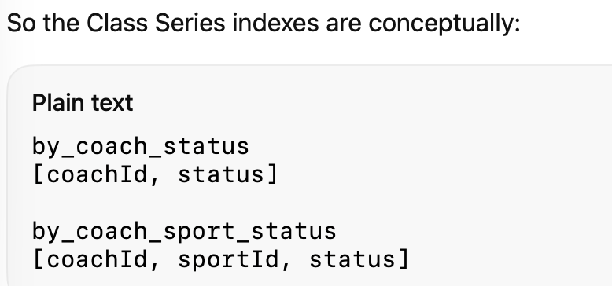
 |  |  |  |  |  | System identifier | Convex _id |  | System identifier | Convex _id
 |  |  |  |  |  | classSessionId | v.id("classSession") — Required | at this point a class session date (required) depend on a coach to either have a class plan or write a class review to log | classSessionId | v.id("classSession") — Required

 |  |  |  |  |  | studentId | v.id("student")-Required |  | status | optional
 |  |  |  |  |  | status | optional |  | classGoal | text — optional
 |  |  |  |  |  | reviewContent | text — optional |  | classDrills | text — optional
 |  |  |  |  |  |  |  |  | scheduled Date | date-Optional

 |  |  |  |  |  | Query Pattern-Index |  |  | Query Pattern-Index
 |  |  |  |  |  | Product question | Physical query | Index | Product question | Physical query | Index
 |  |  |  |  |  | Pull out all the historical class reviews for a student | studentId, classSessionId | by studnetId_classSessionId | Pull out the needed class plan | classSessionId | byclassSessionId
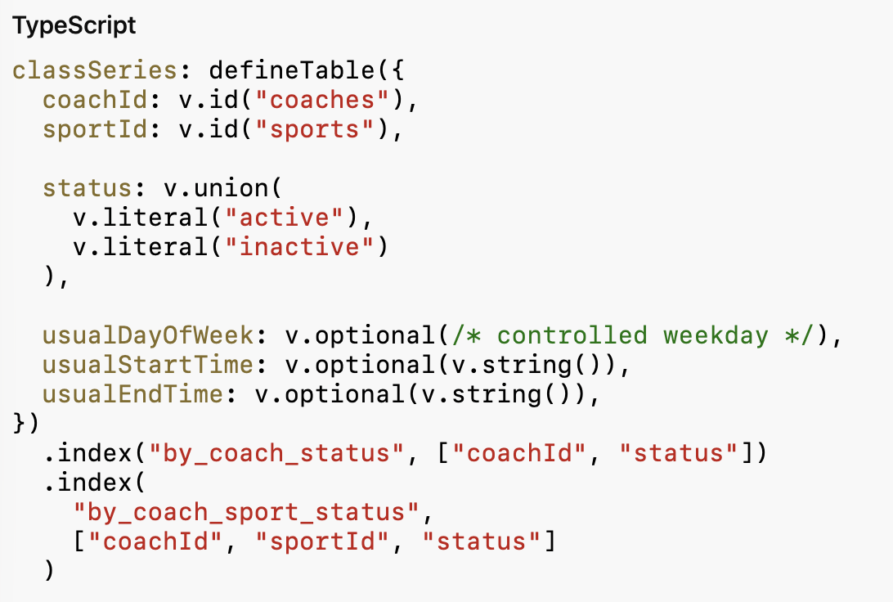
 |  |  |  |  |  | pull out the most recent class review for a student | TBD Physical Query Design | by studentId_scheduledDate

 |  |  |  |  |  | Media Asset

 |  |  |  |  |  | Level 3 Physical Data Model — Class Session
 |  |  |  |  |  | Physical table | ClassSession
 |  |  |  |  |  | System identifier | Convex _id
 |  |  |  |  |  | classSessionId | v.id("classSession") — Required
 |  |  |  |  |  | sessionParticipationId | v.id("sessionParticipation") — Required

 |  |  |  |  |  | type | controlled: video/photo-Optional | 可以系统自动识别吗？
 |  |  |  |  |  | description | text — Optional

 |  |  |  |  |  | Query Pattern-Index
 |  |  |  |  |  | Product question | Physical query | Index
 |  |  |  |  |  | Pull out video/photo for a student | studentId, type | by studnetId, type
 |  |  |  |  |  | Pull out assets by class series | classSeriesId | by classSeriesId

note:
1. home page need to adjust: not only write plan, write class review, also view class plan
2. Write class review workflow: need to add session date

Learning note:
1. index: sequence of the index also matters

