Sheet1
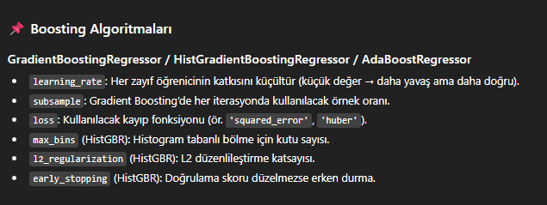
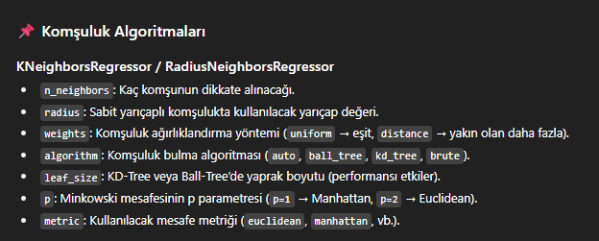
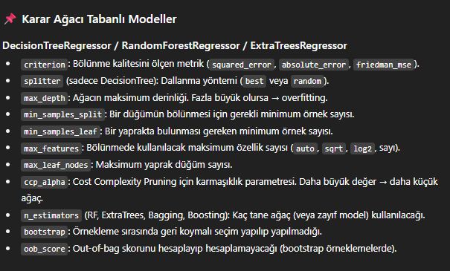
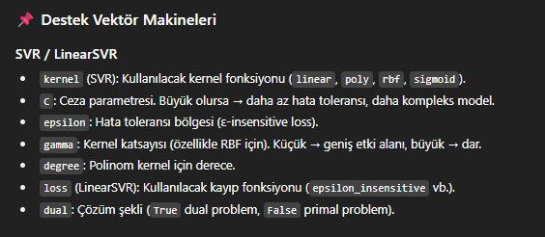
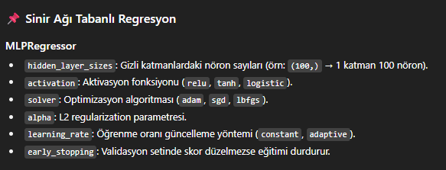
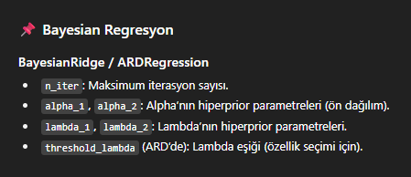
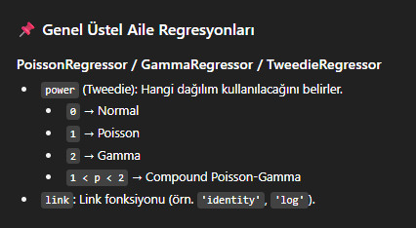
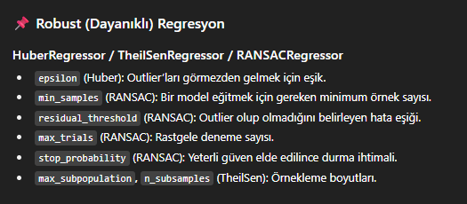
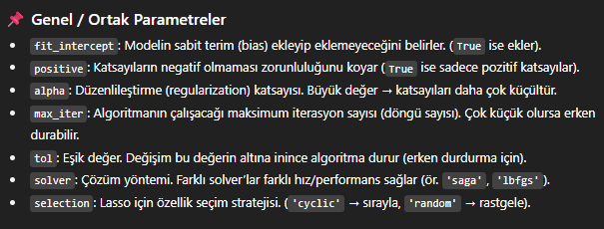
Model | Hiperparametreler | Açıklama
LinearRegression | fit_intercept, positive | Temel doğrusal regresyon, az parametre
Ridge | alpha, solver, max_iter | L2 düzenlileştirme
Lasso | alpha, max_iter, tol, selection | L1 düzenlileştirme (özellik seçimi)
ElasticNet | alpha, l1_ratio, max_iter, tol | L1 + L2 birlikte
SGDRegressor | loss, penalty, alpha, l1_ratio, learning_rate, eta0, max_iter | Büyük veri için online öğrenme
DecisionTreeRegressor | criterion, splitter, max_depth, min_samples_split, min_samples_leaf, max_features, max_leaf_nodes, ccp_alpha | Karar ağacı
RandomForestRegressor | n_estimators, criterion, max_depth, min_samples_split, min_samples_leaf, max_features, bootstrap, oob_score, ccp_alpha | Birden çok karar ağacının birleşimi
ExtraTreesRegressor | n_estimators, max_depth, max_features, bootstrap | Random forest'a benzer, daha rasgele bölünmeler
GradientBoostingRegressor | n_estimators, learning_rate, max_depth, subsample, min_samples_split, min_samples_leaf, max_features, loss | Boosting yöntemi
HistGradientBoostingRegressor | max_iter, learning_rate, max_depth, max_leaf_nodes, min_samples_leaf, l2_regularization, max_bins, early_stopping | Büyük veri için optimize edilmiş boosting
AdaBoostRegressor | n_estimators, learning_rate, loss | Zayıf öğrenicileri boost eder
BaggingRegressor | n_estimators, max_samples, max_features, bootstrap, oob_score | Bootstrap aggregating
KNeighborsRegressor | n_neighbors, weights, algorithm, leaf_size, p, metric | Komşuluk temelli regresyon
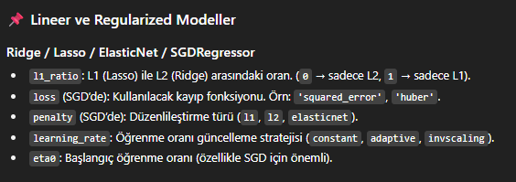
RadiusNeighborsRegressor | radius, weights, algorithm, leaf_size, p, metric | Belirli bir yarıçap içindeki komşulara göre tahmin
MLPRegressor | hidden_layer_sizes, activation, solver, alpha, learning_rate, max_iter, early_stopping | Yapay sinir ağı tabanlı regresyon
SVR | kernel, C, epsilon, gamma, degree | Destek vektör makineleri
LinearSVR | C, epsilon, loss, dual, max_iter | Lineer SVR, daha hızlı
BayesianRidge | n_iter, alpha_1, alpha_2, lambda_1, lambda_2, tol | Bayesian yaklaşım
ARDRegression | n_iter, alpha_1, alpha_2, lambda_1, lambda_2, threshold_lambda, tol | Bayesian, değişken seçici
HuberRegressor | epsilon, alpha, max_iter, tol | Robust regresyon
TheilSenRegressor | max_subpopulation, n_subsamples, max_iter, tol | Outlierlara dayanıklı
RANSACRegressor | min_samples, residual_threshold, max_trials, loss, stop_probability | Outlierları görmezden gelir
PoissonRegressor | alpha, fit_intercept, max_iter, tol | Poisson dağılımına uygun
GammaRegressor | alpha, fit_intercept, max_iter, tol | Gamma dağılımına uygun
TweedieRegressor | power, alpha, link, max_iter, tol | Genel üstel aileye uygun

