analysis
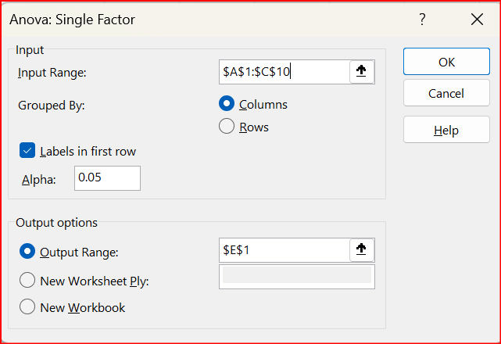
economics | medicine | history | Anova: Single Factor
42 | 69 | 35
53 | 54 | 40 | SUMMARY
49 | 58 | 53 | Groups | Count | Sum | Average | Variance
53 | 64 | 42 | economics | 9 | 435 | 48.333333333 | 23.5
43 | 64 | 50 | medicine | 7 | 420 | 60 | 32.333333333
44 | 55 | 39 | history | 9 | 393 | 43.666666667 | 50.5
45 | 56 | 55
52 |  | 39
54 |  | 40 | ANOVA
 |  |  | Source of Variation | SS | df | MS | F | P-value | F crit
 |  |  | Between Groups | 1085.84 | 2 | 542.92 | 15.196234097 | 7.1563578072E-05 | 3.4433567794
 |  |  | Within Groups | 786 | 22 | 35.727272727

 |  |  | Total | 1871.84 | 24

note: I included the labels

analysis with F test
economics | medicine | history |  | Anova: Single Factor
42 | 69 | 35
53 | 54 | 40 |  | SUMMARY
49 | 58 | 53 |  | Groups | Count | Sum | Average | Variance
53 | 64 | 42 |  | economics | 9 | 435 | 48.333333333 | 23.5
43 | 64 | 50 |  | medicine | 7 | 420 | 60 | 32.333333333
44 | 55 | 39 |  | history | 9 | 393 | 43.666666667 | 50.5
45 | 56 | 55
52 |  | 39
54 |  | 40 |  | ANOVA |  |  |  |  | at least one group is different
 |  |  |  | Source of Variation | SS | df | MS | F | P-value | F crit
 |  |  |  | Between Groups | 1085.84 | 2 | 542.92 | 15.196234097 | 7.1563578072E-05 | 3.4433567794
 |  |  |  | Within Groups | 786 | 22 | 35.727272727

 |  |  |  | Total | 1871.84 | 24

note: I included the labels

The F-Test is used to test the null hypothesis that the variances of two populations are equal.

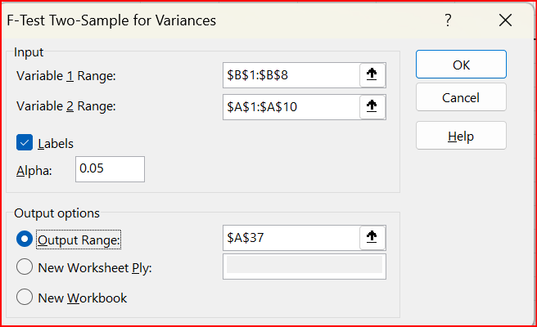
F test for economics and medicine - need to swap the columns because variance of economics is smaller than for medicine
F-Test Two-Sample for Variances

 | medicine | economics
Mean | 60 | 48.333333333
Variance | 32.333333333 | 23.5
Observations | 7 | 9
df | 6 | 8
F | 1.3758865248
P(F<=f) one-tail | 0.32914290462
F Critical one-tail | 3.5805803198 |  | F < Fcritical so variances are equal

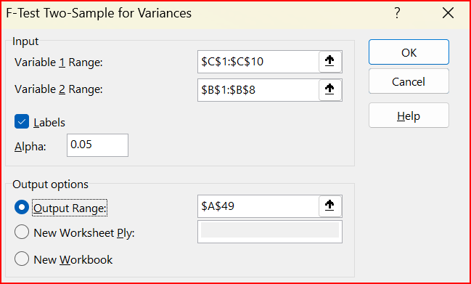
F test for medicine and history - need to swap columns because variance for medicine is smaller than history
F-Test Two-Sample for Variances

 | history | medicine
Mean | 43.666666667 | 60
Variance | 50.5 | 32.333333333
Observations | 9 | 7
df | 8 | 6
F | 1.5618556701
P(F<=f) one-tail | 0.30212197276
F Critical one-tail | 4.1468041623 |  | F < Fcritical so variances are equal

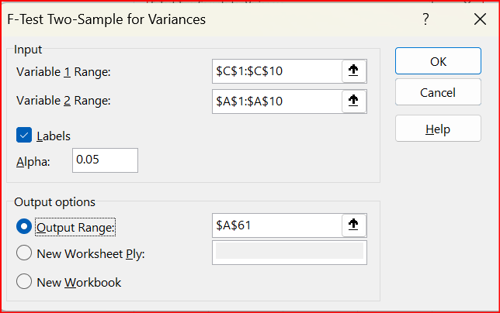
F test for economics and history - need to swap columns because variance for history is greater than for economics
F-Test Two-Sample for Variances

 | history | economics
Mean | 43.666666667 | 48.333333333
Variance | 50.5 | 23.5
Observations | 9 | 9
df | 8 | 8
F | 2.1489361702
P(F<=f) one-tail | 0.14994687504
F Critical one-tail | 3.4381012334 |  | F < Fcritical so variances are equal

In conclusion, all variances are equal so now we can do t-tests for equal variances.

analysis with t tests
economics | medicine | history |  | Anova: Single Factor
42 | 69 | 35
53 | 54 | 40 |  | SUMMARY
49 | 58 | 53 |  | Groups | Count | Sum | Average | Variance
53 | 64 | 42 |  | economics | 9 | 435 | 48.333333333 | 23.5
43 | 64 | 50 |  | medicine | 7 | 420 | 60 | 32.333333333
44 | 55 | 39 |  | history | 9 | 393 | 43.666666667 | 50.5
45 | 56 | 55
52 |  | 39
54 |  | 40 |  | ANOVA
 |  |  |  | Source of Variation | SS | df | MS | F | P-value | F crit
 |  |  |  | Between Groups | 1085.84 | 2 | 542.92 | 15.196234097 | 7.1563578072E-05 | 3.4433567794
 |  |  |  | Within Groups | 786 | 22 | 35.727272727

 |  |  |  | Total | 1871.84 | 24

note: I included the labels

The F-Test is used to test the null hypothesis that the variances of two populations are equal.
F test for economics and medicine - need to swap the columsns because variance of economics is smaller than for medicine
F-Test Two-Sample for Variances

 | medicine | economics
Mean | 60 | 48.333333333
Variance | 32.333333333 | 23.5
Observations | 7 | 9
df | 6 | 8
F | 1.3758865248
P(F<=f) one-tail | 0.32914290462
F Critical one-tail | 3.5805803198 |  | F < Fcritical so variances are equal

F test for medicine and history - need to swap columns because variance fo medicine is smaller than history
F-Test Two-Sample for Variances

 | history | medicine
Mean | 43.666666667 | 60
Variance | 50.5 | 32.333333333
Observations | 9 | 7
df | 8 | 6
F | 1.5618556701
P(F<=f) one-tail | 0.30212197276
F Critical one-tail | 4.1468041623 |  | F < Fcritical so variances are equal

F test for economics and history - need to swap columns because variance for history is greater than for economics
F-Test Two-Sample for Variances

 | history | economics
Mean | 43.666666667 | 48.333333333
Variance | 50.5 | 23.5
Observations | 9 | 9
df | 8 | 8
F | 2.1489361702
P(F<=f) one-tail | 0.14994687504
F Critical one-tail | 3.4381012334 |  | F < Fcritical so variances are equal

In conclusion, all variances are equal so now we can do t-testsss for equal variances.

t tests for all combinations

t-Test: Two-Sample Assuming Equal Variances
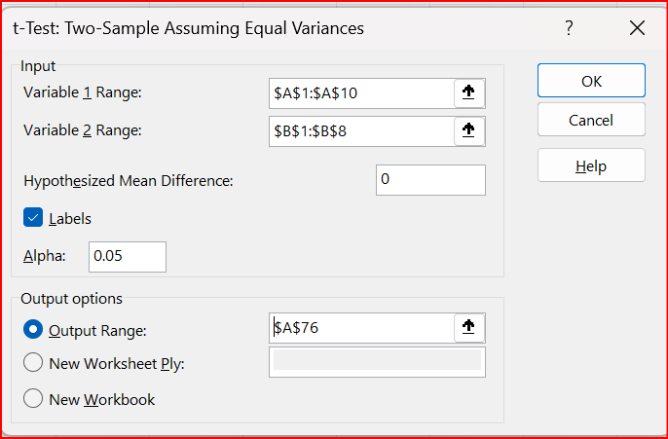
 | economics | medicine
Mean | 48.333333333 | 60
Variance | 23.5 | 32.333333333
Observations | 9 | 7
Pooled Variance | 27.285714286
Hypothesized Mean Difference | 0
df | 14
t Stat | -4.4318944574
P(T<=t) one-tail | 0.00028441765777
t Critical one-tail | 1.7613101358
P(T<=t) two-tail | 0.00056883531553 |  | p < 0.05 so there is a difference
t Critical two-tail | 2.1447866879

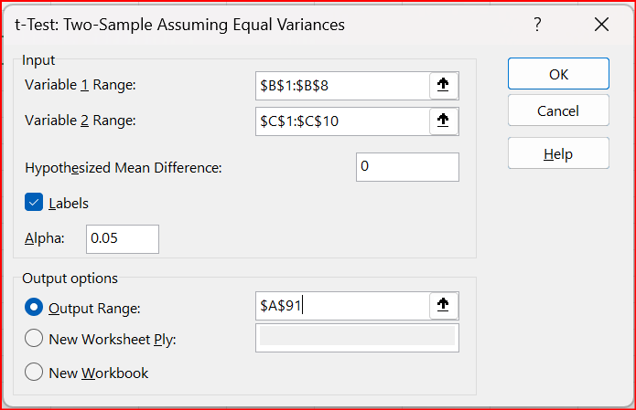
t-Test: Two-Sample Assuming Equal Variances

 | medicine | history
Mean | 60 | 43.666666667
Variance | 32.333333333 | 50.5
Observations | 7 | 9
Pooled Variance | 42.714285714
Hypothesized Mean Difference | 0
df | 14
t Stat | 4.9590505416
P(T<=t) one-tail | 0.00010494207045
t Critical one-tail | 1.7613101358
P(T<=t) two-tail | 0.00020988414089 |  | p < 0.05 so there is a difference
t Critical two-tail | 2.1447866879

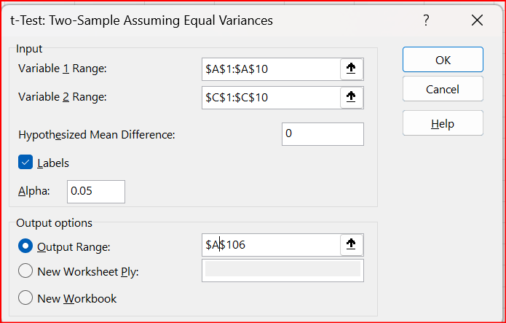
t-Test: Two-Sample Assuming Equal Variances

 | economics | history
Mean | 48.333333333 | 43.666666667
Variance | 23.5 | 50.5
Observations | 9 | 9
Pooled Variance | 37
Hypothesized Mean Difference | 0
df | 16
t Stat | 1.6274669424
P(T<=t) one-tail | 0.061583674518
t Critical one-tail | 1.7458836763
P(T<=t) two-tail | 0.12316734904 |  | p > 0.05 so there is no difference
t Critical two-tail | 2.1199052992

look at the averages
history | 43
 |  |  | no difference
economics | 48 |  |  | difference
 |  |  |  |  | difference
medicine | 60

