Sheet1
Students | Exam1 | Exam2 | Exam3 | Exam4 | Exam5 |  | I have changed the data slightly. Since there is no replication, we should not have empty
Group1 | 55 | 60 | 51 | 45 | 37 |  | labels in A3 and A5.
Group2 | 90 | 97 | 95 | 95 | 94
Group3 | 12 | 15 | 17 | 21 | 22
Group4 | 55 | 65 | 45 | 54 | 54

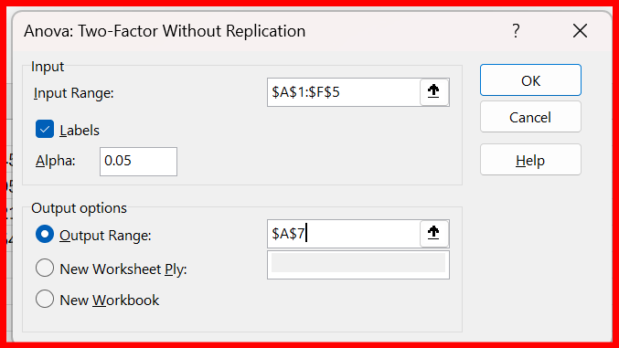
Anova: Two-Factor Without Replication

SUMMARY | Count | Sum | Average | Variance
Group1 | 5 | 248 | 49.6 | 79.8
Group2 | 5 | 471 | 94.2 | 6.7
Group3 | 5 | 87 | 17.4 | 17.3
Group4 | 5 | 273 | 54.6 | 50.3

Exam1 | 4 | 212 | 53 | 1019.3333333
Exam2 | 4 | 237 | 59.25 | 1138.9166667
Exam3 | 4 | 208 | 52 | 1041.3333333
Exam4 | 4 | 215 | 53.75 | 950.25
Exam5 | 4 | 207 | 51.75 | 964.25

ANOVA
Source of Variation | SS | df | MS | F | P-value | F crit
Rows | 14876.55 | 3 | 4958.85 | 127.77796865 | 2.2637745807E-09 | 3.4902948195 | there is a difference between the groups in the rows
Columns | 150.7 | 4 | 37.675 | 0.9707966502 | 0.45879006357 | 3.2591667269 | there is no difference between the exams in the columns
Error | 465.7 | 12 | 38.808333333

Total | 15492.95 | 19

