Sheet1
perfect correlation
no correlation
X | Z |  |  |  | X | Z
0 | 2 |  |  |  | 0 | 2
10 | 12 |  |  |  | 10 | -8
2 | 4 |  |  |  | 2 | 0
12 | 14 |  |  |  | 12 | -10
6 | 8 |  |  |  | 6 | -4

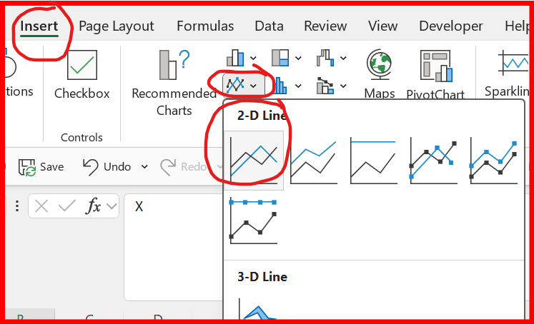

example
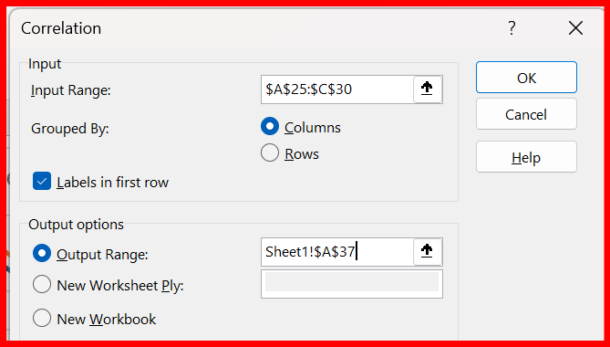
A | B | C
0 | 2 | 2
14 | 6 | 11
1 | 8 | 3
10 | 5 | 13
5 | 6 | 4

 | A | B | C
A | 1
B | 0.19151606657 | 1
C | 0.90926833986 | 0.1088931013 | 1 | A and C are closely correlated since the correlation is close to 1
 |  |  |  | A and B, and B and C, are not correlated since the correlation is close to 0

