Sheet1
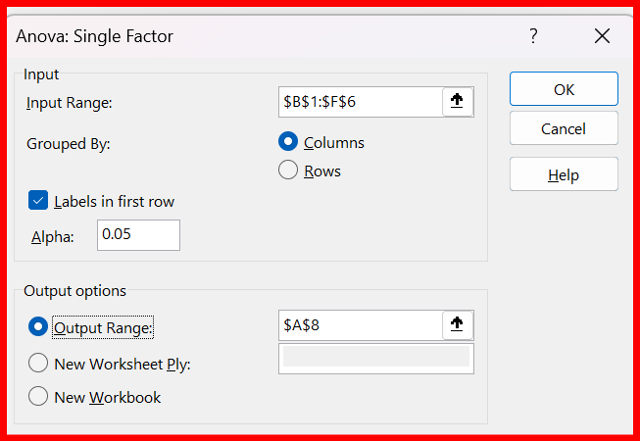
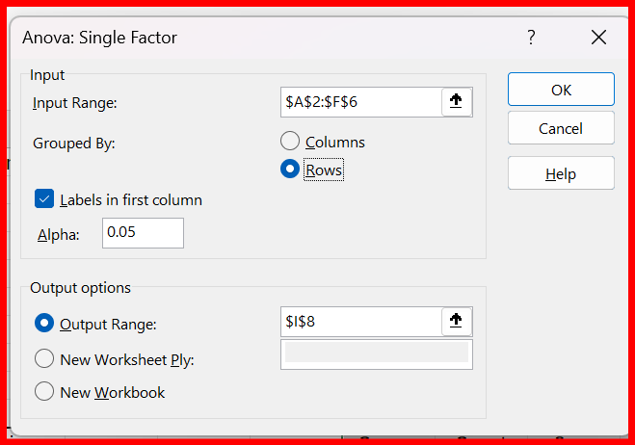
Student | Exam1 | Exam2 | Exam3 | Exam4 | Exam5
George | 55 | 60 | 51 | 45 | 37
Jimmy | 90 | 97 | 95 | 95 | 94
Ana | 12 | 15 | 17 | 21 | 22
Susan | 55 | 65 | 45 | 54 | 54
Tim | 78 | 78 | 75 | 75 | 78

Anova: Single Factor |  | this one is by exams, in columns |  |  |  |  | Anova: Single Factor |  | this one is by student, in rows

SUMMARY |  |  |  |  |  |  | SUMMARY
Groups | Count | Sum | Average | Variance |  |  | Groups | Count | Sum | Average | Variance
Exam1 | 5 | 290 | 58 | 889.5 |  |  | George | 5 | 248 | 49.6 | 79.8
Exam2 | 5 | 315 | 63 | 924.5 |  |  | Jimmy | 5 | 471 | 94.2 | 6.7
Exam3 | 5 | 283 | 56.6 | 886.8 |  |  | Ana | 5 | 87 | 17.4 | 17.3
Exam4 | 5 | 290 | 58 | 803 |  |  | Susan | 5 | 273 | 54.6 | 50.3
Exam5 | 5 | 285 | 57 | 861 |  |  | Tim | 5 | 384 | 76.8 | 2.7

ANOVA |  |  |  |  |  |  | ANOVA
Source of Variation | SS | df | MS | F | P-value | F crit | Source of Variation | SS | df | MS | F | P-value | F crit
Between Groups | 133.04 | 4 | 33.26 | 0.038100256598 | 0.99699406617 | 2.866081402 | Between Groups | 16965.04 | 4 | 4241.26 | 135.2442602 | 3.531284428E-14 | 2.866081402
Within Groups | 17459.2 | 20 | 872.96 |  |  |  | Within Groups | 627.2 | 20 | 31.36

Total | 17592.24 | 24 |  |  |  |  | Total | 17592.24 | 24
the p value is more than 0.05, so there is no difference between exams. |  |  |  |  |  |  | the p value is less than 0.05, so there is a difference between students.

