analysis
Sales Department |  |  |  | SUMMARY OUTPUT
Product | Price | Quantity | Revenue
P31 | 69 | 790 | 54510 | Regression Statistics
P32 | 45 | 950 | 42750 | Multiple R | 0.047969439906
P33 | 51 | 290 | 14790 | R Square | 0.0023010671649
P34 | 54 | 659 | 35586 | Adjusted R Square | -0.49654839925
 |  |  |  | Standard Error | 12.490603293
 |  |  |  | Observations | 4
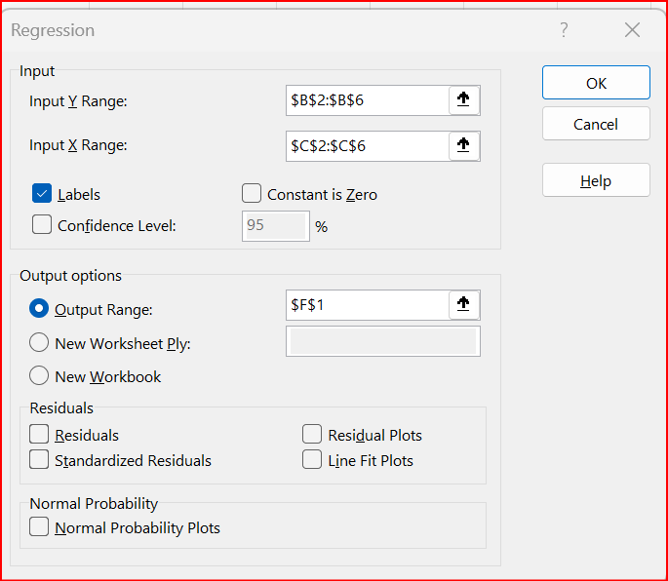
 |  |  |  | ANOVA
 |  |  |  |  | df | SS | MS | F | Significance F
 |  |  |  | Regression | 1 | 0.71965875582 | 0.71965875582 | 0.0046127485741 | 0.95203056009
 |  |  |  | Residual | 2 | 312.03034124 | 156.01517062
 |  |  |  | Total | 3 | 312.75

 |  |  |  |  | Coefficients | Standard Error | t Stat | P-value | Lower 95% | Upper 95% | Lower 95.0% | Upper 95.0%
 |  |  |  | Intercept | 53.579302847 | 18.333631705 | 2.9224598655 | 0.099855250128 | -25.303947654 | 132.46255335 | -25.303947654 | 132.46255335
 |  |  |  | Quantity | 0.0017414609941 | 0.02564093512 | 0.067917218539 | 0.95203056009 | -0.1085825785 | 0.11206550048 | -0.1085825785 | 0.11206550048

