analysis
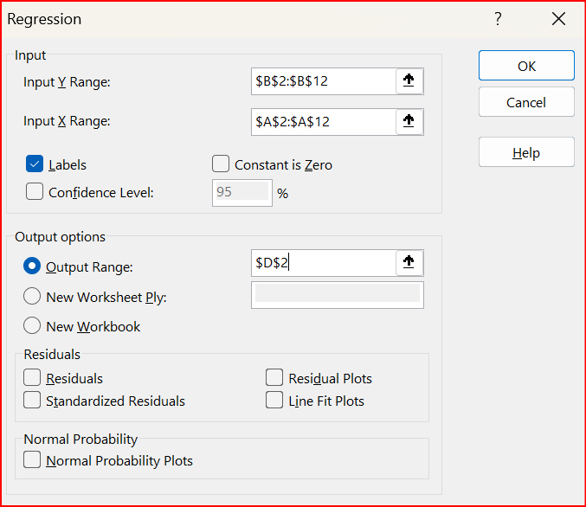
note: the exam score is the dependent variable, the hours studied the independent variable.
hours studied | exam score | SUMMARY OUTPUT
1 | 65
5 | 64 | Regression Statistics
0 | 25 | Multiple R | 0.75095282011
4 | 43 | R Square | 0.56393013804
6 | 76 | Adjusted R Square | 0.50942140529
3 | 34 | Standard Error | 15.153872118
7 | 80 | Observations | 10
20 | 92
5 | 55 | ANOVA
15 | 77 |  | df | SS | MS | F | Significance F
 |  | Regression | 1 | 2375.7812785 | 2375.7812785 | 10.345684253 | 0.012304189267
 |  | Residual | 8 | 1837.1187215 | 229.63984018
 |  | Total | 9 | 4212.9

 |  |  | Coefficients | Standard Error | t Stat | P-value | Lower 95% | Upper 95% | Lower 95.0% | Upper 95.0%
 |  | Intercept | 43.914383562 | 7.17716354 | 6.118626574 | 0.00028359625811 | 27.363814759 | 60.464952364 | 27.363814759 | 60.464952364
 |  | hours studied | 2.6038812785 | 0.80954607077 | 3.2164707761 | 0.012304189267 | 0.7370646917 | 4.4706978654 | 0.7370646917 | 4.4706978654

