with analysis
students | exam1 | exam2 | exam3 | exam4 | exam5 | Anova: Two-Factor With Replication
group1 | 55 | 60 | 51 | 45 | 37
 | 90 | 97 | 95 | 95 | 94 | SUMMARY | exam1 | exam2 | exam3 | exam4 | exam5 | Total
group2 | 12 | 15 | 17 | 21 | 22 | group1
 | 55 | 65 | 45 | 54 | 54 | Count | 2 | 2 | 2 | 2 | 2 | 10
 |  |  |  |  |  | Sum | 145 | 157 | 146 | 140 | 131 | 719
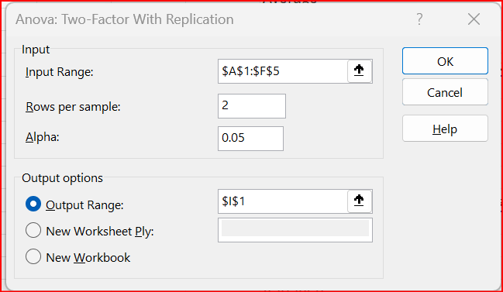
 |  |  |  |  |  | Average | 72.5 | 78.5 | 73 | 70 | 65.5 | 71.9
 |  |  |  |  |  | Variance | 612.5 | 684.5 | 968 | 1250 | 1624.5 | 590.98888889

 |  |  |  |  |  | group2
 |  |  |  |  |  | Count | 2 | 2 | 2 | 2 | 2 | 10
 |  |  |  |  |  | Sum | 67 | 80 | 62 | 75 | 76 | 360
 |  |  |  |  |  | Average | 33.5 | 40 | 31 | 37.5 | 38 | 36
 |  |  |  |  |  | Variance | 924.5 | 1250 | 392 | 544.5 | 512 | 414.44444444

 |  |  |  |  |  | Total
 |  |  |  |  |  | Count | 4 | 4 | 4 | 4 | 4
 |  |  |  |  |  | Sum | 212 | 237 | 208 | 215 | 207
 |  |  |  |  |  | Average | 53 | 59.25 | 52 | 53.75 | 51.75
 |  |  |  |  |  | Variance | 1019.3333333 | 1138.9166667 | 1041.3333333 | 950.25 | 964.25

 |  |  |  |  |  | ANOVA
 |  |  |  |  |  | Source of Variation | SS | df | MS | F | P-value | F crit
 |  |  |  |  |  | Sample | 6444.05 | 1 | 6444.05 | 7.3541226819 | 0.02186412242 | 4.9646027437
 |  |  |  |  |  | Columns | 150.7 | 4 | 37.675 | 0.042995720399 | 0.99590172814 | 3.4780496908
 |  |  |  |  |  | Interaction | 135.7 | 4 | 33.925 | 0.038716119829 | 0.99665089306 | 3.4780496908
 |  |  |  |  |  | Within | 8762.5 | 10 | 876.25

 |  |  |  |  |  | Total | 15492.95 | 19

