solutions
positive correlation
negative correlation
X | Z |  |  |  | X | Z
0 | 2 |  |  |  | 0 | 2
10 | 11 |  |  |  | 9 | -8
2 | 4 |  |  |  | 2 | 0
11 | 14 |  |  |  | 11 | -10
6 | 8 |  |  |  | 6 | -4

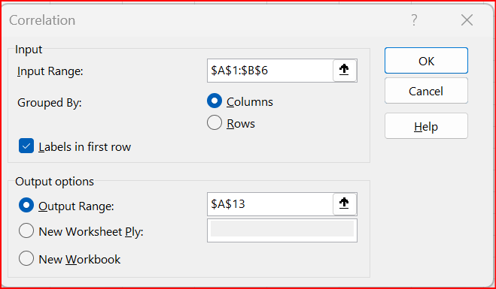
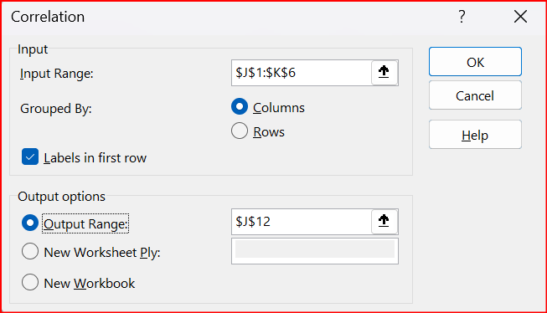
 |  |  |  |  |  | X | Z
 | X | Z |  |  | X | 1
X | 1 |  |  |  | Z | -0.99859959726 | 1
Z | 0.98967174551 | 1
 |  |  |  |  | X and Z have high negative
X and Z have high positive |  |  |  |  | correlation
correlation

mixed
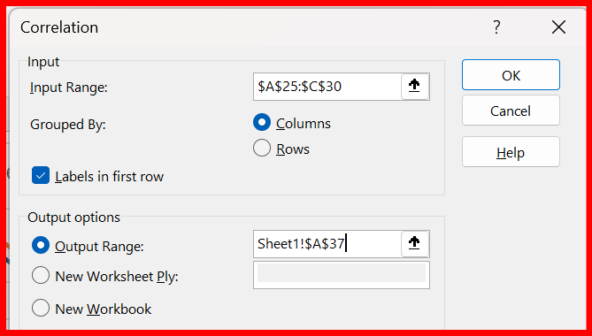
A | B | C
0 | 2 | 2
14 | 6 | 11
1 | 8 | 3
10 | 5 | 13
5 | 6 | 4

 | A | B | C
A | 1
B | 0.19151606657 | 1
C | 0.90926833986 | 0.1088931013 | 1 | A and C are closely correlated since the correlation is close to 1
 |  |  |  | A and B, and B and C, are not correlated since the correlation is close to 0

