Sheet1
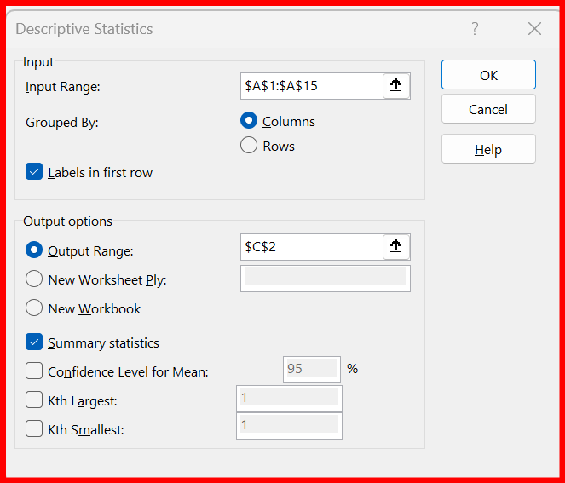
Scores
82 | Scores
93
91 | Mean | 81.214285714
69 | Standard Error | 4.0453182429
96 | Median | 85
61 | Mode | 93
88 | Standard Deviation | 15.136194885
58 | Sample Variance | 229.1043956
59 | Kurtosis | -1.4260535063
100 | Skewness | -0.40210800388
93 | Range | 42
71 | Minimum | 58
78 | Maximum | 100
98 | Sum | 1137
 | Count | 14

