Scenarios
Images describing the scenarios

Services
Method | endpoint | ToBe Tested? | Comments
POST | /login |  |  | Yes
 |  |  |  | No

Describe the list of Services
available in the product

Reports
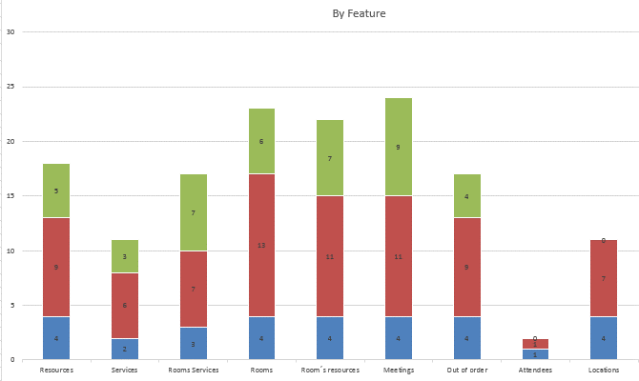
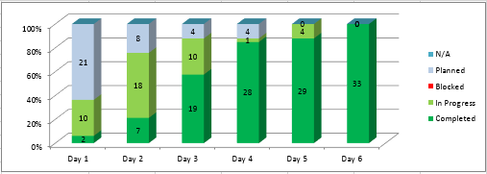

The reports that represents
the progress should be here

