Read me
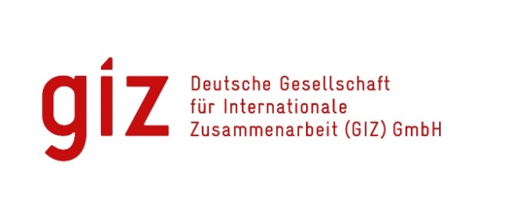
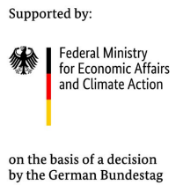

Update on 14 04 2026

NDC Transport Tracker

Transport is currently the sector with the second highest amount of greenhouse gas (GHG) emissions worldwide. Therefore, in order to stay on track and limit global warming to 1.5°C above pre-industrial levels, strong climate ambition in transport is called for. The NDC Transport Tracker aims to shed light on the state of global efforts to decarbonize the transport sector by enabling to get a clear picture of the role of transport in national-level climate policies. The tool was developed by the SLOCAT Partnership on Sustainable, Low Carbon Transport and the Deutsche Gesellschaft für Internationale Zusammenarbeit (GIZ). It is currently part of the Mobilize Net-Zero project that is implemented by the GIZ and financed by the International Climate Initiative (IKI) of the German Federal Ministry for Economic Affairs and Climate Action (BMWK).

What can you do with the Tracker?

The Tracker helps policymakers, researchers, and advocates to: - Compare transport targets, mitigation, adaptation measures, and benefits across countries. - Analyse global and regional trends in transport decarbonisation. - Identify good practices, such as electric mobility targets, public transport expansion, or rail freight shifts. - Download structured data for further modelling and research.
What does it track?

With the NDC Transport Tracker, you can keep track of all transport related targets, mitigation measures, adaptation measures as well as benefits in Nationally Determined Contributions (NDCs) and Long-term Low Greenhouse Gas Emission Development Strategies (LTS) – the two major reporting mechanisms of the Paris Agreement on Climate Change. Targets express a goal or objective related to lowering GHG emissions or adapting to the impacts of climate change. Example: Reach net zero carbon emissions by 2050 Mitigation measures can be seen as actions or the pathway that leads to the goal of lowering GHG emissions. Example: Reduction of unnecessary travel through city planning Adaptation measures are policies or strategies that aim to reduce the risks and harms caused by climate change. Example: Use of building materials that withstand extreme climate events. Benefits are statements link climate related transport action to other kinds of positive impacts. Example: Increased public transport will lead to increased mobility for low-income populations. The targets, mitigation and adaptation measures, and benefits listed in the tracker have been further classified depending on characteristics like their scope or purpose. A more detailed definition of each category can be found in the glossary. Additionally, there regarding the reporting countries as well as the documents included in the Tracker can be found. The country section provides an overview of country specific characteristics like their region and income level, memberships in intergovernmental transport or climate related alliances or their GHG emissions. The document section provides a list of all the documents analysed and sums up important information like their status as active or archived, submission date and whether they include targets, measures, and benefits.

How is the Tracker updated?

The Tracker is updated constantly. The newest NDCs and LTS will be added once published on the submissions portal of the United Nations Framework Convention on Climate Change (UNFCCC).
How should I cite the data?

The database and content included in this document fall under the creative commons license CC BY 4.0. You are free to share (copy and redistribute data in any form) and adapt (build upon the data for any purpose) as long as appropriate credit is provided. Please cite the database as follows:

GIZ and SLOCAT (2025). NDC Transport Tracker (vers. 4.0). Available from: www.changing-transport.org/tracker.

How can I provide feedback?

When using the data, please note that the capture and classification of targets and measures involve a degree of subjectivity, and while a great effort has been made to ensure accuracy and completeness, certain limitations are inevitable. Therefore, we are always happy to hear your thoughts on the NDC Transport Tracker! If you would like to share questions or comments with us, please feel free to reach out to María Belén Vásquez (maria.vasquez1@giz.de) from GIZ or Nikola Medimorec (nikola.medimorec@slocatpartnership.org) from SLOCAT. Learn more: https://changing-transport.org/tracker/

