Sheet1
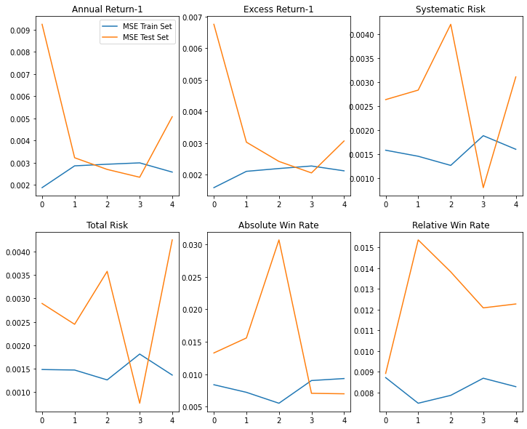
Results for ML-based approaches in stock monitoring

Performance of Linear Regression
- used K-fold cross validation as well as Stochastic Gradient descent methods for analysis of Model

Period 2 -Using Stochastic Gradient Descent for Linear Models With hyperparameter Tuning on Dataset

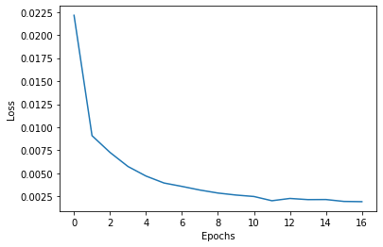
1. Annual Return
Hyperparameters used :
Learning rate - 0.1
Rho- 0.0001
Max Iteration - 2000

Mean Squared Error for test set - 0.00797538976466319

Graph plotted for epoch by epoch VS Avg loss

Actual Values : [0.58562709 0.61693428 0.31019723 0.48107916 0.38489909 0.60835407 0.44194294 0.3554809 0.58913158 0.43151999 0.46854515 0.2 0.36839817]

Predicted Values : [0.60417827 0.61077335 0.2015489 0.45697865 0.47957621 0.62496814 0.51040309 0.3962125 0.8278826 0.48874697 0.53564646 0.27342439 0.47132808]

R Squared Score - 0.785

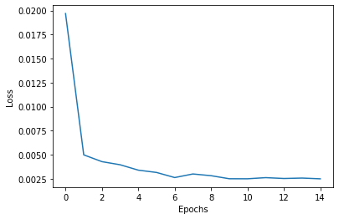
2. Excess Return
Hyperparameters used :
Learning rate - 0.1
Rho- 0.0001
Max Iteration - 2000

Mean Squared Error for the test set - 0.005235712043968074

Graph plotted for epoch by epoch VS Avg loss

Actual Values : [0.60046728 0.31864118 0.42578733 0.44160647 0.66555891 0.51166395 0.70383874 0.5856879 0.52911109 0.55002976 0.39930793 0.50262751 0.63495168]

Predicted Values : [0.52120626 0.2799417 0.39288849 0.50267967 0.63512748 0.43913736 0.59482325 0.57040927 0.55559087 0.50056366 0.4380527 0.46157382 0.45935726]

R Squared Score - 0.420

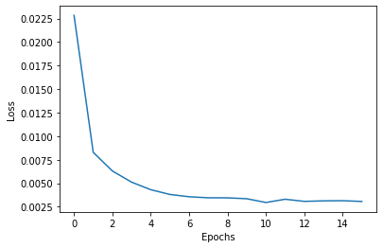
3. Systematic Risk
Hyperparameters used :
Learning rate - 0.1
Rho- 0.0001
Max Iteration - 1000

Mean Squared Error for the test set - 0.006969461391429752

Graph plotted for epoch by epoch VS Avg loss

Actual Values : [0.62090371 0.49740528 0.38346821 0.8 0.47119475 0.4857407 0.48316793 0.58211394 0.46601025 0.48264577 0.38399541 0.27900946 0.36972046]

Predicted Values : [0.51220491 0.48805106 0.3601828 0.56239616 0.45947208 0.49226974 0.48592415 0.46745542 0.49415148 0.48982681 0.33308312 0.34904622 0.37494957]

R Squared Score - 0.470

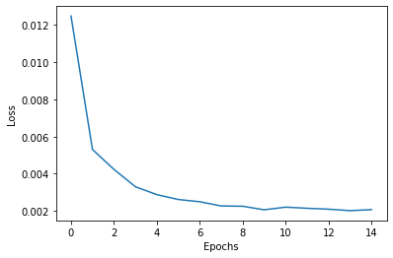
4. Total Risk
Hyperparameters used :
Learning rate - 0.001
Rho- 0.0001
Max Iteration - 1000

Mean Squared Error for the test set - 0.0038473026086711455

Graph plotted for epoch by epoch VS Avg loss

Actual Values : [0.25976519 0.27160735 0.34833004 0.28953071 0.24221049 0.42590983 0.44708837 0.33731275 0.5443808 0.30495463 0.33585477 0.28395441 0.30642926]

Predicted Values : [0.43528308 0.2793712 0.36548301 0.27655139 0.33587055 0.39560066 0.38867513 0.37326938 0.47381897 0.38198376 0.27491746 0.32699095 0.28324218]

R Squared Score - -0.608

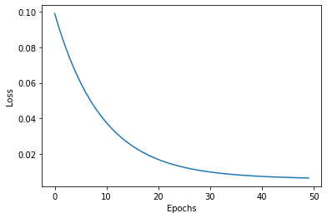
5. Absolute Win Rate
Hyperparameters used :
Learning rate - 0.001
Rho- 0.0001
Max Iteration - 1000

Mean Squared Error for the test set - 0.007379598664435099

Graph plotted for epoch by epoch VS Avg loss

Actual Values : [0.45714286 0.54285714 0.45714286 0.28571429 0.37142857 0.45714286 0.45714286 0.45714286 0.28571429 0.54285714 0.37142857 0.37142857 0.45714286]
Predicted Values : [0.35835278 0.57085114 0.65626734 0.32963907 0.48430565 0.46542168 0.39165785 0.40589013 0.22112211 0.48835033 0.40040076 0.4978847 0.44650759]

R Squared Score - 0.189

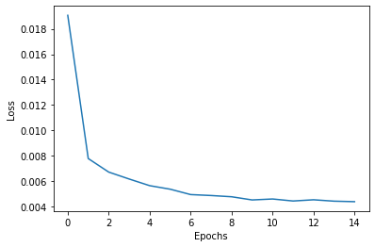
6.Relative Win Rate
Hyperparameters used :
Learning rate - 0.1
Rho- 0.0001
Max Iteration - 1000

Mean Squared Error for the test set - 0.013377368451448123

Graph plotted for epoch by epoch VS Avg loss

Actual Values : [0.6 0.5 0.6 0.5 0.5 0.7 0.5 0.6 0.4 0.4 0.7 0.5 0.6]

Predicted Values : [0.50230277 0.44508941 0.51155526 0.52896463 0.5946067 0.48568565 0.51465323 0.82791177 0.2721397 0.3291756 0.54837907 0.48135301 0.63072322]

R Squared Score - 0.473

Period 1 - Using Linear Regression in-built with K-fold Cross Validation and Checking MSE in Training and Test Dataset
Note : MSE's are in form - mean MSE + - Standard Deviation, K=5

1. Annual Return
MSE of Training Set after 5 folds : 0.005917952598605772+-0.0005773948641171395
MSE of Test Set after 5 folds : 0.009277774836007602+-0.003316746978534007

2. Excess Return
MSE of Training Set after 5 folds : 0.006660538088695862+-0.0006472650179413438
MSE of Test Set after 5 folds : 0.011795497886050442+-0.004328201919497751

3. Systematic Risk
MSE of Training Set after 5 folds : 0.006827430152143853+-0.0008278030727882937
MSE of Test Set after 5 folds : 0.012715559101510274+-0.005743239726665024

4. Total Risk
MSE of Training Set after 5 folds : 0.006113100517951849+-0.0010194223562580472
MSE of Test Set after 5 folds : 0.012575402448522625+-0.007035661347155474

5. Absolute Win Rate
MSE of Training Set after 5 folds : 0.010408661353365925+-0.0011108149169564545
MSE of Test Set after 5 folds : 0.015490367408396072+-0.006243857085435574

6. Relative Win Rate
MSE of Training Set after 5 folds : 0.008391009035469306+-0.0009665983211875312
MSE of Test Set after 5 folds : 0.011444419450915422+-0.004444062401875619

Graph of MSE of Training Set VS MSE of Test Set using K fold (for 5 folds)

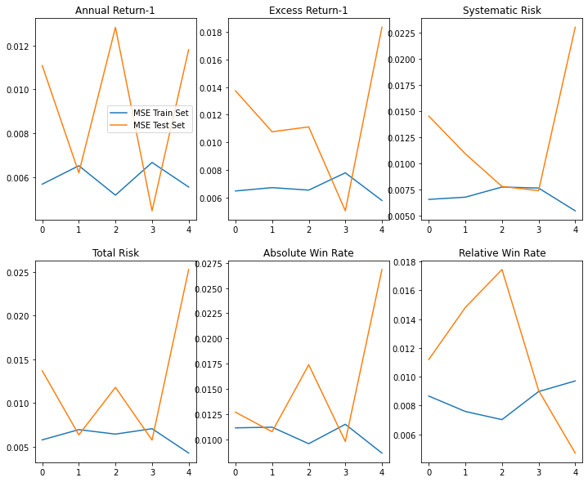

Period 3 - Using Linear Regression in-built with K-fold Cross Validation and Checking MSE in Training and Test Dataset
Note : MSE's are in form - mean MSE + - Standard Deviation, K=5

1. Annual Return
MSE of Training Set after 5 folds : 0.002884121817498756+-0.0005229250755394674
MSE of Test Set after 5 folds : 0.005194809994238931+-0.003175209827046812

2. Excess Return
MSE of Training Set after 5 folds : 0.0023600892787774014+-0.00034438414398880297
MSE of Test Set after 5 folds : 0.0039522730602714155+-0.0020636031981771377

3. Systematic Risk
MSE of Training Set after 5 folds : 0.0067385837173713665+-0.0016276309468557877
MSE of Test Set after 5 folds : 0.012287257822101622+-0.009551701632102061

4. Total Risk
MSE of Training Set after 5 folds : 0.005700426132310904+-0.0013047315341804552
MSE of Test Set after 5 folds : 0.009737744525954965+-0.007408736084364913

5. Absolute Win Rate
MSE of Training Set after 5 folds : 0.01028176877200693+-0.0014680814436945535
MSE of Test Set after 5 folds : 0.018338092196605968+-0.009101465974554572

6. Relative Win Rate
MSE of Training Set after 5 folds : 0.006793579404546568+-0.0010732988307690624
MSE of Test Set after 5 folds : 0.010064173177956102+-0.005459739753039907

Graph of MSE of Training Set VS MSE of Test Set using K fold (for 5 folds)

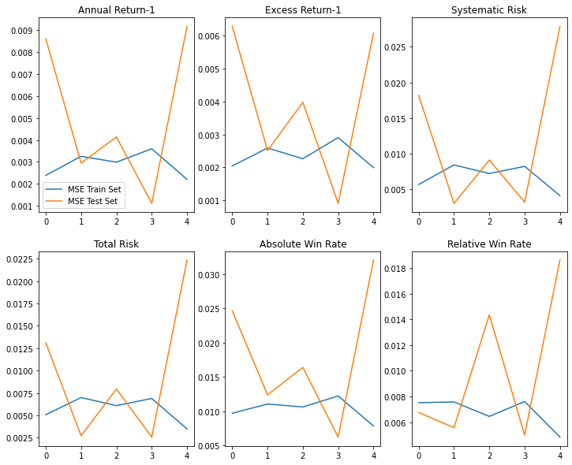

Period 4 - Using Linear Regression in-built with K-fold Cross Validation and Checking MSE in Training and Test Dataset
Note : MSE's are in form - mean MSE + - Standard Deviation, K=5

1. Annual Return
MSE of Training Set after 5 folds : 0.002650497342047039+-0.00041121454439989644
MSE of Test Set after 5 folds : 0.004519815154026295+-0.0025432136724191238

2. Excess Return
MSE of Training Set after 5 folds : 0.0020555531351332266+-0.00024118362664042047
MSE of Test Set after 5 folds : 0.0034628796184647454+-0.001688417853623062

3. Systematic Risk
MSE of Training Set after 5 folds : 0.0015613459848121726+-0.00020264473023333727
MSE of Test Set after 5 folds : 0.0027215907283262564+-0.0011009777848837645

4. Total Risk
MSE of Training Set after 5 folds : 0.0014753678637108877+-0.00018595501486400187
MSE of Test Set after 5 folds : 0.002785603387215885+-0.001184363744094308

5. Absolute Win Rate
MSE of Training Set after 5 folds : 0.007893778974220753+-0.001390213135733363
MSE of Test Set after 5 folds : 0.014720752325582885+-0.008682533514285636

6. Relative Win Rate
MSE of Training Set after 5 folds : 0.008213884584339887+-0.0004780244541757571
MSE of Test Set after 5 folds : 0.012494708204066602+-0.0021415782295047974

Graph of MSE of Training Set VS MSE of Test Set using K fold (for 5 folds)

